small
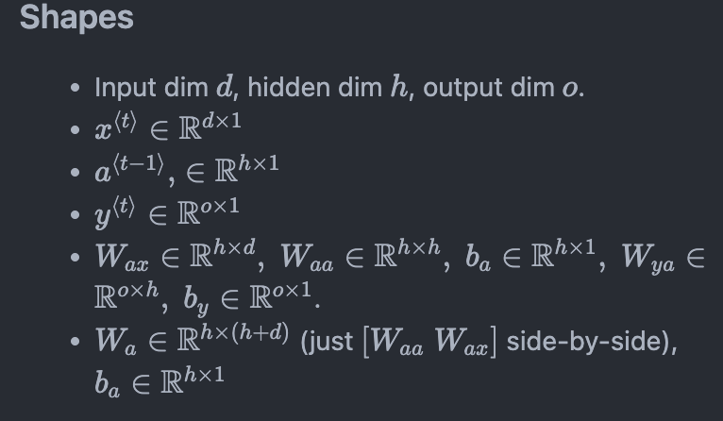
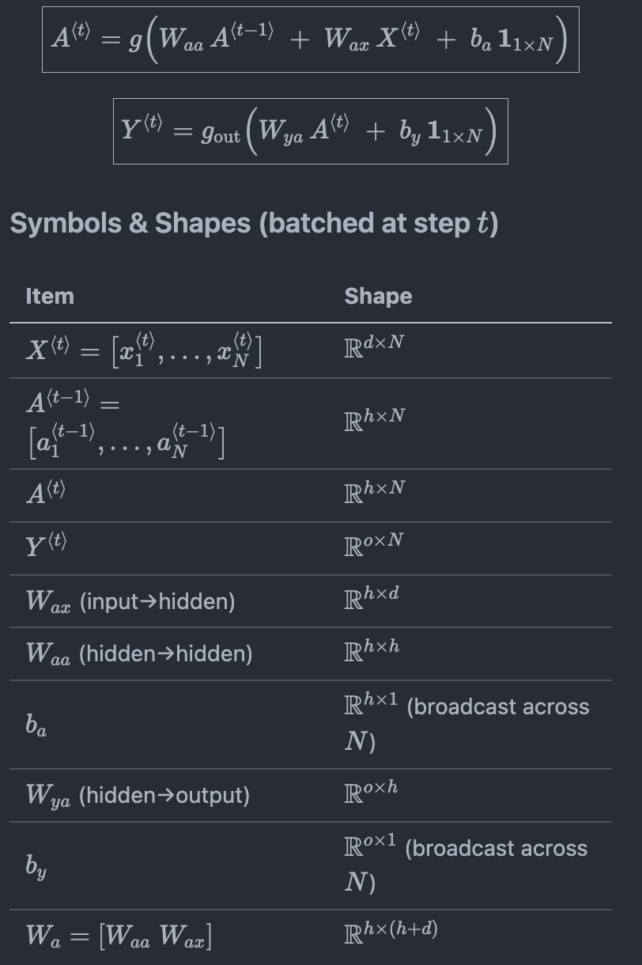
 |  |  |  |  | Time
Input Dim | 4 | d |  |  | t=1 | t=2 | t=3 | t=4
Output Dim | 1 | o
Hidden State Dim | 3 | h |  |  | Input Sequence
Sequence Length | 4 |  |  |  | X1 | X2 | X3 | X4
 |  |  |  |  | 2 | 1 | 1 | 1
 |  |  |  |  | -1 | 0 | 1 | 2
 |  |  |  |  | 0 | 1 | 0 | -1
 |  |  |  |  | 1 | 0 | 0 | 2

 |  |  |  |  | Hidden States
 | Wx (Wax) (h x d) |  |  |  | H0 | H1 | H2 | H3
 | 1 | 0 | -1 | 1 | 0 | 1.00 | 0.84 | 0.99
 | 0 | 2 | 1 | 0 | 0 | -1.00 | -0.94 | 0.06
 | 1 | 2 | 1 | 0 | 0 | -0.76 | 0.00 | 0.78

 | Wh (Waa) (h x h) |  |  |  | F{t} = Wx*X{t} + Wh*H{t-1} + bh
 | 1 | 0 | 1 |  | 4 | 1.24 | 2.85 | 6.78
 | 0 | 1 | 1 |  | -3 | -1.76 | 0.06 | 2.85
 | 0 | 1 | 0 |  | -1 | 0.00 | 1.06 | 3.06

 | bh (h x 1) |  |  |  | H{t} = tanh(A{t})
 | 1 |  |  |  | 0.999 | 0.845 | 0.993 | 1.000
 | -1 |  |  |  | -0.995 | -0.942 | 0.063 | 0.993
 | -1 |  |  |  | -0.762 | 0.005 | 0.785 | 0.996

 | Wy (Way) (o x h) |  |  |  | O{t} = Wy * H{t} + by
 | 3 | 0 | -1 |  | 6.760 | 5.529 | 5.195 | 5.004

 | by (o x 1) |  |  |  | Y
 | 3 |  |  |  | 0.9988 | 0.9960 | 0.9945 | 0.9933

