shape calculator
https://www.youtube.com/watch?v=URJ9pP1aURo&list=PLCip3d1iHEMVRHP8cmXSFmhFVtfmxdLcC&index=7

 | m | n0 | n1 | n2 | n3
 | 50 | 64 | 32 | 16 | 1

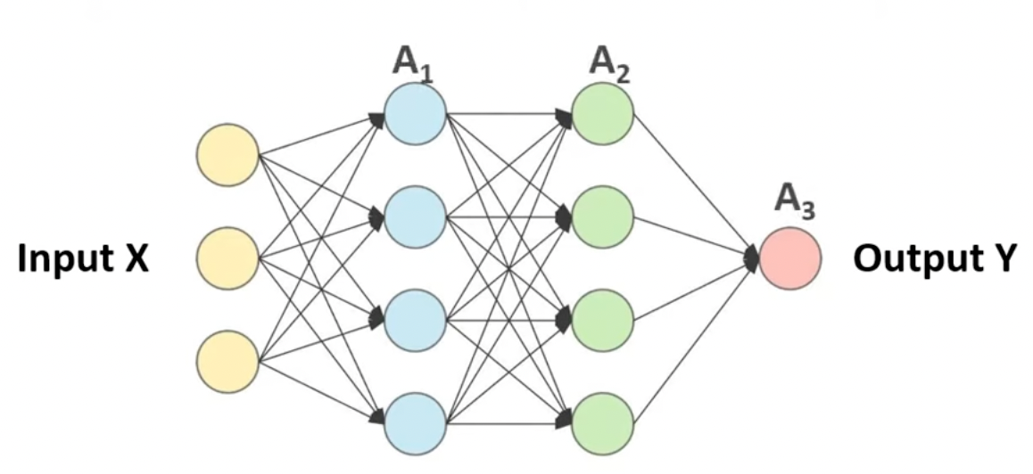

 | X | (n0,m) | (64,50) |  | no gradients

 | W1,dw1 | (n1,n0) | (32,64)
 | W2,dw2 | (n2,n1) | (16,32)
 | W3,dw3 | (n3,n2) | (1,16)

 | B1,db1 | (n1,1) | (32,1)
 | B2,db2 | (n2,1) | (16,1)
 | B3,db3 | (n3,1) | (1,1)

 | Z1,dz1,A1,da1 | (n1,m) | (32,50) |  | (n1,n0)@(n0,m)+(n1,1)=(n1,m) | (32,64)@(64,50)+(32,1)=(32,50)
 | Z2,dz2,A2,da2 | (n2,m) | (16,50) |  | (n2,n1)@(n1,m)+(n2,1)=(n2,m) | (16,32)@(32,50)+(16,1)=(16,50)
 | Z3,dz3,A3,da3 | (n3,m) | (1,50) |  | (n3,n2)@(n2,m)+(n3,1)=(n3,m) | (1,16)@(16,50)+(1,1)=(1,50)

 | Y | (n3,m) | (1,50) |  | no gradients

