Planilha1
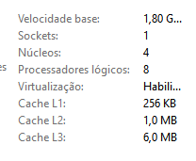
100x100
Média(ms) | Sequencial | Proc. P=2 | Thread.P=2 | Proc. P=4 | Thread.P=4 | Proc.P=8 | Thread.P=8 | Proc.P=16 | Thread.P=16 | Proc.P=32 | Thread.P=32
100x100 | 34.1 | 26 | 25 | 13.3 | 13.4 | 11.2 | 13.4 | 14 | 14.4 | 25.2 | 23.8
200x200 | 166 | 114 | 118.1 | 65.8 | 66.3 | 57.9 | 45.7 | 49.8 | 51.8 | 50.4 | 52.2
400x400 | 1027.6 | 795.1 | 905 | 482.9 | 454.9 | 414.1 | 392 | 409 | 409.9 | 414.3 | 407.3
800x800 | 7387.3 | 6224.9 | 6092.9 | 3246.3 | 3197.7 | 3082.8 | 3108.4 | 3204.9 | 3028.7 | 3576.6 | 3360.3
1600x1600 | 72174.8 | 48503.2 | 48309.4 | 29314.2 | 29136.2 | 25617.4 | 25354.4 | 26275.1 | 24400.5 | 26557 | 24888.6
3200x3200 | 638130 | 376343 | 351047 | 197259 | 189309 | 167100 | 164327 | 188213 | 199050 | 215280 | 213308

100x100 | 41 | 34 | 39 | 20 | 20 | 13 | 18 | 19 | 21 | 22 | 35
 | 33 | 26 | 26 | 16 | 17 | 14 | 17 | 17 | 15 | 18 | 15
 | 30 | 18 | 17 | 10 | 10 | 10 | 9 | 9 | 13 | 11 | 10
 | 35 | 18 | 18 | 10 | 9 | 8 | 9 | 10 | 12 | 11 | 45
 | 30 | 26 | 25 | 10 | 9 | 8 | 8 | 10 | 11 | 96 | 45
 | 35 | 40 | 32 | 9 | 8 | 7 | 8 | 9 | 14 | 17 | 16
 | 36 | 20 | 17 | 15 | 16 | 7 | 16 | 16 | 15 | 17 | 10
200x200
 | 39 | 34 | 23 | 16 | 16 | 15 | 21 | 18 | 17 | 13 | 12
 | 32 | 24 | 28 | 14 | 16 | 14 | 16 | 18 | 14 | 24 | 18
 | 30 | 20 | 25 | 13 | 13 | 16 | 12 | 14 | 12 | 23 | 32
Média ms | 34.1 | 26 | 25 | 13.3 | 13.4 | 11.2 | 13.4 | 14 | 14.4 | 25.2 | 23.8

200x200 | 178 | 114 | 129 | 66 | 66 | 53 | 51 | 57 | 56 | 53 | 54
 | 162 | 105 | 132 | 56 | 54 | 43 | 37 | 45 | 40 | 43 | 43
 | 165 | 108 | 109 | 49 | 49 | 66 | 44 | 51 | 55 | 51 | 48
 | 164 | 140 | 105 | 62 | 61 | 59 | 37 | 48 | 52 | 51 | 48
 | 163 | 129 | 110 | 73 | 70 | 58 | 58 | 50 | 58 | 48 | 52
 | 165 | 116 | 114 | 71 | 74 | 64 | 36 | 50 | 50 | 50 | 55
 | 168 | 106 | 116 | 80 | 72 | 53 | 57 | 50 | 56 | 55 | 57
 | 165 | 99 | 121 | 78 | 74 | 65 | 37 | 51 | 49 | 51 | 51
 | 163 | 99 | 130 | 47 | 69 | 56 | 56 | 48 | 51 | 52 | 59
 | 167 | 124 | 115 | 76 | 74 | 62 | 44 | 48 | 51 | 50 | 55
400x400
Média ms | 166 | 114 | 118.1 | 65.8 | 66.3 | 57.9 | 45.7 | 49.8 | 51.8 | 50.4 | 52.2

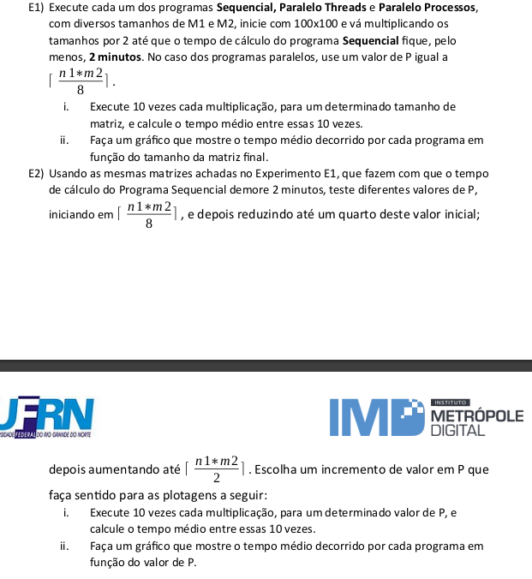
E1 Média(ms)
400x400 | 1092 | 718 | 675 | 324 | 310 | 287 | 269 | 253 | 272 | 259 | 275
 | 1044 | 718 | 735 | 317 | 322 | 270 | 309 | 319 | 311 | 288 | 281
 | 1021 | 656 | 686 | 389 | 318 | 269 | 273 | 713 | 301 | 314 | 302
 | 1009 | 608 | 1133 | 1034 | 456 | 301 | 257 | 725 | 695 | 301 | 313
 | 1010 | 715 | 1375 | 748 | 802 | 331 | 312 | 505 | 715 | 320 | 301
 | 1004 | 734 | 681 | 385 | 902 | 627 | 287 | 303 | 571 | 342 | 307
 | 1021 | 1591 | 712 | 342 | 413 | 742 | 408 | 294 | 304 | 721 | 621
 | 1024 | 790 | 1142 | 336 | 335 | 625 | 661 | 325 | 310 | 703 | 722
 | 1021 | 633 | 1290 | 459 | 355 | 353 | 740 | 318 | 303 | 588 | 651
 | 1030 | 788 | 621 | 495 | 336 | 336 | 404 | 335 | 317 | 307 | 300
Média ms | 1027.6 | 795.1 | 905 | 482.9 | 454.9 | 414.1 | 392 | 409 | 409.9 | 414.3 | 407.3

800x800
800x800 | 6972 | 5017 | 5840 | 3482 | 3514 | 2145 | 2273 | 3356 | 3106 | 3484 | 3336
 | 7039 | 6206 | 6135 | 3474 | 2771 | 3326 | 2720 | 2719 | 1993 | 3383 | 3355
 | 6976 | 6214 | 6284 | 3299 | 2677 | 3225 | 3129 | 2461 | 3022 | 2605 | 2281
 | 7105 | 6709 | 6802 | 2437 | 3384 | 3327 | 2782 | 3532 | 3207 | 3147 | 4388
 | 7285 | 5753 | 5796 | 2963 | 3333 | 2955 | 2128 | 4228 | 2916 | 4275 | 3389
E2 Média(ms)
 | 8198 | 6663 | 6471 | 3409 | 3299 | 3387 | 4499 | 2135 | 2153 | 4189 | 3015
 | 8314 | 6464 | 5869 | 3428 | 2562 | 3371 | 2788 | 4239 | 4335 | 3695 | 4306
 | 6970 | 5939 | 6081 | 3657 | 3902 | 2787 | 3978 | 3073 | 2712 | 3695 | 2307
 | 8079 | 6863 | 5526 | 2898 | 3655 | 4177 | 2183 | 2157 | 3499 | 3855 | 4091
 | 6935 | 6421 | 6125 | 3416 | 2880 | 2128 | 4604 | 4149 | 3344 | 3438 | 3135
Média ms | 7387.3 | 6224.9 | 6092.9 | 3246.3 | 3197.7 | 3082.8 | 3108.4 | 3204.9 | 3028.7 | 3576.6 | 3360.3

1600x1600 | 73694 | 43367 | 47640 | 27355 | 26840 | 23882 | 23931 | 27393 | 23115 | 23751 | 21393
 | 72706 | 46602 | 49579 | 29486 | 29720 | 25829 | 24515 | 27612 | 24658 | 25536 | 24591
 | 71670 | 48705 | 48560 | 29226 | 29173 | 26649 | 27277 | 27670 | 23856 | 26764 | 25024
 | 73030 | 50561 | 48178 | 29310 | 28707 | 27231 | 25772 | 25828 | 24682 | 26421 | 24626
1600x1600
 | 71655 | 49690 | 49061 | 29071 | 28760 | 25050 | 26439 | 25681 | 25272 | 26224 | 25512
 | 71815 | 48429 | 48855 | 29871 | 28121 | 25122 | 24183 | 25811 | 24462 | 28028 | 25249
 | 72067 | 49177 | 48538 | 29451 | 28753 | 24489 | 24108 | 26279 | 24213 | 28142 | 24679
 | 71314 | 48812 | 47124 | 29412 | 30176 | 25302 | 25601 | 24905 | 24564 | 25944 | 27121
 | 71781 | 50762 | 48051 | 30379 | 30282 | 25341 | 25801 | 25203 | 24495 | 26690 | 25504
 | 72016 | 48927 | 47508 | 29581 | 30830 | 27279 | 25917 | 26369 | 24688 | 28070 | 25187
Média ms | 72174.8 | 48503.2 | 48309.4 | 29314.2 | 29136.2 | 25617.4 | 25354.4 | 26275.1 | 24400.5 | 26557 | 24888.6

3200x3200

