README_Architecture
README Architecture
Synthetic Hackfest Test Data - v2 focused on Talent360i Auto Assessment Generation with SME approval and scheduling
item | details
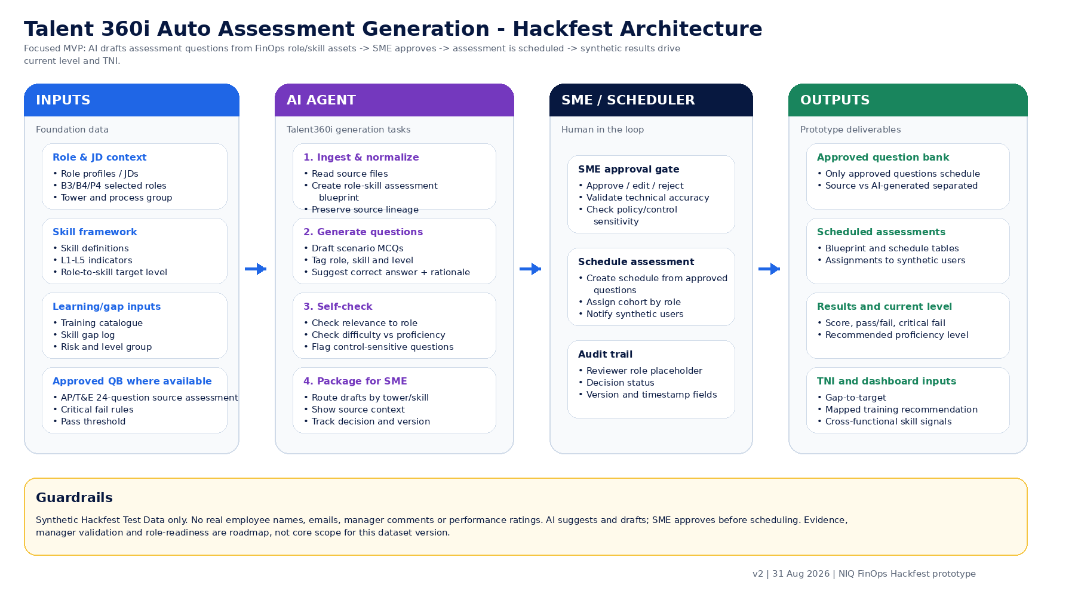
Dataset name | Talent360i Auto Assessment Generation Hackfest Dataset v2
Purpose | Privacy-safe relational dataset for demonstrating auto assessment generation, SME approval, scheduling, synthetic assessment results, current level and TNI recommendations.
Core workflow | Role/JD + skill definitions + role-skill map + approved questions -> AI agent drafts question bank -> SME approves/edits/rejects -> scheduler launches assessment -> synthetic results calculate current level and TNI.
MVP boundary | Focused on Talent360i assessment generation. Broader SkillPath evidence submission, manager validation, readiness and succession signals are acknowledged as roadmap only.
Source basis | Actual FinOps role profiles, JDs, skill dictionaries, role-to-skill matrices, approved AP/T&E assessment and skill gap/training materials were analyzed.
Privacy label | All people, assignment, results, current-level and movement records are Synthetic Hackfest Test Data.
Included towers | R2R, AP/P2P, O2C
Selected roles | Banking Preparer Job (Preparation + Cash Posting), GA Preparer Job (Preparation-only), Consolidation Preparer Job (Execution + Pack Prep), P2P Lead, P2P Senior Associate, T&E Lead, Billing Team Lead, Associate Revenue Controller, Senior Revenue Associate
Synthetic population | 36 synthetic users, 4 per selected role
Human-in-loop rule | No AI-generated question is eligible for scheduling unless SME review status is Approved.

Workbook structure
# | Sheet | Rows | Columns
1 | README_Architecture | 10 | 2
2 | Source_Analysis | 13 | 7
3 | Data_Dictionary | 260 | 5
4 | Relationship_Map | 13 | 6
5 | Role_Master | 9 | 12
6 | Role_Descriptions | 12 | 10
7 | Skill_Master | 28 | 12
8 | Proficiency_Levels | 6 | 5
9 | Role_Skill_Map | 90 | 15
10 | Training_Catalogue | 31 | 10
11 | Training_Skill_Map | 43 | 10
12 | Assessment_Blueprints | 9 | 14
13 | Assessment_QBank | 115 | 27
14 | SME_Review_Workflow | 115 | 13
15 | Assessment_Schedules | 9 | 14
16 | Users_Teams | 36 | 14
17 | Assessment_Assignments | 36 | 10
18 | Assessment_Results | 36 | 14
19 | User_Skill_Assessments | 360 | 14
20 | Skill_Gaps_TNI | 360 | 15
21 | Skill_Movement_History | 260 | 11
22 | Test_Personas | 5 | 9
23 | MVP_Acceptance | 10 | 5
24 | Privacy_RAI | 8 | 3
25 | Roadmap_Boundary | 5 | 4
26 | Validation_Checks | 8 | 4

