Talent 360i Reference
Talent 360i – Hackfest Reference Visuals
Source visuals supplied with the RD input request; included for context and onward sharing

Reference 1 | Operations problem statement, expected MVP outcomes and success criteria
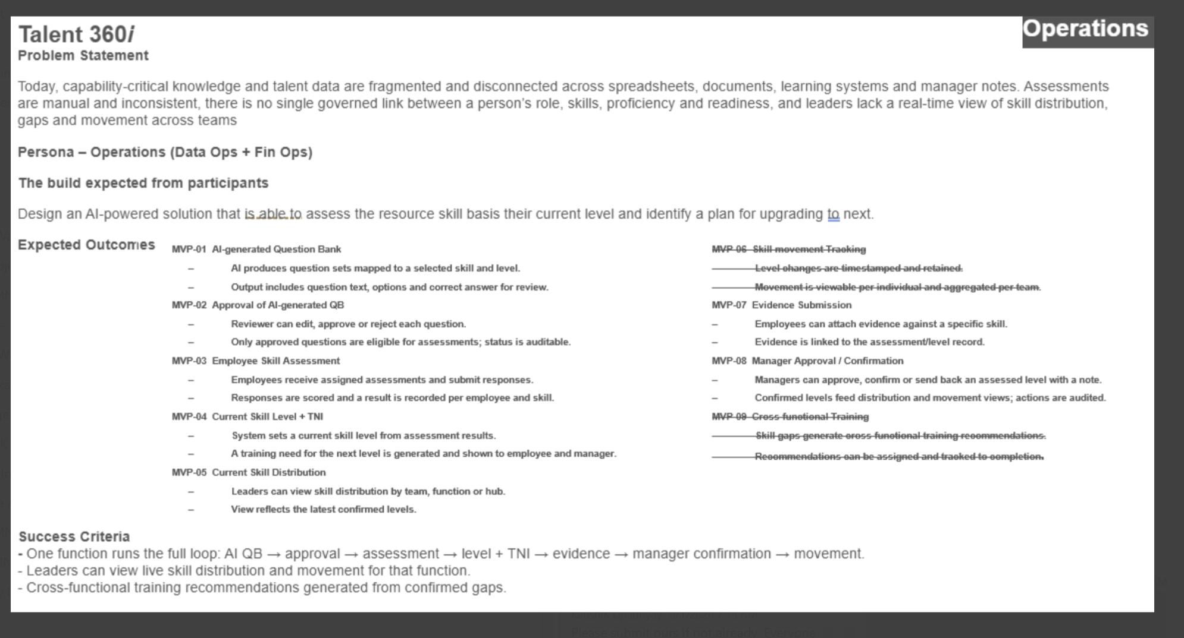

Reference 2 | SkillPath AI / Talent 360i sample architecture and dataset structure
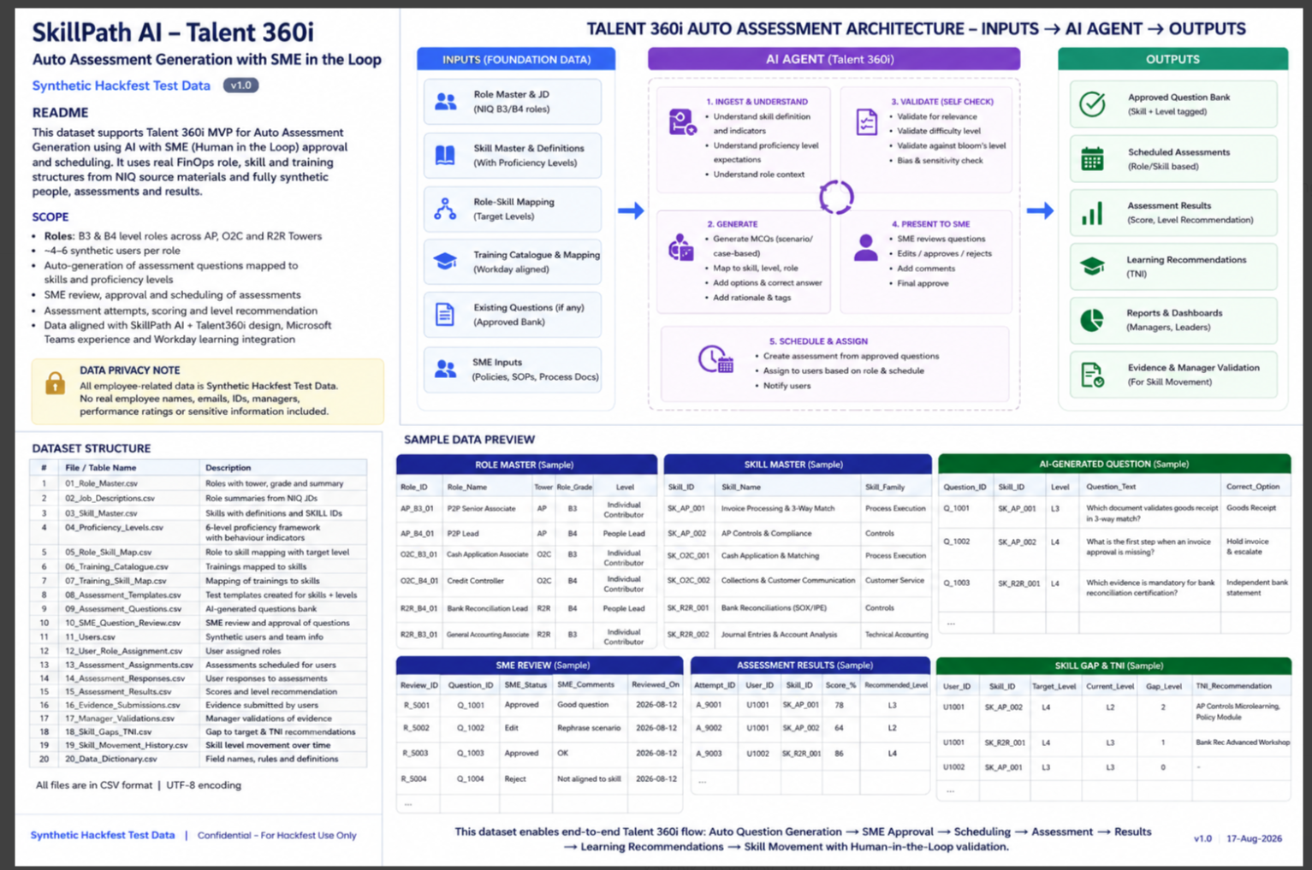

Working interpretation for OAC RD: the workbook provides the role/skill foundation, target proficiency, curated learning mapping, governed live question-bank interface and human-validation controls required to seed the Talent 360i prototype.

