thermal conductivity
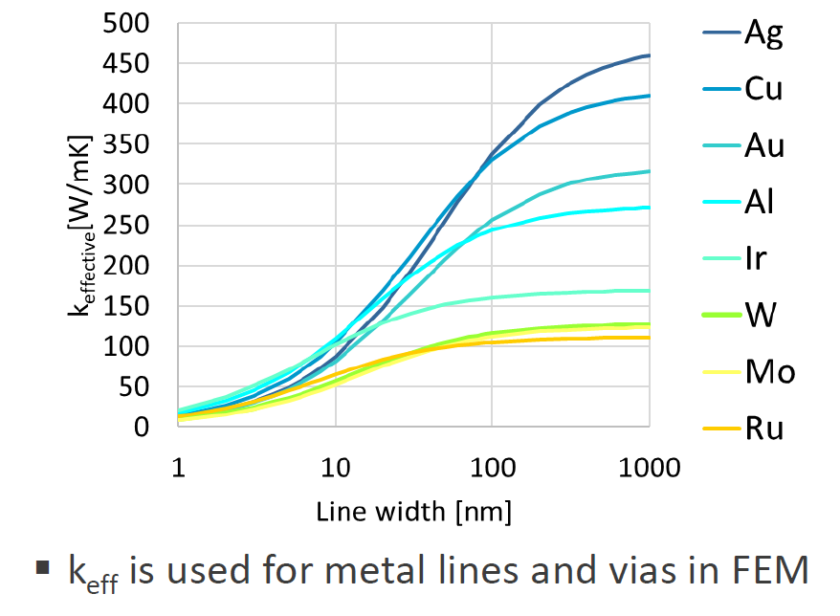
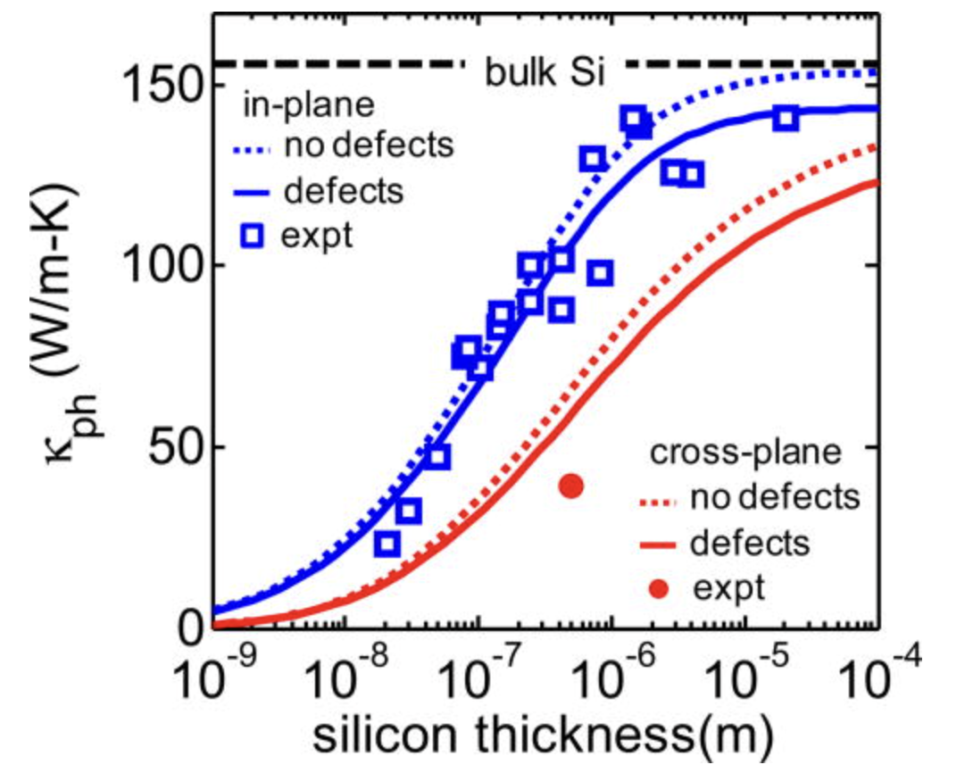
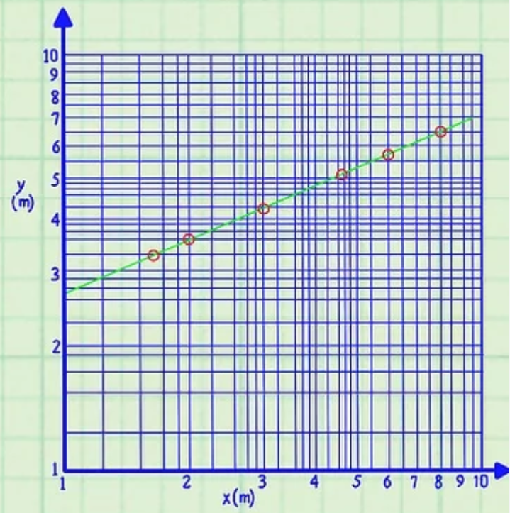
FEOL parts | poly-Si | HfO2 | Si | SiO2 | W_gate_contact | W_source_contact
thermal conductivity (W/mK) | 30 | 1.5 | 25 | 1.2 | 80 | 95
CD (nm) | / | / | 76nm | / | 20 | 30
source | Thermal conductivity of heavily doped LPCVD polysilicon | EB-PVD process and thermal properties of hafnia-based thermal barrier coating | Thermal conductivity of bulk and thin-film silicon: A Landauer approach | Thermal conductivity of amorphous SiO2 thin film: A molecular dynamics study | imec | imec | imec: | https://www.imec-int.com/en/articles/mitigating-thermal-bottleneck-advanced-interconnects

ubump parts | Cu | epoxy | Solder (lead-free) | SiO2
thermal conductivity (W/mK) | 400 | 1 | 50 | 1.2

TSV die parts | Cu | Si | SiO2
thermal conductivity (W/mK) | 400 | 140 | 1.2

block level model
original chip size = 10mm x 10mm | FEM model footprint=100um x 100um | HS size = 10x10 um @ corner
uniform total power = 20 W | hotspot position=1,5,10 (couting from top) | top die=750 um

 | DRAM FEOL | logic control FEOL | local hotspot
power consumption (W/cm2) | 1 | 8 | 100

Liang, Gangtao, and Issam Mudawar. "Review of nanoscale boiling enhancement techniques and proposed systematic testing strategy to ensure cooling reliability and repeatability." Applied Thermal Engineering 184 (2021): 115982.
 | chip top | bottom
HTC (W/(m2·K)) | 5k | 10

uniform heat flux | environment T = 0℃ | total power=20W

 | DRAM FEOL | logic control FEOL |  |  | chip top | bottom
power consumption (W/cm2) | 1 | 8 |  | HTC (W/(m2·K)) | 3k | 10

die thickness | h=20 um | die h=70um | die h=120um | die h=170um | die h=220um
max T rise (@logic BEOL) (℃) | 42.56 | 43.02 | 43.478 | 43.936 | 44.395

hotspot | environment T = 0℃ | total power =20W + 1W

 | DRAM FEOL (as BG power) | logic control FEOL | hotspot (no BG power) |  |  | chip top | bottom
power consumption (W/cm2) | 1 | 8 | 101 (so it's 100+1) |  | HTC (W/(m2·K)) | 3k | 10

Max T rise under hotspot (@logic BEOL) | h=20 um | die h=70um | die h=120um | die h=170um | die h=220um
HS FEOL layer 1 | 44.609 | 45.069 | 45.527 | 45.985 | 46.443
HS FEOL layer 5 | 44.646 | 45.118 | 45.588 | 46.058 | 46.529
HS FEOL layer 10 | 44.693 | 45.18 | 45.665 | 46.15 | 46.635

