BugReport1
Bug name | Email adress field
Description | Form allows user to use "_" symbol in domain part for example "sfsgfafaf@g_mail.com" but it's a prohibited symbol for this part of email.
Steps to reproduce | 1.Open Google Chrome
 | 2.Go to URL = https://sandbox.2checkout.com/sandbox/signup
 | 3.Try to input int email field the following data : "test@g_mail.com" and check the reaction of our form

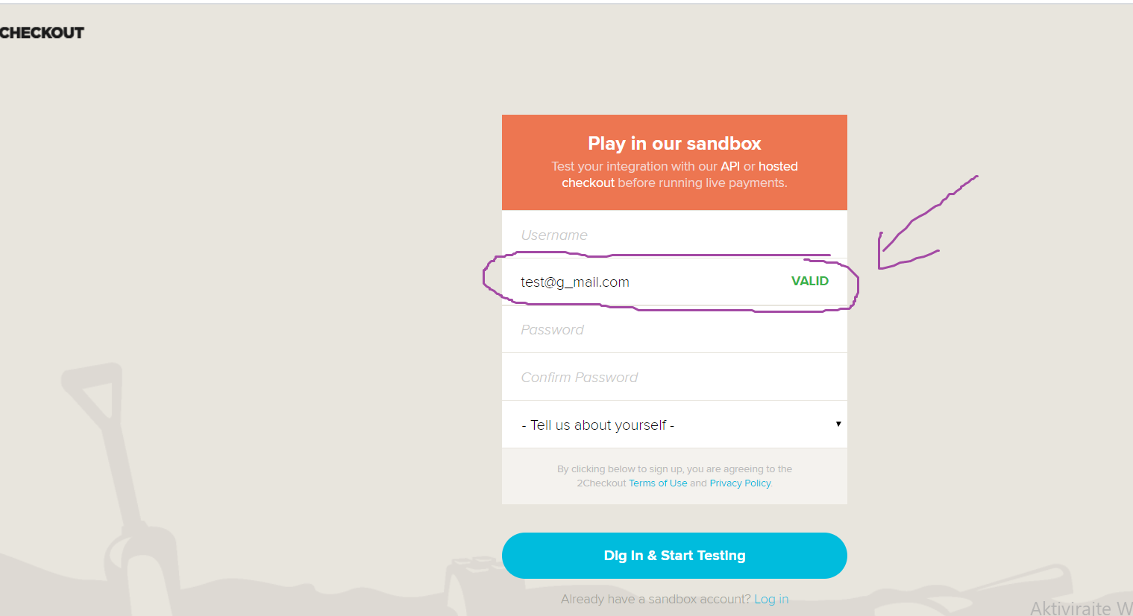
Expected result | User can not use such symbols like "_" in domain part of email
Actual result | Form allows user to use "_" symbol in domain part
ScreenShoot

