Model_Report
Model Output

According to Model, 905 employees have more likelihood to leave the company in near future

Model Performance
 |  | Test/Validation performance |  |  | Model Predicted
 |  | Correctly Predicted who "Left" |  |  | 91%
 |  | Correctly Predicted who "Not Left" |  |  | 99%
 |  | Recall/Sensitivity |  |  | 0.91
 |  | Specificitivity |  |  | 0.99

Model Selection
S.No | Models | Train_Accuracy | Test_Accuracy | ROC/AUC | Bias | Variance | Remarks
1 | Logistic Regression | 83% | 84% | 0.91 | High | Low | Bias
2 | Random Forest | 100% | 96% | 0.97 | Low | High | Variance
3 | KNN | 100% | 94% | 0.97 | Low | High | Variance
4 | XGBoost | 96.7% | 97.7% | 0.99 | Low | Low | Low Bias,Low Variance
5 | Naïve Bayes | 51% | 54% | 0.6 | High | Low | Bias

Information Value of Input Features & Evaluation Metrics
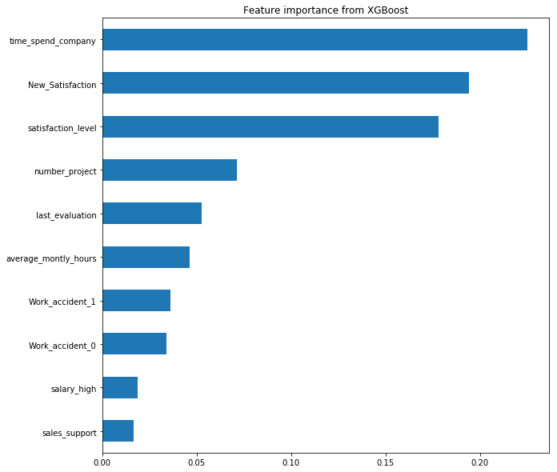
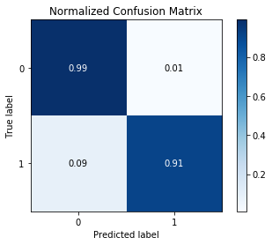

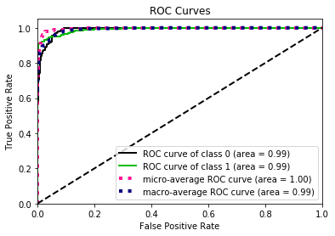

For further enhancement of model
1 | Increase the number of samples
2 | Increase the number of features
3 | Distribution of Train Data and Test Data have some difference(It should fallls under same distribution)

