Welcome
 |  | VersionEvaluator - Neteera

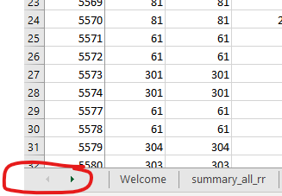
All
all categories |  |  | hr - heart rate [bpm]
 |  |  | hr_no_rel | all points dynamic mode
regular categories - withou tilda(~) |  |  | hr_rel | only reliable points dynamic mode
The union of all the categories should be all sessions evaluated |  |  | hr_spot | spot mode resutls
 |  |  | rr - repiration rate [bpm]
 |  |  | rr_no_rel | all points dynamic mode
special categories - with tilda(~) |  |  | rr_rel | only reliable points dynamic mode
~Back | union of all categories with the word "Back" in their name |  | rr_spot | spot mode resutls

~Chest | union of all categories with the word "Chest" in their name |  | ie - inhale exhale ratio
 |  |  | ie | all points dynamic mode
~Standing | union of all categories with the word "Standing" in their name
 |  |  | stat -status {running, empty, low rr} |  | right click on the arrows to easily stroll beteween sheets
~Above bed | union of all categories with the word "Above bed" in their name |  | stat_tans_N | disregard the first N points after a status transition of a state(change of the state)

~Rest | union of all categories with the word "Rest" in their name
 |  |  | bbi - beat to beat interval, also include hrv (heart rate variability)
~Motion | union of all categories with the word "Motion" in their name
 |  |  | bbi | spot mode resutls

~Under X bpm | all sessions, discluding standing with median reference under X bpm

~Above X bpm | all sessions, discluding standing with median reference above X bpm

