WaterbodyPolygons
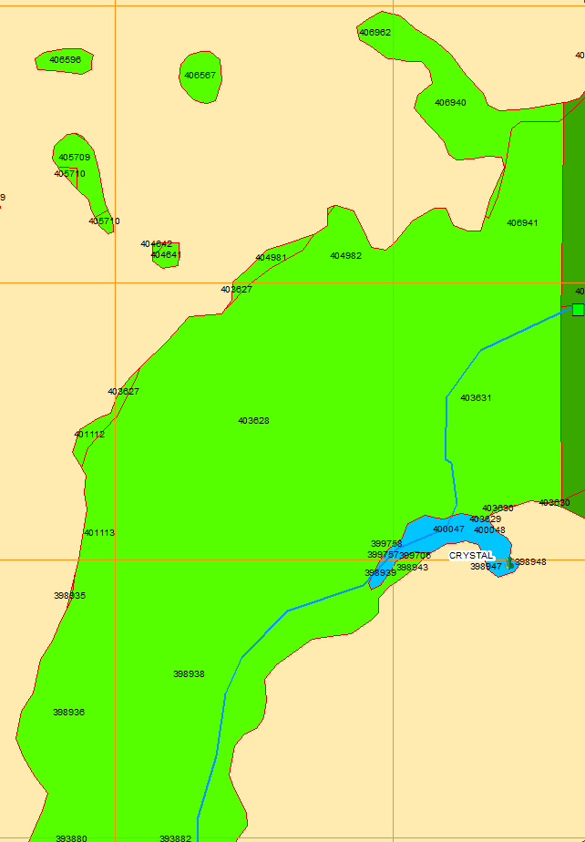
WaterbodyPolygonIDs near Crystal Springs |  |  |  | *Since GW flow to flood plain wetlands is likely consumed for ET,
 | For Diffuse Flow |  |  | use GW flow to only the channel portion of each polygon.
 | PolygonID | PartialArea | PolyWithChannel | *Polygons having one waterbody fragment represent only a non-channel (floodplain)
 | 406962 | N | N | which will not contribute GW flow to the downstream flow gauge.
 | 406940 | N | N
 | 406941 | N | N |  | For Spring Flow from "vent"
 | 403631 | N | Y |  | *SpringID = 2 (for Crystal Springs) in table Spring
 | 398947 | N | N |  | *SpringFragmentID = 5 (aligned with SpringID = 2) in table SpringFragment
 | 400047 | N | Y |  | *RivercellID = 85281
 | 399757 | N | Y
 | 398941 | N | N |  | Include Reach 83 flow to estimate Hillsb R below Crystal Springs. Reach 83 discharges to top of Reach 232, between the two HR gauges.
 | 398939 | N | Y |  | HillsbR below CS = HillsbR abv CS + Reach 83 + Crystal Springs + Diffuse flow from 6 RivercellIDs (81664, 81667, 81668, 81705, 81706, 81707)
 | 398943 | N | N
 | 398938 | Y | Y
 | 403628 | N | N
 | 404982 | N | N
 | 401113 | N | N
 | 398936 | Y | N

 | *Use PolygonID as filter in table WaterbodyFragmentToWaterbodyPolygonMap
 | *Link tables WaterbodyFragmentToWaterbodyPolygonMap, WaterbodyFragment, and Rivercell to
 | determine RivercellIDs for each PolygonID.
 | *Confirm CellIDs exist in table FullHistoryCell for all RivercellIDs for which flow TS is required.
 |  | If a CellID is missing, add to table FullHistoryCell with Description.
 |  | Rerun INTB2 model to populate RivercellHistory output csv file with history TS for additional RivercellIDs.

 |  |  | Table […]map, INTB2 database
 |  |  | WaterbodyFragmentID | PolygonID
 |  |  | 39152 | 398938
 |  |  | 81197 | 398938
 |  |  | 39151 | 398939
 |  |  | 81196 | 398939
 |  |  | 38567 | 399757
 |  |  | 38569 | 400047
 |  |  | 81160 | 400047
 |  |  | 38573 | 403631
 |  |  | 81162 | 403631
 |  |  | Table Rivercell, INTB2 database
 |  |  | RivercellID | WaterbodyFragmentID | SpringFragmentID | LayerNumber | Conductance | Dynamic | StaticStage |  | CellID
 |  |  | 81664 | 81160 | NULL | 1 | 776.57593225 | 1 | NULL |  | 100132
 |  |  | 81667 | 81162 | NULL | 1 | 1764.3391616 | 1 | NULL |  | 100132
 |  |  | 81668 | 81162 | NULL | 3 | 968.08584059 | 1 | NULL |  | 100132
 |  |  | 81705 | 81196 | NULL | 1 | 87.780784302 | 1 | NULL |  | 101131
 |  |  | 81706 | 81197 | NULL | 1 | 2168.6127737 | 1 | NULL |  | 101131
 |  |  | 81707 | 81197 | NULL | 3 | 1189.9091545 | 1 | NULL |  | 101131
 |  |  | 85281 | NULL | 5 | 3 | 505818 | 0 | 52 | Crystal Springs rivercell | 100132

GaugeMaps
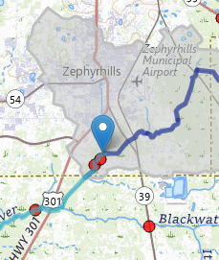
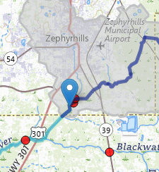
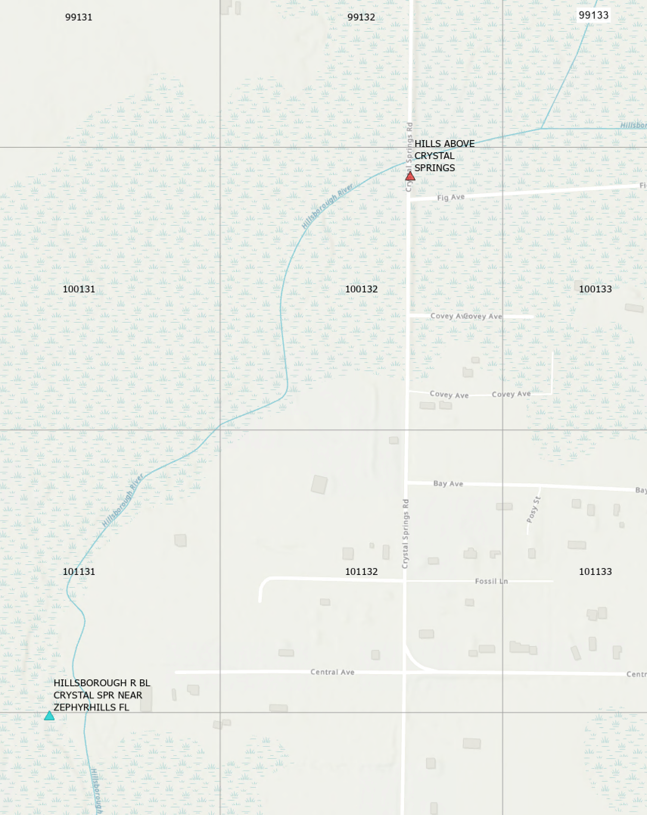
Above Crystal Springs | Below Crystal Springs

DBtableExamples
