summary
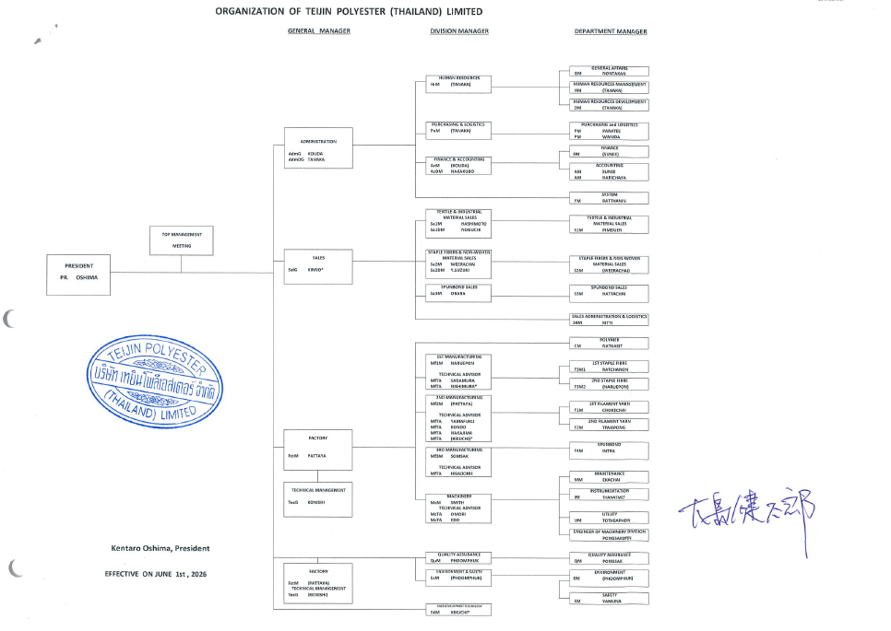
summary

 | วิธีการทดลอง
 | 1.ชั่งน้ำหนักตัวอย่าง (Sample) ตามน้ำหนักมาตรฐาน (Standard Weight) ที่กำหนดสำหรับแต่ละแบรนด์ (ในการทดสอบนี้ใช้น้ำหนัก 58 กรัม สำหรับทุกตัวอย่าง)
 | 2.เปิดน้ำและปรับ Flow Rate ให้อยู่ที่ 30 ± 1
 | 3.ตั้งเวลาทดสอบเป็น 3 เวลา ได้แก่ 7, 8 และ 9 นาที
 | 4.กดปุ่ม Start ที่เครื่อง Flat Screen เพื่อเริ่มการทดสอบ
 | 5.เมื่อเวลาทดสอบถึง 5 นาที ให้คนตัวอย่าง 5 ครั้ง
 | 6.เมื่อครบเวลาที่ตั้งไว้ เครื่องจะส่งสัญญาณเสียง ให้กดปุ่มหยุด (Stop) และปิดน้ำ
 | 7.เก็บเส้นใยที่เหลือใน Plate เพื่อนำมาตรวจสอบ
 | 8.คัดแยกประเภทของเส้นใยที่มีความผิดปกติ เช่น Bundle, Twist, Tangle และ Long Filament
 | 9.บันทึกผลการทดสอบทั้งหมดลงใน Record Sheet
 | 10.ทำซ้ำจนครบ15ครั้งสำหรับแต่ละเวลา(7,8และ9นาที) รวมเป็นทั้งหมด45ครั้งต่อแบรนด์

 | Condition
 | การลดระยะเวลาการทดสอบการตรวจหาเส้นใยผิดปกติด้วยเครื่อง Flat Screen โดยกำหนดเวลาทดสอบเป็น 7, 8 และ 9 นาที แทนเวลามาตรฐาน
 | และเพิ่มการกวนเส้นใยที่ นาทีที่ 5 จำนวน 5 รอบ เพื่อช่วยให้เส้นใยกระจายตัวและเพิ่มประสิทธิภาพในการตรวจหาเส้นใยผิดปกติ

10Min Charts
All Brands: 10-Min Flat Screen Totals
Flat Screen Test Summary by Brand
Standard test time: 10 minutes (Remark = 10Min)

Brand | Bundle (pcs) | Twist (pcs) | Tangle (pcs) | Defect (pcs) | Long filament | Remain (g)
SD3.0_5N(C) | 0 | 0 | 0 | 0 | 0 | 0
SD0.5_5N(E) | 0 | 0 | 10 | 10 | 1 | 0
SD1.1_5NU(E) | 0 | 0 | 0 | 0 | 1 | 0
SD1.1_5NU(E)T | 0 | 0 | 22 | 22 | 0 | 0
SDJC1.5_5N(E) | 0 | 0 | 13 | 13 | 0 | 0
SDJC2.0_5N(E) | 0 | 0 | 17 | 17 | 0 | 0
SD1.1_5NUK(C) | 0 | 0 | 2 | 2 | 0 | 0

Metric | Value
Bundle (pcs) | 0
Twist (pcs) | 0
Tangle (pcs) | 0
Defect (pcs) | 0
Long filament | 0
SD3.0_5N(C) - 10 min
SD0.5_5N(E) - 10 min
Remain (g) | 0

Metric | Value
Bundle (pcs) | 0
Twist (pcs) | 0
Tangle (pcs) | 10
Defect (pcs) | 10
Long filament | 1
Remain (g) | 0

Metric | Value
Bundle (pcs) | 0
Twist (pcs) | 0
Tangle (pcs) | 0
Defect (pcs) | 0
Long filament | 1
SD1.1_5NU(E) - 10 min
SD1.1_5NU(E)T - 10 min
Remain (g) | 0

Metric | Value
Bundle (pcs) | 0
Twist (pcs) | 0
Tangle (pcs) | 22
Defect (pcs) | 22
Long filament | 0
Remain (g) | 0

Metric | Value
Bundle (pcs) | 0
Twist (pcs) | 0
Tangle (pcs) | 13
Defect (pcs) | 13
Long filament | 0
SDJC1.5_5N(E) - 10 min
SDJC2.0_5N(E) - 10 min
Remain (g) | 0

Metric | Value
Bundle (pcs) | 0
Twist (pcs) | 0
Tangle (pcs) | 17
Defect (pcs) | 17
Long filament | 0
Remain (g) | 0

Metric | Value
Bundle (pcs) | 0
Twist (pcs) | 0
Tangle (pcs) | 2
Defect (pcs) | 2
Long filament | 0
SD1.1_5NUK(C) - 10 min
Remain (g) | 0

