BUG REPORT
Bug Report

Bug ID | Test Case ID | Priority | Severity | Title | Steps to reproduce | Expected result | Actual result | Comments
1 | UC4-2 | High | Blocking | EDIT button is not working | 1. Login with TD username. 2. Click on the top-left icon StorySpoil. 3.Click on the EDIT button. | The user should be able to edit profile Information : ( First Name, Middle Name, Last name, About section and option to upload Picture) | EDIT button is not working, the user no access to Edit Profile Info Page and is not able to edit profile information
2 | UC5-2 | High | Critical | SHARE button is not appear | 1.Login with TD User. 2.Click on the Create Spoiler link on the navbar. 3.Add Story Title. 4.Describe your story spoiler. 5.Add a picture for the spoiler. 6.Click on the CREATE button. | The User TD should be able to navigate to the Create Spoiler page, where will create a new Spoiler with a Title, Description, and a Picture (URL). After the Spoiler creation process, user should be redirected to the Home page, where the newly created Spoiler should be present. The new added Spoiler is present with it's attributes and buttons for SHARE, EDIT, and DELETE. | The user is not able to share creating Spoiler as SHARE button is not appear.
On Site In Mock Up
3 |  | Low | Low | Image on the left of the Summarize the Story | 1.Open the application URL. | Image should be the same like in the Mock Up form | Different image from this in the Mock Up form
4 |  | Low | Low | Image under the Summarize the Story | 1.Open the application URL. | Image should be the same like in the Mock Up form | 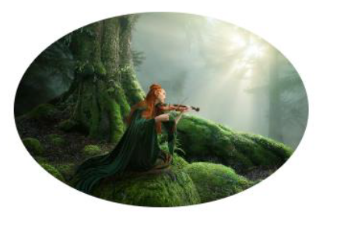 Uploading spoiler story picture message without picture
On Site In Mock Up
5 |  | Low | Low | Image on the left of the Upload a Picture | 1.Open the application URL. | Image should be the same like in the Mock Up form | Different image from this in the Mock Up form | 
On Site
In Mock Up
6 |  | Low | Low | Image on the left of the Ready to Spoil a Story? | 1.Open the application URL. | Image should be the same like in the Mock Up form | Different image from this in the Mock Up form

