Sheet3
 | Họ tên: Nguyễn Xuân Toàn |  |  | && | Vũ Đình Khánh
 | MSSV: 15211TT0039 |  |  |  | 15211TT0065
 | Lớp: CD15TT1 |  |  |  | CD15TT1
Test case for the Timeline Screen
 | id | area | title | Procedure/Step | Expected Results | Priority | Author | Remark
 | 1 | The Timline Screen | Test action of ToggleButton Like | 1.Go to the Timeline screen 2.Press Button Like | The number of turns increased decreases | NORMAL
 | 2 | The Timline Screen | Test display of toggleButton Like | 1.Go to the Timeline screen 2.Press Button Like | ToggleButton Like Changes color | NORMAL
 | 3 | The Timline Screen | Test action of button Comment | 1.Go to the Timeline screen 2.Press Button Comment | Move to screen function Comment | NORMAL
 | 4 | The Timline Screen | Test display of Button Comment | Go to the Timeline screen | Display the correct number of comments | NORMAL
 | 5 | The Timline Screen | Test UI | Go to the Timeline screen | Like the images on design | NORMAL
 | 6 | The Timline Screen | Test show avatar | Go to the Timeline screen | Like the images on design | NORMAL
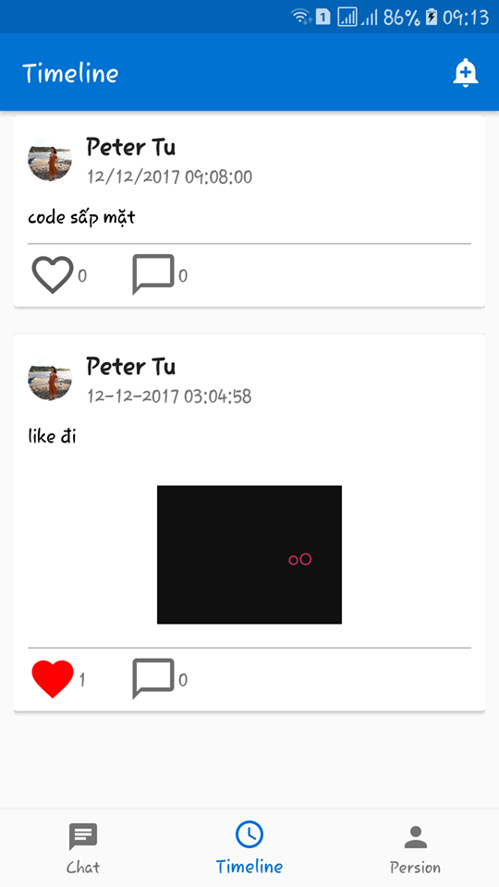
 | 7 | The Timline Screen | Test position of the avatar | Go to the Timeline screen | Like the images on design | LOW
 | 8 | The Timline Screen | Test displays of the avatar | Go to the Timeline screen | the avatar is rounded? | NORMAL
 | 9 | The Timline Screen | Test show avatar | Go to the Timeline screen | the images of avatar is displayed correctly | LOW
 | 10 | The Timline Screen | Test position of the tim post status | Go to the Timeline screen | Like the images on design | LOW
 | 11 | The Timline Screen | Test time post status | Go to the Timeline screen | The time is displayed correctly | NORMAL
 | 12 | The Timline Screen | Test fontSize of status | Go to the Timeline screen | Like the images on design
 | 13 | The Timline Screen | Test content of the object's name | Go to the Timeline screen | Name of object is displayed correctly | LOW
 | 14 | The Timline Screen | Test UI | Go to the Timeline screen | The images in the status section is filled with its area | LOW
 | 15 | The Timline Screen | Test show image of status | Go to the Timeline screen | Like the images on design | LOW
 | 16 | The Timline Screen | Test content of the image | Go to the Timeline screen | exact content | NORMAL
 | 17 | The Timline Screen | Test position of image | Go to the Timeline screen | like the images on design | LOW
 | 18 | The Timline Screen | Test content name of object | Go to the Timeline screen | exact content | LOW
 | 19 | The Timline Screen | Test fontSize of name object | Go to the Timeline screen | Like the images on design | LOW
 | 20 | The Timline Screen | Test position of name object | Go to the Timeline screen | Like the images on design | LOW
 | 21 | The Timline Screen | Test the position Button chat | Go to the Timeline screen | Like the images on design | NORMAL
 | 22 | The Timline Screen | Test action of Button Chat | Go to the Timeline screen | Move to screen function Chat | NORMAL
 | 23 | The Timline Screen | Test position Button Timeline | Go to the Timeline screen | Like the images on design | LOW
 | 24 | The Timline Screen | Test action of Button Timeline | Go to the Timeline screen | Reload the Timline Screen | NORMAL
 | 25 | The Timline Screen | Test position of Button Person | Go to the Timeline screen | Like the images on design | LOW
 | 26 | The Timline Screen | Test action of Button Person | Go to the Timeline screen | Move to the Person Screen | NORMAL
 | 27 | The Timline Screen | Test content of the Timeline | Go to the Timeline screen | The TimeLine show full and exact contents | NORMAL
 | 28 | The Timline Screen | Check the distance between the cards in the screen | Go to the Timeline screen | Like the images on design | LOW

