Sheet1
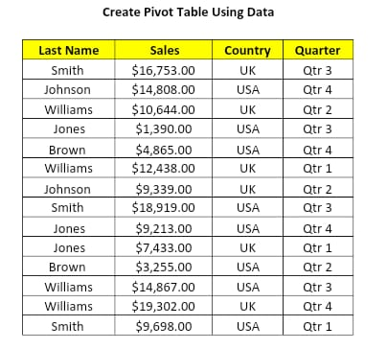
LAST NAME | SALES | COUNTRY | QUARTER
Smith | $16,753.00 | UK | Qtr 3
Johnson | $14,808.00 | USA | Qtr 4
Williams | $10,644.00 | UK | Qtr 2
Jones | $1390.00 | USA | Qtr 3
Brown | $4,865.00 | USA | Qtr 4
Williams | $12,438.00 | UK | Qtr 1
Johnson | $9,339.00 | UK | Qtr 2
Smith | $18,919.00 | USA | Qtr 3
Jones | $9,213.00 | USA | Qtr4
Jones | $7,433.00 | UK | Qtr 1
Brown | $3,255.00 | USA | Qtr 2
Williams | $14,867.00 | USA | Qtr 3
Williams | $19,302.00 | UK | Qtr 4
Smith | $9,698.00 | USA | Qtr 1

