Solution
Email | First Name | Last Name | Domain | All rights reserved!
Barrack.Ohara@gmail.com | Barrack | Ohara | gmail | https://Excel-Practice-Online.com
Jeffrey.Gerator@yahoo.com | Jeffrey | Gerator | yahoo
King.Shrimp@hotmail.com | King | Shrimp | hotmail
Des.Pacito@msn.com | Des | Pacito | msn
Alik.Tricity@lycos.com | Alik | Tricity | lycos

First, let's turn the range into a table by selecting the column and using the CTRL+T shortcut!

Now, let's load it to Power Query:

This is how it looks:

Now, let's create new columns based on example:

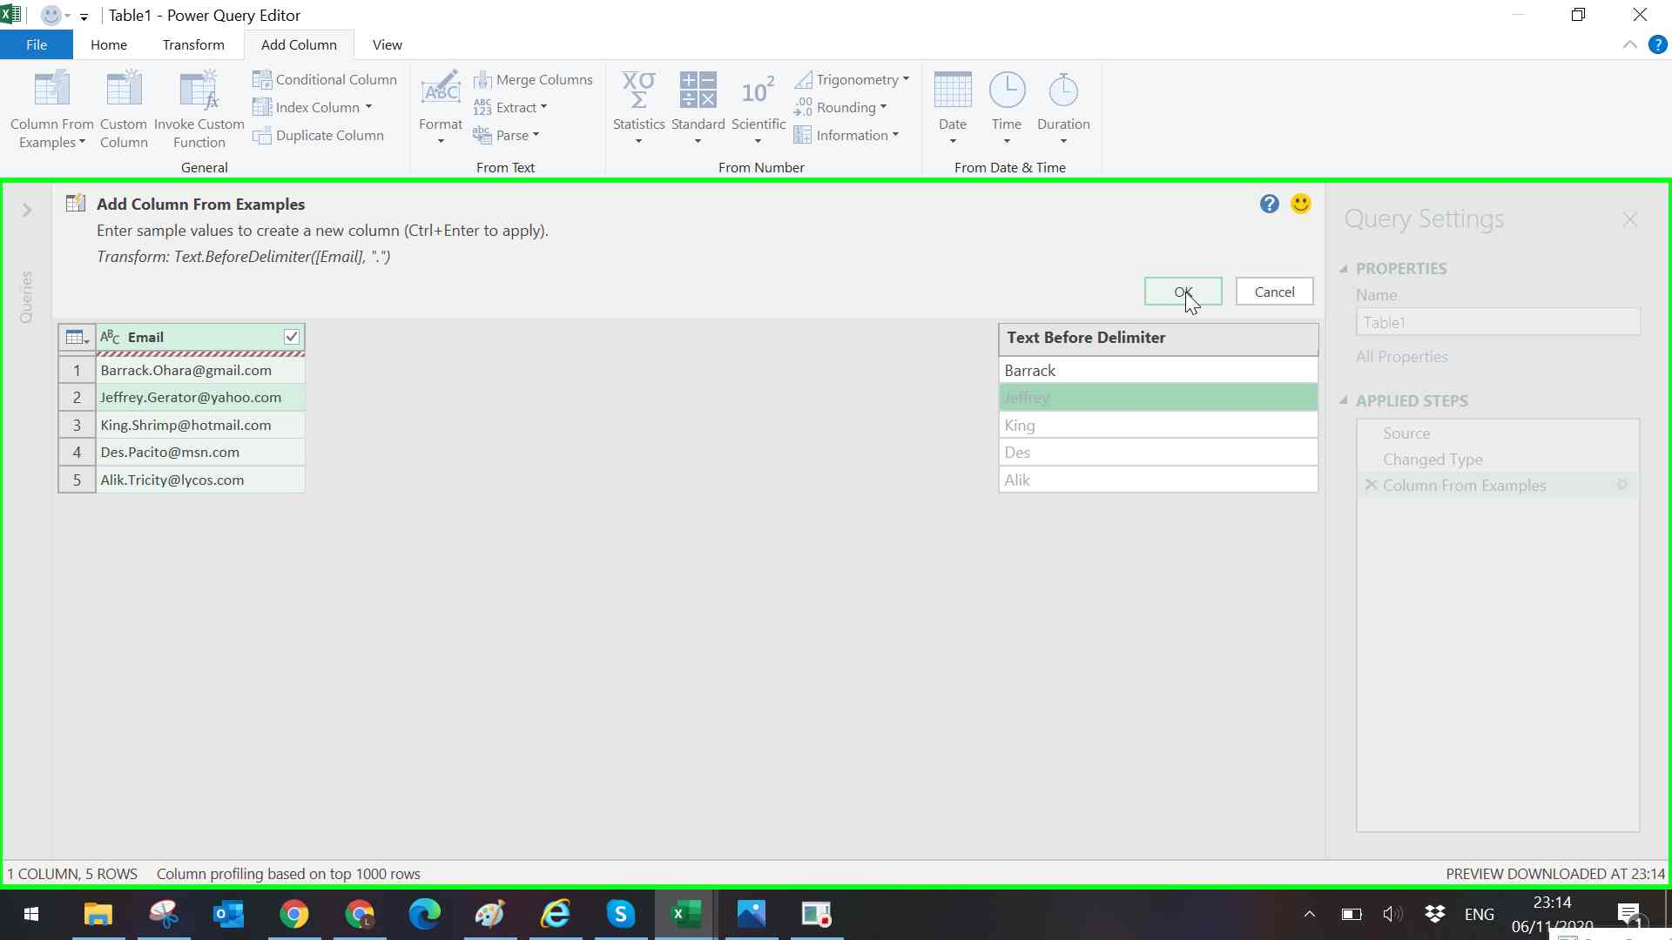

Now, let's do the same for the Last Name:

And for the domain:

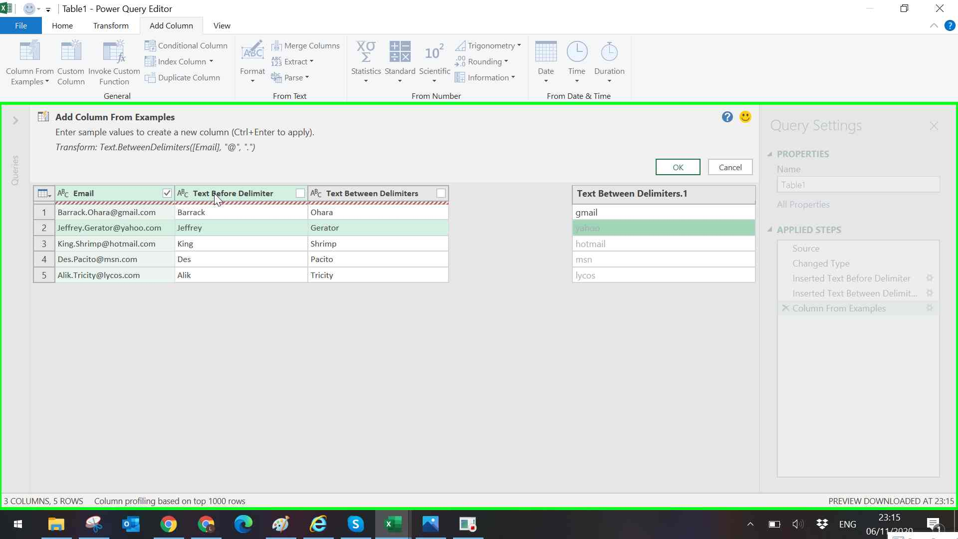

And we're done!

