Solution
 | All rights reserved to:
 | www.Excel-Practice-Online.com

To unpivot the data, let's load it into Power Query (remember - we transform the range into a table during this process):
Start with selecting any cell in the range, then click Get Data - From Other Sources - From Table/Range:

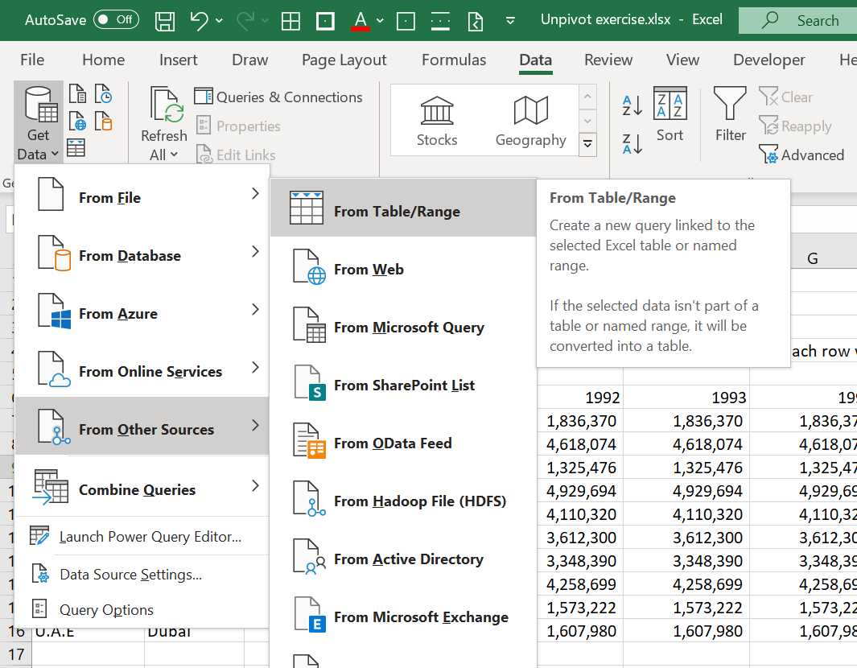

Click OK:

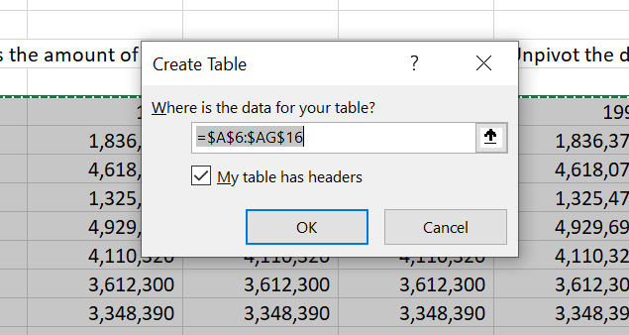

Make sure you select both Country & City columns:

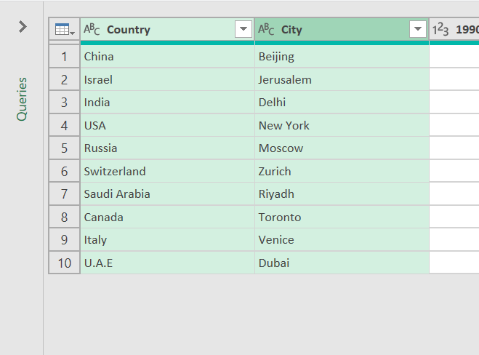

Now, go to the Transform tab, and click Unpivot - Unpivot Other Columns:

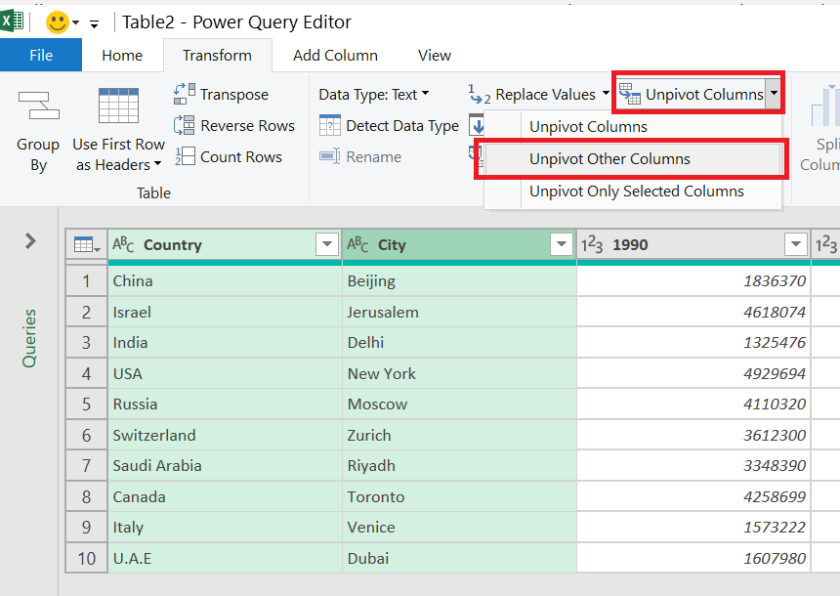

And there you have it:

Feel free to rename the columns by double clicking Attribute & Value:
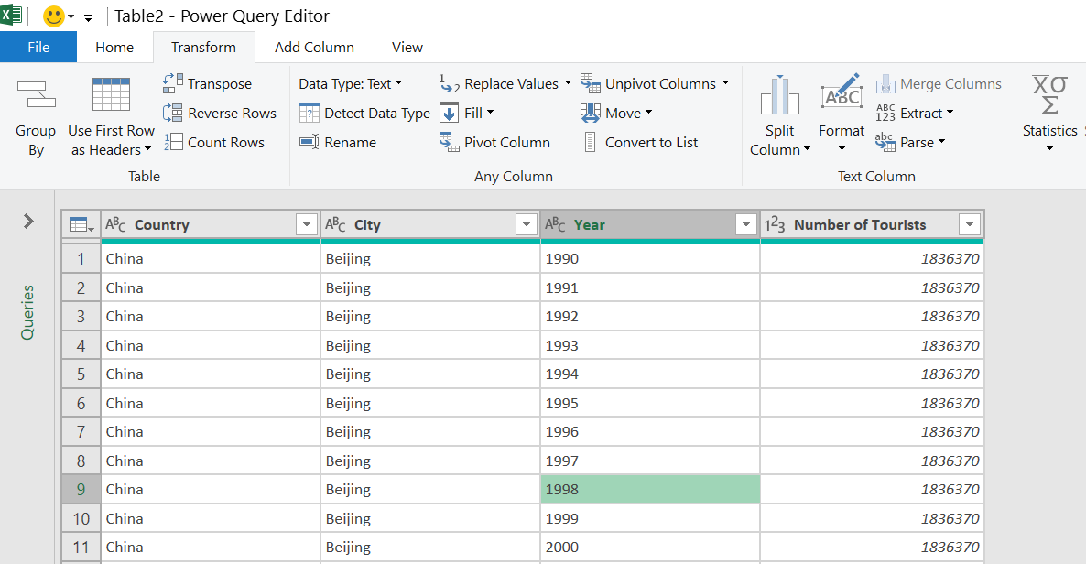

That's it - Click Close & Load - Close & Load:

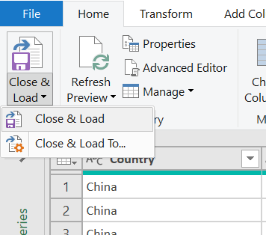

Click here to see the newly created table!

