GANTT Chart
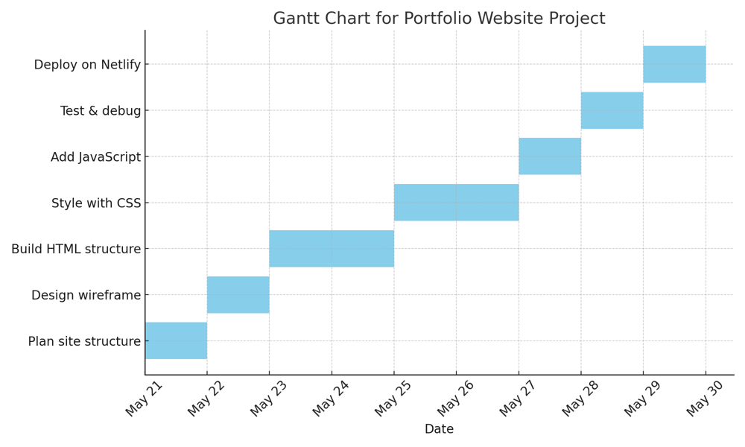
Task | Start Date | Duration (days)
Plan site structure | 2025-05-21 | 1
Design wireframe | 2025-05-22 | 1
Build HTML structure | 2025-05-23 | 2
Style with CSS | 2025-05-25 | 2
Add JavaScript | 2025-05-27 | 1
Test & debug | 2025-05-28 | 1
Deploy on Netlify | 2025-05-29 | 1

