Game
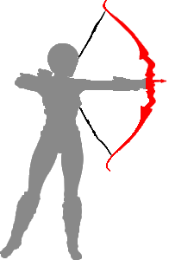








Acceleration
X
10
X
0

Information
Participants | Attempts
Jacob | 4
John | 3
Adam | 5
Eve | 2
 | Total
Jacob | 4
John | 3
Adam | 5
Eve | 2
(blank) | 0

 |  | Row Labels | Sum of Played
 |  | Jacob | 4
 |  | John | 3
 |  | Adam | 5
 |  | Even | 2

 |  | Total | 14

