GPS
 | means not part of c file that’s automatically generated

 |  |  |  | That’s how they did their conversion:

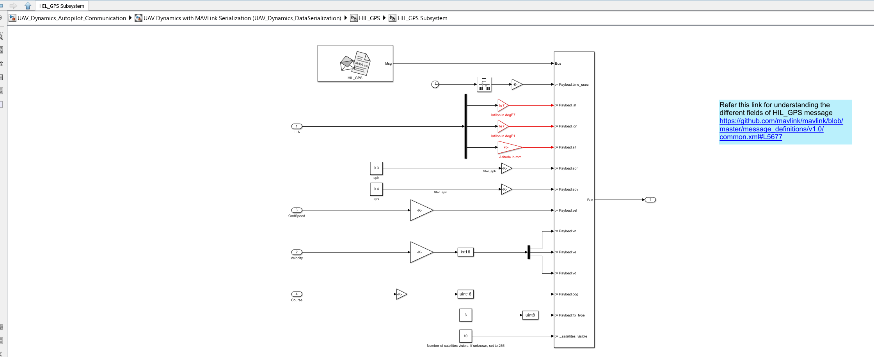
gps | EXTERNAL OUTPUT from the gps block | data Type | Conversion that you can see in python model
 | t | usec | * 1e6
 | lat |  | * 1e7
 | lon |  | * 1e7
 | alt | m | needs to be in mm: * 1000
 | eph |  | *100
 | epv |  | *100
 | gnd speed | ms | needs to be cms: * 100
 | velocity (vn,ve,vd) |  | int16 and *100
 | cog |  | uint16 and *100
 | fix type |  | uint8
 | visible satelite
 | yaw

SENSOR
 | means not part of c file that’s automatically generated
 |  |  |  | That’s how they did their conversion:

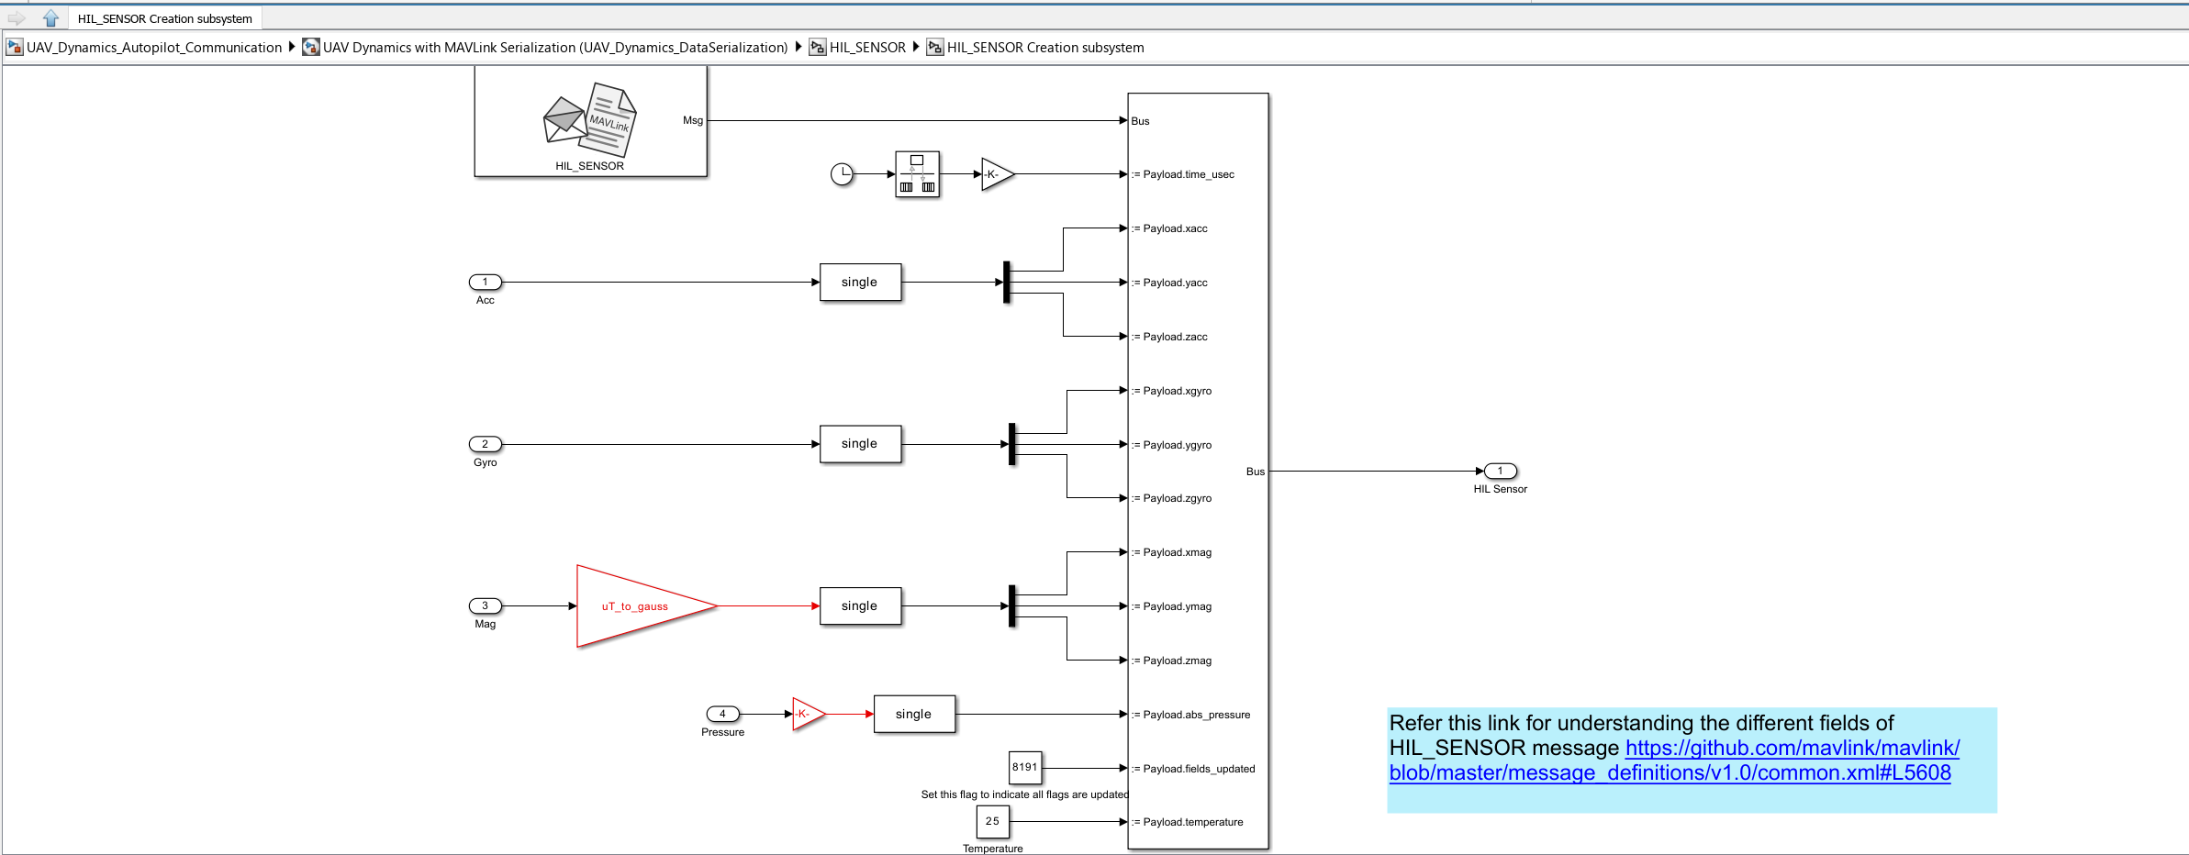
sensor | EXTERNAL OUTPUT from the sensor block | data Type | Conversion that you can see in python model
 | t | usec | * 1e6
 | acc [0,1,2]
 | gyro [0,1,2]
 | mag [0,1,2] | uT | gauss (* 0.01)
 | pressure (abs pressure) | pa | hpa (* 0.01)
 | differential pressure
 | pressur alt
 | tempreture
 | field update
 | id

