BR2
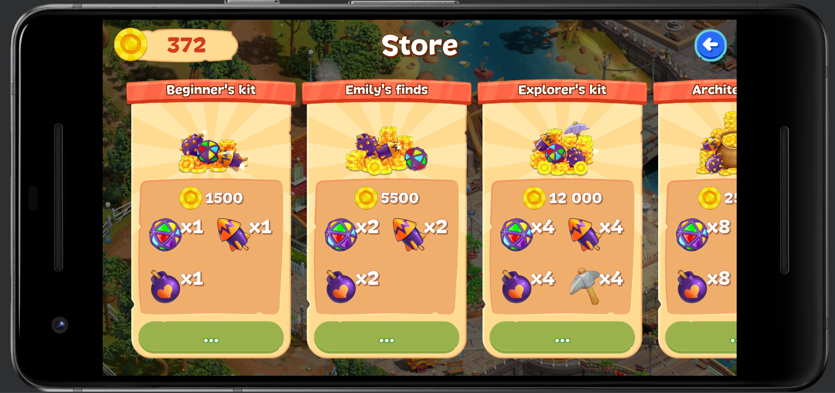
BugReport №2
Title: the latest game event in The "Coins" module when presenting
Priority: medium
STEPS:
1. Log in to the app
2.Go to the "coins" tab
3. In the STORE, select a "more offers"

Expected Result:
1. the application has loaded
2. the "coins" tab has been activated
3."more offers" activated
Actual Result:
1.best
2.best
3. "more offers" has been activated, but the last game event is visible less than 100%

BR3
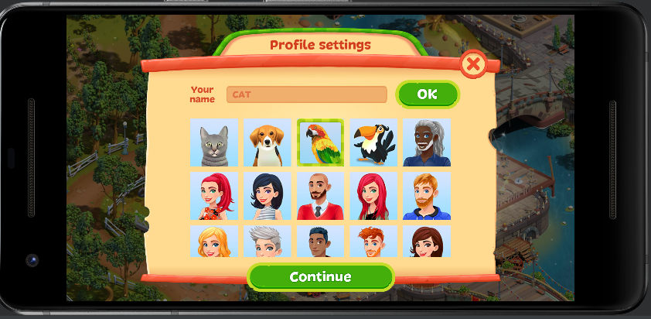
BugReport №3
Title: changing the name in the settings module
Priority: medium
STEPS:
1. go to settings in the app
2.go change name
3. choose any picture except the cat

Expected Result:
1. the setting window opens
2. the profile settings window opens
3.name change
Actual Result:
1.best
2.best
3. there is no name change- fail

