Bug Report
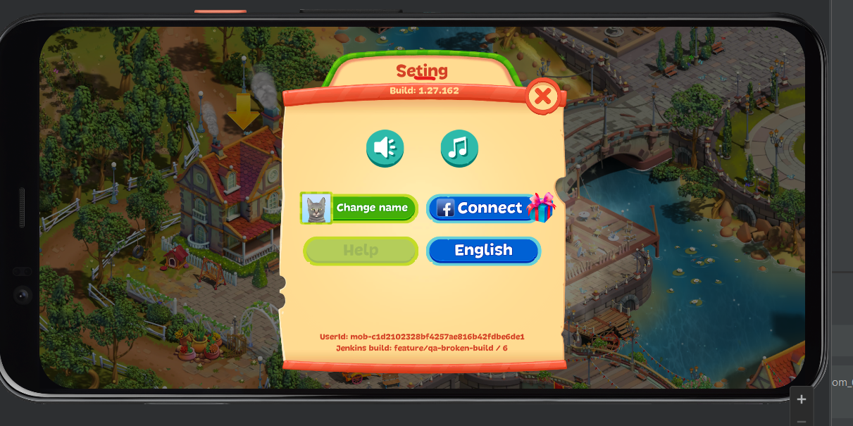
QBT-1
[UI Bug] The name on window of "Setting" have spelling error
Precondition: gemvalley Build 1.27.162
Steps to reproduce:
1. Click on "Setting gear"

2. Check window name

Actual result: The window name is "Seting"

Expected result: The window name is "Setting"

Environment:
emulator-5554
Pixel 4
API 32 Anroid 12L GooglePlay

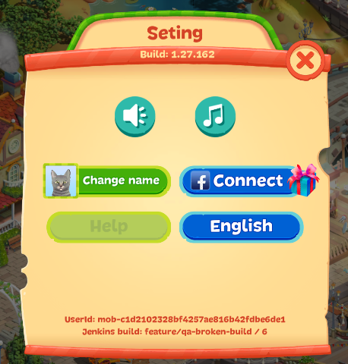
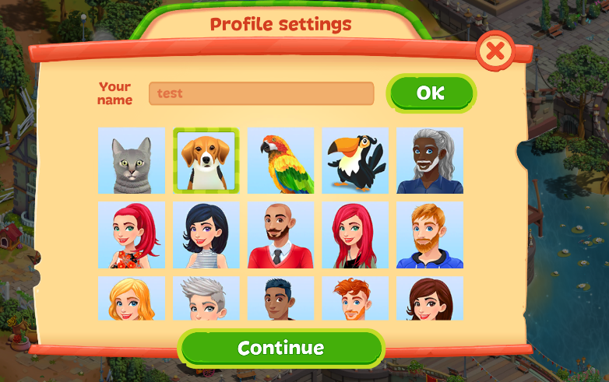
QBT-2
[Icon of Profile] The icon of the profile does not change
Precondition: gemvalley Build 1.27.162
Steps to reproduce:
1. Click on "Setting gear"

2. Select icon profile

3. Click on button "OK"

4. Click on button "Setting gear"

5. Check the icon of the profile

Actual result: The icon of the profile doesn't changed

Expected result: The icon of the profile has changed

Environment:
emulator-5554
Pixel 4
API 32 Anroid 12L GooglePlay

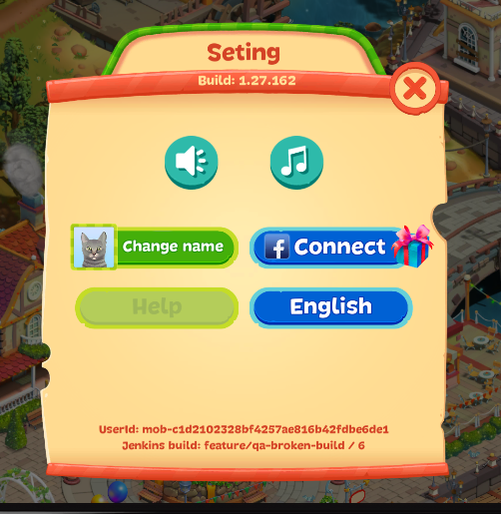
QBT-3
[ Location- Bug]The message of the completed level not translated correctly
Precondition: gemvalley Build 1.27.162
Steps to reproduce:
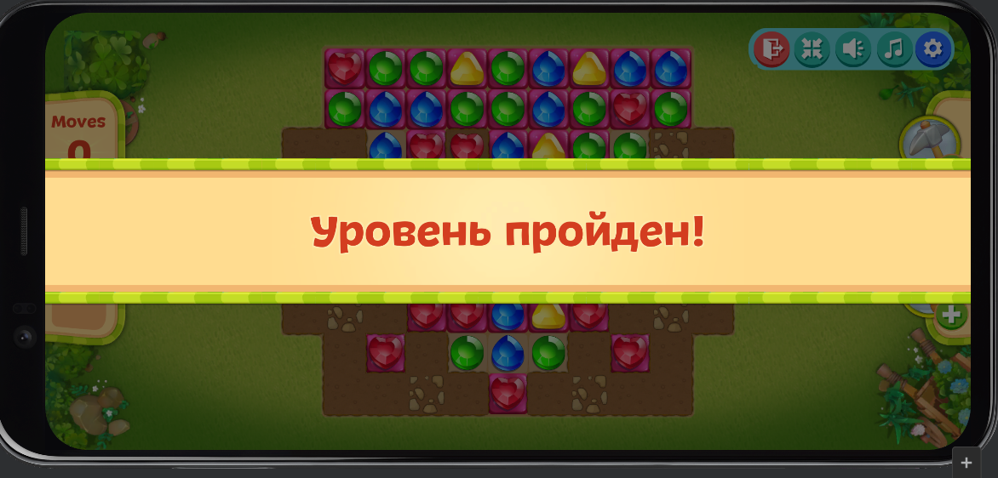
1. Click on "Setting gear"

2. Select language "English"

3. Back to button "Play"

4. Click on button "Play"

5. Сomplete the level goal

Actual result: Appered the message "Уровень пройден"

Expected result: Appered the message "Level complete"

Environment:
emulator-5554
Pixel 4
API 32 Anroid 12L GooglePlay

Decompiling
