issue
issue no | Description | Steps | Actual | Expected | Attachment | URL
1 | Mail and contact us icon is there but text is missing | 1) Launch the URL -https://www.virtualemployee.com/ir/outsource-development/ 2) Verify the contact us and mail Box with figma. | Not reflecting mail and call us as per figma | Mail and call us should be reflected as per figma | 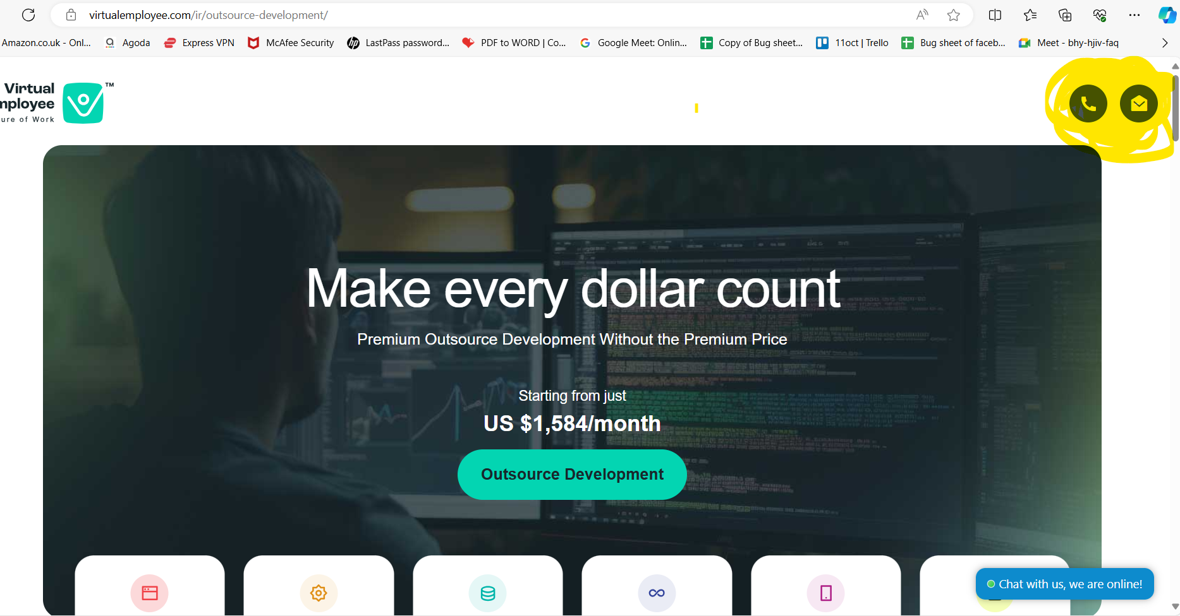 | https://www.virtualemployee.com/ir/outsource-development/
2 | Arrow button content moving too fast | 1) Launch the URL -https://www.virtualemployee.com/ir/outsource-development/ 2) Verify by clicking arrow button ==> | Arrow button data moving too fast as compare to other pages due to this for smaller screen highlighted content is geeting hide. | Data moment should be same across all the pages | 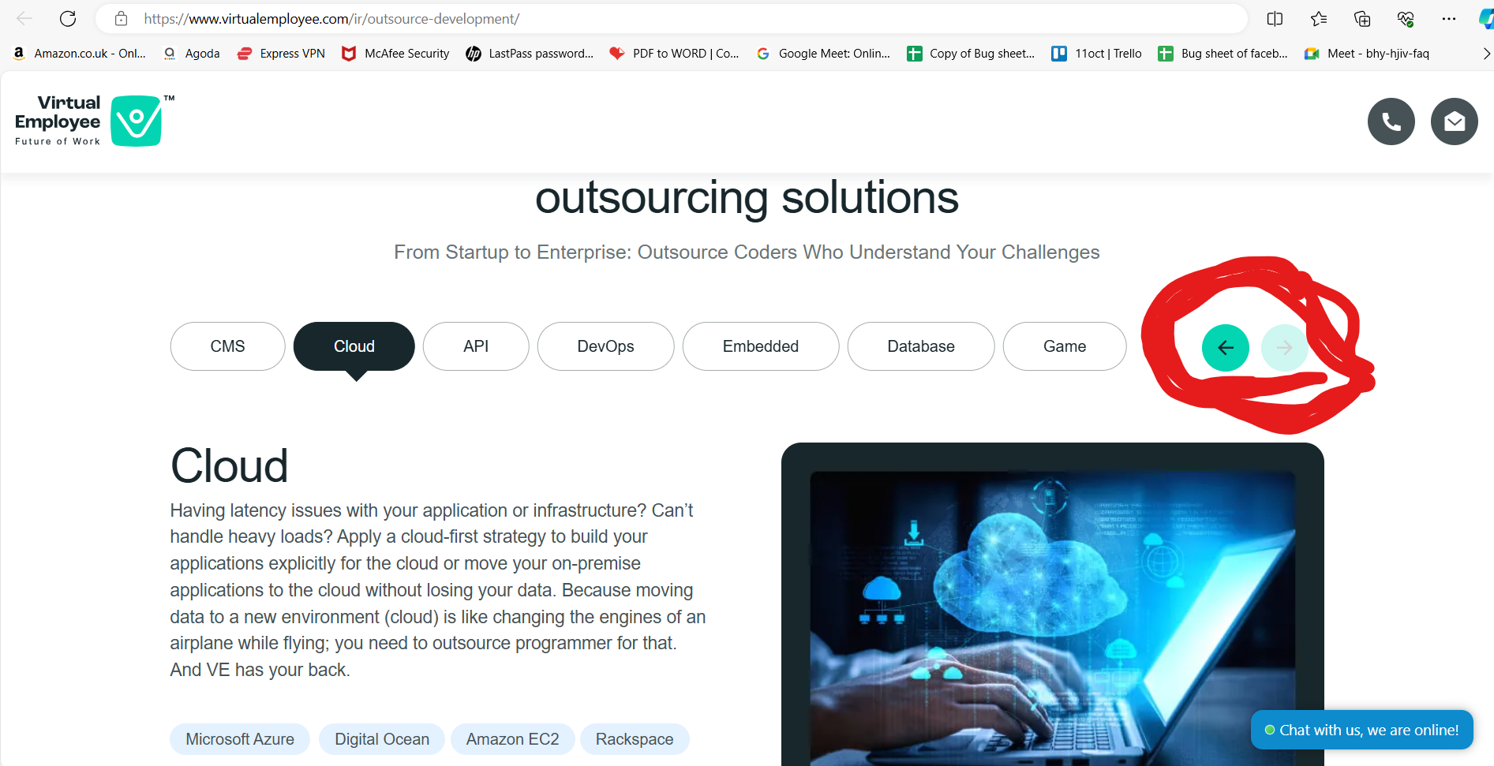 | https://www.virtualemployee.com/ir/outsource-development/ Reference URL for correct behaviour https://www.virtualemployee.com/ir/outsource-development/

3 | Getting form expire message | 1) Launch the URL -https://www.virtualemployee.com/ir/outsource-development/ 2) Verify by clicking arrow button ==> | Getting form expire message | Form should be properly loaded | 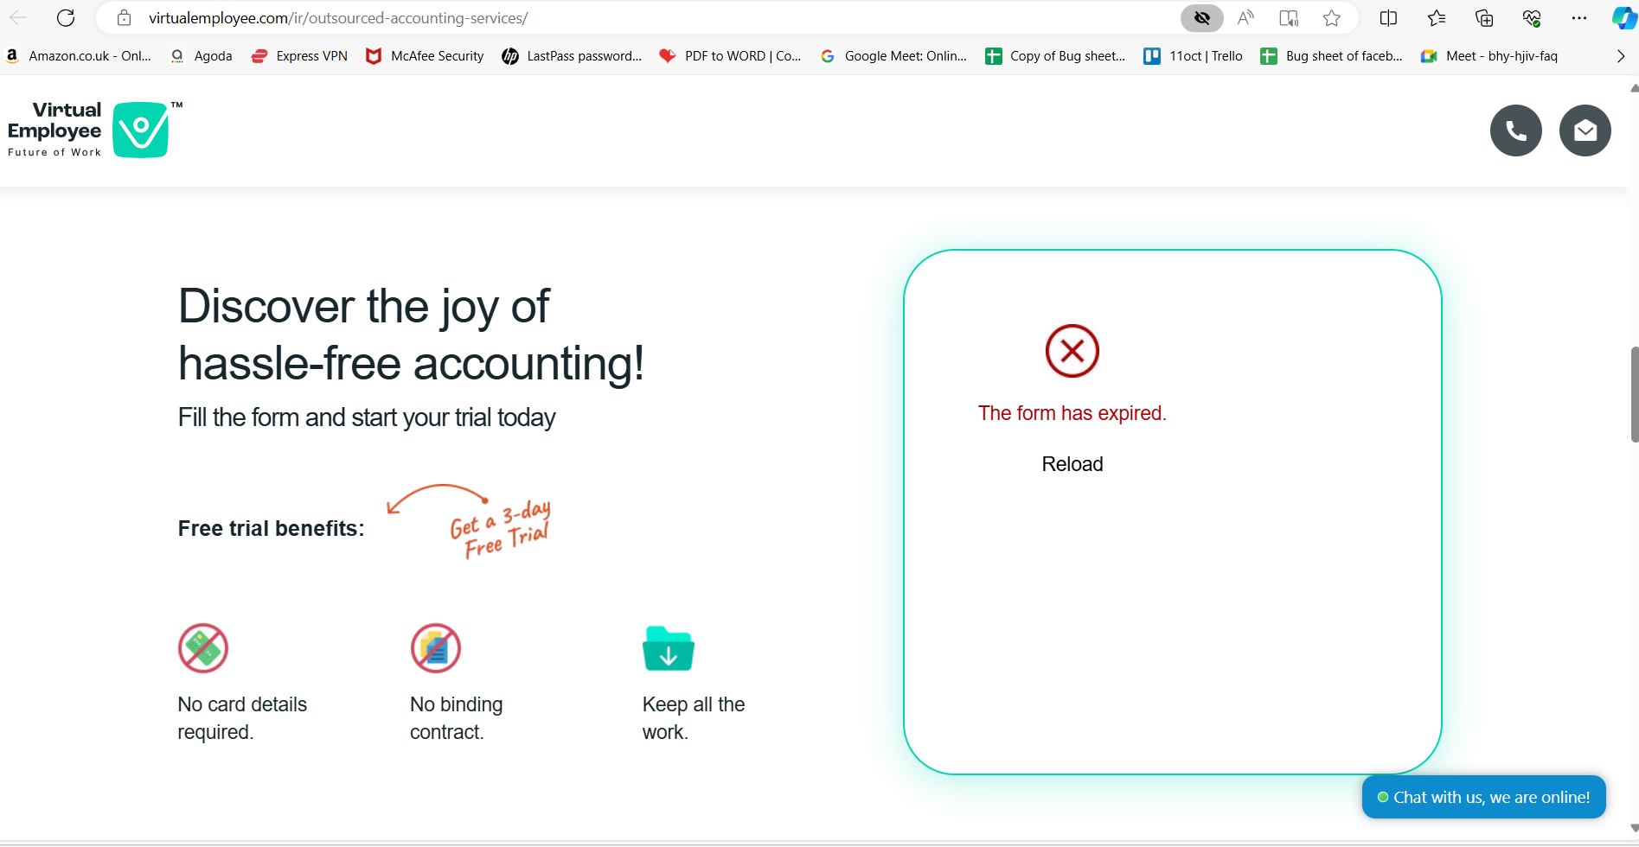

Query
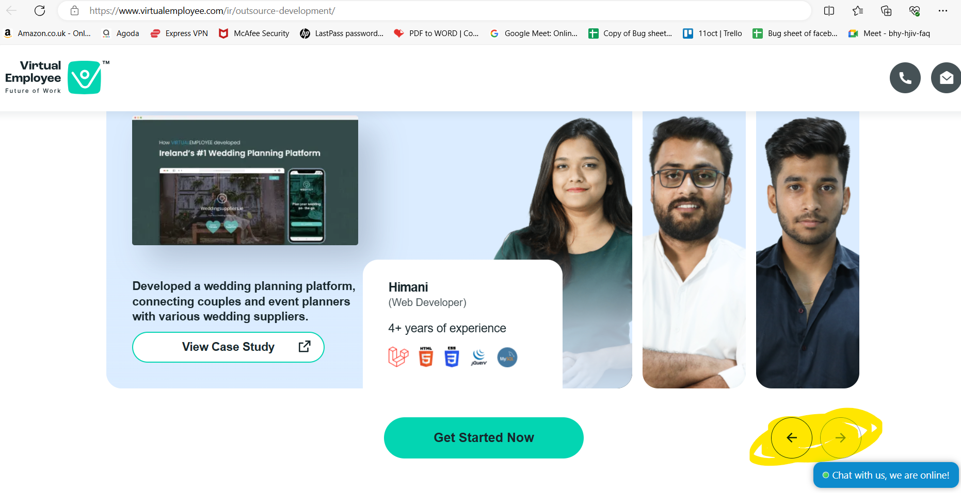
Query no 1
Outsource Development (virtualemployee.com) | need to get figma link for this page

Query no 2
need to ask below page behavior with the developer about the forword arrow behavior

