sample
Test case ID | Test case category | Discription /Summary Test scenario What do you test? | Environment | Steps | test data | Expected result | Actual result

TC-01 | Positive test case | admin login to campus application | https://campus.techno.study/ | 1. Open website / go to login page | https://campus.techno.study/ | User should be on the login page successfully
 |  |  |  | 2.Enter valid username | valid username | user should able to enter / type username on the input box
 |  |  |  | 3. Enter valid password | valid password | user should able to enter / type password on the input box
 |  |  |  | 4. Click login button |  | user should be able to click the button
 |  |  |  | 5. Admin should be on the homepage | https://campus.techno.study/ | Admin login successfully/ load on the homepage

TC-02 | Positive test case | admin login to campus application | https://campus.techno.study/ | 1. Open website / go to login page | https://campus.techno.study/ | User should be on the login page successfully
 |  |  |  | 2.Enter valid username | valid username | admin/user should able to enter / type username on the input box
 |  |  |  | 3. Enter valid password | valid password | admin/user should able to enter / type password on the input box
 |  |  |  | 4. Click login button |  | user should be able to click the button
 |  |  |  | 5. Admin should be on the homepage | https://campus.techno.study/ | admin login successfully/ load on the homepage

TC-03 | Positive test case | Kullanıcı (Öğrenci), Müfredat Butonunu Tıklayabilmelidir Functionality'si | https://campus.techno.study/ | Önkoşullar (PreCondition) - ***1The student must be registered the site before. ***2The student must be authorized on the site. | https://campus.techno.study/
 |  |  |  | 1. Open website / go to login page | https://campus.techno.study/ | User should be on the login page successfully | +
 |  |  |  | 2. Enter valid username | valid username | User should be able enter/type on the input box | +
 |  |  |  | 3. Enter valid password | valid password | User should be able enter/type on the input box | +
 |  |  |  | 4. Click login button |  | User should be able to click the button and then successfully access to homepage | +
 |  |  |  | 5. Student should be able to click on the Syllabus link | https://campus.techno.study/user-courses | User should be able to click the link | +
 |  |  |  | 6. The student click to link then should be see course content |  | User should be see the course content (like as the picture1 and picture2) | +

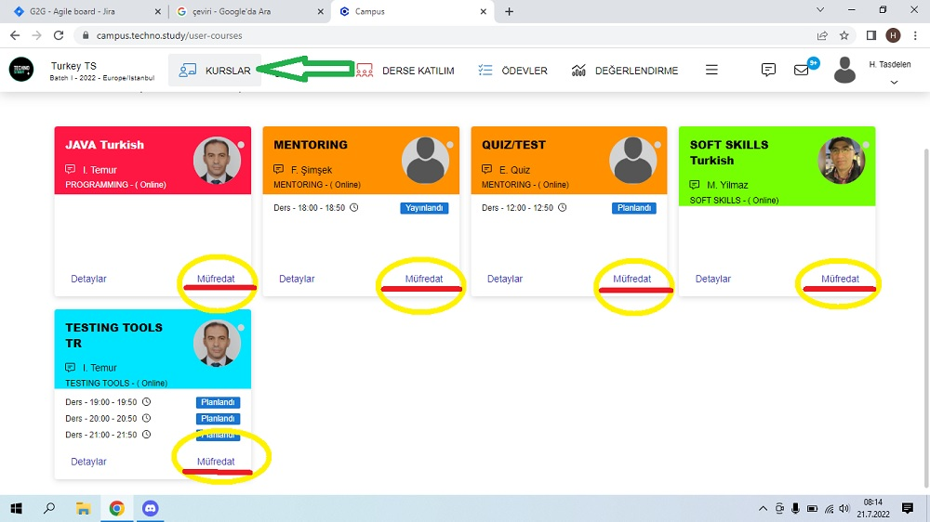
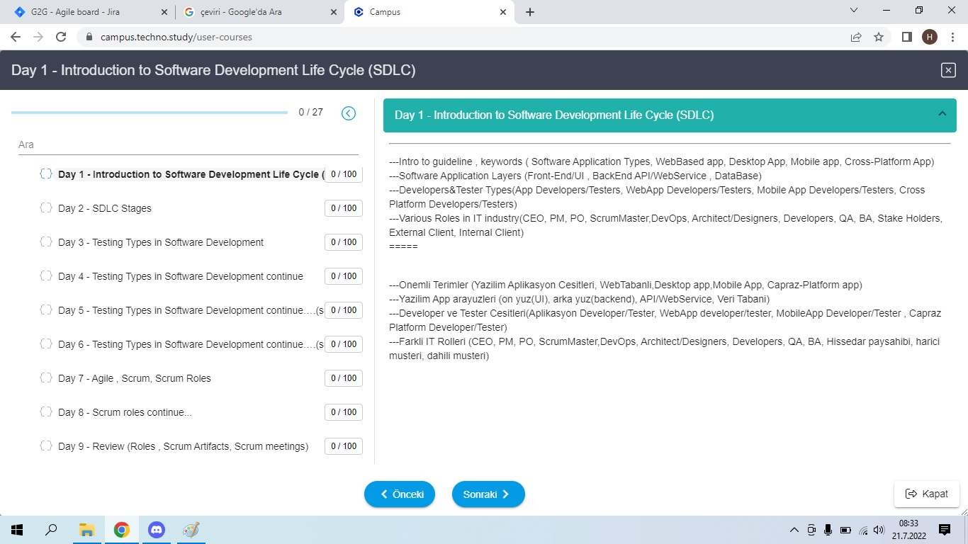
 |  |  |  | Given Uygulamanın anasayfasındayken (homepage),
 |  |  |  | When Görmek istediğim dersin altında bulunan Müfredat (Syllabus) butonuna tıkladığım zaman,
 |  |  |  | Then Karşıma bir popup (açılır) pencere çıkmalıdır.
 |  |  |  | And Bu pencerede içindekiler bölümü gibi hergüne ait konuyu liste şeklinde görebilmeliyim.

G2G-23 | Positive test case | Student should be able to view the website in chosen language. | https://campus.techno.study/ | 1. Go to website (https://campus.techno.study/) | https://campus.techno.study/ | Campus login page should be open /display User should be on the login page successfully
 |  |  |  | 2.Enter valid username | Valid username | Student/user should able to enter / type username on the input box
 |  |  |  | 3. Enter valid password | Valid password | Student/user should able to enter / type password on the input box
 |  |  |  | 4. Click login button | Language selection is made back and forth | user should be able to click the login button
 |  |  |  | 5. Student should be on the homepage |  | Student/user login successfully / load on the homepage
 |  |  |  | 6. Click on user button (Student's Credential) |  | Student/user should be able to click on credentials / menu should be visible
 |  |  |  | 7. Hover mouse on language button |  | Student/user should be able to hover mouse on menu and see options
 |  |  |  | 8. Select language |  | Student/user should be able to make a selection from language menu between languages
 |  |  |  |  |  | Website should switch to selected language
 |  |  |  | Cucumber test case
 |  |  |  | Gherkin language
 |  |  |  | GIVEN User open app / go to login page
 |  |  |  | WHEN user enter username
 |  |  |  | AND user enter pasword
 |  |  |  | THEN user click bttn
 |  |  |  | THEN user on the homepage
 |  |  |  | THEN user click credentials button
 |  |  |  | THEN user selects language options

G2G-23 | Negative test case | Student should be able to view the website in chosen language. | https://campus.techno.study/ | 1. go to login page | https://campus.techno.study/ | login page is avaliable,
 |  |  |  | 2. enter invalid username | username: qwerty | student should type username on the input box
 |  |  |  | 3. enter invalid password | password: 123456 | student should type password on the input box
 |  |  |  | 4. click "login" button |  | student can click the button
 |  |  |  | 5. user should see a message "Invalid user name or password." |  | student should NOT able to login student is still on the login page and see a meesage : "Invalid user name or password."

 |  |  |  | Cucumber test case
 |  |  |  | Gherkin language
 |  |  |  | GIVEN User open app / go to login page
 |  |  |  | WHEN user enter username
 |  |  |  | AND user enter pasword
 |  |  |  | THEN user click bttn
 |  |  |  | Then user should see a message "Invalid user name or password."

G2G-15 | Positive test case | Ana Sayfada Derslerle İlgili Detay Bilgilerin Gösterilmesi Functionality'si. | https://campus.techno.study/ | Önkoşullar (PreCondition) - ***1The student must be registered the site before. ***2The student must be authorized on the site.
 |  |  |  | 1. Open website / go to login page
 |  |  |  | 2. Enter valid username
 |  |  |  | 3. Enter valid password
 |  |  |  | 4. Click login button
 |  |  |  | 5. Student should be able to click on the Details link
 |  |  |  | 6. The student click to link then should be see course content

 |  |  |  | Given Uygulamanın anasayfasındayken (homepage),
 |  |  |  | When Görmek istediğim dersin altında bulunan Detaylar (Details) butonuna tıkladığım zaman,
 |  |  |  | Then Karşıma bir popup (açılır) pencere çıkmalıdır.
 |  |  |  | And Bu pencerede dersle ilgili tüm detayları görebilmeliyim

