Sheet 1
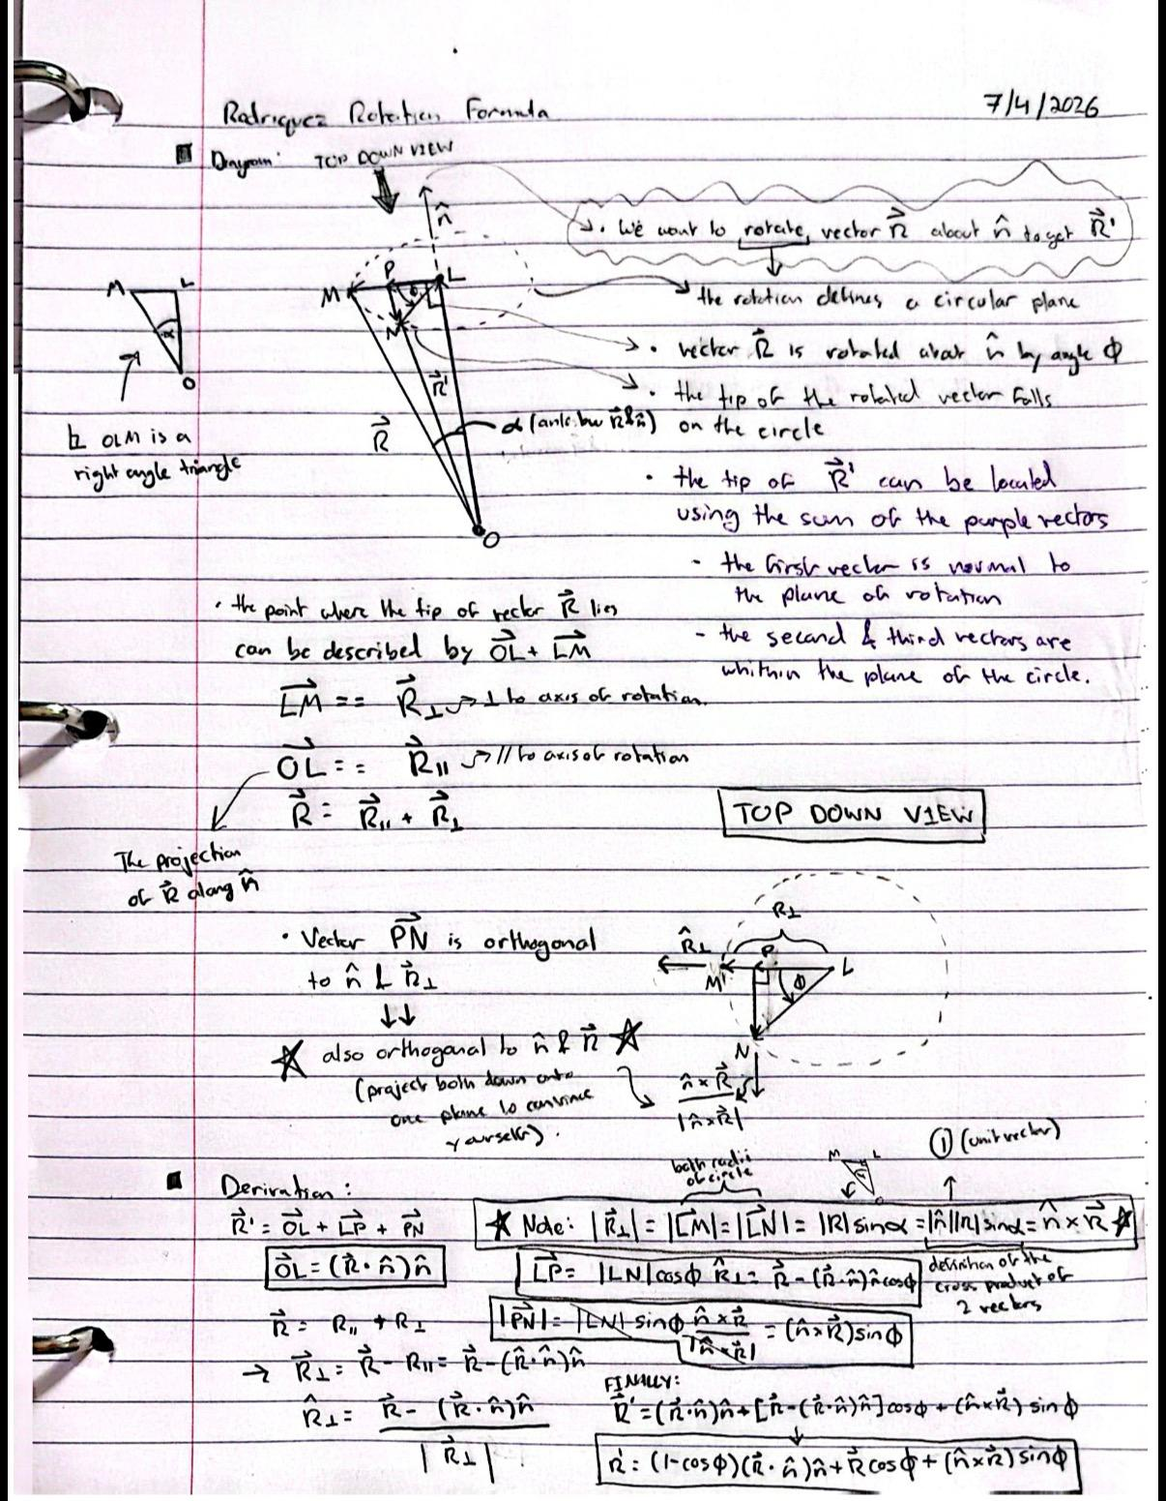
Suspension Arm Pivot Hardpoints (Inputs) |  |  |  | Steering Hardpoints (Inputs)
Geometry Inputs | Value | Unit | Description | Geometry Inputs | Value | Unit | Description
Y_U | 100 | mm | Upper inboard pickup axis lateral position (from origin) | X_TI | 150 | mm | Tie rod inboard rod end center longitudinal position
Z_U | 100 | mm | Upper inboard pickup axis vertical position (from origin) | Y_TI | 80 | mm | Tie rod inboard rod end center lateral position
Y_L | 80 | mm | Lower inboard pickup axis lateral position (from origin) | Z_TI | 30 | mm | Tie rod inboard rod end center vertical position
Z_L | 30 | mm | Lower inboard pickup axis vertical position (from origin) | arm_x | -10 | mm | static steering arm vector x magnitude (from LOP to TO)
L_U | 170 | mm | Upper arm member length | arm_y | -10 | mm | static steering arm vector y magnitude (from LOP to TO)
L_L | 180 | mm | Lower arm member length | arm_z | 10 | mm | static steering arm vector z magnitude (from LOP to TO)
L_u | 150 | mm | Upright length (linear distance between upper and lower outboard rod end centers) | static_toe | 0 | deg | static toe value at straight ahead steering wheel heading
X_uf | 50 | mm | Longitudinal position of the upper front pickup (from origin) | Jeb_toe | -1 | const | the value of toe jeb tell us which of the 2 mathematically possible ways the steering arm points IRL
X_ur | 310 | mm | Longitudinal position of the upper rear pickup (from origin)
X_lf | 30 | mm | Longitudinal position of the lower front pickup (from origin) | Suspension - Steering Reference Intermediate Values
X_lr | 290 | mm | Longitudinal position of the lower rear pickup (from origin) | Parameter Name | Value | Unit | Description
theta_U | 0 | deg | Upper arm angle from horizontal | theta_U0 | 0 | deg | upper arm angle at static ride height
 |  |  |  | UOP_y0 | 209.545 | mm | vertical position of upper outboard pivot at static refernce arm angle
Calculated Intermediate Suspenion Values |  |  |  | UOP_z0 | 100.000 | mm | vertical position of upper outboard pivot at static refernce arm angle
Parameter Name | Value | Unit | Description | D1_0 | 147.247 | mm | diagonal distance from lower inboard pivot to upper outboard point (splits the 4 bar linkage into 2 triangles) at reference angle
base_U | 260.000 | mm | longitudinal spacing between the 2 upper inboard pickup points | theta_1_0 | 28.3848 | deg | Angle from D1 to horizontal at reference arm angle
base_L | 260.000 | mm | longitudinal spacing between the 2 lower inboard pickup points | theta_2_0 | 65.710463227 | deg | Angle from D1 to lower arm at reference angle
R_U | 109.545 | mm | upper arm swing radius | theta_L0 | -37.3257 | deg | Lower arm angle from horizontal at reference arm angle
R_L | 124.499 | mm | lower arm swing radius | LOP_y0 | 179.00182561 | mm | lateral position of lower outboard pivot at reference arm angle
X_UOP | 180.000 | mm | logitudinal position of the upper outboard pivot on the upright | LOP_z0 | -45.489327232 | mm | vertical position of lower outboard pivot at reference arm angle
X_LOP | 160.000 | mm | logitudinal position of the lower outboard pivot on the upright
dX | 20.000 | mm | longitudinal distance between upper and lower outboard pivots | Calculated Intermediate Steering Values (3D rotations)
D_2 | 148.661 | mm | linear distance between upper and lower outboard points from a front view | Parameter Name | Value | Unit | Description
UOP_y | 209.545 | mm | lateral position of upper outboard pivot at current upper arm angle | TO_x | 150.000 | mm | x coordinate of the outer steering rod end
UOP_z | 100.000 | mm | vertical position of upper outboard pivot at current upper arm angle | TO_y | 169.00182561 | mm | y coordinate of the outer steering rod end
D_1 | 147.247 | mm | diagonal distance from lower inboard pivot to upper outboard point (splits the 4 bar linkage into 2 triangles) | TO_z | -35.489327232 | mm | z coordiante of the outer steering rod end
theta_1 | 28.385 | deg | Angle from D1 to horizontal | L_tie | 110.49966943 | mm | tie rod length (distance between TI and TO)
theta_2 | 65.710 | deg | Angle from D1 to lower arm | L_dia | 17.320508076 | mm | magnitude of the steering arm vector from LOP to TO (|arm_x, arm_y, arm_z|)
Jeb_main | -1 | const | the value of jeb tell us which of the 2 mathematically possible ways the linkage folds IRL | k_x | 0.133 | mm | kingpin axis unit vector x component at current suspension angle (corresponds to n_hat_x from Rodriguez video)
theta_L | -37.326 | deg | Lower arm angle from horizontal | k_y | 0.204 | mm | kingpin axis unit vector y magnitude at current suspension angle (corresponds to n_hat_y from Rodriguez video)
LOP_Y | 179.002 | mm | lateral position of lower outboard pivot at current upper arm angle | k_z | 0.970 | mm | kingpin axis unit vector z magnitude at current suspension angle (corresponds to n_hat_z from Rodriguez video)
LOP_Z | -45.489 | mm | vertical position of lower outboard pivot at current upper arm angle | beta_0 | -11.855979793 | deg | KPI angle at reference suspension angle (0 deg upper arm angle?)
 |  |  |  | beta | -11.856 | deg | instantaneous KPI value
Caluclated Final Values |  |  |  | d_beta | 0.000 | deg | instantaneous anglular displacement of kingpin axis
Parameter Name | Value | Unit | Description | arm_x_prime | -10 | mm | instantaneous steering arm vector x component (corresponds to Rx from Rodriguez video)
caster | 7.827 | deg | side view angle of the steering axis from vertical | arm_y_prime | -10 | mm | instantaneous steering arm vector y component (corresponds to Ry from Rodriguez video)
KPI | -11.856 | deg | (Kingpin inclination) front view angle between the steering axis and horizontal | arm_z_prime | 10 | mm | instantaneous steering arm vector z component (corresponds to Rz from Rodriguez video)
IC_det | -8269.441 | mm^2 | determinant of the two arm direction vectors (0 when the arms are parallel and increasesd when they diverege) | arm_prime_dot_k | 6.330 | mm | The projection of the carried arm vector onto the instantaneous kingpin axis (length of OL from Rodrigues video)
IC_y | -11.803 | mm | horizontal position of the instant center | arm_prime_perp_x | -10.843970145 | mm | x component of the the perpendicular steering arm vector (corresponds to LM or R_perpendicular from Rodrigues Video)
IC_z | 100 | mm | vertical position of the instant center | arm_prime_perp_y | -11.288855752 | mm | y component of the the perpendicular steering arm vector (LM)
 |  |  |  | arm_prime_perp_z | 3.8605675682 | mm | z component of the the perpendicular steering arm vector (LM)
 |  |  |  | r_perp | 16.122466767 | mm | magnitude of the perpendicular steering arm vector (LM)
 |  |  |  | w_x | 11.735467542 | mm | x component of the cross product between k and arm_prime (corresponds to PN_x from Rodriguez Video)
 |  |  |  | w_y | -11.032621815 | mm | y component of the cross product between k and arm_prime (corresponds to PN_y from the Rodrigues video)
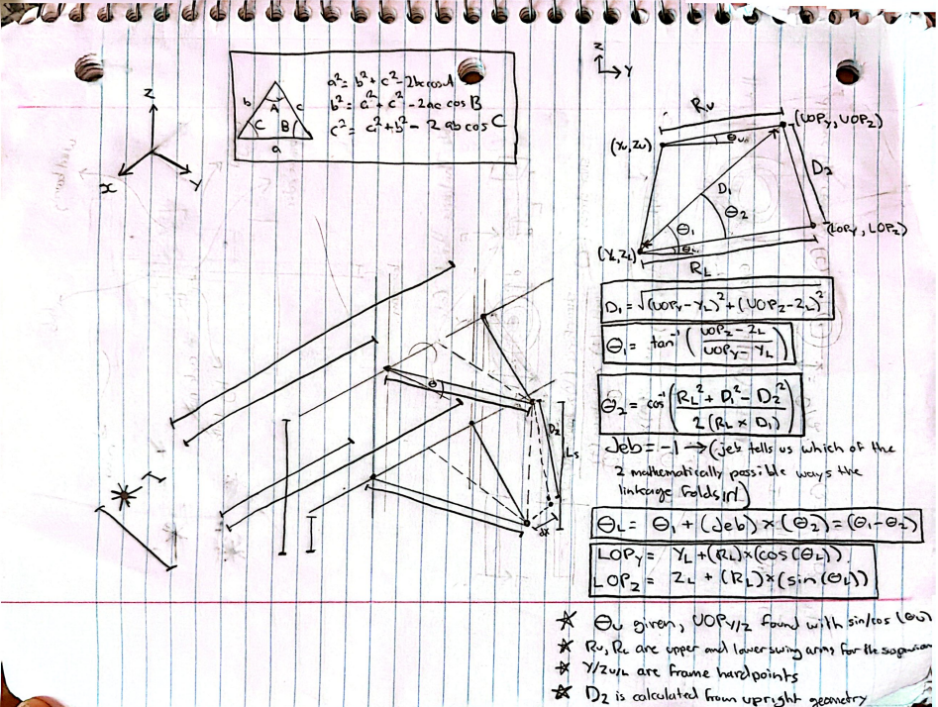
 |  |  |  | w_z | 0.70284572611 | mm | z component of the cross product between k and arm_prime (corresponds to PN_z from the Rodriguez Video
 |  |  |  | F_x | 160.84397015 | mm | x coordinate of the point arounf which the steering arm rotates (L_x from the Rodriguez video)
 |  |  |  | F_y | 180.29068136 | mm | y coordinate of the point arounf which the steering arm rotates (L_y from the Rodriguez video)
 |  |  |  | F_z | -39.349894801 | mm | z coordinate of the point arounf which the steering arm rotates (L_z from the Rodriguez video)
 |  |  |  | g_x | 10.843970145 | mm | x component of the vector from TI to point F
 |  |  |  | g_y | 100.29068136 | mm | y component of the vector from TI to point F
 |  |  |  | g_z | -69.349894801 | mm | z component of the vector from TI to point F

