Sheet 1
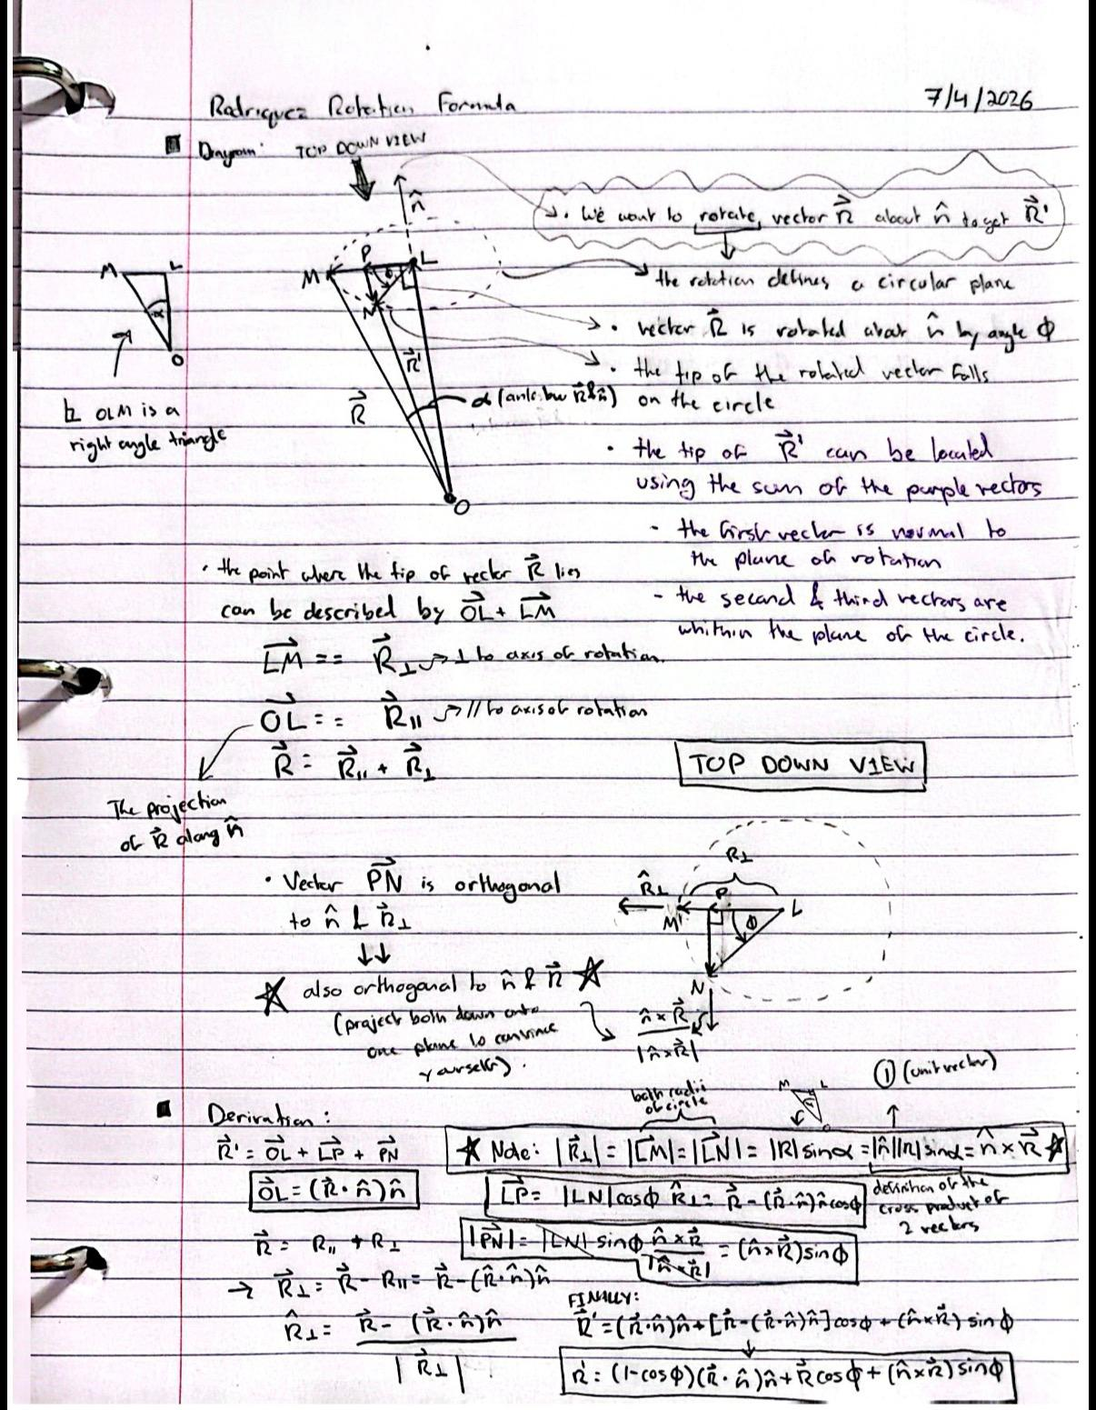
 |  |  |  |  |  |  |  |  |  |  |  |  | Camber offset (deg): |  |  | 0
Suspension Arm Pivot Hardpoints (Inputs) |  |  |  | Steering Hardpoints (Inputs) |  |  |  | Suspension Configuration (Input Values into Suspension Hardpoints) |  |  |  |  | TRAVEL SWEEP — theta_U from -20 to +20 deg (all closed-form, zero iteration)
Geometry Inputs | Value | Unit | Description | Geometry Inputs | Value | Unit | Description | Parameter | Front Upper | Front Lower | Rear Upper | Rear Lower | theta_U | UOP_y | UOP_z | D_1 | theta_1 | theta_2 | theta_L | LOP_Y | LOP_Z | KPI | camber | k_x | k_y | k_z | d_beta | arm_xp | arm_yp | arm_zp | dot_k | perp_x | perp_y | perp_z | r_perp | w_x | w_y | w_z | F_x | F_y | F_z | g_x | g_y | g_z | A_coeff | B_coeff | C_coeff | R_amp | delta | phi | head_x | head_y | toe | travel
Y_U | 100 | mm | Upper inboard pickup axis lateral position (from origin) | X_TI | 140 | mm | Tie rod inboard rod end center longitudinal position | Member Length (mm) | 370 | 380 | 390 | 400 | -20 | 425.519 | 231.521 | 346.954 | 5.213 | 36.226 | -31.014 | 386.026 | 16.021 | -10.385 | -10.385 | 0.091 | 0.180 | 0.980 | -6.204 | -20.000 | -29.824 | 3.242 | -3.996 | -19.637 | -29.107 | 7.157 | 35.833 | 29.796 | -19.886 | 0.879 | 159.637 | 385.308 | 12.106 | 19.637 | 325.308 | -187.894 | -22398.024 | -12098.060 | -22207.837 | 25456.523 | -151.625 | -0.888 | 1.000 | -0.015 | -0.870 | -115.473
Z_U | 350 | mm | Upper inboard pickup axis vertical position (from origin) | Y_TI | 60 | mm | Tie rod inboard rod end center lateral position | Front Pivot Horizontal Position (Approximate) | 289 | 274 | 289 | 274 | -19 | 427.537 | 237.220 | 349.525 | 6.113 | 36.106 | -29.993 | 389.254 | 21.501 | -10.063 | -10.063 | 0.091 | 0.174 | 0.981 | -5.883 | -20.000 | -29.842 | 3.075 | -3.996 | -19.637 | -29.147 | 6.993 | 35.833 | 29.796 | -19.890 | 0.767 | 159.637 | 388.559 | 17.583 | 19.637 | 328.559 | -182.417 | -22475.313 | -12180.017 | -22305.349 | 25563.499 | -151.545 | -0.790 | 1.000 | -0.014 | -0.774 | -109.992
Y_L | 80 | mm | Lower inboard pickup axis lateral position (from origin) | Z_TI | 200 | mm | Tie rod inboard rod end center vertical position | Front Pivot Vertical Position | 350 | 350 | 350 | 350 | -18 | 429.456 | 242.953 | 352.086 | 7.007 | 35.982 | -28.975 | 392.377 | 27.025 | -9.744 | -9.744 | 0.091 | 0.169 | 0.981 | -5.563 | -20.000 | -29.859 | 2.908 | -3.996 | -19.637 | -29.185 | 6.830 | 35.833 | 29.796 | -19.894 | 0.656 | 159.637 | 391.704 | 23.102 | 19.637 | 331.704 | -176.898 | -22549.437 | -12260.005 | -22398.500 | 25666.804 | -151.467 | -0.698 | 1.000 | -0.012 | -0.685 | -104.469
Z_L | 200 | mm | Lower inboard pickup axis vertical position (from origin) | arm_x | -20 | mm | static steering arm vector x magnitude (from LOP to TO) | Front Pivot Longitudinal Position | 360 | 350 | 2180 | 2180 | -17 | 431.274 | 248.719 | 354.636 | 7.896 | 35.856 | -27.959 | 395.394 | 32.588 | -9.426 | -9.426 | 0.091 | 0.163 | 0.982 | -5.245 | -20.000 | -29.874 | 2.742 | -3.996 | -19.637 | -29.223 | 6.668 | 35.833 | 29.796 | -19.898 | 0.546 | 159.637 | 394.742 | 28.662 | 19.637 | 334.742 | -171.338 | -22620.385 | -12338.007 | -22487.298 | 25766.417 | -151.390 | -0.612 | 1.000 | -0.010 | -0.601 | -98.906
L_U | 370 | mm | Upper arm member length | arm_y | -30 | mm | static steering arm vector y magnitude (from LOP to TO) | Rear Pivot Horizontal Position (Approximate) | 289 | 274 | 289 | 274 | -16 | 432.991 | 254.516 | 357.176 | 8.779 | 35.726 | -26.946 | 398.304 | 38.191 | -9.109 | -9.109 | 0.091 | 0.158 | 0.983 | -4.929 | -20.000 | -29.889 | 2.578 | -3.996 | -19.637 | -29.259 | 6.507 | 35.833 | 29.796 | -19.900 | 0.436 | 159.637 | 397.674 | 34.261 | 19.637 | 337.674 | -165.739 | -22688.148 | -12414.007 | -22571.747 | 25862.321 | -151.314 | -0.533 | 1.000 | -0.009 | -0.524 | -93.303
L_L | 380 | mm | Lower arm member length | arm_z | 0 | mm | static steering arm vector z magnitude (from LOP to TO) | Rear Pivot Vertical Position | 350 | 350 | 350 | 350 | -15 | 434.607 | 260.342 | 359.704 | 9.657 | 35.593 | -25.936 | 401.109 | 43.829 | -8.795 | -8.795 | 0.091 | 0.152 | 0.984 | -4.614 | -20.000 | -29.903 | 2.413 | -3.996 | -19.637 | -29.294 | 6.346 | 35.833 | 29.796 | -19.902 | 0.327 | 159.637 | 400.500 | 39.897 | 19.637 | 340.500 | -160.103 | -22752.721 | -12487.990 | -22651.856 | 25954.502 | -151.240 | -0.459 | 1.000 | -0.008 | -0.452 | -87.665
L_u | 220 | mm | Upright length (linear distance between upper and lower outboard rod end centers) | static_toe | 0 | deg | static toe value at straight ahead steering wheel heading | Rear Pivot Longitudinal Position | 620 | 610 | 2440 | 2440 | -14 | 436.120 | 266.196 | 362.220 | 10.530 | 35.458 | -24.928 | 403.806 | 49.503 | -8.482 | -8.482 | 0.091 | 0.147 | 0.985 | -4.301 | -20.000 | -29.916 | 2.250 | -3.996 | -19.637 | -29.329 | 6.186 | 35.833 | 29.796 | -19.904 | 0.218 | 159.637 | 403.219 | 45.567 | 19.637 | 343.219 | -154.433 | -22814.098 | -12559.944 | -22727.632 | 26042.950 | -151.166 | -0.392 | 1.000 | -0.007 | -0.386 | -81.991
X_uf | 50 | mm | Longitudinal position of the upper front pickup (from origin) | Jeb_toe | 1 | const | the value of toe jeb tell us which of the 2 mathematically possible ways the steering arm points IRL |  |  |  |  |  | -13 | 437.532 | 272.075 | 364.724 | 11.397 | 35.320 | -23.922 | 406.398 | 55.209 | -8.170 | -8.170 | 0.091 | 0.142 | 0.986 | -3.989 | -20.000 | -29.927 | 2.087 | -3.996 | -19.637 | -29.362 | 6.026 | 35.833 | 29.796 | -19.905 | 0.110 | 159.637 | 405.832 | 51.270 | 19.637 | 345.832 | -148.730 | -22872.277 | -12629.857 | -22799.086 | 26127.655 | -151.093 | -0.330 | 1.000 | -0.006 | -0.326 | -76.285
X_ur | 310 | mm | Longitudinal position of the upper rear pickup (from origin) |  |  |  |  | Camber - KPI Offset |  |  |  |  | -12 | 438.840 | 277.977 | 367.215 | 12.260 | 35.179 | -22.919 | 408.883 | 60.946 | -7.859 | -7.859 | 0.091 | 0.136 | 0.987 | -3.678 | -20.000 | -29.938 | 1.925 | -3.996 | -19.637 | -29.394 | 5.867 | 35.833 | 29.796 | -19.905 | 0.002 | 159.637 | 408.339 | 57.004 | 19.637 | 348.339 | -142.996 | -22927.259 | -12697.719 | -22866.227 | 26208.611 | -151.021 | -0.274 | 1.000 | -0.005 | -0.271 | -70.548
X_lf | 30 | mm | Longitudinal position of the lower front pickup (from origin) | Suspension - Steering Reference Intermediate Values |  |  |  | 0 |  |  |  |  | -11 | 440.046 | 283.902 | 369.692 | 13.118 | 35.036 | -21.918 | 411.262 | 66.712 | -7.549 | -7.549 | 0.091 | 0.131 | 0.987 | -3.369 | -20.000 | -29.948 | 1.763 | -3.996 | -19.637 | -29.425 | 5.708 | 35.833 | 29.796 | -19.905 | -0.106 | 159.637 | 410.739 | 62.767 | 19.637 | 350.739 | -137.233 | -22979.046 | -12763.521 | -22929.066 | 26285.814 | -150.950 | -0.224 | 1.000 | -0.004 | -0.221 | -64.782
X_lr | 290 | mm | Longitudinal position of the lower rear pickup (from origin) | Parameter Name | Value | Unit | Description |  |  |  |  |  | -10 | 441.147 | 289.847 | 372.156 | 13.970 | 34.890 | -20.920 | 413.534 | 72.505 | -7.241 | -7.241 | 0.091 | 0.126 | 0.988 | -3.060 | -20.000 | -29.957 | 1.601 | -3.996 | -19.637 | -29.456 | 5.549 | 35.833 | 29.796 | -19.904 | -0.213 | 159.637 | 413.032 | 68.557 | 19.637 | 353.032 | -131.443 | -23027.643 | -12827.256 | -22987.616 | 26359.264 | -150.881 | -0.178 | 1.000 | -0.003 | -0.176 | -58.989
theta_U | 4 | deg | Upper arm angle from horizontal | theta_U0 | 0 | deg | upper arm angle at static ride height |  |  |  |  |  | -9 | 442.145 | 295.810 | 374.605 | 14.819 | 34.742 | -19.924 | 415.700 | 78.322 | -6.933 | -6.933 | 0.091 | 0.120 | 0.989 | -2.752 | -20.000 | -29.965 | 1.440 | -3.996 | -19.637 | -29.485 | 5.391 | 35.833 | 29.796 | -19.903 | -0.320 | 159.637 | 415.220 | 74.372 | 19.637 | 355.220 | -125.628 | -23073.055 | -12888.918 | -23041.890 | 26428.963 | -150.812 | -0.138 | 1.000 | -0.002 | -0.137 | -53.172
 |  |  |  | UOP_y0 | 446.410 | mm | vertical position of upper outboard pivot at static refernce arm angle |  |  |  |  |  | -8 | 443.039 | 301.789 | 377.039 | 15.662 | 34.592 | -18.930 | 417.760 | 84.163 | -6.626 | -6.626 | 0.091 | 0.115 | 0.989 | -2.445 | -20.000 | -29.973 | 1.280 | -3.996 | -19.637 | -29.514 | 5.233 | 35.833 | 29.796 | -19.901 | -0.427 | 159.637 | 417.301 | 80.210 | 19.637 | 357.301 | -119.790 | -23115.292 | -12948.504 | -23091.901 | 26494.914 | -150.744 | -0.103 | 1.000 | -0.002 | -0.102 | -47.331
Calculated Intermediate Suspenion Values |  |  |  | UOP_z0 | 350.000 | mm | vertical position of upper outboard pivot at static refernce arm angle |  |  |  |  |  | -7 | 443.828 | 307.783 | 379.458 | 16.502 | 34.440 | -17.938 | 419.714 | 90.025 | -6.319 | -6.319 | 0.091 | 0.110 | 0.990 | -2.138 | -20.000 | -29.979 | 1.119 | -3.996 | -19.637 | -29.541 | 5.075 | 35.833 | 29.796 | -19.898 | -0.533 | 159.637 | 419.276 | 86.070 | 19.637 | 359.276 | -113.930 | -23154.365 | -13006.008 | -23137.666 | 26557.124 | -150.677 | -0.073 | 1.000 | -0.001 | -0.073 | -41.469
Parameter Name | Value | Unit | Description | D1_0 | 395.925 | mm | diagonal distance from lower inboard pivot to upper outboard point (splits the 4 bar linkage into 2 triangles) at reference angle |  |  |  |  |  | -6 | 444.512 | 313.790 | 381.861 | 17.337 | 34.286 | -16.949 | 421.562 | 95.907 | -6.013 | -6.013 | 0.091 | 0.104 | 0.990 | -1.832 | -20.000 | -29.985 | 0.959 | -3.996 | -19.637 | -29.568 | 4.917 | 35.833 | 29.796 | -19.895 | -0.639 | 159.637 | 421.145 | 91.949 | 19.637 | 361.145 | -108.051 | -23190.286 | -13061.431 | -23179.200 | 26615.603 | -150.611 | -0.049 | 1.000 | -0.001 | -0.048 | -35.587
base_U | 260.000 | mm | longitudinal spacing between the 2 upper inboard pickup points | theta_1_0 | 22.2631 | deg | Angle from D1 to horizontal at reference arm angle |  |  |  |  |  | -5 | 445.092 | 319.808 | 384.248 | 18.168 | 34.130 | -15.962 | 423.304 | 101.805 | -5.707 | -5.707 | 0.091 | 0.099 | 0.991 | -1.527 | -20.000 | -29.989 | 0.799 | -3.996 | -19.637 | -29.594 | 4.759 | 35.833 | 29.796 | -19.891 | -0.746 | 159.637 | 422.909 | 97.845 | 19.637 | 362.909 | -102.155 | -23223.070 | -13114.771 | -23216.521 | 26670.362 | -150.545 | -0.029 | 1.000 | 0.000 | -0.028 | -29.689
base_L | 260.000 | mm | longitudinal spacing between the 2 lower inboard pickup points | theta_2_0 | 33.3241573 | deg | Angle from D1 to lower arm at reference angle |  |  |  |  |  | -4 | 445.566 | 325.836 | 386.618 | 18.995 | 33.972 | -14.977 | 424.941 | 107.720 | -5.402 | -5.402 | 0.091 | 0.094 | 0.991 | -1.221 | -20.000 | -29.993 | 0.639 | -3.996 | -19.637 | -29.619 | 4.601 | 35.833 | 29.796 | -19.887 | -0.852 | 159.637 | 424.566 | 103.758 | 19.637 | 364.566 | -96.242 | -23252.736 | -13166.031 | -23249.648 | 26721.416 | -150.481 | -0.013 | 1.000 | 0.000 | -0.013 | -23.774
R_U | 346.410 | mm | upper arm swing radius | theta_L0 | -11.0611 | deg | Lower arm angle from horizontal at reference arm angle |  |  |  |  |  | -3 | 445.935 | 331.870 | 388.971 | 19.817 | 33.812 | -13.995 | 426.473 | 113.647 | -5.097 | -5.097 | 0.091 | 0.088 | 0.992 | -0.916 | -20.000 | -29.996 | 0.480 | -3.996 | -19.637 | -29.643 | 4.443 | 35.833 | 29.796 | -19.882 | -0.958 | 159.637 | 426.119 | 109.684 | 19.637 | 366.119 | -90.316 | -23279.302 | -13215.211 | -23278.600 | 26768.782 | -150.417 | -0.003 | 1.000 | 0.000 | -0.003 | -17.846
R_L | 357.071 | mm | lower arm swing radius | LOP_y0 | 430.43818353 | mm | lateral position of lower outboard pivot at reference arm angle |  |  |  |  |  | -2 | 446.199 | 337.910 | 391.307 | 20.636 | 33.651 | -13.015 | 427.899 | 119.587 | -4.791 | -4.791 | 0.091 | 0.083 | 0.992 | -0.611 | -20.000 | -29.998 | 0.320 | -3.996 | -19.637 | -29.666 | 4.285 | 35.833 | 29.796 | -19.877 | -1.063 | 159.637 | 427.567 | 115.621 | 19.637 | 367.567 | -84.379 | -23302.788 | -13262.317 | -23303.399 | 26812.479 | -150.354 | 0.003 | 1.000 | 0.000 | 0.003 | -11.907
X_UOP | 180.000 | mm | logitudinal position of the upper outboard pivot on the upright | LOP_z0 | 131.49394535 | mm | vertical position of lower outboard pivot at reference arm angle |  |  |  |  |  | -1 | 446.357 | 343.954 | 393.625 | 21.452 | 33.488 | -12.037 | 429.221 | 125.537 | -4.486 | -4.486 | 0.091 | 0.078 | 0.993 | -0.305 | -20.000 | -30.000 | 0.160 | -3.996 | -19.637 | -29.688 | 4.127 | 35.833 | 29.796 | -19.871 | -1.169 | 159.637 | 428.910 | 121.569 | 19.637 | 368.910 | -78.431 | -23323.220 | -13307.354 | -23324.065 | 26852.528 | -150.293 | 0.004 | 1.000 | 0.000 | 0.004 | -5.957
X_LOP | 160.000 | mm | logitudinal position of the lower outboard pivot on the upright |  |  |  |  |  |  |  |  |  | 0 | 446.410 | 350.000 | 395.925 | 22.263 | 33.324 | -11.061 | 430.438 | 131.494 | -4.181 | -4.181 | 0.091 | 0.073 | 0.993 | 0.000 | -20.000 | -30.000 | 0.000 | -3.996 | -19.637 | -29.710 | 3.969 | 35.833 | 29.796 | -19.864 | -1.275 | 159.637 | 430.148 | 127.525 | 19.637 | 370.148 | -72.475 | -23340.622 | -13350.327 | -23340.622 | 26888.954 | -150.231 | 0.000 | 1.000 | 0.000 | 0.000 | 0.000
dX | 20.000 | mm | longitudinal distance between upper and lower outboard pivots | Calculated Intermediate Steering Values (3D rotations) |  |  |  |  |  |  |  |  | 1 | 446.357 | 356.046 | 398.206 | 23.071 | 33.159 | -10.088 | 431.551 | 137.458 | -3.875 | -3.875 | 0.091 | 0.067 | 0.994 | 0.306 | -20.000 | -30.000 | -0.160 | -3.996 | -19.637 | -29.731 | 3.810 | 35.833 | 29.796 | -19.857 | -1.381 | 159.637 | 431.283 | 133.487 | 19.637 | 371.283 | -66.513 | -23355.021 | -13391.246 | -23353.094 | 26921.784 | -150.171 | -0.008 | 1.000 | 0.000 | -0.008 | 5.964
D_2 | 219.089 | mm | linear distance between upper and lower outboard points from a front view | Parameter Name | Value | Unit | Description |  |  |  |  |  | 2 | 446.199 | 362.090 | 400.468 | 23.875 | 32.992 | -9.116 | 432.561 | 143.425 | -3.569 | -3.569 | 0.091 | 0.062 | 0.994 | 0.612 | -20.000 | -29.998 | -0.320 | -3.996 | -19.637 | -29.751 | 3.652 | 35.833 | 29.796 | -19.849 | -1.487 | 159.637 | 432.313 | 139.453 | 19.637 | 372.313 | -60.547 | -23366.447 | -13430.119 | -23361.507 | 26951.047 | -150.111 | -0.021 | 1.000 | 0.000 | -0.021 | 11.931
UOP_y | 445.566 | mm | lateral position of upper outboard pivot at current upper arm angle | TO_x | 140.000 | mm | x coordinate of the outer steering rod end |  |  |  |  |  | 3 | 445.935 | 368.130 | 402.711 | 24.677 | 32.824 | -8.147 | 433.467 | 149.396 | -3.262 | -3.262 | 0.091 | 0.057 | 0.994 | 0.918 | -20.000 | -29.996 | -0.481 | -3.996 | -19.637 | -29.770 | 3.492 | 35.833 | 29.796 | -19.841 | -1.593 | 159.637 | 433.241 | 145.423 | 19.637 | 373.241 | -54.577 | -23374.932 | -13466.957 | -23365.887 | 26976.775 | -150.053 | -0.038 | 1.000 | -0.001 | -0.038 | 17.902
UOP_z | 374.164 | mm | vertical position of upper outboard pivot at current upper arm angle | TO_y | 400.43818353 | mm | y coordinate of the outer steering rod end |  |  |  |  |  | 4 | 445.566 | 374.164 | 404.935 | 25.474 | 32.655 | -7.181 | 434.271 | 155.367 | -2.955 | -2.955 | 0.091 | 0.051 | 0.995 | 1.225 | -20.000 | -29.993 | -0.642 | -3.996 | -19.637 | -29.788 | 3.333 | 35.833 | 29.796 | -19.832 | -1.700 | 159.637 | 434.066 | 151.392 | 19.637 | 374.066 | -48.608 | -23380.509 | -13501.773 | -23366.262 | 26999.002 | -149.994 | -0.060 | 1.000 | -0.001 | -0.060 | 23.873
D_1 | 404.935 | mm | diagonal distance from lower inboard pivot to upper outboard point (splits the 4 bar linkage into 2 triangles) | TO_z | 131.49394535 | mm | z coordiante of the outer steering rod end |  |  |  |  |  | 5 | 445.092 | 380.192 | 407.138 | 26.269 | 32.485 | -6.216 | 434.972 | 161.336 | -2.647 | -2.647 | 0.091 | 0.046 | 0.995 | 1.533 | -20.000 | -29.989 | -0.803 | -3.996 | -19.637 | -29.805 | 3.173 | 35.833 | 29.796 | -19.823 | -1.806 | 159.637 | 434.788 | 157.361 | 19.637 | 374.788 | -42.639 | -23383.214 | -13534.579 | -23362.660 | 27017.763 | -149.937 | -0.087 | 1.000 | -0.002 | -0.086 | 29.843
theta_1 | 25.474 | deg | Angle from D1 to horizontal | L_tie | 347.26248909 | mm | tie rod length (distance between TI and TO) |  |  |  |  |  | 6 | 444.512 | 386.210 | 409.321 | 27.060 | 32.314 | -5.254 | 435.571 | 167.303 | -2.339 | -2.339 | 0.091 | 0.041 | 0.995 | 1.842 | -20.000 | -29.985 | -0.964 | -3.996 | -19.637 | -29.822 | 3.012 | 35.833 | 29.796 | -19.813 | -1.913 | 159.637 | 435.409 | 163.327 | 19.637 | 375.409 | -36.673 | -23383.084 | -13565.391 | -23355.113 | 27033.099 | -149.880 | -0.118 | 1.000 | -0.002 | -0.117 | 35.809
theta_2 | 32.655 | deg | Angle from D1 to lower arm | L_dia | 36.055512755 | mm | magnitude of the steering arm vector from LOP to TO (|arm_x, arm_y, arm_z|) |  |  |  |  |  | 7 | 443.828 | 392.217 | 411.483 | 27.848 | 32.142 | -4.294 | 436.069 | 173.265 | -2.030 | -2.030 | 0.091 | 0.035 | 0.995 | 2.151 | -20.000 | -29.979 | -1.126 | -3.996 | -19.637 | -29.838 | 2.851 | 35.833 | 29.796 | -19.802 | -2.020 | 159.637 | 435.928 | 169.288 | 19.637 | 375.928 | -30.712 | -23380.158 | -13594.224 | -23343.651 | 27045.050 | -149.824 | -0.154 | 1.000 | -0.003 | -0.153 | 41.771
Jeb_main | -1 | const | the value of jeb tell us which of the 2 mathematically possible ways the linkage folds IRL | k_x | 0.091 | mm | kingpin axis unit vector x component at current suspension angle (corresponds to n_hat_x from Rodriguez video) |  |  |  |  |  | 8 | 443.039 | 398.211 | 413.624 | 28.634 | 31.970 | -3.336 | 436.466 | 179.221 | -1.719 | -1.719 | 0.091 | 0.030 | 0.995 | 2.462 | -20.000 | -29.972 | -1.288 | -3.996 | -19.637 | -29.853 | 2.689 | 35.833 | 29.796 | -19.791 | -2.127 | 159.637 | 436.347 | 175.243 | 19.637 | 376.347 | -24.757 | -23374.479 | -13621.096 | -23328.307 | 27053.660 | -149.769 | -0.194 | 1.000 | -0.003 | -0.193 | 47.727
theta_L | -7.181 | deg | Lower arm angle from horizontal | k_y | 0.051 | mm | kingpin axis unit vector y magnitude at current suspension angle (corresponds to n_hat_y from Rodriguez video) |  |  |  |  |  | 9 | 442.145 | 404.190 | 415.744 | 29.416 | 31.797 | -2.381 | 436.763 | 185.168 | -1.408 | -1.408 | 0.091 | 0.024 | 0.996 | 2.773 | -20.000 | -29.965 | -1.451 | -3.996 | -19.637 | -29.867 | 2.527 | 35.833 | 29.796 | -19.779 | -2.235 | 159.637 | 436.665 | 181.189 | 19.637 | 376.665 | -18.811 | -23366.089 | -13646.026 | -23309.114 | 27058.975 | -149.715 | -0.238 | 1.000 | -0.004 | -0.237 | 53.674
LOP_Y | 434.271 | mm | lateral position of lower outboard pivot at current upper arm angle | k_z | 0.995 | mm | kingpin axis unit vector z magnitude at current suspension angle (corresponds to n_hat_z from Rodriguez video) |  |  |  |  |  | 10 | 441.147 | 410.153 | 417.842 | 30.195 | 31.623 | -1.428 | 436.961 | 191.104 | -1.095 | -1.095 | 0.091 | 0.019 | 0.996 | 3.086 | -20.000 | -29.957 | -1.615 | -3.996 | -19.637 | -29.880 | 2.364 | 35.833 | 29.796 | -19.767 | -2.343 | 159.637 | 436.885 | 187.126 | 19.637 | 376.885 | -12.874 | -23355.034 | -13669.034 | -23286.108 | 27061.044 | -149.661 | -0.288 | 1.000 | -0.005 | -0.286 | 59.611
LOP_Z | 155.367 | mm | vertical position of lower outboard pivot at current upper arm angle | beta_0 | -4.1806725892 | deg | KPI angle at reference suspension angle (0 deg upper arm angle?) |  |  |  |  |  | 11 | 440.046 | 416.098 | 419.918 | 30.972 | 31.449 | -0.477 | 437.059 | 197.030 | -0.781 | -0.781 | 0.091 | 0.014 | 0.996 | 3.400 | -20.000 | -29.947 | -1.779 | -3.996 | -19.637 | -29.893 | 2.200 | 35.833 | 29.796 | -19.754 | -2.451 | 159.637 | 437.005 | 193.050 | 19.637 | 377.005 | -6.950 | -23341.362 | -13690.141 | -23259.325 | 27059.917 | -149.608 | -0.342 | 1.000 | -0.006 | -0.340 | 65.536
 |  |  |  | beta | -2.955 | deg | instantaneous KPI value |  |  |  |  |  | 12 | 438.840 | 422.023 | 421.972 | 31.746 | 31.274 | 0.472 | 437.059 | 202.941 | -0.466 | -0.466 | 0.091 | 0.008 | 0.996 | 3.715 | -20.000 | -29.937 | -1.944 | -3.996 | -19.637 | -29.905 | 2.036 | 35.833 | 29.796 | -19.740 | -2.560 | 159.637 | 437.027 | 198.961 | 19.637 | 377.027 | -1.039 | -23325.120 | -13709.370 | -23228.802 | 27055.648 | -149.555 | -0.400 | 1.000 | -0.007 | -0.399 | 71.447
Caluclated Final Values |  |  |  | d_beta | 1.225 | deg | instantaneous anglular displacement of kingpin axis |  |  |  |  |  | 13 | 437.532 | 427.925 | 424.003 | 32.517 | 31.099 | 1.418 | 436.962 | 208.837 | -0.149 | -0.149 | 0.091 | 0.003 | 0.996 | 4.032 | -20.000 | -29.926 | -2.109 | -3.996 | -19.637 | -29.915 | 1.870 | 35.833 | 29.796 | -19.725 | -2.669 | 159.637 | 436.952 | 204.857 | 19.637 | 376.952 | 4.857 | -23306.362 | -13726.746 | -23194.577 | 27048.291 | -149.503 | -0.463 | 1.000 | -0.008 | -0.461 | 77.343
Parameter Name | Value | Unit | Description | arm_x_prime | -20 | mm | instantaneous steering arm vector x component (corresponds to Rx from Rodriguez video) |  |  |  |  |  | 14 | 436.120 | 433.804 | 426.012 | 33.286 | 30.924 | 2.362 | 436.768 | 214.716 | 0.169 | 0.169 | 0.091 | -0.003 | 0.996 | 4.350 | -20.000 | -29.914 | -2.276 | -3.996 | -19.637 | -29.925 | 1.704 | 35.833 | 29.796 | -19.710 | -2.778 | 159.637 | 436.780 | 210.737 | 19.637 | 376.780 | 10.737 | -23285.138 | -13742.292 | -23156.691 | 27037.904 | -149.452 | -0.531 | 1.000 | -0.009 | -0.529 | 83.222
caster | 5.223 | deg | side view angle of the steering axis from vertical | arm_y_prime | -29.993139013 | mm | instantaneous steering arm vector y component (corresponds to Ry from Rodriguez video) |  |  |  |  |  | 15 | 434.607 | 439.658 | 427.997 | 34.052 | 30.749 | 3.304 | 436.478 | 220.577 | 0.489 | 0.489 | 0.091 | -0.009 | 0.996 | 4.670 | -20.000 | -29.900 | -2.443 | -3.996 | -19.637 | -29.934 | 1.537 | 35.833 | 29.796 | -19.694 | -2.888 | 159.637 | 436.512 | 216.597 | 19.637 | 376.512 | 16.597 | -23261.505 | -13756.037 | -23115.184 | 27024.548 | -149.401 | -0.604 | 1.000 | -0.010 | -0.602 | 89.083
KPI | -2.955 | deg | (Kingpin inclination) front view angle between the steering axis and horizontal | arm_z_prime | -0.641570077 | mm | instantaneous steering arm vector z component (corresponds to Rz from Rodriguez video) |  |  |  |  |  | 16 | 432.991 | 445.484 | 429.959 | 34.816 | 30.574 | 4.243 | 436.093 | 226.417 | 0.811 | 0.811 | 0.091 | -0.014 | 0.996 | 4.992 | -20.000 | -29.886 | -2.610 | -3.996 | -19.637 | -29.943 | 1.369 | 35.833 | 29.796 | -19.678 | -2.999 | 159.637 | 436.149 | 222.437 | 19.637 | 376.149 | 22.437 | -23235.519 | -13768.008 | -23070.098 | 27008.284 | -149.352 | -0.682 | 1.000 | -0.012 | -0.679 | 94.923
IC_det | -23984.493 | mm^2 | determinant of the two arm direction vectors (0 when the arms are parallel and increasesd when they diverege) | arm_prime_dot_k | -3.996 | mm | The projection of the carried arm vector onto the instantaneous kingpin axis (length of OL from Rodrigues video) |  |  |  |  |  | 17 | 431.274 | 451.281 | 431.897 | 35.578 | 30.398 | 5.179 | 435.613 | 232.234 | 1.135 | 1.135 | 0.091 | -0.020 | 0.996 | 5.316 | -20.000 | -29.871 | -2.779 | -3.996 | -19.637 | -29.950 | 1.200 | 35.833 | 29.796 | -19.661 | -3.110 | 159.637 | 435.692 | 228.256 | 19.637 | 375.692 | 28.256 | -23207.239 | -13778.234 | -23021.477 | 26989.177 | -149.302 | -0.764 | 1.000 | -0.013 | -0.761 | 100.741
IC_y | -678.507 | mm | horizontal position of the instant center | arm_prime_perp_x | -19.636711017 | mm | x component of the the perpendicular steering arm vector (corresponds to LM or R_perpendicular from Rodrigues Video) |  |  |  |  |  | 18 | 429.456 | 457.047 | 433.811 | 36.337 | 30.223 | 6.114 | 435.041 | 238.029 | 1.461 | 1.461 | 0.091 | -0.025 | 0.996 | 5.641 | -20.000 | -29.855 | -2.949 | -3.996 | -19.637 | -29.956 | 1.029 | 35.833 | 29.796 | -19.643 | -3.222 | 159.637 | 435.142 | 234.050 | 19.637 | 375.142 | 34.050 | -23176.725 | -13786.746 | -22969.366 | 26967.294 | -149.254 | -0.851 | 1.000 | -0.015 | -0.847 | 106.535
IC_z | 295.5615061 | mm | vertical position of the instant center | arm_prime_perp_y | -29.787963803 | mm | y component of the the perpendicular steering arm vector (LM) |  |  |  |  |  | 19 | 427.537 | 462.780 | 435.701 | 37.094 | 30.048 | 7.046 | 434.375 | 243.798 | 1.789 | 1.789 | 0.091 | -0.031 | 0.995 | 5.969 | -20.000 | -29.837 | -3.120 | -3.996 | -19.637 | -29.962 | 0.858 | 35.833 | 29.796 | -19.624 | -3.334 | 159.637 | 434.499 | 239.820 | 19.637 | 374.499 | 39.820 | -23144.038 | -13793.575 | -22913.810 | 26942.702 | -149.206 | -0.943 | 1.000 | -0.016 | -0.939 | 112.304
 |  |  |  | arm_prime_perp_z | 3.3327687833 | mm | z component of the the perpendicular steering arm vector (LM) |  |  |  |  |  | 20 | 425.519 | 468.479 | 437.567 | 37.848 | 29.873 | 7.975 | 433.618 | 249.540 | 2.119 | 2.119 | 0.091 | -0.037 | 0.995 | 6.299 | -20.000 | -29.819 | -3.292 | -3.996 | -19.637 | -29.966 | 0.685 | 35.833 | 29.796 | -19.604 | -3.447 | 159.637 | 433.765 | 245.563 | 19.637 | 373.765 | 45.563 | -23109.244 | -13798.754 | -22854.855 | 26915.475 | -149.158 | -1.041 | 1.000 | -0.018 | -1.036 | 118.046
 |  |  |  | r_perp | 35.833372083 | mm | magnitude of the perpendicular steering arm vector (LM)
 |  |  |  | w_x | 29.79628018 | mm | x component of the cross product between k and arm_prime (corresponds to PN_x from Rodriguez Video)
Camber vs Wheel Travel
 |  |  |  | w_y | -19.832371252 | mm | y component of the cross product between k and arm_prime (corresponds to PN_y from the Rodrigues video)
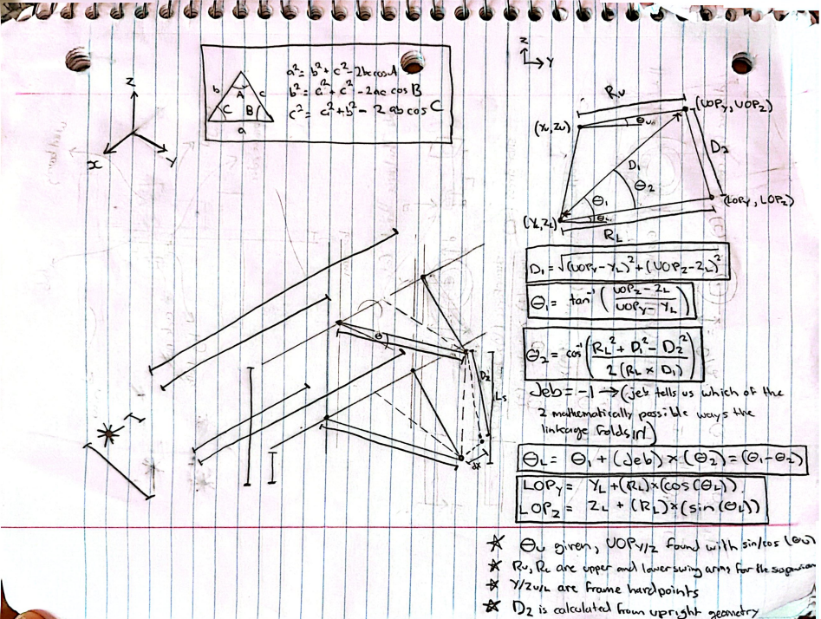
 |  |  |  | w_z | -1.6997920022 | mm | z component of the cross product between k and arm_prime (corresponds to PN_z from the Rodriguez Video
 |  |  |  | F_x | 159.63671102 | mm | x coordinate of the point arounf which the steering arm rotates (L_x from the Rodriguez video)
 |  |  |  | F_y | 434.06572157 | mm | y coordinate of the point arounf which the steering arm rotates (L_y from the Rodriguez video)
 |  |  |  | F_z | 151.39235863 | mm | z coordinate of the point arounf which the steering arm rotates (L_z from the Rodriguez video)
 |  |  |  | g_x | 19.636711017 | mm | x component of the vector from TI to point F
 |  |  |  | g_y | 374.06572157 | mm | y component of the vector from TI to point F
 |  |  |  | g_z | -48.607641371 | mm | z component of the vector from TI to point F

 |  |  |  | Calculated Final Steering Values (Tie Rod Spin Equation)
 |  |  |  | Parameter Name | Value | Unit | Description
 |  |  |  | A_coeff | -23380.509247 | mm^2 | Weight of the cos term in the spin equation (A cos + B sin = C) 2x the dot product of g (the vector from the tie-rod anchor TI to the circle center L) with R⊥ (the rest-radius LM).
 |  |  |  | B_coeff | -13501.772879 | mm^2 | The weight on the sine term. Twice the dot product of g with w (the full-length partner radius, 90° around the circle in the n_hat x R direction).
 |  |  |  | C_coeff | -23366.261501 | mm^2 | The fixed target the cosine-and-sine combination must equal.
 |  |  |  | R_amp | 26999.001529 | mm^2 | The amplitude of the single combined wave. Adding a cosine wave weighted by A to a sine wave weighted by B always gives one wave, this is its height.
 |  |  |  | delta | -149.99443216 | deg | The phase shift of the combined wave
 |  |  |  | phi | -0.060406245081 | deg | The spin angle (the amount the rest-radius LM must rotate about the axis n to become the actual radius LN)
 |  |  |  | head_x | 0.99999944883 | n/a | The fore/aft component of the wheel's forward-pointing arrow after it's been spun by φ about the axis n̂.
 |  |  |  | head_y | -0.0010485231728 | n/a | The lateral component of that same spun forward arrow
 |  |  |  | TOE ANGLE | -0.060075963619 | deg | The wheel's steer angle
Toe vs Wheel Travel (BUMP STEER)

