Test Plan
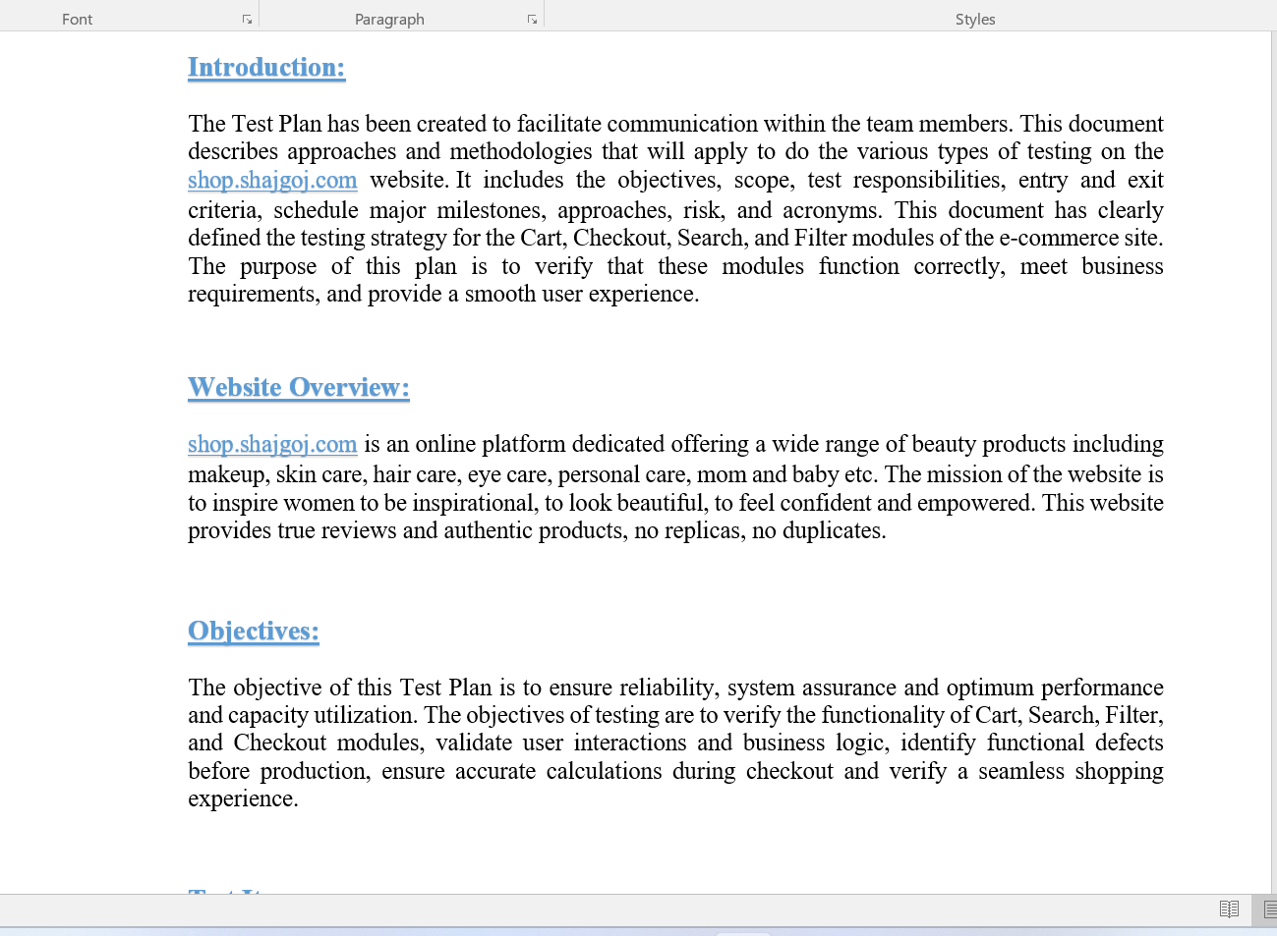

Full Test Plan Document

 | p

Mind_Map
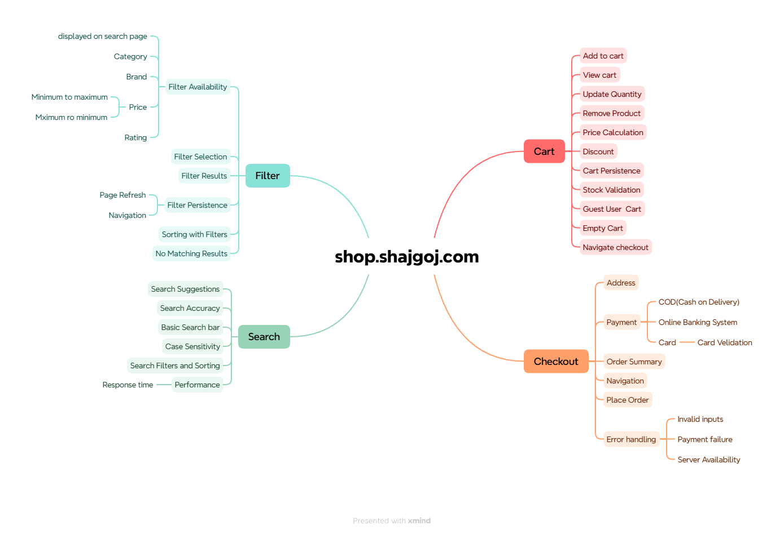

Test_Summary_Report
Test Case Report
Project Name | shop.shajgoj.com
Module Name | Cart, Checkout, Search, Filter |  |  |  |  | Result
Test Case Version | 1 |  |  |  |  | Pass | 73 | New Feature :
Written By | Tasmin Jannat Tahsin |  |  |  |  | Fail | 7 | Testing Scope :
Executed By | Tasmin Jannat Tahsin |  |  |  |  | No Run | 2 | Testing Environment:
Reviewed By |  |  |  |  |  | Out of Scope | 0
TEST EXECUTION REPORT

Test Case Report
Test Case | PASS | FAIL | Not Executed | Out Of Scope | Total Test Case
 | 73 | 7 | 2 | 0 | 82
Grand Total | 73 | 7 | 2 | 0 | 82

LIMITATIONS
Documents |  |  |  | Received | Useful
PRD |  |  |  | No | No
USER STORY |  |  |  | No | No

 | Testing Type in Scope | Description

Yes/ No. Justification (If No): | Functional Testing | This type of testing ignores the internal parts and focuses only on the output to check if it is as per the requirement or not.

Yes/ No. Justification (If No): | Integration Testing | Testing of all integrated modules to verify the combined functionality after integration is termed as Integration Testing.

Yes/ No. Justification (If No): | Negative Testing | Testing having the mindset of “attitude to break” using incorrect data and invalid inputs.

Yes/ No. Justification (If No): | Usability Testing | Test application from user friendliness perspective.

Yes/ No. Justification (If No): | Browser Compatibility Testing | Browser Compatibility Testing is performed for web applications and it ensures that the software can run with the combination of different browser and operating system. This type of testing also validates whether web application runs on all versions of all browsers or not.

Yes/ No. Justification (If No): | Boundary Value Testing | There is an upper and lower boundary for each range and testing is performed on these boundary values.

Yes/ No. Justification (If No): | Risk Based Testing | Risk-Based Testing includes testing of highly critical functionality, which has the highest impact on business and in which the probability of failure is very high.
Yes/ No. Justification (If No): | Regression Testing | Testing an application as a whole for the modification in any module or functionality is termed as Regression Testing.

