Sheet1
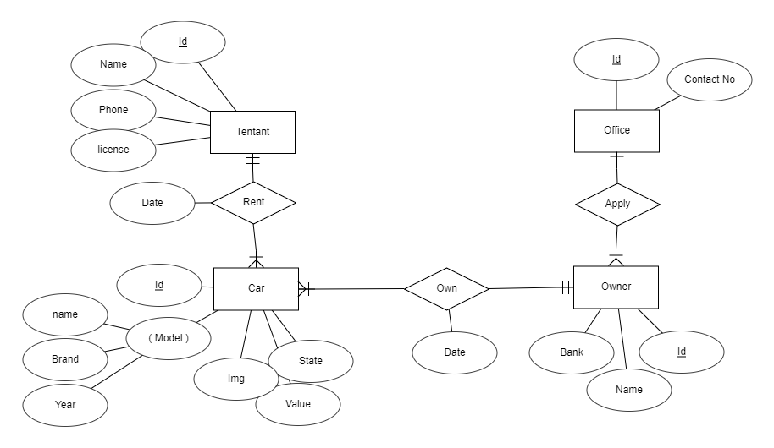

Office
Id | Contact

Owner
Id | Bank | Name | OfficeId

Car
Id | Img | State | Value | Name | Brand | Year | OwnerId

Tentant
Id | Name | Phone | License

RentCar
CarId | TentId | Date

