Sheet1
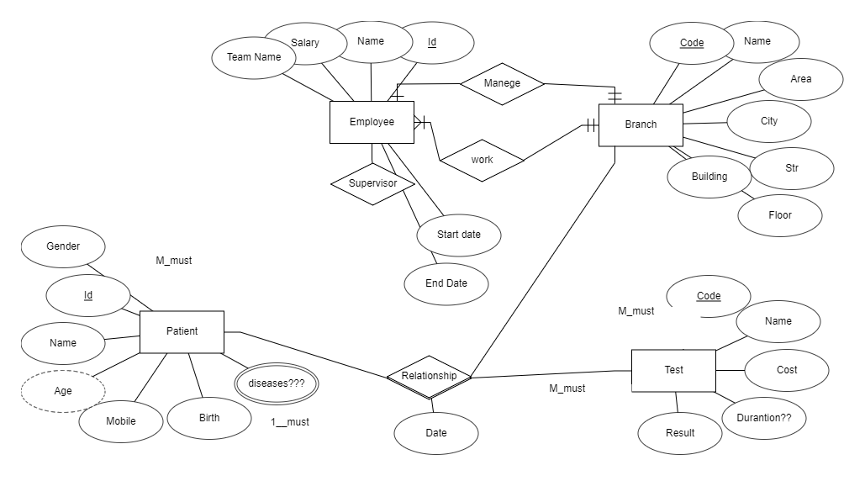
Branch
Code | Name | Area | City | Str | Bilding | floor | MangId

Test
Code | Name | Cost | Duration | Result

Pationt
Id | Gender | Name | Age | Mobile | Birth

PationtBranchTest
EmpId | TestCode | BranchId |  | date | Time | Result

Empl
Id | Name | Salary | TeamN | BranId | SuperVId

Duration
Start | End | Date | EmpId

PationDesease
Patientid | Disease

TestCondition
TestId | Condition

