Sheet1
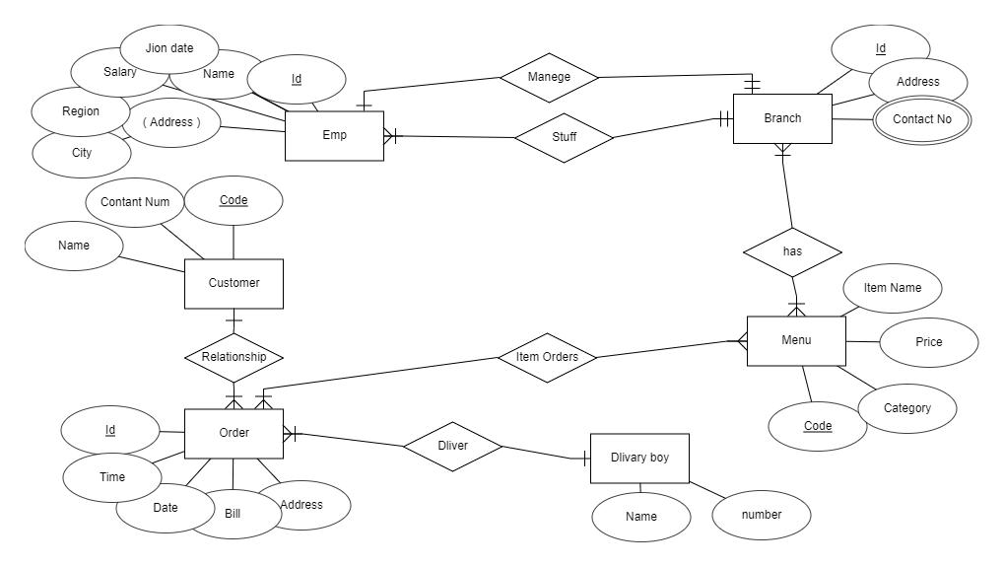
Branch
Id | Address | Contact no |  | MangerId

Emp
Id | Name | Join Date | Salary | Rejion | City | BranchId

Stuff
stuffId | EmpId | BranchId

Customer
Code | num | Name

Menu
Code | Item Nam | Price | Category

BranchMenu
Branch Id | Menu Id

OrderItems
Order Id | Menu Code |  | Item Name

Order
Id | Time | Date | Bill | Address | Cust Id | DlevBoyId

dlivery boy
Id | Name | Num

Order Dlivery Boy
Oredr Id | Dilv id

