Sheet1
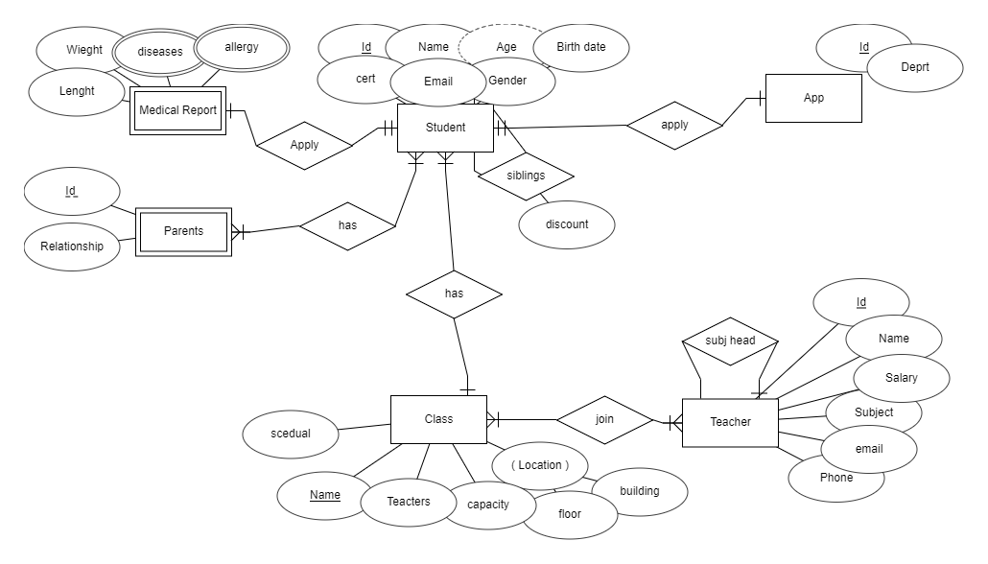
App
Id | Daprt

Student
Id | Name | Age | Birthdate | Cert | Email | Gender

MedRep
Lenght | Weight

Parents
ID | Relationship

Class
Name | Buildin | Floor | Capacity | Teacher | Subject | Time

Teacher
Id | Name | Salary | Subject | Email | Phone

