sources
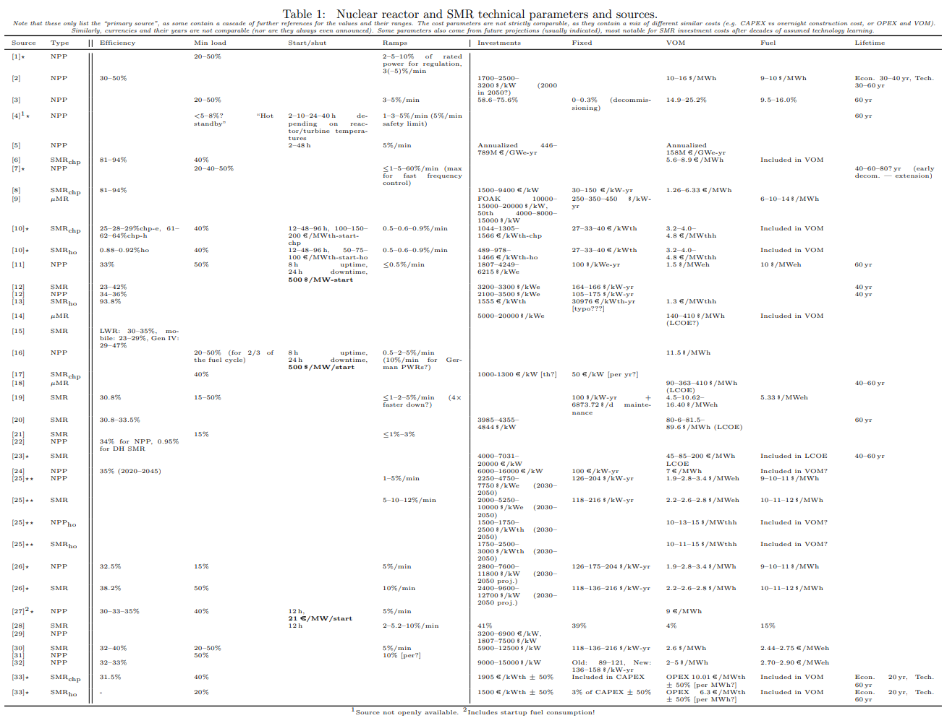

Stars indicate priority sources
e = electricity only, chp = combined heat and power, ho = heat-only

Table source: <topi.rasku@vtt.fi> GG-SMR working draft
Last updated: 2025-08-25

Priority | [1] C. Bruynooghe, A. Eriksson, and G. Fulli, “Load-following Operating Mode at Nuclear Power
 | Plants (NPPs) and Incidence on Operation and Maintenance (O&M) Costs — Compatibility
 | with Wind Power Variability,” Tech. Rep. EUR 245834 EN - 2010, European Commission
 | Joint Research Centre Institute for Energy, Luxembourg, 2010. ISBN: 9789279175343 ISSN:
 | 1018-5593.
 | [2] G. Simbolotti, “IEA ETSAP — Technology Brief E03 – Nuclear Power,” Apr. 2010.
 | [3] Nuclear Energy Agency, “Technical and Economic Aspects of Load Following with Nuclear
 | Power Plants,” tech. rep., Nuclear Energy Agency, June 2011.
Priority | [4] EUR Association, “Chapter 2 — Performance requirements,” in European utility requirements
 | for LWR nuclear power plants, vol. 2, EUR Association, revision e ed., Dec. 2016.
 | [5] C. Cany, C. Mansilla, P. da Costa, G. Mathonni`ere, T. Duquesnoy, and A. Baschwitz, “Nuclear
 | and intermittent renewables: Two compatible supply options? The case of the French power
 | mix,” Energy Policy, vol. 95, pp. 135–146, Aug. 2016.
 | [6] V. Tulkki, E. Pursiheimo, and T. J. Lindroos, District heat with Small Modular Reactors
 | (SMR). VTT Technical Research Centre of Finland, 2017.
Priority | [7] International Atomic Energy Agency, “Non-baseload Operation in Nuclear Power Plants: Load
 | Following and Frequency Control Modes of Flexible Operation,” text, International Atomic
 | Energy Agency, Apr. 2018. ISBN: 9789201108166 Publication Title: Non-baseload Operation
 | in Nuclear Power Plants: Load Following and Frequency Control Modes of Flexible Operation.
 | [8] K. V¨arri and S. Syri, “The Possible Role of Modular Nuclear Reactors in District Heating:
 | Case Helsinki Region,” Energies, vol. 12, p. 2195, June 2019. Number: 11 Publisher: Multi-
 | disciplinary Digital Publishing Institute.
 | [9] M. Nichol and H. Desai, “Cost Competitiveness of Micro-Reactors for Remote Markets,” tech.
 | rep., Nuclear Energy Institute, Apr. 2019.
Priority | [10] T. J. Lindroos, E. Pursiheimo, V. Sahlberg, and V. Tulkki, “A techno-economic assessment of
 | NuScale and DHR-400 reactors in a district heating and cooling grid,” Energy Sources, Part
 | B: Economics, Planning and Policy, vol. 14, pp. 13–24, Mar. 2019.
 | [11] Nuclear Energy Agency, “The Costs of Decarbonisation: System Costs with High Shares of
 | Nuclear and Renewables,” Tech. Rep. 7299, Nuclear Energy Agency, 2019.
 | [12] V. Nian and S. Zhong, “Economic feasibility of flexible energy productions by small modular
 | reactors from the perspective of integrated planning,” Progress in Nuclear Energy, vol. 118,
 | p. 103106, Jan. 2020.
 | [13] A. Ter¨asvirta, S. Syri, and P. Hiltunen, “Small Nuclear Reactor—Nordic District Heating Case
 | Study,” Energies, vol. 13, p. 3782, July 2020. Number: 15 Publisher: Multidisciplinary Digital
 | Publishing Institute.
 | [14] R. Testoni, A. Bersano, and S. Segantin, “Review of nuclear microreactors: Status, potential-
 | ities and challenges,” Progress in Nuclear Energy, vol. 138, p. 103822, Aug. 2021.
 | [15] Nuclear Energy Agency, “Small Modular Reactors: Challenges and Opportunities,” Tech. Rep.
 | 7560, Nuclear Energy Agency, 2021.
 | [16] A. Lynch, Y. Perez, S. Gabriel, and G. Mathonniere, “Nuclear fleet flexibility: Modeling and
 | impacts on power systems with renewable energy,” Applied Energy, vol. 314, p. 118903, May
 | 2022
 | [17] E. Pursiheimo, T. J. Lindroos, D. Sundell, M. R¨am¨a, and V. Tulkki, “Optimal investment
 | analysis for heat pumps and nuclear heat in decarbonised Helsinki metropolitan district heating
 | system,” Energy Storage and Saving, vol. 1, pp. 80–92, June 2022.
 | [18] G. Black, D. Shropshire, K. Ara´ujo, and A. van Heek, “Prospects for Nuclear Microre-
 | actors: A Review of the Technology, Economics, and Regulatory Considerations,” Nu-
 | clear Technology, vol. 209, pp. S1–S20, Jan. 2023. Publisher: Taylor & Francis eprint:
 | https://doi.org/10.1080/00295450.2022.2118626.
 | [19] S. Alhadhrami, G. J. Soto, and B. Lindley, “Dispatch analysis of flexible power operation with
 | multi-unit small modular reactors,” Energy, vol. 280, p. 128107, Oct. 2023.
 | [20] A. Asuega, B. J. Limb, and J. C. Quinn, “Techno-economic analysis of advanced small modular
 | nuclear reactors,” Applied Energy, vol. 334, p. 120669, Mar. 2023.
 | [21] A. Rigby, S. Alhadhrami, and B. Lindley, “Co-optimization of nuclear reactor flexible power
 | operation and maintenance scheduling,” Energy, vol. 313, p. 134098, Dec. 2024.
 | [22] L. Sokka, H. Kirppu, and J. Lepp¨anen, “Evaluation of Life Cycle CO2 Emissions for the LDR-
 | 50 Nuclear District Heating Reactor,” Energies, vol. 17, p. 3250, July 2024. Number: 13
 | Publisher: Multidisciplinary Digital Publishing Institute.
Priority | [23] N. Van Hee, H. Peremans, and P. Nimmegeers, “Economic potential and barriers of small
 | modular reactors in Europe,” Renewable and Sustainable Energy Reviews, vol. 203, p. 114743,
 | Oct. 2024.
 | [24] C. Kost, P. M¨uller, J. S. Schweiger, V. Fluri, and J. Thomsen, “Study: Levelized Cost of Elec-
 | tricity — Renewable Energy Technologies,” tech. rep., Fraunhofer Institute for Solar Energy
 | Systems, Freiburg, June 2024.
Priority | [25] A. Abou-Jaoude, C. S. Lohse, L. M. Larsen, N. Guaita, I. Trivedi, F. C. Joseck, E. Hoffman,
 | N. Stauff, K. Shirvan, and A. Stein, “Meta-Analysis of Advanced Nuclear Reactor Cost Es-
 | timations,” Tech. Rep. INL/RPT–24-77048-Rev001, Idaho National Laboratory (INL), Idaho
 | Falls, ID (United States), June 2024.
Priority | [26] NREL (National Renewable Energy Laboratory), “2024 Annual Technology Baseline,” July
 | 2024
Priority | [27] ENTSO-E, “ERAA 2024 Downloads,” 2024.
 | [28] J. Rahman and J. Zhang, “Steady-State Modeling of Small Modular Reactors for Multi-
 | Timescale Power System Operations With Temporally Coupled Sub-Models,” IEEE Trans-
 | actions on Power Systems, vol. 40, pp. 793–805, Jan. 2025.
 | [29] M. Hjelmeland, J. K. Nøland, S. Backe, and M. Korp˚as, “The role of nuclear energy and
 | baseload demand in capacity expansion planning for low-carbon power systems,” Applied En-
 | ergy, vol. 377, p. 124366, Jan. 2025.
 | [30] C. K. Simoglou, I. M. Kaissas, and P. N. Biskas, “Assessing the Implications of Integrating
 | Small Modular Reactors in Modern Power Systems,” Energies, vol. 18, p. 2578, May 2025.
 | Publisher: Multidisciplinary Digital Publishing Institute.
 | [31] A. I. Arvanitidis and M. Alamaniotis, “Optimal Economic Dispatch and Load-Following Strate-
 | gies for Nuclear Integrated Energy Systems,” IEEE Access, vol. 13, pp. 118857–118873, July
 | 2025
 | [32] “Lazard LCOE+,” June 2025.
Priority | [33] J.-P. Ikonen, T. J. Lindroos, and P. Hiltunen, “Feasibility of small modular reactors for de-
 | carbonizing district heating systems: a case study of the Helsinki metropolitan area,” Nuclear
 | Engineering and Design, vol. 442, p. 114262, Oct. 2025.

