WACC Calculation
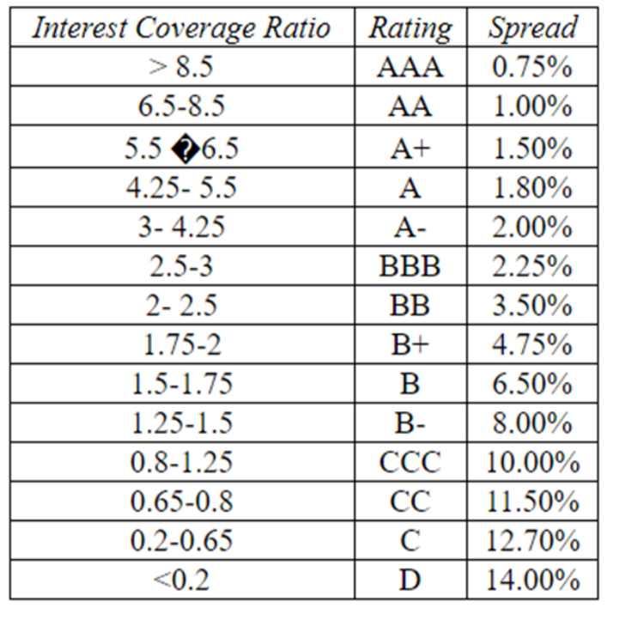
Cost of Debt
Interest Coverage Ratio(24-25) | 2.408736741
Default Spread | 0.75%
Risk Free Rate | 6.54%
Cost of Debt | 7.29%

Market Value of Equity
Share Price Mar 2025 | 379.6
Share Outstanding | 3,201,993,958
Market Value of Equity | 121547.6906 | crores

Market Value of Debt
Book Value of Debt | 44,129.72
Maturity | 5
Interest Expense | 4,702.44
Cost of Debt | 7.29%
Market Value of Debt | 50173.08528

WACC
Enterprise Value | 171720.7759
D/V | 0.2921783052
E/V | 0.7078216948
Tax Rate | 22.28%
Cost of Capital | 13.60%

