Revision
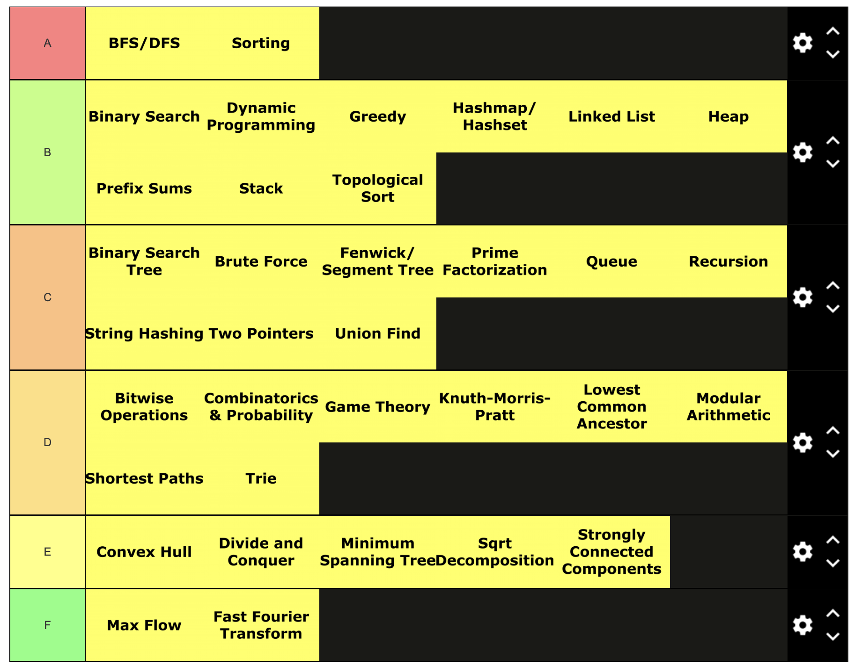
https://leetcode.com/problems/best-time-to-buy-and-sell-stock/
https://leetcode.com/problems/best-time-to-buy-and-sell-stock-ii/
https://leetcode.com/problems/best-time-to-buy-and-sell-stock-iii/
https://leetcode.com/problems/best-time-to-buy-and-sell-stock-iv/
https://leetcode.com/problems/best-time-to-buy-and-sell-stock-with-cooldown/
https://leetcode.com/problems/best-time-to-buy-and-sell-stock-with-transaction-fee/

Topic streams: https://www.youtube.com/playlist?list=PLDjGkpToBsYCaRoQ-_S5MRxYMuKgHD62w

Google-Guide
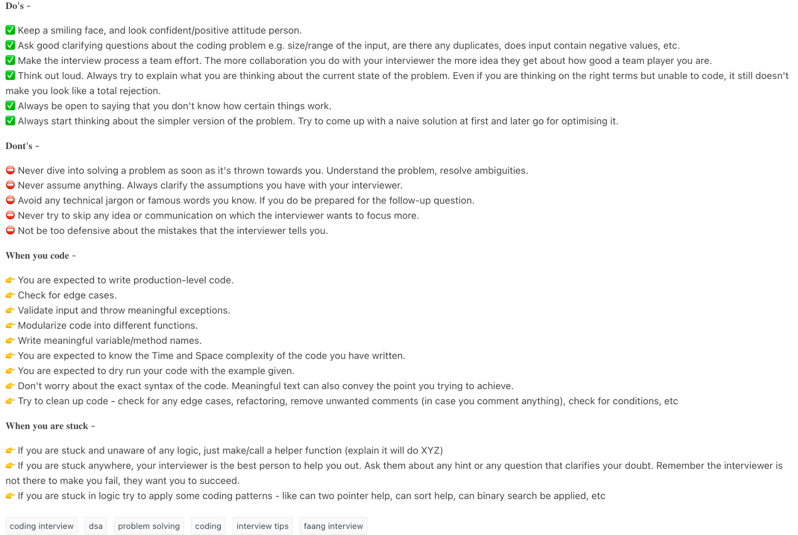
Interview & Coding Practice: | https://leetcode.com/discuss/interview-experience/1133071/Google-Initial-Phone-Screen-Interview-Questions/
Google - Dev-Tech Guide | https://leetcode.com/discuss/interview-question/2483765/google-l3-bangalore-aug-2022
Google - Interview Example | https://leetcode.com/discuss/interview-question/2675660/google-oa-step-intern/1636852
LeetCode | https://www.wired.com/2014/08/how-to-solve-crazy-open-ended-google-interview-questions/
Skilled Inc. | https://techdevguide.withgoogle.com/paths/interview/
Hacker Rank | https://techdevguide.withgoogle.com/paths/
Gainlo | https://igotanoffer.com/blogs/tech/google-software-engineer-interview
CS Dojo | https://www.geeksforgeeks.org/google-interview-preparation/
Interview Cake | https://practice.geeksforgeeks.org/batch/gts-1
Coderbyte | https://medium.com/swlh/my-preparation-journey-for-google-interviews-f41e2dc3cdf9
Codechef | Effective Communication
 | Growth Mindset
Machine Learning Resources: | How to ace a behavioral interview
Google - Machine Learning Crash Course | CV & LinkedIn tips
Google - Fairness in AI Lecture
TensorFlow tutorials
Fast.ai
Machine Learning by Andrew Ng
Stanford - Convolutional Neural Networks
Kaggle
Oren Etzioni’s Guide to ML
Guide to ML Mathematics

Coding Styles:
Keep It Simple
Don’t repeat yourself
You aren’t gonna need it
Clean Code: A handbook of Agile Software Craftsmanship
Programming Pearls

Coding:
You should know at least one programming language really well, preferably C++, Java, Python, Go, or C. You will be expected to know APIs, Object Oriented Design and Programming, how to test your code, as well as come up with corner cases and edge cases for code. Note that we focus on conceptual understanding rather than memorization.

Algorithms:
Approach the problem with both bottoms-up and top-down algorithms. You will be expected to know the complexity of an algorithm and how you can improve/change it. Algorithms that are used to solve Google problems include sorting (plus searching and binary search), divide-and-conquer, dynamic programming/memorization, greediness, recursion or algorithms linked to a specific data structure. Know Big-O notations (e.g. run time) and be ready to discuss complex algorithms like Dijkstra and A*. We recommend discussing or outlining the algorithm you have in mind before writing code.

Sorting:
Be familiar with common sorting functions and what kind of input data they’re efficient on. Think about “efficiency” in terms of runtime and space used. For example, in exceptional cases insertion-sort or radix-sort are much better than the generic QuickSort / MergeSort / HeapSort answers.

Data Structures:
You should study up on as many data structures as possible. Data structures most frequently used are arrays, linked lists, stacks, queues, hash-sets, hash-maps, hash-tables, dictionary, trees and binary trees, heaps and graphs. You should know the data structure inside out, and what algorithms tend to go along with each data structure.

Mathematics:
Some interviewers ask basic discrete math questions. This is more prevalent at Google than at other companies because counting problems, probability problems and other Discrete Math 101 situations surround us. Spend some time before the interview refreshing your memory on (or teaching yourself) the essentials of elementary probability theory and combinatorics. You should be familiar with n-choose-k problems and their ilk.

Graphs:
Consider if a problem can be solved with graph algorithms like distance, search, connectivity, cycle-detection, etc. There are three basic ways to represent a graph in memory (objects and pointers, matrix, and adjacency list) — familiarize yourself with each representation and its pros and cons. You should know the basic graph traversal algorithms, breadth-first search and depth-first search. Know their computational complexity, their trade-offs and how to implement them in real code.

Recursion:
Many coding problems involve thinking recursively and potentially coding a recursive solution. Use recursion to find more elegant solutions to problems that can be solved iteratively.

