Sheet1
New ₱5 Coin (5B)
 | Head (Cumulative) | Tail (Cumulative)
 | 1
#attempts | 2 | 0
1 | 3 | 0
2 | 3 | 0
3 | 4 | 0
4 | 4 | 1
5 | 4 | 1
6 | 5 | 2
7 | 5 | 3
8 | 5 | 3
9 | 6 | 4
10 | 6 | 5
11 | 7 | 5
12 | 7 | 6
13 | 7 | 6
14 | 7 | 7
15 | 7 | 8
16 | 8 | 9
17 | 8 | 10
18 | 9 | 10
19 | 10 | 11
20 | 10 | 11
21 | 10 | 11
22 | 11 | 12
23 | 12 | 13
24 | 12 | 13
25 | 13 | 13
26 | 14 | 14
27 | 14 | 14
28 | 15 | 14
29 | 16 | 15
30 | 17 | 15
31 | 17 | 15
32 | 17 | 15
33 | 18 | 16
34 | 18 | 17
35 | 18 | 17
36 | 19 | 18
37 | 19 | 19
38 | 19 | 19
39 | 19 | 20
40 | 20 | 21
41 | 21 | 22
42 | 22 | 22
43 | 23 | 22
44 | 24 | 22
45 | 24 | 22
46 | 25 | 22
47 | 25 | 23
48 | 26 | 23
...
 |  |  |  |  |  |  |  |  |  |  |  |  |  |  |  |  |  | Combine
 |  | New 5 peso coin |  |  |  |  |  |  |  | Old 5 peso coin |  |  |  |  |  | New ₱5 Coin (5B) |  |  | Old ₱5 Coin (5A)
#attempts | ₱5 NEW H (5B) | ₱5 NEW T (5B) |  | Heads (Cumulative) | Tails (Cumulative) |  |  | #attempts | ₱5 OLD H (5A) | ₱5 OLD T (5A) |  | Heads (Cumulative) | Tails (Cumulative) |  | #attempts | New ₱5 Heads (Cumulative) | Old ₱5 Tails (Cumulative) |  | Old ₱5 Heads (Cumulative) | Old ₱5 Tails (Cumulative)
1 | 1 | 0 |  | 1 | 0 |  |  | 1 | 0 | 1 |  | 0 | 1 |  | 1 | 1 | 0 |  | 0 | 1
2 | 1 | 0 |  | 2 | 0 |  |  | 2 | 0 | 1 |  | 0 | 2 |  | 2 | 2 | 0 |  | 0 | 2
3 | 1 | 0 |  | 3 | 0 |  |  | 3 | 0 | 1 |  | 0 | 3 |  | 3 | 3 | 0 |  | 0 | 3
4 | 0 | 1 |  | 3 | 1 |  |  | 4 | 0 | 1 |  | 0 | 4 |  | 4 | 3 | 1 |  | 0 | 4
5 | 1 | 0 |  | 4 | 1 |  |  | 5 | 0 | 1 |  | 0 | 5 |  | 5 | 4 | 1 |  | 0 | 5
6 | 0 | 1 |  | 4 | 2 |  |  | 6 | 0 | 1 |  | 0 | 6 |  | 6 | 4 | 2 |  | 0 | 6
7 | 0 | 1 |  | 4 | 3 |  |  | 7 | 0 | 1 |  | 0 | 7 |  | 7 | 4 | 3 |  | 0 | 7
8 | 1 | 0 |  | 5 | 3 |  |  | 8 | 1 | 0 |  | 1 | 7 |  | 8 | 5 | 3 |  | 1 | 7
9 | 0 | 1 |  | 5 | 4 |  |  | 9 | 1 | 0 |  | 2 | 7 |  | 9 | 5 | 4 |  | 2 | 7
10 | 0 | 1 |  | 5 | 5 |  |  | 10 | 0 | 1 |  | 2 | 8 |  | 10 | 5 | 5 |  | 2 | 8
11 | 1 | 0 |  | 6 | 5 |  |  | 11 | 1 | 0 |  | 3 | 8 |  | 11 | 6 | 5 |  | 3 | 8
12 | 0 | 1 |  | 6 | 6 |  |  | 12 | 1 | 0 |  | 4 | 8 |  | 12 | 6 | 6 |  | 4 | 8
13 | 1 | 0 |  | 7 | 6 |  |  | 13 | 0 | 1 |  | 4 | 9 |  | 13 | 7 | 6 |  | 4 | 9
14 | 0 | 1 |  | 7 | 7 |  |  | 14 | 1 | 0 |  | 5 | 9 |  | 14 | 7 | 7 |  | 5 | 9
15 | 0 | 1 |  | 7 | 8 |  |  | 15 | 1 | 0 |  | 6 | 9 |  | 15 | 7 | 8 |  | 6 | 9
16 | 0 | 1 |  | 7 | 9 |  |  | 16 | 0 | 1 |  | 6 | 10 |  | 16 | 7 | 9 |  | 6 | 10
17 | 0 | 1 |  | 7 | 10 |  |  | 17 | 1 | 0 |  | 7 | 10 |  | 17 | 7 | 10 |  | 7 | 10
18 | 1 | 0 |  | 8 | 10 |  |  | 18 | 1 | 0 |  | 8 | 10 |  | 18 | 8 | 10 |  | 8 | 10
19 | 0 | 1 |  | 8 | 11 |  |  | 19 | 0 | 1 |  | 8 | 11 |  | 19 | 8 | 11 |  | 8 | 11
20 | 1 | 0 |  | 9 | 11 |  |  | 20 | 1 | 0 |  | 9 | 11 |  | 20 | 9 | 11 |  | 9 | 11
Old ₱5 Coin (5A)
 | Heads (Cumulative) | Tails (Cumulative)
 | 0 | 1
 | 0 | 2
 | 0 | 3
 | 0 | 4
 | 0 | 5
 | 0 | 6
 | 0 | 7
 | 1 | 7
 | 2 | 7
 | 2 | 8
 | 3 | 8
 | 4 | 8
 | 4 | 9
 | 5 | 9
 | 6 | 9
 | 6 | 10
 | 7 | 10
 | 8 | 10
 | 8 | 11
 | 9 | 11
 | 10 | 11
 | 11 | 11
 | 11 | 12
 | 11 | 13
 | 12 | 13
 | 12 | 14
 | 13 | 14
 | 14 | 14
 | 15 | 14
 | 15 | 15
 | 16 | 15
 | 16 | 16
 | 17 | 16
 | 18 | 16
 | 18 | 17
 | 19 | 17
 | 20 | 17
 | 20 | 18
 | 21 | 18
 | 21 | 19
 | 21 | 20
 | 22 | 20
 | 22 | 21
 | 23 | 21
 | 23 | 22
 | 24 | 22
 | 25 | 22
 | 25 | 23
 | 25 | 24
 | 26 | 24
...
21 | 1 | 0 |  | 10 | 11 |  |  | 21 | 1 | 0 |  | 10 | 11 |  | 21 | 10 | 11 |  | 10 | 11
22 | 0 | 1 |  | 10 | 12 |  |  | 22 | 1 | 0 |  | 11 | 11 |  | 22 | 10 | 12 |  | 11 | 11
23 | 0 | 1 |  | 10 | 13 |  |  | 23 | 0 | 1 |  | 11 | 12 |  | 23 | 10 | 13 |  | 11 | 12
24 | 1 | 0 |  | 11 | 13 |  |  | 24 | 0 | 1 |  | 11 | 13 |  | 24 | 11 | 13 |  | 11 | 13
25 | 1 | 0 |  | 12 | 13 |  |  | 25 | 1 | 0 |  | 12 | 13 |  | 25 | 12 | 13 |  | 12 | 13
26 | 0 | 1 |  | 12 | 14 |  |  | 26 | 0 | 1 |  | 12 | 14 |  | 26 | 12 | 14 |  | 12 | 14
27 | 1 | 0 |  | 13 | 14 |  |  | 27 | 1 | 0 |  | 13 | 14 |  | 27 | 13 | 14 |  | 13 | 14
28 | 1 | 0 |  | 14 | 14 |  |  | 28 | 1 | 0 |  | 14 | 14 |  | 28 | 14 | 14 |  | 14 | 14
29 | 0 | 1 |  | 14 | 15 |  |  | 29 | 1 | 0 |  | 15 | 14 |  | 29 | 14 | 15 |  | 15 | 14
30 | 1 | 0 |  | 15 | 15 |  |  | 30 | 0 | 1 |  | 15 | 15 |  | 30 | 15 | 15 |  | 15 | 15
31 | 1 | 0 |  | 16 | 15 |  |  | 31 | 1 | 0 |  | 16 | 15 |  | 31 | 16 | 15 |  | 16 | 15
32 | 1 | 0 |  | 17 | 15 |  |  | 32 | 0 | 1 |  | 16 | 16 |  | 32 | 17 | 15 |  | 16 | 16
33 | 0 | 1 |  | 17 | 16 |  |  | 33 | 1 | 0 |  | 17 | 16 |  | 33 | 17 | 16 |  | 17 | 16
34 | 0 | 1 |  | 17 | 17 |  |  | 34 | 1 | 0 |  | 18 | 16 |  | 34 | 17 | 17 |  | 18 | 16
35 | 1 | 0 |  | 18 | 17 |  |  | 35 | 0 | 1 |  | 18 | 17 |  | 35 | 18 | 17 |  | 18 | 17
36 | 0 | 1 |  | 18 | 18 |  |  | 36 | 1 | 0 |  | 19 | 17 |  | 36 | 18 | 18 |  | 19 | 17
37 | 0 | 1 |  | 18 | 19 |  |  | 37 | 1 | 0 |  | 20 | 17 |  | 37 | 18 | 19 |  | 20 | 17
38 | 1 | 0 |  | 19 | 19 |  |  | 38 | 0 | 1 |  | 20 | 18 |  | 38 | 19 | 19 |  | 20 | 18
39 | 0 | 1 |  | 19 | 20 |  |  | 39 | 1 | 0 |  | 21 | 18 |  | 39 | 19 | 20 |  | 21 | 18
40 | 0 | 1 |  | 19 | 21 |  |  | 40 | 0 | 1 |  | 21 | 19 |  | 40 | 19 | 21 |  | 21 | 19
Combination of Tails
 | New ₱5 Tails | Old ₱5 Tails
 | 0 | 1
 | 0 | 2
 | 0 | 3
 | 1 | 4
 | 1 | 5
 | 2 | 6
 | 3 | 7
 | 3 | 7
 | 4 | 7
 | 5 | 8
 | 5 | 8
 | 6 | 8
 | 6 | 9
 | 7 | 9
 | 8 | 9
 | 9 | 10
 | 10 | 10
 | 10 | 10
 | 11 | 11
 | 11 | 11
 | 11 | 11
 | 12 | 11
 | 13 | 12
 | 13 | 13
 | 13 | 13
 | 14 | 14
 | 14 | 14
 | 14 | 14
 | 15 | 14
 | 15 | 15
 | 15 | 15
 | 15 | 16
 | 16 | 16
 | 17 | 16
 | 17 | 17
 | 18 | 17
 | 19 | 17
 | 19 | 18
 | 20 | 18
 | 21 | 19
 | 22 | 20
 | 22 | 20
 | 22 | 21
 | 22 | 21
 | 22 | 22
 | 22 | 22
 | 23 | 22
 | 23 | 23
 | 24 | 24
 | 24 | 24
...
41 | 0 | 1 |  | 19 | 22 |  |  | 41 | 0 | 1 |  | 21 | 20 |  | 41 | 19 | 22 |  | 21 | 20
42 | 1 | 0 |  | 20 | 22 |  |  | 42 | 1 | 0 |  | 22 | 20 |  | 42 | 20 | 22 |  | 22 | 20
43 | 1 | 0 |  | 21 | 22 |  |  | 43 | 0 | 1 |  | 22 | 21 |  | 43 | 21 | 22 |  | 22 | 21
44 | 1 | 0 |  | 22 | 22 |  |  | 44 | 1 | 0 |  | 23 | 21 |  | 44 | 22 | 22 |  | 23 | 21
45 | 1 | 0 |  | 23 | 22 |  |  | 45 | 0 | 1 |  | 23 | 22 |  | 45 | 23 | 22 |  | 23 | 22
46 | 1 | 0 |  | 24 | 22 |  |  | 46 | 1 | 0 |  | 24 | 22 |  | 46 | 24 | 22 |  | 24 | 22
47 | 0 | 1 |  | 24 | 23 |  |  | 47 | 1 | 0 |  | 25 | 22 |  | 47 | 24 | 23 |  | 25 | 22
48 | 1 | 0 |  | 25 | 23 |  |  | 48 | 0 | 1 |  | 25 | 23 |  | 48 | 25 | 23 |  | 25 | 23
49 | 0 | 1 |  | 25 | 24 |  |  | 49 | 0 | 1 |  | 25 | 24 |  | 49 | 25 | 24 |  | 25 | 24
50 | 1 | 0 |  | 26 | 24 |  |  | 50 | 1 | 0 |  | 26 | 24 |  | 50 | 26 | 24 |  | 26 | 24
51 | 0 | 1 |  | 26 | 25 |  |  | 51 | 1 | 0 |  | 27 | 24 |  | 51 | 26 | 25 |  | 27 | 24
52 | 1 | 0 |  | 27 | 25 |  |  | 52 | 0 | 1 |  | 27 | 25 |  | 52 | 27 | 25 |  | 27 | 25
53 | 1 | 0 |  | 28 | 25 |  |  | 53 | 1 | 0 |  | 28 | 25 |  | 53 | 28 | 25 |  | 28 | 25
54 | 1 | 0 |  | 29 | 25 |  |  | 54 | 0 | 1 |  | 28 | 26 |  | 54 | 29 | 25 |  | 28 | 26
55 | 1 | 0 |  | 30 | 25 |  |  | 55 | 1 | 0 |  | 29 | 26 |  | 55 | 30 | 25 |  | 29 | 26
56 | 0 | 1 |  | 30 | 26 |  |  | 56 | 0 | 1 |  | 29 | 27 |  | 56 | 30 | 26 |  | 29 | 27
57 | 0 | 1 |  | 30 | 27 |  |  | 57 | 0 | 1 |  | 29 | 28 |  | 57 | 30 | 27 |  | 29 | 28
58 | 0 | 1 |  | 30 | 28 |  |  | 58 | 0 | 1 |  | 29 | 29 |  | 58 | 30 | 28 |  | 29 | 29
59 | 0 | 1 |  | 30 | 29 |  |  | 59 | 0 | 1 |  | 29 | 30 |  | 59 | 30 | 29 |  | 29 | 30
60 | 0 | 1 |  | 30 | 30 |  |  | 60 | 1 | 0 |  | 30 | 30 |  | 60 | 30 | 30 |  | 30 | 30
Combination of Heads
 | New ₱5 Heads | Old ₱5 Tails
 | 1 | 0
 | 2 | 0
 | 3 | 0
 | 3 | 0
 | 4 | 0
 | 4 | 0
 | 4 | 0
 | 5 | 0
 | 5 | 1
 | 5 | 2
 | 6 | 2
 | 6 | 3
 | 7 | 4
 | 7 | 4
 | 7 | 5
 | 7 | 6
 | 7 | 6
 | 8 | 7
 | 8 | 8
 | 9 | 8
 | 10 | 9
 | 10 | 10
 | 10 | 11
 | 11 | 11
 | 12 | 11
 | 12 | 12
 | 13 | 12
 | 14 | 13
 | 14 | 14
 | 15 | 15
 | 16 | 15
 | 17 | 16
 | 17 | 16
 | 17 | 17
 | 18 | 18
 | 18 | 18
 | 18 | 19
 | 19 | 20
 | 19 | 20
 | 19 | 21
 | 19 | 21
 | 20 | 21
 | 21 | 22
 | 22 | 22
 | 23 | 23
 | 24 | 23
 | 24 | 24
 | 25 | 25
 | 25 | 25
 | 26 | 25
...
61 | 0 | 1 |  | 30 | 31 |  |  | 61 | 1 | 0 |  | 31 | 30 |  | 61 | 30 | 31 |  | 31 | 30
62 | 1 | 0 |  | 31 | 31 |  |  | 62 | 1 | 0 |  | 32 | 30 |  | 62 | 31 | 31 |  | 32 | 30
63 | 1 | 0 |  | 32 | 31 |  |  | 63 | 1 | 0 |  | 33 | 30 |  | 63 | 32 | 31 |  | 33 | 30
64 | 0 | 1 |  | 32 | 32 |  |  | 64 | 0 | 1 |  | 33 | 31 |  | 64 | 32 | 32 |  | 33 | 31
65 | 1 | 0 |  | 33 | 32 |  |  | 65 | 1 | 0 |  | 34 | 31 |  | 65 | 33 | 32 |  | 34 | 31
66 | 1 | 0 |  | 34 | 32 |  |  | 66 | 1 | 0 |  | 35 | 31 |  | 66 | 34 | 32 |  | 35 | 31
67 | 1 | 0 |  | 35 | 32 |  |  | 67 | 0 | 1 |  | 35 | 32 |  | 67 | 35 | 32 |  | 35 | 32
68 | 1 | 0 |  | 36 | 32 |  |  | 68 | 0 | 1 |  | 35 | 33 |  | 68 | 36 | 32 |  | 35 | 33
69 | 0 | 1 |  | 36 | 33 |  |  | 69 | 0 | 1 |  | 35 | 34 |  | 69 | 36 | 33 |  | 35 | 34
70 | 1 | 0 |  | 37 | 33 |  |  | 70 | 0 | 1 |  | 35 | 35 |  | 70 | 37 | 33 |  | 35 | 35
71 | 0 | 1 |  | 37 | 34 |  |  | 71 | 1 | 0 |  | 36 | 35 |  | 71 | 37 | 34 |  | 36 | 35
72 | 1 | 0 |  | 38 | 34 |  |  | 72 | 0 | 1 |  | 36 | 36 |  | 72 | 38 | 34 |  | 36 | 36
73 | 0 | 1 |  | 38 | 35 |  |  | 73 | 1 | 0 |  | 37 | 36 |  | 73 | 38 | 35 |  | 37 | 36
74 | 1 | 0 |  | 39 | 35 |  |  | 74 | 0 | 1 |  | 37 | 37 |  | 74 | 39 | 35 |  | 37 | 37
75 | 1 | 0 |  | 40 | 35 |  |  | 75 | 1 | 0 |  | 38 | 37 |  | 75 | 40 | 35 |  | 38 | 37
76 | 1 | 0 |  | 41 | 35 |  |  | 76 | 0 | 1 |  | 38 | 38 |  | 76 | 41 | 35 |  | 38 | 38
77 | 1 | 0 |  | 42 | 35 |  |  | 77 | 1 | 0 |  | 39 | 38 |  | 77 | 42 | 35 |  | 39 | 38
78 | 0 | 1 |  | 42 | 36 |  |  | 78 | 1 | 0 |  | 40 | 38 |  | 78 | 42 | 36 |  | 40 | 38
79 | 1 | 0 |  | 43 | 36 |  |  | 79 | 1 | 0 |  | 41 | 38 |  | 79 | 43 | 36 |  | 41 | 38
80 | 1 | 0 |  | 44 | 36 |  |  | 80 | 1 | 0 |  | 42 | 38 |  | 80 | 44 | 36 |  | 42 | 38
81 | 0 | 1 |  | 44 | 37 |  |  | 81 | 1 | 0 |  | 43 | 38 |  | 81 | 44 | 37 |  | 43 | 38
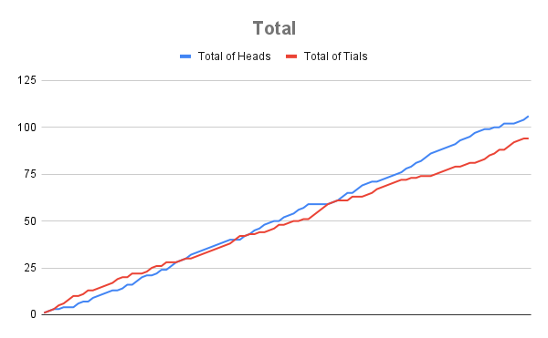
82 | 1 | 0 |  | 45 | 37 |  |  | 82 | 0 | 1 |  | 43 | 39 |  | 82 | 45 | 37 |  | 43 | 39
83 | 1 | 0 |  | 46 | 37 |  |  | 83 | 0 | 1 |  | 43 | 40 |  | 83 | 46 | 37 |  | 43 | 40
84 | 0 | 1 |  | 46 | 38 |  |  | 84 | 1 | 0 |  | 44 | 40 |  | 84 | 46 | 38 |  | 44 | 40
85 | 0 | 1 |  | 46 | 39 |  |  | 85 | 1 | 0 |  | 45 | 40 |  | 85 | 46 | 39 |  | 45 | 40
86 | 1 | 0 |  | 47 | 39 |  |  | 86 | 1 | 0 |  | 46 | 40 |  | 86 | 47 | 39 |  | 46 | 40
87 | 1 | 0 |  | 48 | 39 |  |  | 87 | 0 | 1 |  | 46 | 41 |  | 87 | 48 | 39 |  | 46 | 41
88 | 1 | 0 |  | 49 | 39 |  |  | 88 | 0 | 1 |  | 46 | 42 |  | 88 | 49 | 39 |  | 46 | 42
89 | 1 | 0 |  | 50 | 39 |  |  | 89 | 1 | 0 |  | 47 | 42 |  | 89 | 50 | 39 |  | 47 | 42
90 | 0 | 1 |  | 50 | 40 |  |  | 90 | 1 | 0 |  | 48 | 42 |  | 90 | 50 | 40 |  | 48 | 42
91 | 0 | 1 |  | 50 | 41 |  |  | 91 | 1 | 0 |  | 49 | 42 |  | 91 | 50 | 41 |  | 49 | 42
92 | 0 | 1 |  | 50 | 42 |  |  | 92 | 0 | 1 |  | 49 | 43 |  | 92 | 50 | 42 |  | 49 | 43
93 | 0 | 1 |  | 50 | 43 |  |  | 93 | 1 | 0 |  | 50 | 43 |  | 93 | 50 | 43 |  | 50 | 43
94 | 0 | 1 |  | 50 | 44 |  |  | 94 | 0 | 1 |  | 50 | 44 |  | 94 | 50 | 44 |  | 50 | 44
95 | 1 | 0 |  | 51 | 44 |  |  | 95 | 1 | 0 |  | 51 | 44 |  | 95 | 51 | 44 |  | 51 | 44
96 | 0 | 1 |  | 51 | 45 |  |  | 96 | 0 | 1 |  | 51 | 45 |  | 96 | 51 | 45 |  | 51 | 45
97 | 0 | 1 |  | 51 | 46 |  |  | 97 | 0 | 1 |  | 51 | 46 |  | 97 | 51 | 46 |  | 51 | 46
98 | 0 | 1 |  | 51 | 47 |  |  | 98 | 1 | 0 |  | 52 | 46 |  | 98 | 51 | 47 |  | 52 | 46
99 | 0 | 1 |  | 51 | 48 |  |  | 99 | 1 | 0 |  | 53 | 46 |  | 99 | 51 | 48 |  | 53 | 46
100 | 1 | 0 |  | 52 | 48 |  |  | 100 | 1 | 0 |  | 54 | 46 |  | 100 | 52 | 48 |  | 54 | 46
TOTAL |  |  |  | 52 | 48 |  |  | TOTAL |  |  |  | 54 | 46 |  | TOTAL | 52 | 48 |  | 54 | 46

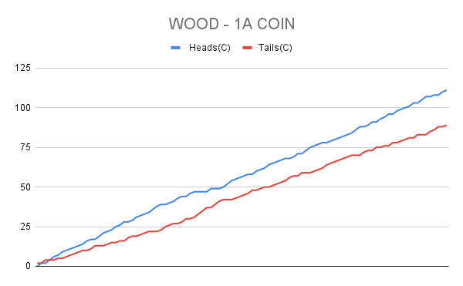
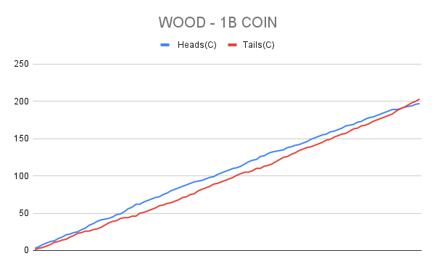
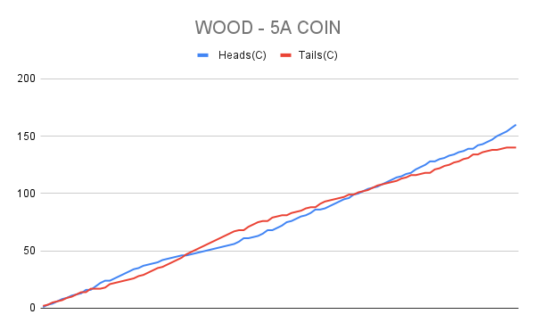
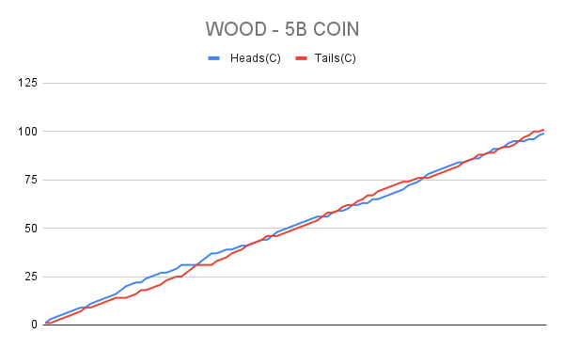
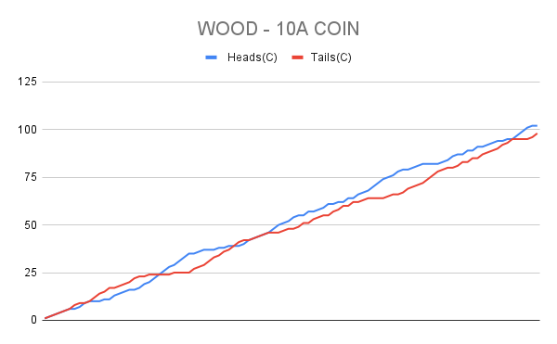
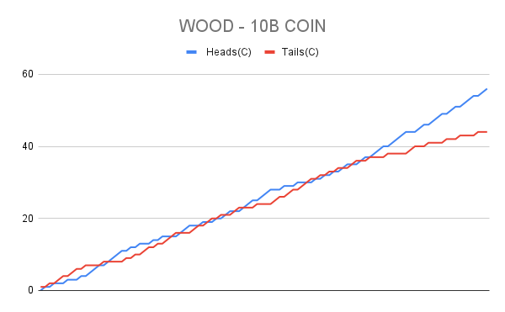

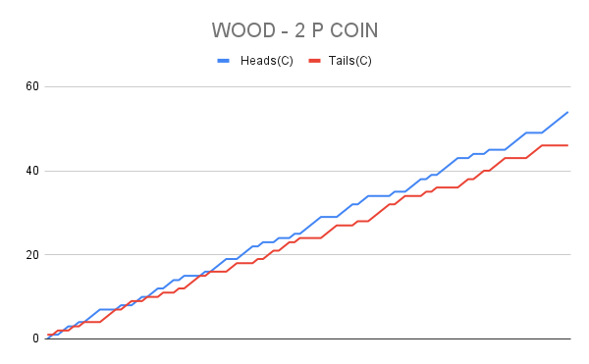
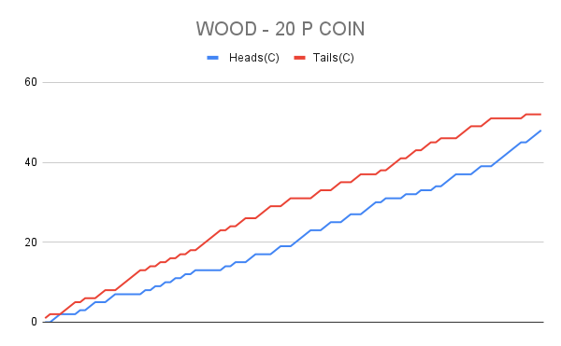


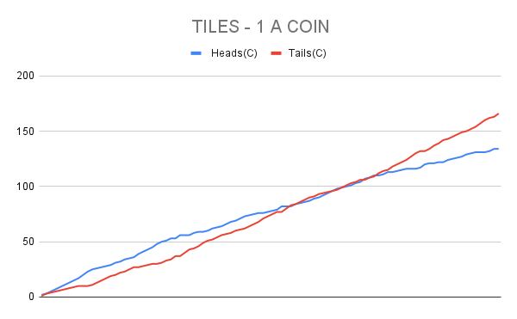
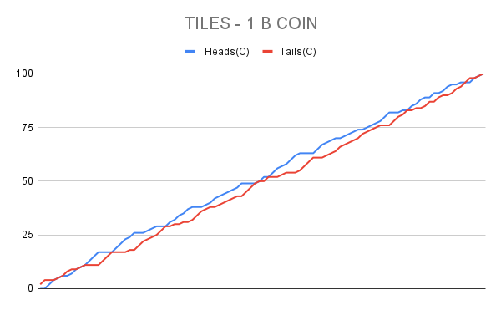
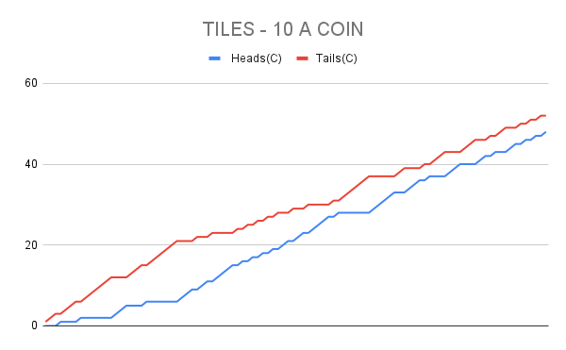
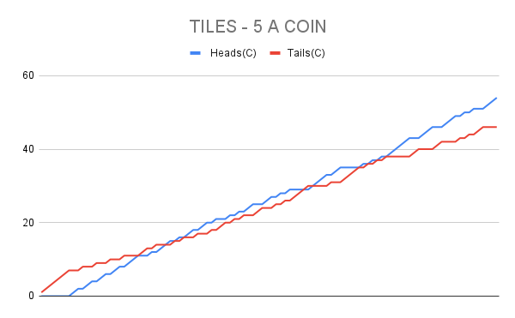
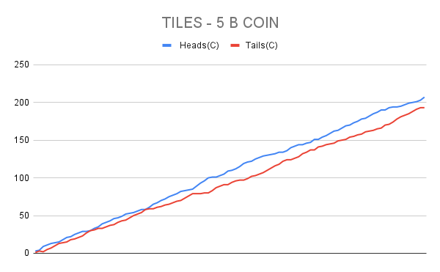

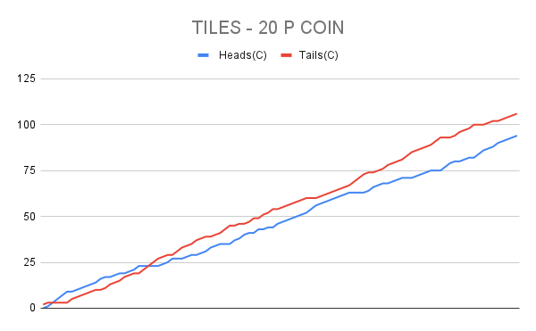
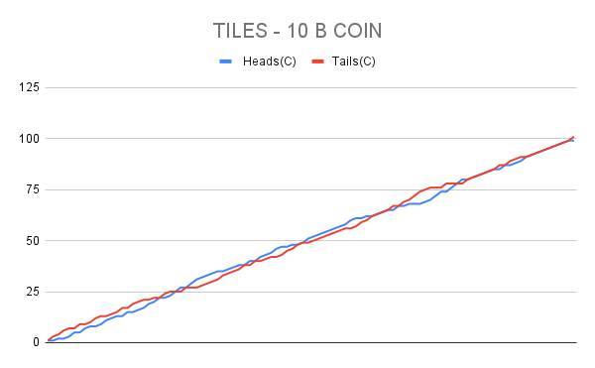
 |  |  |  |  | TILES - 5B |  |  |  |  |  |  | 5B
 | Heads(C) |  |  |  |  | Tails(C) |  |  |  |  | Heads(C) |  | Tails(C)
 | 1 | 1 | 1 | 0 |  | 0 | 0 | 0 | 1 |  | 3 |  | 1
 | 0 | 2 | 2 | 0 |  | 1 | 0 | 0 | 2 |  | 4 |  | 3
 | 2 | 3 | 3 | 1 |  | 0 | 0 | 0 | 2 |  | 9 |  | 2
 | 3 | 3 | 3 | 2 |  | 1 | 1 | 1 | 2 |  | 11 |  | 5
 | 4 | 3 | 4 | 2 |  | 1 | 2 | 1 | 3 |  | 13 |  | 7
 | 4 | 4 | 4 | 2 |  | 2 | 2 | 2 | 4 |  | 14 |  | 10
 | 4 | 4 | 4 | 3 |  | 3 | 3 | 3 | 4 |  | 15 |  | 13
 | 5 | 5 | 5 | 3 |  | 3 | 3 | 3 | 5 |  | 18 |  | 14
 | 6 | 6 | 5 | 4 |  | 3 | 3 | 4 | 5 |  | 21 |  | 15
 | 6 | 6 | 5 | 5 |  | 4 | 4 | 5 | 5 |  | 22 |  | 18
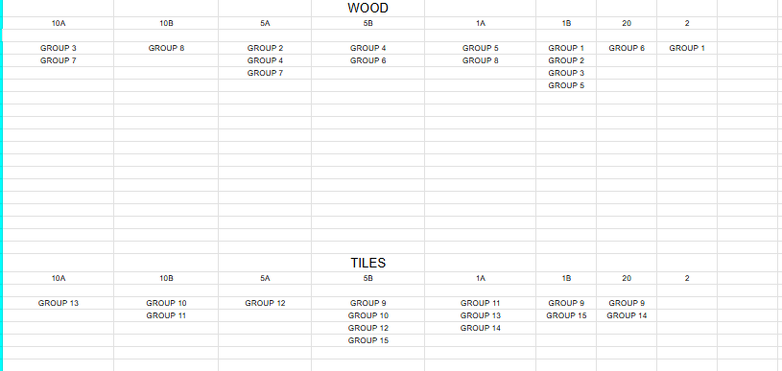
 | 7 | 6 | 6 | 6 |  | 4 | 5 | 5 | 5 |  | 25 |  | 19
 | 8 | 7 | 6 | 6 |  | 4 | 5 | 6 | 6 |  | 27 |  | 21
 | 8 | 7 | 7 | 7 |  | 5 | 6 | 6 | 6 |  | 29 |  | 23
 | 8 | 7 | 7 | 7 |  | 6 | 7 | 7 | 7 |  | 29 |  | 27
 | 9 | 7 | 7 | 7 |  | 6 | 8 | 8 | 8 |  | 30 |  | 30
 | 10 | 8 | 7 | 8 |  | 6 | 8 | 9 | 8 |  | 33 |  | 31
 | 10 | 9 | 7 | 9 |  | 7 | 8 | 10 | 8 |  | 35 |  | 33
 | 11 | 10 | 8 | 10 |  | 7 | 8 | 10 | 8 |  | 39 |  | 33
 | 12 | 11 | 8 | 10 |  | 7 | 8 | 11 | 9 |  | 41 |  | 35
 | 12 | 11 | 9 | 11 |  | 8 | 9 | 11 | 9 |  | 43 |  | 37
 | 12 | 12 | 10 | 12 |  | 9 | 9 | 11 | 9 |  | 46 |  | 38
 | 12 | 12 | 10 | 13 |  | 10 | 10 | 12 | 9 |  | 47 |  | 41
 | 13 | 12 | 10 | 14 |  | 10 | 11 | 13 | 9 |  | 49 |  | 43
 | 14 | 13 | 11 | 14 |  | 10 | 11 | 13 | 10 |  | 52 |  | 44
 | 14 | 13 | 12 | 14 |  | 11 | 12 | 13 | 11 |  | 53 |  | 47
 | 14 | 14 | 12 | 14 |  | 12 | 12 | 14 | 12 |  | 54 |  | 50
 | 15 | 14 | 13 | 14 |  | 12 | 13 | 14 | 13 |  | 56 |  | 52
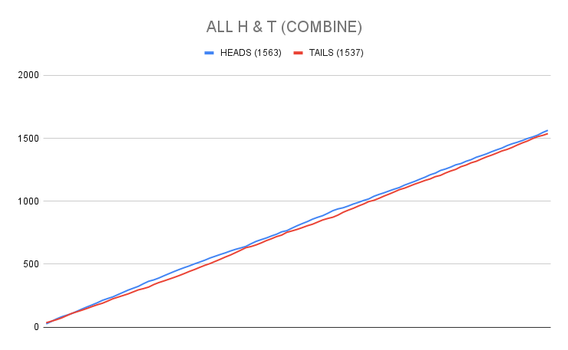
 | 16 | 14 | 14 | 14 |  | 12 | 14 | 14 | 14 |  | 58 |  | 54
 | 16 | 14 | 14 | 14 |  | 13 | 15 | 15 | 15 |  | 58 |  | 58
 | 16 | 15 | 15 | 15 |  | 14 | 15 | 15 | 15 |  | 61 |  | 59
 | 17 | 16 | 16 | 16 |  | 14 | 15 | 15 | 15 |  | 65 |  | 59
 | 17 | 17 | 17 | 16 |  | 15 | 15 | 15 | 16 |  | 67 |  | 61
 | 18 | 18 | 17 | 17 |  | 15 | 15 | 16 | 16 |  | 70 |  | 62
 | 18 | 19 | 17 | 18 |  | 16 | 15 | 17 | 16 |  | 72 |  | 64
 | 18 | 20 | 18 | 19 |  | 17 | 15 | 17 | 16 |  | 75 |  | 65
 | 18 | 21 | 18 | 20 |  | 18 | 15 | 18 | 16 |  | 77 |  | 67
 | 18 | 22 | 18 | 21 |  | 19 | 15 | 19 | 16 |  | 79 |  | 69
 | 19 | 22 | 19 | 22 |  | 19 | 16 | 19 | 16 |  | 82 |  | 70
 | 20 | 22 | 19 | 22 |  | 19 | 17 | 20 | 17 |  | 83 |  | 73
 | 20 | 22 | 19 | 23 |  | 20 | 18 | 21 | 17 |  | 84 |  | 76
 | 20 | 22 | 19 | 24 |  | 21 | 19 | 22 | 17 |  | 85 |  | 79
 | 21 | 23 | 20 | 25 |  | 21 | 19 | 22 | 17 |  | 89 |  | 79
 | 22 | 24 | 21 | 26 |  | 21 | 19 | 22 | 17 |  | 93 |  | 79
 | 23 | 24 | 22 | 27 |  | 21 | 20 | 22 | 17 |  | 96 |  | 80
 | 24 | 25 | 23 | 28 |  | 21 | 20 | 22 | 17 |  | 100 |  | 80
 | 24 | 25 | 24 | 28 |  | 22 | 21 | 22 | 18 |  | 101 |  | 83
 | 24 | 25 | 24 | 28 |  | 23 | 22 | 23 | 19 |  | 101 |  | 87
 | 24 | 25 | 25 | 29 |  | 24 | 23 | 23 | 19 |  | 103 |  | 89
 | 25 | 25 | 25 | 30 |  | 24 | 24 | 24 | 19 |  | 105 |  | 91
 | 26 | 26 | 26 | 31 |  | 24 | 24 | 24 | 19 |  | 109 |  | 91
 | 26 | 27 | 26 | 31 |  | 25 | 24 | 25 | 20 |  | 110 |  | 94
 | 26 | 28 | 27 | 31 |  | 26 | 24 | 25 | 21 |  | 112 |  | 96
 | 27 | 29 | 28 | 31 |  | 26 | 24 | 25 | 22 |  | 115 |  | 97
 | 28 | 30 | 29 | 32 |  | 26 | 24 | 25 | 22 |  | 119 |  | 97
 | 28 | 31 | 30 | 32 |  | 27 | 24 | 25 | 23 |  | 121 |  | 99
 | 28 | 32 | 30 | 32 |  | 28 | 24 | 26 | 24 |  | 122 |  | 102
 | 29 | 33 | 30 | 33 |  | 28 | 24 | 27 | 24 |  | 125 |  | 103
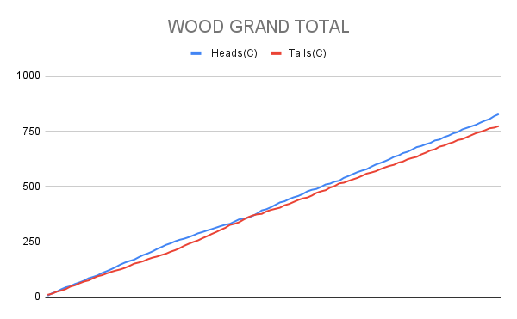
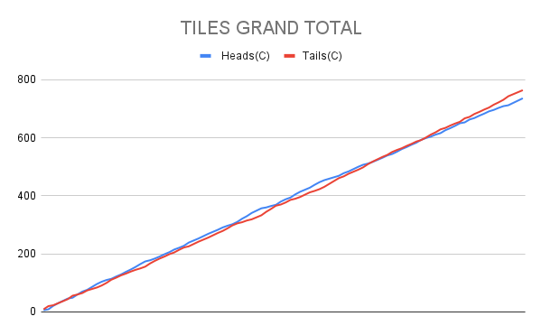
 | 30 | 33 | 30 | 34 |  | 28 | 25 | 28 | 24 |  | 127 |  | 105
 | 31 | 34 | 30 | 34 |  | 28 | 25 | 29 | 25 |  | 129 |  | 107
 | 31 | 34 | 30 | 35 |  | 29 | 26 | 30 | 25 |  | 130 |  | 110
 | 31 | 35 | 30 | 35 |  | 30 | 26 | 31 | 26 |  | 131 |  | 113
 | 31 | 35 | 31 | 35 |  | 31 | 27 | 31 | 27 |  | 132 |  | 116
 | 32 | 35 | 32 | 35 |  | 31 | 28 | 31 | 28 |  | 134 |  | 118
 | 32 | 35 | 32 | 35 |  | 32 | 29 | 32 | 29 |  | 134 |  | 122
 | 32 | 36 | 33 | 35 |  | 33 | 29 | 32 | 30 |  | 136 |  | 124
 | 33 | 37 | 34 | 36 |  | 33 | 29 | 32 | 30 |  | 140 |  | 124
 | 34 | 37 | 35 | 36 |  | 33 | 30 | 32 | 31 |  | 142 |  | 126
 | 35 | 37 | 36 | 36 |  | 33 | 31 | 32 | 32 |  | 144 |  | 128
 | 35 | 37 | 36 | 36 |  | 34 | 32 | 33 | 33 |  | 144 |  | 132
 | 35 | 38 | 37 | 36 |  | 35 | 32 | 33 | 34 |  | 146 |  | 134
 | 35 | 39 | 37 | 36 |  | 36 | 32 | 34 | 35 |  | 147 |  | 137
 | 36 | 40 | 38 | 37 |  | 36 | 32 | 34 | 35 |  | 151 |  | 137
 | 36 | 40 | 38 | 37 |  | 37 | 33 | 35 | 36 |  | 151 |  | 141
 | 36 | 41 | 39 | 38 |  | 38 | 33 | 35 | 36 |  | 154 |  | 142
 | 36 | 41 | 40 | 39 |  | 39 | 34 | 35 | 36 |  | 156 |  | 144
 | 36 | 42 | 41 | 40 |  | 40 | 34 | 35 | 36 |  | 159 |  | 145
 | 36 | 43 | 42 | 41 |  | 41 | 34 | 35 | 36 |  | 162 |  | 146
 | 37 | 43 | 42 | 41 |  | 41 | 35 | 36 | 37 |  | 163 |  | 149
 | 38 | 43 | 43 | 42 |  | 41 | 36 | 36 | 37 |  | 166 |  | 150
 | 38 | 44 | 44 | 43 |  | 42 | 36 | 36 | 37 |  | 169 |  | 151
 | 38 | 44 | 44 | 44 |  | 43 | 37 | 37 | 37 |  | 170 |  | 154
 | 38 | 45 | 45 | 45 |  | 44 | 37 | 37 | 37 |  | 173 |  | 155
 | 38 | 46 | 46 | 45 |  | 45 | 37 | 37 | 38 |  | 175 |  | 157
 | 39 | 47 | 46 | 46 |  | 45 | 37 | 38 | 38 |  | 178 |  | 158
 | 40 | 47 | 46 | 46 |  | 45 | 38 | 39 | 39 |  | 179 |  | 161
 | 41 | 48 | 47 | 46 |  | 45 | 38 | 39 | 40 |  | 182 |  | 162
 | 41 | 49 | 48 | 47 |  | 46 | 38 | 39 | 40 |  | 185 |  | 163
 | 41 | 50 | 49 | 47 |  | 47 | 38 | 39 | 41 |  | 187 |  | 165
 | 41 | 51 | 50 | 48 |  | 48 | 38 | 39 | 41 |  | 190 |  | 166
 | 41 | 51 | 50 | 48 |  | 49 | 39 | 40 | 42 |  | 190 |  | 170
 | 42 | 52 | 50 | 49 |  | 49 | 39 | 41 | 42 |  | 193 |  | 171
 | 43 | 52 | 50 | 49 |  | 49 | 40 | 42 | 43 |  | 194 |  | 174
 | 43 | 52 | 50 | 49 |  | 50 | 41 | 43 | 44 |  | 194 |  | 178
 | 43 | 53 | 50 | 49 |  | 51 | 41 | 44 | 45 |  | 195 |  | 181
 | 44 | 53 | 51 | 49 |  | 51 | 42 | 44 | 46 |  | 197 |  | 183
 | 45 | 54 | 51 | 49 |  | 51 | 42 | 45 | 47 |  | 199 |  | 185
 | 46 | 54 | 51 | 49 |  | 51 | 43 | 46 | 48 |  | 200 |  | 188
 | 46 | 54 | 51 | 50 |  | 52 | 44 | 47 | 48 |  | 201 |  | 191
 | 47 | 55 | 51 | 50 |  | 52 | 44 | 48 | 49 |  | 203 |  | 193
 | 48 | 56 | 52 | 51 |  | 52 | 44 | 48 | 49 |  | 207 |  | 193

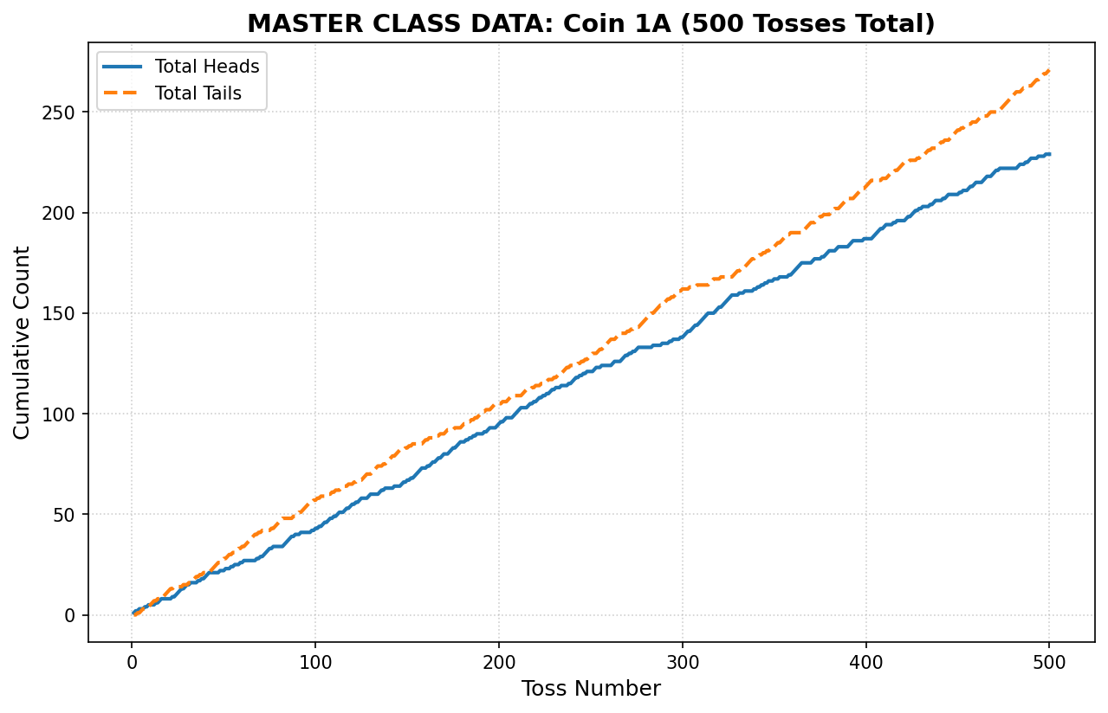
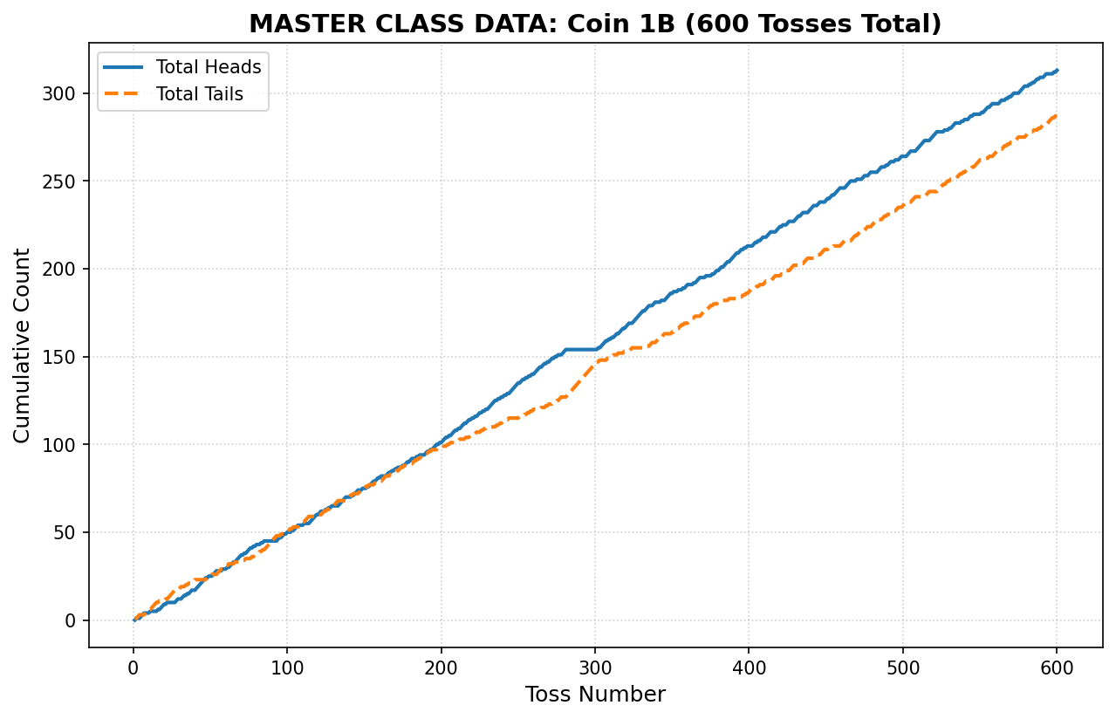

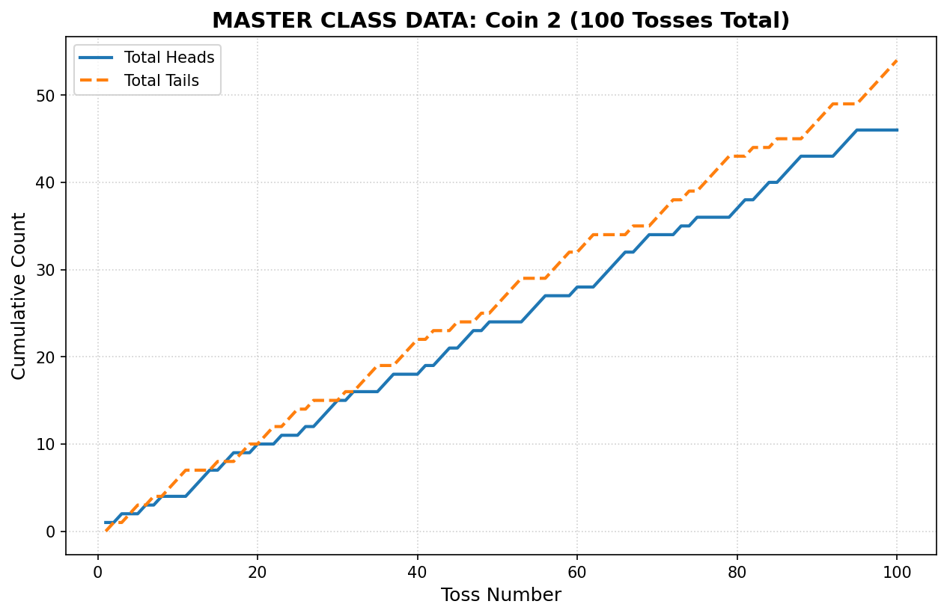

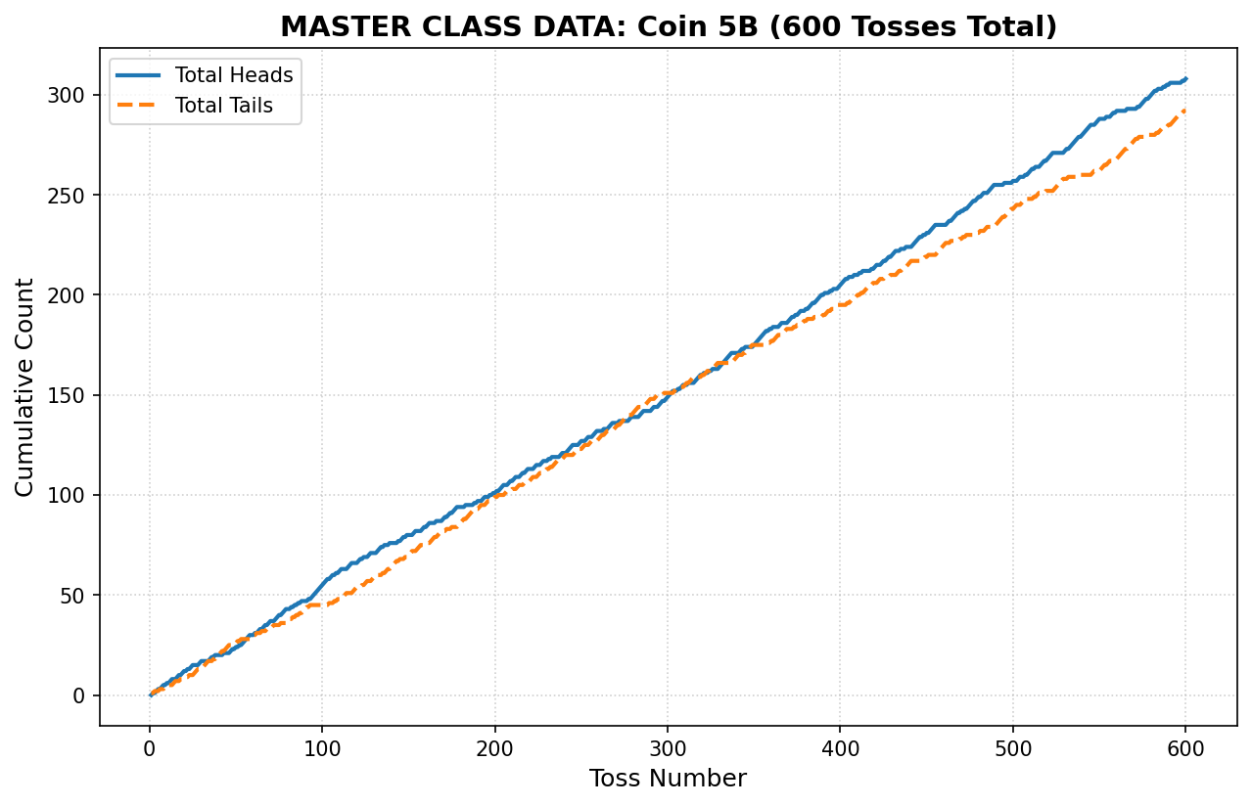
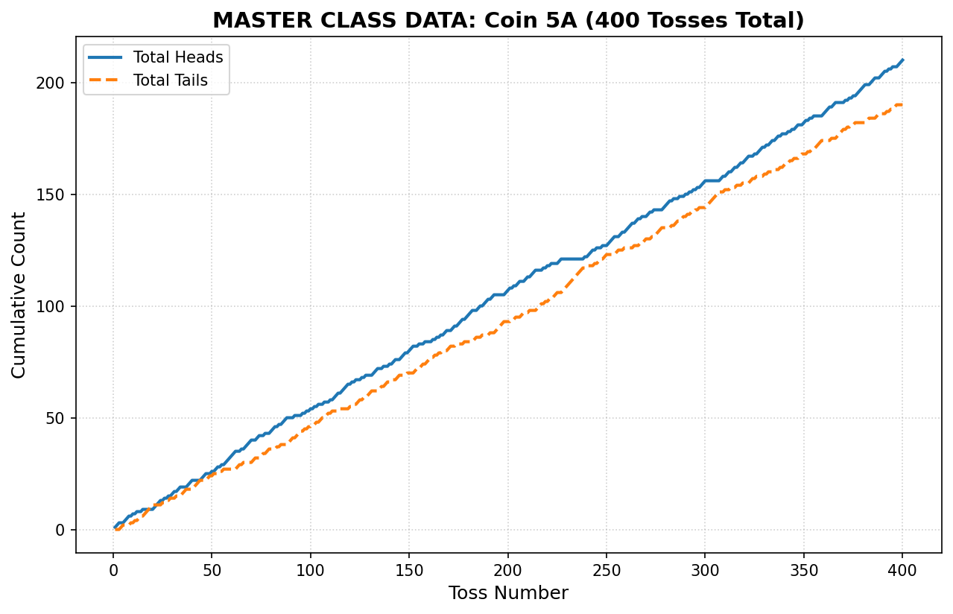

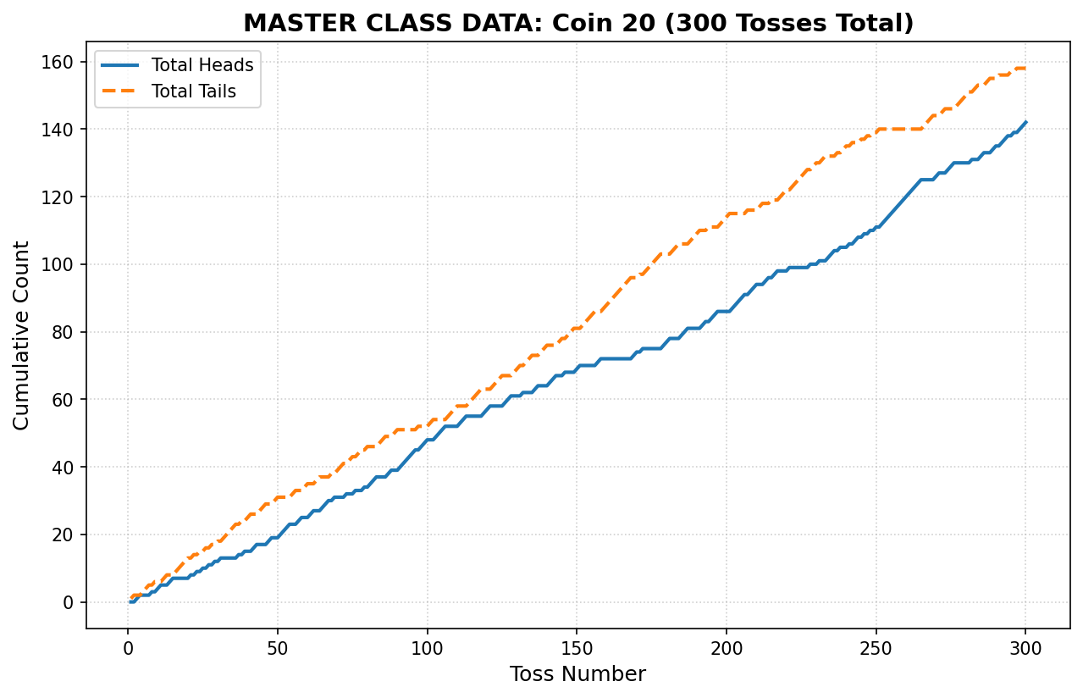

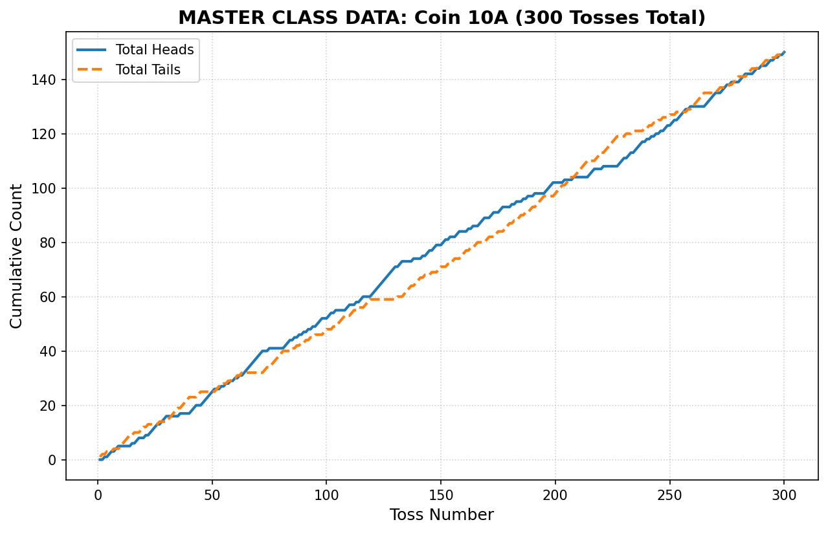
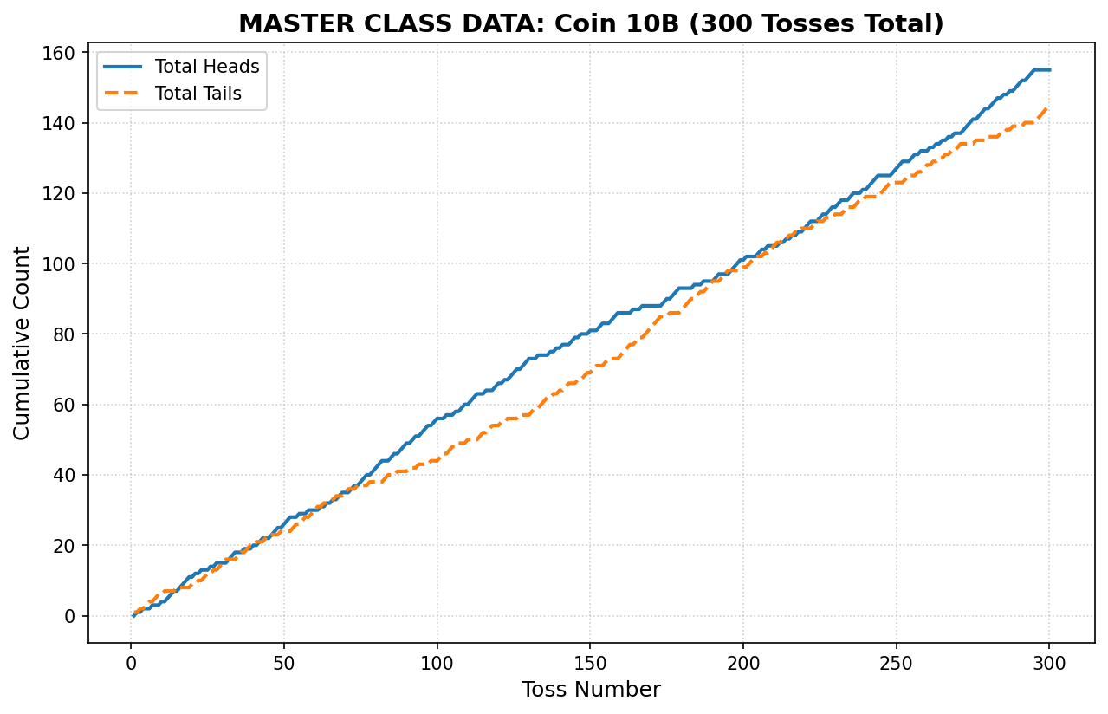

 | 1B |  |  |  |  |  |  |  |  |  |  |  | 20 P COIN |  |  | 2 P COIN |  |  |  |  | 10A |  |  |  | 10B
 |  |  | Heads(C) | Tails(C) |  | Heads(C) | Tails(C) |  | Heads(C) | Tails(C) |  |  | Heads(C) | Tails(C) |  |  |  |  |  |  | Heads(C) | Tails(C) |  | Heads(C) |  |  | Tails(C)
 |  |  | 0 | 1 |  | 1 | 0 |  | 1 | 0 |  |  | 0 | 1 |  |  |  |  |  |  | 0 | 1 |  | 0 | 1 |  | 0 | 1
 |  |  | 0 | 2 |  | 2 | 0 |  | 2 | 0 |  |  | 0 | 2 |  |  |  |  |  |  | 0 | 2 |  | 0 | 1 |  | 1 | 2
 |  |  | 1 | 2 |  | 3 | 0 |  | 2 | 1 |  |  | 1 | 2 |  |  |  |  |  |  | 0 | 3 |  | 1 | 1 |  | 2 | 2
 |  |  | 1 | 3 |  | 3 | 1 |  | 3 | 1 |  |  | 2 | 2 |  |  |  |  |  |  | 1 | 3 |  | 1 | 1 |  | 3 | 3
 |  |  | 2 | 3 |  | 4 | 1 |  | 3 | 2 |  |  | 2 | 3 |  |  |  |  |  |  | 1 | 4 |  | 1 | 2 |  | 3 | 4
 |  |  | 3 | 3 |  | 4 | 2 |  | 3 | 3 |  |  | 2 | 4 |  |  |  |  |  |  | 1 | 5 |  | 2 | 3 |  | 3 | 4
 |  |  | 4 | 3 |  | 5 | 2 |  | 4 | 3 |  |  | 2 | 5 |  |  |  |  |  |  | 1 | 6 |  | 2 | 3 |  | 4 | 5
 |  |  | 4 | 4 |  | 6 | 2 |  | 4 | 4 |  |  | 3 | 5 |  |  |  |  |  |  | 2 | 6 |  | 3 | 4 |  | 4 | 5
 |  |  | 4 | 5 |  | 7 | 2 |  | 5 | 4 |  |  | 3 | 6 |  |  |  |  |  |  | 2 | 7 |  | 4 | 4 |  | 5 | 5
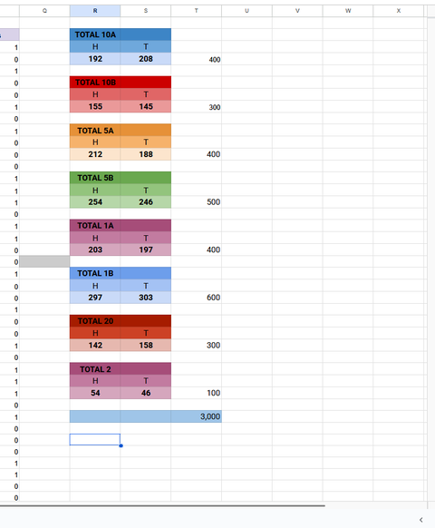
 |  |  | 4 | 6 |  | 7 | 3 |  | 5 | 5 |  |  | 4 | 6 |  |  |  |  |  |  | 2 | 8 |  | 4 | 4 |  | 6 | 6
 |  |  | 5 | 6 |  | 8 | 3 |  | 5 | 6 |  |  | 5 | 6 |  |  |  |  |  |  | 2 | 9 |  | 5 | 4 |  | 7 | 6
 |  |  | 5 | 7 |  | 8 | 4 |  | 5 | 7 |  |  | 5 | 7 |  |  |  |  |  |  | 2 | 10 |  | 6 | 5 |  | 7 | 6
 |  |  | 5 | 8 |  | 9 | 4 |  | 6 | 7 |  |  | 5 | 8 |  |  |  |  |  |  | 2 | 11 |  | 7 | 5 |  | 8 | 6
 |  |  | 5 | 9 |  | 10 | 4 |  | 6 | 8 |  |  | 6 | 8 |  |  |  |  |  |  | 2 | 12 |  | 7 | 6 |  | 8 | 7
 |  |  | 6 | 9 |  | 11 | 4 |  | 7 | 8 |  |  | 7 | 8 |  |  |  |  |  |  | 3 | 12 |  | 7 | 6 |  | 9 | 8
 |  |  | 7 | 9 |  | 11 | 5 |  | 8 | 8 |  |  | 7 | 9 |  |  |  |  |  |  | 4 | 12 |  | 8 | 7 |  | 9 | 8
 |  |  | 8 | 9 |  | 12 | 5 |  | 8 | 9 |  |  | 7 | 10 |  |  |  |  |  |  | 5 | 12 |  | 8 | 7 |  | 10 | 9
 |  |  | 9 | 9 |  | 13 | 5 |  | 8 | 10 |  |  | 7 | 11 |  |  |  |  |  |  | 5 | 13 |  | 8 | 8 |  | 10 | 10
 |  |  | 10 | 9 |  | 13 | 6 |  | 8 | 11 |  |  | 7 | 12 |  |  |  |  |  |  | 5 | 14 |  | 9 | 8 |  | 11 | 10
 |  |  | 10 | 10 |  | 14 | 6 |  | 8 | 12 |  |  | 7 | 13 |  |  |  |  |  |  | 5 | 15 |  | 10 | 9 |  | 11 | 10
 |  |  | 11 | 10 |  | 14 | 7 |  | 8 | 13 |  |  | 8 | 13 |  |  |  |  |  |  | 6 | 15 |  | 10 | 10 |  | 11 | 11
 |  |  | 12 | 10 |  | 15 | 7 |  | 9 | 13 |  |  | 8 | 14 |  |  |  |  |  |  | 6 | 16 |  | 11 | 11 |  | 11 | 11
 |  |  | 12 | 11 |  | 15 | 8 |  | 9 | 14 |  |  | 9 | 14 |  |  |  |  |  |  | 6 | 17 |  | 11 | 11 |  | 12 | 12
 |  |  | 12 | 12 |  | 16 | 8 |  | 10 | 14 |  |  | 9 | 15 |  |  |  |  |  |  | 6 | 18 |  | 12 | 11 |  | 13 | 12
 |  |  | 13 | 12 |  | 17 | 8 |  | 11 | 14 |  |  | 10 | 15 |  |  |  |  |  |  | 6 | 19 |  | 13 | 12 |  | 13 | 12
 |  |  | 13 | 13 |  | 17 | 9 |  | 12 | 14 |  |  | 10 | 16 |  |  |  |  |  |  | 6 | 20 |  | 14 | 13 |  | 13 | 12
 |  |  | 14 | 13 |  | 18 | 9 |  | 13 | 14 |  |  | 11 | 16 |  |  |  |  |  |  | 6 | 21 |  | 14 | 13 |  | 14 | 13
 |  |  | 14 | 14 |  | 18 | 10 |  | 13 | 15 |  |  | 11 | 17 |  |  |  |  |  |  | 7 | 21 |  | 15 | 14 |  | 14 | 13
 |  |  | 15 | 14 |  | 19 | 10 |  | 14 | 15 |  |  | 12 | 17 |  |  |  |  |  |  | 8 | 21 |  | 16 | 15 |  | 14 | 13
 |  |  | 15 | 15 |  | 19 | 11 |  | 15 | 15 |  |  | 12 | 18 |  |  |  |  |  |  | 9 | 21 |  | 17 | 15 |  | 15 | 13
 |  |  | 15 | 16 |  | 20 | 11 |  | 15 | 16 |  |  | 13 | 18 |  |  |  |  |  |  | 9 | 22 |  | 17 | 16 |  | 15 | 14
 |  |  | 15 | 17 |  | 21 | 11 |  | 16 | 16 |  |  | 13 | 19 |  |  |  |  |  |  | 10 | 22 |  | 17 | 17 |  | 15 | 15
 |  |  | 15 | 18 |  | 22 | 11 |  | 16 | 17 |  |  | 13 | 20 |  |  |  |  |  |  | 11 | 22 |  | 18 | 17 |  | 16 | 15
 |  |  | 16 | 18 |  | 23 | 11 |  | 16 | 18 |  |  | 13 | 21 |  |  |  |  |  |  | 11 | 23 |  | 18 | 17 |  | 17 | 16
 |  |  | 17 | 18 |  | 24 | 11 |  | 16 | 19 |  |  | 13 | 22 |  |  |  |  |  |  | 12 | 23 |  | 18 | 18 |  | 17 | 17
 |  |  | 18 | 18 |  | 24 | 12 |  | 17 | 19 |  |  | 13 | 23 |  |  |  |  |  |  | 13 | 23 |  | 18 | 19 |  | 17 | 18
 |  |  | 19 | 18 |  | 25 | 12 |  | 17 | 20 |  |  | 14 | 23 |  |  |  |  |  |  | 14 | 23 |  | 19 | 19 |  | 18 | 18
 |  |  | 20 | 18 |  | 25 | 13 |  | 18 | 20 |  |  | 14 | 24 |  |  |  |  |  |  | 15 | 23 |  | 19 | 19 |  | 19 | 19
 |  |  | 20 | 19 |  | 26 | 14 |  | 18 | 21 |  |  | 15 | 24 |  |  |  |  |  |  | 15 | 24 |  | 20 | 20 |  | 19 | 19
 |  |  | 20 | 20 |  | 26 | 14 |  | 19 | 21 |  |  | 15 | 25 |  |  |  |  |  |  | 16 | 24 |  | 20 | 20 |  | 20 | 20
 |  |  | 20 | 21 |  | 27 | 15 |  | 20 | 21 |  |  | 15 | 26 |  |  |  |  |  |  | 16 | 25 |  | 21 | 21 |  | 20 | 20
 |  |  | 21 | 21 |  | 27 | 15 |  | 21 | 21 |  |  | 16 | 26 |  |  |  |  |  |  | 17 | 25 |  | 21 | 22 |  | 20 | 21
 |  |  | 21 | 22 |  | 28 | 16 |  | 21 | 22 |  |  | 17 | 26 |  |  |  |  |  |  | 17 | 26 |  | 21 | 23 |  | 20 | 22
 |  |  | 22 | 22 |  | 28 | 16 |  | 21 | 23 |  |  | 17 | 27 |  |  |  |  |  |  | 18 | 26 |  | 22 | 24 |  | 20 | 22
 |  |  | 23 | 22 |  | 29 | 16 |  | 21 | 24 |  |  | 17 | 28 |  |  |  |  |  |  | 18 | 27 |  | 23 | 24 |  | 21 | 22
 |  |  | 24 | 22 |  | 30 | 16 |  | 21 | 25 |  |  | 17 | 29 |  |  |  |  |  |  | 19 | 27 |  | 23 | 24 |  | 22 | 23
 |  |  | 24 | 23 |  | 31 | 16 |  | 21 | 26 |  |  | 18 | 29 |  |  |  |  |  |  | 19 | 28 |  | 24 | 24 |  | 23 | 23
 |  |  | 24 | 24 |  | 32 | 16 |  | 22 | 26 |  |  | 19 | 29 |  |  |  |  |  |  | 20 | 28 |  | 24 | 24 |  | 24 | 24
 |  |  | 25 | 24 |  | 33 | 16 |  | 22 | 27 | negro |  | 19 | 30 |  |  |  |  |  |  | 21 | 28 |  | 24 | 25 |  | 24 | 25
 |  |  | 25 | 25 |  | 34 | 16 |  | 22 | 28 | UAUUAUGHH |  | 19 | 31 |  |  |  |  |  |  | 21 | 29 |  | 25 | 26 |  | 24 | 25
 |  |  | 25 | 26 |  | 34 | 17 |  | 23 | 28 |  |  | 20 | 31 |  |  |  |  |  |  | 22 | 29 |  | 25 | 27 |  | 24 | 26
 |  |  | 26 | 26 |  | 35 | 17 |  | 23 | 29 |  |  | 21 | 31 |  |  |  |  |  |  | 23 | 29 |  | 25 | 28 |  | 24 | 27
 |  |  | 26 | 27 |  | 36 | 17 |  | 23 | 30 |  |  | 22 | 31 |  |  |  |  |  |  | 23 | 30 |  | 26 | 28 |  | 25 | 27
 |  |  | 27 | 27 |  | 36 | 18 |  | 24 | 30 |  |  | 23 | 31 |  |  |  |  |  |  | 24 | 30 |  | 27 | 28 |  | 26 | 27
 |  |  | 28 | 27 |  | 37 | 19 |  | 24 | 31 |  |  | 23 | 32 |  |  |  |  |  |  | 25 | 30 |  | 27 | 29 |  | 26 | 28
 |  |  | 29 | 27 |  | 37 | 19 |  | 25 | 31 |  |  | 23 | 33 |  |  |  |  |  |  | 26 | 30 |  | 27 | 30 |  | 26 | 29
 |  |  | 29 | 28 |  | 38 | 19 |  | 25 | 32 |  |  | 24 | 33 |  |  |  |  |  |  | 27 | 30 |  | 28 | 30 |  | 27 | 29
 |  |  | 30 | 28 |  | 38 | 20 |  | 25 | 33 |  |  | 25 | 33 |  |  |  |  |  |  | 27 | 31 |  | 29 | 31 |  | 27 | 29
 |  |  | 31 | 28 |  | 39 | 20 |  | 26 | 33 |  |  | 25 | 34 |  |  |  |  |  |  | 28 | 31 |  | 30 | 31 |  | 28 | 29
 |  |  | 31 | 29 |  | 39 | 21 |  | 26 | 34 |  |  | 25 | 35 |  |  |  |  |  |  | 28 | 32 |  | 30 | 31 |  | 29 | 30
 |  |  | 32 | 29 |  | 40 | 21 |  | 27 | 34 |  |  | 26 | 35 |  |  |  |  |  |  | 28 | 33 |  | 30 | 32 |  | 29 | 31
 |  |  | 32 | 30 |  | 41 | 21 |  | 27 | 35 |  |  | 27 | 35 |  |  |  |  |  |  | 28 | 34 |  | 30 | 32 |  | 30 | 32
 |  |  | 32 | 31 |  | 42 | 21 |  | 27 | 36 |  |  | 27 | 36 |  |  |  |  |  |  | 28 | 35 |  | 30 | 33 |  | 30 | 33
 |  |  | 32 | 32 |  | 43 | 21 |  | 27 | 37 |  |  | 27 | 37 |  |  |  |  |  |  | 28 | 36 |  | 31 | 33 |  | 31 | 33
 |  |  | 33 | 32 |  | 43 | 22 |  | 27 | 38 |  |  | 28 | 37 |  |  |  |  |  |  | 28 | 37 |  | 31 | 34 |  | 31 | 34
 |  |  | 34 | 32 |  | 44 | 22 |  | 27 | 39 |  |  | 29 | 37 |  |  |  |  |  |  | 29 | 37 |  | 31 | 34 |  | 32 | 35
 |  |  | 34 | 33 |  | 45 | 22 |  | 27 | 40 |  |  | 30 | 37 |  |  |  |  |  |  | 30 | 37 |  | 32 | 35 |  | 32 | 35
 |  |  | 35 | 33 |  | 45 | 23 |  | 28 | 40 |  |  | 30 | 38 |  |  |  |  |  |  | 31 | 37 |  | 32 | 35 |  | 33 | 36
 |  |  | 35 | 34 |  | 46 | 23 |  | 28 | 41 |  |  | 31 | 38 |  |  |  |  |  |  | 32 | 37 |  | 32 | 36 |  | 33 | 37
 |  |  | 36 | 34 |  | 46 | 24 |  | 29 | 41 |  |  | 31 | 39 |  |  |  |  |  |  | 33 | 37 |  | 32 | 36 |  | 34 | 38
 |  |  | 36 | 35 |  | 47 | 24 |  | 29 | 42 |  |  | 31 | 40 |  |  |  |  |  |  | 33 | 38 |  | 32 | 36 |  | 35 | 39
 |  |  | 37 | 35 |  | 48 | 24 |  | 30 | 42 |  |  | 31 | 41 |  |  |  |  |  |  | 33 | 39 |  | 32 | 37 |  | 35 | 40
 |  |  | 37 | 36 |  | 48 | 25 |  | 31 | 42 |  |  | 32 | 41 |  |  |  |  |  |  | 34 | 39 |  | 32 | 38 |  | 35 | 41
 |  |  | 37 | 37 |  | 49 | 25 |  | 32 | 42 |  |  | 32 | 42 |  |  |  |  |  |  | 35 | 39 |  | 33 | 39 |  | 35 | 41
 |  |  | 38 | 37 |  | 49 | 26 |  | 33 | 42 |  |  | 32 | 43 |  |  |  |  |  |  | 36 | 39 |  | 34 | 40 |  | 35 | 41
 |  |  | 38 | 38 |  | 50 | 26 |  | 33 | 43 |  |  | 33 | 43 |  |  |  |  |  |  | 36 | 40 |  | 34 | 40 |  | 36 | 42
 |  |  | 39 | 38 |  | 50 | 27 |  | 34 | 43 |  |  | 33 | 44 |  |  |  |  |  |  | 37 | 40 |  | 35 | 41 |  | 36 | 42
 |  |  | 40 | 38 |  | 50 | 28 |  | 34 | 44 |  |  | 33 | 45 |  |  |  |  |  |  | 37 | 41 |  | 36 | 42 |  | 36 | 42
 |  |  | 40 | 39 |  | 51 | 28 |  | 34 | 45 |  |  | 34 | 45 |  |  |  |  |  |  | 37 | 42 |  | 37 | 43 |  | 36 | 42
 |  |  | 41 | 39 |  | 52 | 28 |  | 34 | 46 |  |  | 34 | 46 |  |  |  |  |  |  | 37 | 43 |  | 37 | 43 |  | 37 | 43
 |  |  | 42 | 39 |  | 53 | 28 |  | 34 | 47 |  |  | 35 | 46 |  |  |  |  |  |  | 38 | 43 |  | 37 | 44 |  | 37 | 44
 |  |  | 42 | 40 |  | 53 | 29 |  | 34 | 48 |  |  | 36 | 46 |  |  |  |  |  |  | 39 | 43 |  | 37 | 45 |  | 37 | 45
 |  |  | 42 | 41 |  | 53 | 30 |  | 35 | 48 |  |  | 37 | 46 |  |  |  |  |  |  | 40 | 43 |  | 37 | 46 |  | 37 | 46
 |  |  | 43 | 41 |  | 53 | 31 |  | 36 | 48 |  |  | 37 | 47 |  |  |  |  |  |  | 40 | 44 |  | 38 | 46 |  | 38 | 46
 |  |  | 43 | 42 |  | 53 | 32 |  | 37 | 48 |  |  | 37 | 48 |  |  |  |  |  |  | 40 | 45 |  | 38 | 47 |  | 38 | 47
 |  |  | 44 | 42 |  | 53 | 33 |  | 38 | 48 |  |  | 37 | 49 |  |  |  |  |  |  | 40 | 46 |  | 38 | 47 |  | 39 | 48
 |  |  | 44 | 43 |  | 53 | 34 |  | 39 | 48 |  |  | 38 | 49 |  |  |  |  |  |  | 41 | 46 |  | 39 | 48 |  | 39 | 48
 |  |  | 44 | 44 |  | 53 | 35 |  | 39 | 49 |  |  | 39 | 49 |  |  |  |  |  |  | 42 | 46 |  | 39 | 48 |  | 40 | 49
 |  |  | 44 | 45 |  | 53 | 36 |  | 40 | 49 |  |  | 39 | 50 |  |  |  |  |  |  | 42 | 47 |  | 39 | 49 |  | 40 | 50
 |  |  | 45 | 45 |  | 53 | 37 |  | 40 | 50 |  |  | 39 | 51 |  |  |  |  |  |  | 43 | 47 |  | 39 | 50 |  | 40 | 51
 |  |  | 46 | 45 |  | 53 | 38 |  | 40 | 51 |  |  | 40 | 51 |  |  |  |  |  |  | 43 | 48 |  | 40 | 51 |  | 40 | 51
 |  |  | 46 | 46 |  | 53 | 39 |  | 41 | 51 |  |  | 41 | 51 |  |  |  |  |  |  | 43 | 49 |  | 41 | 51 |  | 41 | 51
 |  |  | 47 | 46 |  | 53 | 40 |  | 41 | 52 |  |  | 42 | 51 |  |  |  |  |  |  | 44 | 49 |  | 41 | 52 |  | 41 | 52
 |  |  | 47 | 47 |  | 53 | 41 |  | 41 | 53 |  |  | 43 | 51 |  |  |  |  |  |  | 45 | 49 |  | 41 | 53 |  | 41 | 53
 |  |  | 48 | 47 |  | 53 | 42 |  | 41 | 54 |  |  | 44 | 51 |  |  |  |  |  |  | 45 | 50 |  | 41 | 54 |  | 41 | 54
 |  |  | 49 | 47 |  | 53 | 43 |  | 41 | 55 |  |  | 45 | 51 |  |  |  |  |  |  | 46 | 50 |  | 42 | 54 |  | 42 | 54
 |  |  | 50 | 47 |  | 53 | 44 |  | 41 | 56 |  |  | 45 | 52 |  |  |  |  |  |  | 46 | 51 |  | 43 | 54 |  | 43 | 54
 |  |  | 50 | 48 |  | 53 | 45 |  | 42 | 56 |  |  | 46 | 52 |  |  |  |  |  |  | 47 | 51 |  | 44 | 54 |  | 44 | 54
 |  |  | 51 | 48 |  | 53 | 46 |  | 42 | 57 |  |  | 47 | 52 |  |  |  |  |  |  | 47 | 52 |  | 45 | 54 |  | 45 | 54
 |  |  | 51 | 49 |  | 53 | 47 |  | 43 | 57 |  |  | 48 | 52 |  |  |  |  |  |  | 48 | 52 |  | 45 | 54 |  | 46 | 55

 | 5A |  |  |  | 5B |  |  |  |  |  |  |  |  | 1A |  |  |  |  |  |  |  |  | 1B |  |  |  |  | 20 P COIN
 | Heads(C) | Tails(C) |  | Heads(C) |  |  |  |  | Tails(C) |  |  |  |  | Heads(C) | Heads(C) | Heads(C) |  | Tails(C) | Tails(C) | Tails(C) |  | Heads(C) | Heads(C) | Tails(C) | Tails(C) |  | Heads(C) | Tails(C) | Heads(C) | Tails(C)
 | 0 | 1 |  | 1 | 1 | 1 | 0 |  | 0 | 0 | 0 | 1 |  | 1 | 1 | 0 |  | 0 | 0 | 1 |  | 0 | 0 | 1 | 1 |  | 0 | 1 | 0 | 1
 | 0 | 2 |  | 0 | 2 | 2 | 0 |  | 1 | 0 | 0 | 2 |  | 1 | 2 | 0 |  | 0 | 1 | 2 |  | 0 | 0 | 2 | 2 |  | 0 | 2 | 1 | 1
 | 0 | 3 |  | 2 | 3 | 3 | 1 |  | 0 | 0 | 0 | 2 |  | 2 | 3 | 0 |  | 0 | 1 | 3 |  | 1 | 1 | 2 | 2 |  | 1 | 2 | 2 | 1
 | 0 | 4 |  | 3 | 3 | 3 | 2 |  | 1 | 1 | 1 | 2 |  | 3 | 3 | 1 |  | 1 | 1 | 3 |  | 2 | 2 | 2 | 2 |  | 2 | 2 | 3 | 1
 | 0 | 5 |  | 4 | 3 | 4 | 2 |  | 1 | 2 | 1 | 3 |  | 3 | 4 | 2 |  | 1 | 2 | 3 |  | 2 | 3 | 2 | 3 |  | 3 | 2 | 4 | 1
 | 0 | 6 |  | 4 | 4 | 4 | 2 |  | 2 | 2 | 2 | 4 |  | 3 | 5 | 3 |  | 1 | 3 | 3 |  | 3 | 3 | 3 | 3 |  | 4 | 2 | 5 | 1
 | 0 | 7 |  | 4 | 4 | 4 | 3 |  | 3 | 3 | 3 | 4 |  | 3 | 6 | 4 |  | 1 | 4 | 3 |  | 3 | 3 | 4 | 4 |  | 4 | 3 | 5 | 2
 | 1 | 7 |  | 5 | 5 | 5 | 3 |  | 3 | 3 | 3 | 5 |  | 4 | 6 | 5 |  | 2 | 4 | 3 |  | 4 | 3 | 5 | 4 |  | 4 | 4 | 6 | 2
 | 2 | 7 |  | 6 | 6 | 5 | 4 |  | 3 | 3 | 4 | 5 |  | 5 | 7 | 5 |  | 2 | 4 | 4 |  | 5 | 4 | 5 | 4 |  | 4 | 5 | 7 | 2
 | 2 | 8 |  | 6 | 6 | 5 | 5 |  | 4 | 4 | 5 | 5 |  | 6 | 8 | 6 |  | 2 | 4 | 4 |  | 5 | 5 | 5 | 5 |  | 4 | 6 | 8 | 2
 | 3 | 8 |  | 7 | 6 | 6 | 6 |  | 4 | 5 | 5 | 5 |  | 7 | 9 | 7 |  | 2 | 4 | 4 |  | 5 | 6 | 5 | 6 |  | 5 | 6 | 8 | 3
 | 4 | 8 |  | 8 | 7 | 6 | 6 |  | 4 | 5 | 6 | 6 |  | 8 | 10 | 7 |  | 2 | 4 | 5 |  | 6 | 7 | 5 | 6 |  | 6 | 6 | 8 | 4
 | 4 | 9 |  | 8 | 7 | 7 | 7 |  | 5 | 6 | 6 | 6 |  | 8 | 11 | 7 |  | 2 | 5 | 6 |  | 7 | 8 | 5 | 6 |  | 7 | 6 | 9 | 4
 | 5 | 9 |  | 8 | 7 | 7 | 7 |  | 6 | 7 | 7 | 7 |  | 8 | 12 | 7 |  | 2 | 6 | 7 |  | 8 | 9 | 5 | 6 |  | 7 | 7 | 10 | 4
 | 6 | 9 |  | 9 | 7 | 7 | 7 |  | 6 | 8 | 8 | 8 |  | 8 | 12 | 8 |  | 3 | 7 | 7 |  | 8 | 9 | 6 | 7 |  | 7 | 8 | 10 | 5
 | 6 | 10 |  | 10 | 8 | 7 | 8 |  | 6 | 8 | 9 | 8 |  | 9 | 12 | 8 |  | 4 | 7 | 8 |  | 8 | 9 | 7 | 8 |  | 7 | 9 | 11 | 5
 | 7 | 10 |  | 10 | 9 | 7 | 9 |  | 7 | 8 | 10 | 8 |  | 10 | 12 | 9 |  | 5 | 7 | 8 |  | 8 | 9 | 8 | 9 |  | 7 | 10 | 12 | 5
 | 8 | 10 |  | 11 | 10 | 8 | 10 |  | 7 | 8 | 10 | 8 |  | 10 | 13 | 9 |  | 5 | 8 | 9 |  | 9 | 10 | 8 | 9 |  | 7 | 11 | 12 | 6
 | 8 | 11 |  | 12 | 11 | 8 | 10 |  | 7 | 8 | 11 | 9 |  | 11 | 14 | 9 |  | 5 | 8 | 10 |  | 10 | 11 | 8 | 9 |  | 8 | 11 | 12 | 7
 | 9 | 11 |  | 12 | 11 | 9 | 11 |  | 8 | 9 | 11 | 9 |  | 11 | 15 | 9 |  | 5 | 9 | 11 |  | 11 | 12 | 8 | 9 |  | 9 | 11 | 12 | 8
 | 10 | 11 |  | 12 | 12 | 10 | 12 |  | 9 | 9 | 11 | 9 |  | 12 | 15 | 9 |  | 6 | 9 | 12 |  | 11 | 13 | 8 | 10 |  | 10 | 11 | 13 | 8
 | 11 | 11 |  | 12 | 12 | 10 | 13 |  | 10 | 10 | 12 | 9 |  | 13 | 16 | 10 |  | 6 | 9 | 12 |  | 12 | 14 | 8 | 10 |  | 10 | 12 | 13 | 9
 | 11 | 12 |  | 13 | 12 | 10 | 14 |  | 10 | 11 | 13 | 9 |  | 13 | 17 | 11 |  | 6 | 10 | 12 |  | 12 | 14 | 9 | 11 |  | 10 | 13 | 13 | 10
 | 11 | 13 |  | 14 | 13 | 11 | 14 |  | 10 | 11 | 13 | 10 |  | 14 | 18 | 11 |  | 6 | 10 | 13 |  | 12 | 14 | 10 | 12 |  | 10 | 14 | 13 | 11
 | 12 | 13 |  | 14 | 13 | 12 | 14 |  | 11 | 12 | 13 | 11 |  | 14 | 19 | 12 |  | 6 | 11 | 13 |  | 13 | 14 | 11 | 12 |  | 10 | 15 | 13 | 12
 | 12 | 14 |  | 14 | 14 | 12 | 14 |  | 12 | 12 | 14 | 12 |  | 15 | 20 | 13 |  | 6 | 11 | 13 |  | 14 | 14 | 12 | 12 |  | 11 | 15 | 13 | 13
 | 13 | 14 |  | 15 | 14 | 13 | 14 |  | 12 | 13 | 14 | 13 |  | 15 | 21 | 14 |  | 6 | 12 | 13 |  | 14 | 15 | 12 | 13 |  | 12 | 15 | 13 | 14
 | 14 | 14 |  | 16 | 14 | 14 | 14 |  | 12 | 14 | 14 | 14 |  | 16 | 21 | 14 |  | 7 | 12 | 14 |  | 14 | 15 | 13 | 14 |  | 13 | 15 | 14 | 14
 | 15 | 14 |  | 16 | 14 | 14 | 14 |  | 13 | 15 | 15 | 15 |  | 17 | 21 | 15 |  | 8 | 12 | 14 |  | 14 | 15 | 14 | 15 |  | 13 | 16 | 14 | 15
 | 15 | 15 |  | 16 | 15 | 15 | 15 |  | 14 | 15 | 15 | 15 |  | 17 | 21 | 15 |  | 9 | 13 | 15 |  | 15 | 16 | 14 | 15 |  | 13 | 17 | 14 | 16
 | 16 | 15 |  | 17 | 16 | 16 | 16 |  | 14 | 15 | 15 | 15 |  | 18 | 22 | 16 |  | 9 | 13 | 15 |  | 16 | 16 | 15 | 15 |  | 13 | 18 | 15 | 16
 | 16 | 16 |  | 17 | 17 | 17 | 16 |  | 15 | 15 | 15 | 16 |  | 18 | 22 | 16 |  | 10 | 14 | 16 |  | 17 | 17 | 15 | 15 |  | 14 | 18 | 15 | 17
 | 17 | 16 |  | 18 | 18 | 17 | 17 |  | 15 | 15 | 16 | 16 |  | 18 | 22 | 16 |  | 11 | 15 | 17 |  | 17 | 18 | 15 | 16 |  | 14 | 19 | 15 | 18
 | 18 | 16 |  | 18 | 19 | 17 | 18 |  | 16 | 15 | 17 | 16 |  | 19 | 23 | 16 |  | 11 | 15 | 18 |  | 18 | 19 | 15 | 16 |  | 14 | 20 | 16 | 18
 | 18 | 17 |  | 18 | 20 | 18 | 19 |  | 17 | 15 | 17 | 16 |  | 19 | 23 | 17 |  | 12 | 16 | 18 |  | 19 | 19 | 16 | 16 |  | 14 | 21 | 17 | 18
 | 19 | 17 |  | 18 | 21 | 18 | 20 |  | 18 | 15 | 18 | 16 |  | 19 | 23 | 17 |  | 13 | 17 | 19 |  | 19 | 19 | 17 | 17 |  | 15 | 21 | 18 | 18
 | 20 | 17 |  | 18 | 22 | 18 | 21 |  | 19 | 15 | 19 | 16 |  | 19 | 23 | 18 |  | 14 | 18 | 19 |  | 19 | 19 | 18 | 18 |  | 16 | 21 | 18 | 19
 | 20 | 18 |  | 19 | 22 | 19 | 22 |  | 19 | 16 | 19 | 16 |  | 20 | 23 | 19 |  | 15 | 18 | 19 |  | 19 | 20 | 18 | 19 |  | 16 | 22 | 19 | 19
 | 21 | 18 |  | 20 | 22 | 19 | 22 |  | 19 | 17 | 20 | 17 |  | 20 | 24 | 19 |  | 15 | 19 | 20 |  | 20 | 20 | 19 | 19 |  | 16 | 23 | 19 | 20
 | 21 | 19 |  | 20 | 22 | 19 | 23 |  | 20 | 18 | 21 | 17 |  | 21 | 24 | 19 |  | 16 | 19 | 21 |  | 21 | 21 | 19 | 19 |  | 16 | 24 | 19 | 21
 | 21 | 20 |  | 20 | 22 | 19 | 24 |  | 21 | 19 | 22 | 17 |  | 22 | 25 | 19 |  | 16 | 19 | 22 |  | 22 | 21 | 20 | 19 |  | 17 | 24 | 20 | 21
 | 22 | 20 |  | 21 | 23 | 20 | 25 |  | 21 | 19 | 22 | 17 |  | 23 | 25 | 20 |  | 17 | 19 | 22 |  | 23 | 21 | 21 | 19 |  | 18 | 24 | 20 | 22
 | 22 | 21 |  | 22 | 24 | 21 | 26 |  | 21 | 19 | 22 | 17 |  | 23 | 26 | 20 |  | 17 | 20 | 23 |  | 23 | 22 | 21 | 20 |  | 19 | 24 | 21 | 22
 | 23 | 21 |  | 23 | 24 | 22 | 27 |  | 21 | 20 | 22 | 17 |  | 24 | 26 | 21 |  | 18 | 20 | 23 |  | 23 | 23 | 21 | 21 |  | 19 | 25 | 22 | 22
 | 23 | 22 |  | 24 | 25 | 23 | 28 |  | 21 | 20 | 22 | 17 |  | 24 | 27 | 22 |  | 18 | 21 | 23 |  | 24 | 23 | 22 | 21 |  | 19 | 26 | 22 | 23
 | 24 | 22 |  | 24 | 25 | 24 | 28 |  | 22 | 21 | 22 | 18 |  | 25 | 27 | 22 |  | 19 | 21 | 24 |  | 25 | 24 | 22 | 21 |  | 20 | 26 | 23 | 23
 | 25 | 22 |  | 24 | 25 | 24 | 28 |  | 23 | 22 | 23 | 19 |  | 25 | 28 | 22 |  | 19 | 22 | 25 |  | 25 | 24 | 23 | 22 |  | 20 | 27 | 23 | 24
 | 25 | 23 |  | 24 | 25 | 25 | 29 |  | 24 | 23 | 23 | 19 |  | 26 | 28 | 22 |  | 20 | 22 | 26 |  | 25 | 24 | 24 | 23 |  | 20 | 28 | 24 | 24
 | 25 | 24 |  | 25 | 25 | 25 | 30 |  | 24 | 24 | 24 | 19 |  | 26 | 28 | 22 |  | 21 | 23 | 27 |  | 25 | 24 | 25 | 24 |  | 20 | 29 | 24 | 25
 | 26 | 24 |  | 26 | 26 | 26 | 31 |  | 24 | 24 | 24 | 19 |  | 26 | 29 | 22 |  | 21 | 24 | 28 |  | 26 | 24 | 26 | 24 |  | 21 | 29 | 25 | 25
 | 27 | 24 |  | 26 | 27 | 26 | 31 |  | 25 | 24 | 25 | 20 |  | 26 | 29 | 23 |  | 22 | 25 | 28 |  | 27 | 25 | 26 | 24 |  | 22 | 29 | 25 | 26
 | 27 | 25 |  | 26 | 28 | 27 | 31 |  | 26 | 24 | 25 | 21 |  | 27 | 29 | 23 |  | 23 | 25 | 29 |  | 27 | 25 | 27 | 25 |  | 22 | 30 | 26 | 26
 | 28 | 25 |  | 27 | 29 | 28 | 31 |  | 26 | 24 | 25 | 22 |  | 28 | 30 | 24 |  | 23 | 25 | 29 |  | 28 | 26 | 27 | 25 |  | 22 | 31 | 27 | 26
 | 28 | 26 |  | 28 | 30 | 29 | 32 |  | 26 | 24 | 25 | 22 |  | 28 | 30 | 24 |  | 24 | 26 | 30 |  | 29 | 27 | 27 | 25 |  | 22 | 32 | 28 | 26
 | 29 | 26 |  | 28 | 31 | 30 | 32 |  | 27 | 24 | 25 | 23 |  | 28 | 30 | 24 |  | 25 | 27 | 31 |  | 29 | 28 | 27 | 26 |  | 22 | 33 | 29 | 26
 | 29 | 27 |  | 28 | 32 | 30 | 32 |  | 28 | 24 | 26 | 24 |  | 29 | 30 | 25 |  | 26 | 27 | 31 |  | 30 | 28 | 28 | 26 |  | 22 | 34 | 30 | 26
 | 29 | 28 |  | 29 | 33 | 30 | 33 |  | 28 | 24 | 27 | 24 |  | 29 | 30 | 26 |  | 27 | 28 | 31 |  | 31 | 29 | 28 | 26 |  | 23 | 34 | 31 | 26
 | 29 | 29 |  | 30 | 33 | 30 | 34 |  | 28 | 25 | 28 | 24 |  | 29 | 31 | 26 |  | 27 | 29 | 32 |  | 32 | 30 | 28 | 26 |  | 24 | 34 | 32 | 26
 | 29 | 30 |  | 31 | 34 | 30 | 34 |  | 28 | 25 | 29 | 25 |  | 29 | 31 | 27 |  | 28 | 30 | 32 |  | 33 | 30 | 29 | 26 |  | 24 | 35 | 33 | 26
 | 30 | 30 |  | 31 | 34 | 30 | 35 |  | 29 | 26 | 30 | 25 |  | 29 | 32 | 28 |  | 28 | 31 | 32 |  | 33 | 30 | 30 | 27 |  | 24 | 36 | 34 | 26
 | 31 | 30 |  | 31 | 35 | 30 | 35 |  | 30 | 26 | 31 | 26 |  | 29 | 33 | 28 |  | 28 | 32 | 33 |  | 33 | 30 | 31 | 28 |  | 24 | 37 | 35 | 26
 | 32 | 30 |  | 31 | 35 | 31 | 35 |  | 31 | 27 | 31 | 27 |  | 30 | 34 | 28 |  | 28 | 32 | 34 |  | 33 | 30 | 32 | 29 |  | 24 | 38 | 36 | 26
 | 33 | 30 |  | 32 | 35 | 32 | 35 |  | 31 | 28 | 31 | 28 |  | 31 | 35 | 28 |  | 28 | 32 | 35 |  | 34 | 31 | 32 | 29 |  | 24 | 39 | 37 | 26
 | 33 | 31 |  | 32 | 35 | 32 | 35 |  | 32 | 29 | 32 | 29 |  | 31 | 36 | 29 |  | 28 | 33 | 35 |  | 35 | 32 | 32 | 29 |  | 24 | 40 | 38 | 26
 | 34 | 31 |  | 32 | 36 | 33 | 35 |  | 33 | 29 | 32 | 30 |  | 31 | 37 | 30 |  | 28 | 34 | 35 |  | 36 | 32 | 33 | 29 |  | 24 | 41 | 39 | 26
 | 35 | 31 |  | 33 | 37 | 34 | 36 |  | 33 | 29 | 32 | 30 |  | 31 | 37 | 31 |  | 29 | 35 | 35 |  | 37 | 32 | 34 | 29 |  | 24 | 42 | 39 | 27
 | 35 | 32 |  | 34 | 37 | 35 | 36 |  | 33 | 30 | 32 | 31 |  | 32 | 37 | 31 |  | 30 | 35 | 36 |  | 37 | 33 | 34 | 30 |  | 24 | 43 | 39 | 28
 | 35 | 33 |  | 35 | 37 | 36 | 36 |  | 33 | 31 | 32 | 32 |  | 33 | 37 | 31 |  | 31 | 35 | 37 |  | 37 | 33 | 35 | 31 |  | 24 | 44 | 39 | 29
 | 35 | 34 |  | 35 | 37 | 36 | 36 |  | 34 | 32 | 33 | 33 |  | 34 | 37 | 32 |  | 32 | 35 | 37 |  | 37 | 34 | 35 | 32 |  | 25 | 44 | 39 | 30
 | 35 | 35 |  | 35 | 38 | 37 | 36 |  | 35 | 32 | 33 | 34 |  | 34 | 37 | 33 |  | 33 | 36 | 37 |  | 38 | 34 | 36 | 32 |  | 26 | 44 | 40 | 30
 | 36 | 35 |  | 35 | 39 | 37 | 36 |  | 36 | 32 | 34 | 35 |  | 35 | 38 | 34 |  | 33 | 36 | 37 |  | 38 | 35 | 36 | 33 |  | 26 | 45 | 41 | 30
 | 36 | 36 |  | 36 | 40 | 38 | 37 |  | 36 | 32 | 34 | 35 |  | 35 | 39 | 34 |  | 33 | 37 | 38 |  | 38 | 36 | 36 | 34 |  | 27 | 45 | 41 | 31
 | 37 | 36 |  | 36 | 40 | 38 | 37 |  | 37 | 33 | 35 | 36 |  | 36 | 39 | 35 |  | 34 | 37 | 38 |  | 38 | 36 | 37 | 35 |  | 27 | 46 | 41 | 32
 | 37 | 37 |  | 36 | 41 | 39 | 38 |  | 38 | 33 | 35 | 36 |  | 36 | 39 | 35 |  | 35 | 38 | 39 |  | 39 | 36 | 38 | 35 |  | 27 | 47 | 42 | 32
 | 38 | 37 |  | 36 | 41 | 40 | 39 |  | 39 | 34 | 35 | 36 |  | 37 | 39 | 35 |  | 36 | 38 | 40 |  | 40 | 36 | 39 | 35 |  | 27 | 48 | 43 | 32
 | 38 | 38 |  | 36 | 42 | 41 | 40 |  | 40 | 34 | 35 | 36 |  | 38 | 40 | 35 |  | 36 | 38 | 41 |  | 40 | 37 | 39 | 36 |  | 27 | 49 | 44 | 32
 | 39 | 38 |  | 36 | 43 | 42 | 41 |  | 41 | 34 | 35 | 36 |  | 38 | 40 | 35 |  | 37 | 39 | 42 |  | 40 | 38 | 39 | 37 |  | 27 | 50 | 44 | 33
 | 40 | 38 |  | 37 | 43 | 42 | 41 |  | 41 | 35 | 36 | 37 |  | 38 | 41 | 35 |  | 37 | 40 | 43 |  | 41 | 39 | 39 | 37 |  | 27 | 51 | 44 | 34
 | 41 | 38 |  | 38 | 43 | 43 | 42 |  | 41 | 36 | 36 | 37 |  | 38 | 42 | 35 |  | 37 | 41 | 44 |  | 42 | 40 | 39 | 37 |  | 28 | 51 | 44 | 35
 | 42 | 38 |  | 38 | 44 | 44 | 43 |  | 42 | 36 | 36 | 37 |  | 38 | 43 | 35 |  | 37 | 42 | 45 |  | 42 | 40 | 40 | 38 |  | 29 | 51 | 44 | 36
 | 43 | 38 |  | 38 | 44 | 44 | 44 |  | 43 | 37 | 37 | 37 |  | 38 | 43 | 35 |  | 38 | 43 | 46 |  | 42 | 40 | 41 | 39 |  | 30 | 51 | 44 | 37
 | 43 | 39 |  | 38 | 45 | 45 | 45 |  | 44 | 37 | 37 | 37 |  | 38 | 43 | 35 |  | 39 | 44 | 47 |  | 42 | 41 | 41 | 40 |  | 30 | 52 | 45 | 37
 | 43 | 40 |  | 38 | 46 | 46 | 45 |  | 45 | 37 | 37 | 38 |  | 38 | 43 | 36 |  | 40 | 45 | 47 |  | 42 | 41 | 42 | 41 |  | 30 | 53 | 45 | 38
 | 44 | 40 |  | 39 | 47 | 46 | 46 |  | 45 | 37 | 38 | 38 |  | 39 | 44 | 37 |  | 40 | 45 | 47 |  | 43 | 42 | 42 | 41 |  | 30 | 54 | 45 | 39
 | 45 | 40 |  | 40 | 47 | 46 | 46 |  | 45 | 38 | 39 | 39 |  | 39 | 45 | 37 |  | 40 | 46 | 48 |  | 44 | 42 | 43 | 41 |  | 31 | 54 | 46 | 39
 | 46 | 40 |  | 41 | 48 | 47 | 46 |  | 45 | 38 | 39 | 40 |  | 39 | 45 | 37 |  | 41 | 47 | 49 |  | 45 | 43 | 43 | 41 |  | 32 | 54 | 47 | 39
 | 46 | 41 |  | 41 | 49 | 48 | 47 |  | 46 | 38 | 39 | 40 |  | 39 | 45 | 38 |  | 42 | 48 | 49 |  | 45 | 44 | 43 | 42 |  | 33 | 54 | 47 | 40
 | 46 | 42 |  | 41 | 50 | 49 | 47 |  | 47 | 38 | 39 | 41 |  | 39 | 45 | 38 |  | 43 | 49 | 50 |  | 45 | 44 | 44 | 43 |  | 33 | 55 | 47 | 41
 | 47 | 42 |  | 41 | 51 | 50 | 48 |  | 48 | 38 | 39 | 41 |  | 40 | 45 | 39 |  | 44 | 49 | 50 |  | 46 | 45 | 44 | 43 |  | 33 | 56 | 48 | 41
 | 48 | 42 |  | 41 | 51 | 50 | 48 |  | 49 | 39 | 40 | 42 |  | 40 | 45 | 40 |  | 45 | 50 | 50 |  | 46 | 45 | 45 | 44 |  | 33 | 57 | 49 | 41
 | 49 | 42 |  | 42 | 52 | 50 | 49 |  | 49 | 39 | 41 | 42 |  | 40 | 46 | 40 |  | 45 | 51 | 51 |  | 47 | 45 | 46 | 44 |  | 33 | 58 | 49 | 42
 | 49 | 43 |  | 43 | 52 | 50 | 49 |  | 49 | 40 | 42 | 43 |  | 40 | 47 | 40 |  | 45 | 52 | 52 |  | 48 | 46 | 46 | 44 |  | 34 | 58 | 50 | 42
 | 50 | 43 |  | 43 | 52 | 50 | 49 |  | 50 | 41 | 43 | 44 |  | 41 | 48 | 40 |  | 45 | 52 | 53 |  | 48 | 47 | 46 | 45 |  | 35 | 58 | 51 | 42
 | 50 | 44 |  | 43 | 53 | 50 | 49 |  | 51 | 41 | 44 | 45 |  | 41 | 48 | 41 |  | 46 | 53 | 53 |  | 48 | 47 | 47 | 46 |  | 35 | 59 | 52 | 42
 | 51 | 44 |  | 44 | 53 | 51 | 49 |  | 51 | 42 | 44 | 46 |  | 42 | 48 | 41 |  | 47 | 53 | 54 |  | 49 | 47 | 48 | 46 |  | 36 | 59 | 52 | 43
 | 51 | 45 |  | 45 | 54 | 51 | 49 |  | 51 | 42 | 45 | 47 |  | 42 | 48 | 41 |  | 48 | 54 | 55 |  | 49 | 47 | 49 | 47 |  | 37 | 59 | 53 | 43
 | 51 | 46 |  | 46 | 54 | 51 | 49 |  | 51 | 43 | 46 | 48 |  | 42 | 48 | 41 |  | 49 | 55 | 56 |  | 49 | 47 | 50 | 48 |  | 38 | 59 | 53 | 44
 | 52 | 46 |  | 46 | 54 | 51 | 50 |  | 52 | 44 | 47 | 48 |  | 42 | 48 | 42 |  | 50 | 56 | 56 |  | 50 | 48 | 50 | 48 |  | 38 | 60 | 54 | 44
 | 53 | 46 |  | 47 | 55 | 51 | 50 |  | 52 | 44 | 48 | 49 |  | 43 | 49 | 42 |  | 50 | 56 | 57 |  | 51 | 48 | 51 | 48 |  | 38 | 61 | 55 | 44
 | 54 | 46 |  | 48 | 56 | 52 | 51 |  | 52 | 44 | 48 | 49 |  | 43 | 49 | 42 |  | 51 | 57 | 58 |  | 51 | 49 | 51 | 49 |  | 38 | 62 | 56 | 44

Wood |  |  |  |  |  |  | Tiles |  |  |  |  |  |  |  |  |  |  |  | WOOD
 |  |  |  |  |  |  |  |  |  |  |  |  |  |  |  | 10A | 10B | 5A | 5B | 1A | 1B | 20 | 2
 | Group 1 |  |  |  |  |  | Group 9
 | H | T |  | H | T |  | H | T |  | H | T |  | H | T |  | GROUP 3 | GROUP 8 | GROUP 2 | GROUP 4 | GROUP 5 | GROUP 1 | GROUP 6 | GROUP 1
 | 1B |  |  | 2 P COIN |  |  | 1B |  |  | 5B |  |  | 20 P COIN |  |  | GROUP 7 |  | GROUP 4 | GROUP 6 | GROUP 8 | GROUP 2
 | 50 | 50 |  | 46 | 54 |  | 49 | 51 |  | 51 | 49 |  | 38 | 62 |  |  |  | GROUP 7 |  |  | GROUP 3
TOTAL | 96 | 105 |  |  |  |  | 138 | 162 |  |  |  |  |  |  |  |  |  |  |  |  | GROUP 5
 | Group 2 |  |  |  |  |  | Group 10
 | H | T |  | H | T |  | H | T |  | H | T
 | 1B |  |  | 5A |  |  | 5B |  |  | 10B
 | 51 | 49 |  | 54 | 46 |  | 56 | 44 |  | 45 | 55
TOTAL | 105 | 95 |  |  |  |  | 101 | 99
 | Group 3 |  |  |  |  |  | Group 11
 | H | T |  | H | T |  | H | T |  | H | T
 | 1B |  |  | 10A |  |  | 1A |  |  | 10B
 | 53 | 47 |  | 52 | 48 |  | 43 | 57 |  | 54 | 46
TOTAL | 105 | 95 |  |  |  |  | 97 | 103
 | Group 4 |  |  |  |  |  | Group 12
 | H | T |  | H | T |  | H | T |  | H | T
 | 5A |  |  | 5B |  |  | 5A |  |  | 5B
 | 55 | 45 |  | 53 | 47 |  | 54 | 46 |  | 52 | 58 |  |  |  |  |  |  |  | TILES
TOTAL | 108 | 92 |  |  |  |  | 106 | 94 |  |  |  |  |  |  |  | 10A | 10B | 5A | 5B | 1A | 1B | 20 | 2
 | Group 5 |  |  |  |  |  | Group 13
 | H | T |  | H | T |  | H | T |  | H | T |  |  |  |  | GROUP 13 | GROUP 10 | GROUP 12 | GROUP 9 | GROUP 11 | GROUP 9 | GROUP 9
 | 1A |  |  | 1B |  |  | 1A |  |  | 10A |  |  |  |  |  |  | GROUP 11 |  | GROUP 10 | GROUP 13 | GROUP 15 | GROUP 14
 | 59 | 41 |  | 43 | 57 |  | 49 | 51 |  | 48 | 52 |  |  |  |  |  |  |  | GROUP 12 | GROUP 14
 | 102 | 98 |  |  |  |  | 97 | 103 |  |  |  |  |  |  |  |  |  |  | GROUP 15
 | Group 6 |  |  |  |  |  | Group 14
 | H | T |  | H | T |  | H | T |  | H | T
 | 5B |  |  | 20P |  |  | 1A |  |  | 20 P COIN
 | 46 | 54 |  | 48 | 52 |  | 42 | 58 |  | 42 | 58
TOTAL | 94 | 106 |  |  |  |  | 84 | 116
 | Group 7 |  |  |  |  |  | Group 15
 | H | T |  | H | T |  | H | T |  | H | T
 | 5A |  |  | 10A |  |  | 1B |  |  | 5B
 | 49 | 51 |  | 50 | 50 |  | 49 | 51 |  | 51 | 49
TOTAL | 100 | 100 |  |  |  |  | 100 | 100
 | Group 8
 | H | T |  | H | T
 | 1A |  |  | 10B
 | 52 | 48 |  | 56 | 44
TOTAL | 108 | 92

 | group 1 |  |  |  |  | group 2 |  |  |  |  | group 3 |  |  |  |  | group 4 |  |  |  |  | group 5 |  |  |  |  | group 6
1 Peso Coin |  | 2 Peso Coin |  |  | 1B |  | 5A |  |  | 1B |  | 10A |  |  | 5A | 5A | 5B | 5B |  | 1A |  | 1B |  |  | 5B |  | 20
Heads(C) | Tails(C) | Heads(C) | Tails(C) |  | Heads(C) | Tails(C) | Heads(C) | Tails(C) |  | Heads(C) | Tails(C) | Heads(C) | Tails(C) |  | Heads(C) | Tails(C) | Heads(C) | Tails(C) |  | Heads(C) | Tails(C) | Heads(C) | Tails(C) |  | Heads(C) | Tails(C) | Heads(C) | Tails(C)
#REF! | #REF! | #REF! | #REF! |  | 0 | 1 | 1 | 0 |  | 1 | 0 | 0 | 1 |  | 0 | 1 | 0 | 1 |  | 0 | 1 | 1 | 0 |  | 1 | 0 | 0 | 1
#REF! | #REF! | #REF! | #REF! |  | 0 | 2 | 2 | 0 |  | 2 | 0 | 0 | 2 |  | 1 | 1 | 1 | 1 |  | 1 | 1 | 2 | 0 |  | 2 | 0 | 0 | 2
#REF! | #REF! | #REF! | #REF! |  | 1 | 2 | 3 | 0 |  | 3 | 0 | 1 | 2 |  | 1 | 2 | 1 | 2 |  | 1 | 2 | 2 | 1 |  | 3 | 0 | 1 | 2
#REF! | #REF! | #REF! | #REF! |  | 1 | 3 | 3 | 1 |  | 3 | 1 | 1 | 3 |  | 2 | 2 | 2 | 2 |  | 2 | 2 | 3 | 1 |  | 3 | 1 | 2 | 2
#REF! | #REF! | #REF! | #REF! |  | 2 | 3 | 3 | 2 |  | 4 | 1 | 2 | 3 |  | 3 | 2 | 2 | 3 |  | 3 | 2 | 3 | 2 |  | 4 | 1 | 2 | 3
#REF! | #REF! | #REF! | #REF! |  | 3 | 3 | 4 | 2 |  | 4 | 2 | 3 | 3 |  | 3 | 3 | 2 | 4 |  | 4 | 2 | 3 | 3 |  | 5 | 1 | 2 | 4
#REF! | #REF! | #REF! | #REF! |  | 4 | 3 | 5 | 2 |  | 5 | 2 | 3 | 4 |  | 4 | 3 | 3 | 4 |  | 5 | 2 | 4 | 3 |  | 5 | 2 | 2 | 5
#REF! | #REF! | #REF! | #REF! |  | 4 | 4 | 6 | 2 |  | 6 | 2 | 4 | 4 |  | 5 | 3 | 3 | 5 |  | 5 | 3 | 4 | 4 |  | 6 | 2 | 3 | 5
#REF! | #REF! | #REF! | #REF! |  | 4 | 5 | 6 | 3 |  | 7 | 2 | 5 | 4 |  | 5 | 4 | 3 | 6 |  | 6 | 3 | 5 | 4 |  | 6 | 3 | 3 | 6
#REF! | #REF! | #REF! | #REF! |  | 4 | 6 | 7 | 3 |  | 7 | 3 | 5 | 5 |  | 6 | 4 | 4 | 6 |  | 6 | 4 | 5 | 5 |  | 7 | 3 | 4 | 6
#REF! | #REF! | #REF! | #REF! |  | 5 | 6 | 7 | 4 |  | 8 | 3 | 5 | 6 |  | 6 | 5 | 4 | 7 |  | 7 | 4 | 5 | 6 |  | 8 | 3 | 5 | 6
#REF! | #REF! | #REF! | #REF! |  | 5 | 7 | 8 | 4 |  | 8 | 4 | 5 | 7 |  | 7 | 5 | 5 | 7 |  | 7 | 5 | 5 | 7 |  | 8 | 4 | 5 | 7
#REF! | #REF! | #REF! | #REF! |  | 5 | 8 | 8 | 5 |  | 9 | 4 | 5 | 8 |  | 8 | 5 | 6 | 7 |  | 8 | 5 | 6 | 7 |  | 8 | 5 | 5 | 8
#REF! | #REF! | #REF! | #REF! |  | 5 | 9 | 8 | 6 |  | 10 | 4 | 5 | 9 |  | 8 | 6 | 7 | 7 |  | 9 | 5 | 6 | 8 |  | 8 | 6 | 6 | 8
#REF! | #REF! | #REF! | #REF! |  | 6 | 9 | 9 | 6 |  | 11 | 4 | 6 | 9 |  | 8 | 7 | 7 | 8 |  | 9 | 6 | 7 | 8 |  | 9 | 6 | 7 | 8
#REF! | #REF! | #REF! | #REF! |  | 7 | 9 | 9 | 7 |  | 11 | 5 | 6 | 10 |  | 9 | 7 | 8 | 8 |  | 10 | 6 | 8 | 8 |  | 10 | 6 | 7 | 9
#REF! | #REF! | #REF! | #REF! |  | 8 | 9 | 9 | 8 |  | 12 | 5 | 7 | 10 |  | 10 | 7 | 9 | 8 |  | 11 | 6 | 8 | 9 |  | 11 | 6 | 7 | 10
#REF! | #REF! | #REF! | #REF! |  | 9 | 9 | 9 | 9 |  | 13 | 5 | 8 | 10 |  | 10 | 8 | 10 | 8 |  | 12 | 6 | 8 | 10 |  | 11 | 7 | 7 | 11
#REF! | #REF! | #REF! | #REF! |  | 10 | 9 | 9 | 10 |  | 13 | 6 | 8 | 11 |  | 11 | 8 | 11 | 8 |  | 12 | 7 | 8 | 11 |  | 11 | 8 | 7 | 12
#REF! | #REF! | #REF! | #REF! |  | 10 | 10 | 9 | 11 |  | 14 | 6 | 8 | 12 |  | 12 | 8 | 11 | 9 |  | 13 | 7 | 8 | 12 |  | 11 | 9 | 7 | 13
#REF! | #REF! | #REF! | #REF! |  | 11 | 10 | 10 | 11 |  | 14 | 7 | 9 | 12 |  | 12 | 9 | 12 | 9 |  | 14 | 7 | 8 | 13 |  | 12 | 9 | 8 | 13
#REF! | #REF! | #REF! | #REF! |  | 12 | 10 | 11 | 11 |  | 15 | 7 | 9 | 13 |  | 13 | 9 | 12 | 10 |  | 15 | 7 | 9 | 13 |  | 13 | 9 | 8 | 14
#REF! | #REF! | #REF! | #REF! |  | 12 | 11 | 12 | 11 |  | 15 | 8 | 10 | 13 |  | 13 | 10 | 13 | 10 |  | 15 | 8 | 9 | 14 |  | 13 | 10 | 9 | 14
#REF! | #REF! | #REF! | #REF! |  | 12 | 12 | 13 | 11 |  | 16 | 8 | 11 | 13 |  | 14 | 10 | 13 | 11 |  | 15 | 9 | 10 | 14 |  | 14 | 10 | 9 | 15
#REF! | #REF! | #REF! | #REF! |  | 13 | 12 | 13 | 12 |  | 17 | 8 | 12 | 13 |  | 15 | 10 | 13 | 12 |  | 16 | 9 | 11 | 14 |  | 14 | 11 | 10 | 15
#REF! | #REF! | #REF! | #REF! |  | 13 | 13 | 14 | 12 |  | 17 | 9 | 13 | 13 |  | 15 | 11 | 14 | 12 |  | 17 | 9 | 12 | 14 |  | 14 | 12 | 10 | 16
#REF! | #REF! | #REF! | #REF! |  | 14 | 13 | 14 | 13 |  | 18 | 9 | 13 | 14 |  | 15 | 12 | 14 | 13 |  | 18 | 9 | 13 | 14 |  | 15 | 12 | 11 | 16
#REF! | #REF! | #REF! | #REF! |  | 14 | 14 | 15 | 13 |  | 18 | 10 | 14 | 14 |  | 15 | 13 | 15 | 13 |  | 19 | 9 | 13 | 15 |  | 16 | 12 | 11 | 17
#REF! | #REF! | #REF! | #REF! |  | 15 | 14 | 15 | 14 |  | 19 | 10 | 15 | 14 |  | 16 | 13 | 15 | 14 |  | 20 | 9 | 14 | 15 |  | 16 | 13 | 12 | 17
#REF! | #REF! | #REF! | #REF! |  | 15 | 15 | 16 | 14 |  | 19 | 11 | 16 | 14 |  | 17 | 13 | 15 | 15 |  | 21 | 9 | 15 | 15 |  | 16 | 14 | 12 | 18
#REF! | #REF! | #REF! | #REF! |  | 15 | 16 | 17 | 14 |  | 20 | 11 | 16 | 15 |  | 17 | 14 | 15 | 16 |  | 22 | 9 | 15 | 16 |  | 16 | 15 | 13 | 18
#REF! | #REF! | #REF! | #REF! |  | 15 | 17 | 17 | 15 |  | 21 | 11 | 16 | 16 |  | 17 | 15 | 16 | 16 |  | 22 | 10 | 16 | 16 |  | 17 | 15 | 13 | 19
#REF! | #REF! | #REF! | #REF! |  | 15 | 18 | 18 | 15 |  | 22 | 11 | 16 | 17 |  | 17 | 16 | 17 | 16 |  | 23 | 10 | 16 | 17 |  | 18 | 15 | 13 | 20
#REF! | #REF! | #REF! | #REF! |  | 16 | 18 | 19 | 15 |  | 23 | 11 | 16 | 18 |  | 17 | 17 | 18 | 16 |  | 24 | 10 | 16 | 18 |  | 19 | 15 | 13 | 21
#REF! | #REF! | #REF! | #REF! |  | 17 | 18 | 19 | 16 |  | 24 | 11 | 16 | 19 |  | 18 | 17 | 18 | 17 |  | 25 | 10 | 16 | 19 |  | 19 | 16 | 13 | 22
#REF! | #REF! | #REF! | #REF! |  | 18 | 18 | 19 | 17 |  | 24 | 12 | 17 | 19 |  | 19 | 17 | 18 | 18 |  | 25 | 11 | 17 | 19 |  | 20 | 16 | 13 | 23
#REF! | #REF! | #REF! | #REF! |  | 19 | 18 | 19 | 18 |  | 25 | 12 | 17 | 20 |  | 19 | 18 | 19 | 18 |  | 25 | 12 | 17 | 20 |  | 20 | 17 | 14 | 23
#REF! | #REF! | #REF! | #REF! |  | 20 | 18 | 20 | 18 |  | 25 | 13 | 17 | 21 |  | 20 | 18 | 19 | 19 |  | 26 | 12 | 18 | 20 |  | 20 | 18 | 14 | 24
#REF! | #REF! | #REF! | #REF! |  | 20 | 19 | 21 | 18 |  | 26 | 14 | 17 | 22 |  | 20 | 19 | 19 | 20 |  | 27 | 12 | 18 | 21 |  | 21 | 18 | 15 | 24
#REF! | #REF! | #REF! | #REF! |  | 20 | 20 | 22 | 18 |  | 26 | 14 | 17 | 23 |  | 20 | 20 | 20 | 20 |  | 27 | 13 | 19 | 21 |  | 21 | 19 | 15 | 25
#REF! | #REF! | #REF! | #REF! |  | 20 | 21 | 22 | 19 |  | 27 | 15 | 18 | 23 |  | 20 | 21 | 20 | 21 |  | 27 | 14 | 20 | 21 |  | 21 | 20 | 15 | 26
#REF! | #REF! | #REF! | #REF! |  | 21 | 21 | 22 | 20 |  | 27 | 15 | 19 | 23 |  | 20 | 22 | 21 | 21 |  | 27 | 15 | 21 | 21 |  | 21 | 21 | 16 | 26
#REF! | #REF! | #REF! | #REF! |  | 21 | 22 | 22 | 21 |  | 28 | 16 | 20 | 23 |  | 21 | 22 | 22 | 21 |  | 28 | 15 | 21 | 22 |  | 21 | 22 | 17 | 26
#REF! | #REF! | #REF! | #REF! |  | 22 | 22 | 22 | 22 |  | 28 | 16 | 20 | 24 |  | 21 | 23 | 22 | 22 |  | 28 | 16 | 21 | 23 |  | 22 | 22 | 17 | 27
#REF! | #REF! | #REF! | #REF! |  | 23 | 22 | 23 | 22 |  | 29 | 16 | 20 | 25 |  | 21 | 24 | 22 | 23 |  | 28 | 17 | 21 | 24 |  | 22 | 23 | 17 | 28
#REF! | #REF! | #REF! | #REF! |  | 24 | 22 | 24 | 22 |  | 30 | 16 | 21 | 25 |  | 21 | 25 | 23 | 23 |  | 29 | 17 | 21 | 25 |  | 23 | 23 | 17 | 29
#REF! | #REF! | #REF! | #REF! |  | 24 | 23 | 25 | 22 |  | 31 | 16 | 22 | 25 |  | 22 | 25 | 24 | 23 |  | 30 | 17 | 21 | 26 |  | 24 | 23 | 18 | 29
#REF! | #REF! | #REF! | #REF! |  | 24 | 24 | 25 | 23 |  | 32 | 16 | 23 | 25 |  | 23 | 25 | 25 | 23 |  | 31 | 17 | 22 | 26 |  | 24 | 24 | 19 | 29
#REF! | #REF! | #REF! | #REF! |  | 25 | 24 | 25 | 24 |  | 33 | 16 | 24 | 25 |  | 23 | 26 | 25 | 24 |  | 32 | 17 | 22 | 27 |  | 25 | 24 | 19 | 30
#REF! | #REF! | #REF! | #REF! |  | 25 | 25 | 26 | 24 |  | 34 | 16 | 25 | 25 |  | 24 | 26 | 26 | 24 |  | 32 | 18 | 22 | 28 |  | 25 | 25 | 19 | 31
#REF! | #REF! | #REF! | #REF! |  | 25 | 26 | 26 | 25 |  | 34 | 17 | 26 | 25 |  | 24 | 27 | 27 | 24 |  | 33 | 18 | 23 | 28 |  | 25 | 26 | 20 | 31
#REF! | #REF! | #REF! | #REF! |  | 26 | 26 | 27 | 25 |  | 35 | 17 | 26 | 26 |  | 25 | 27 | 28 | 24 |  | 33 | 19 | 23 | 29 |  | 25 | 27 | 21 | 31
#REF! | #REF! | #REF! | #REF! |  | 26 | 27 | 28 | 25 |  | 36 | 17 | 26 | 27 |  | 25 | 28 | 28 | 25 |  | 33 | 20 | 23 | 30 |  | 26 | 27 | 22 | 31
#REF! | #REF! | #REF! | #REF! |  | 27 | 27 | 28 | 26 |  | 36 | 18 | 27 | 27 |  | 26 | 28 | 28 | 26 |  | 34 | 20 | 24 | 30 |  | 27 | 27 | 23 | 31
#REF! | #REF! | #REF! | #REF! |  | 28 | 27 | 29 | 26 |  | 37 | 19 | 27 | 28 |  | 27 | 28 | 29 | 26 |  | 34 | 21 | 24 | 31 |  | 27 | 28 | 23 | 32
#REF! | #REF! | #REF! | #REF! |  | 29 | 27 | 29 | 27 |  | 37 | 19 | 28 | 28 |  | 28 | 28 | 29 | 27 |  | 34 | 22 | 25 | 31 |  | 27 | 29 | 23 | 33
#REF! | #REF! | #REF! | #REF! |  | 29 | 28 | 30 | 27 |  | 38 | 19 | 28 | 29 |  | 29 | 28 | 29 | 28 |  | 35 | 22 | 25 | 32 |  | 27 | 30 | 24 | 33
#REF! | #REF! | #REF! | #REF! |  | 30 | 28 | 31 | 27 |  | 38 | 20 | 29 | 29 |  | 30 | 28 | 30 | 28 |  | 35 | 23 | 25 | 33 |  | 28 | 30 | 25 | 33
#REF! | #REF! | #REF! | #REF! |  | 31 | 28 | 32 | 27 |  | 39 | 20 | 29 | 30 |  | 30 | 29 | 30 | 29 |  | 36 | 23 | 26 | 33 |  | 29 | 30 | 25 | 34
#REF! | #REF! | #REF! | #REF! |  | 31 | 29 | 33 | 27 |  | 39 | 21 | 30 | 30 |  | 30 | 30 | 30 | 30 |  | 37 | 23 | 26 | 34 |  | 29 | 31 | 25 | 35
#REF! | #REF! | #REF! | #REF! |  | 32 | 29 | 34 | 27 |  | 40 | 21 | 30 | 31 |  | 31 | 30 | 30 | 31 |  | 37 | 24 | 27 | 34 |  | 30 | 31 | 26 | 35
#REF! | #REF! | #REF! | #REF! |  | 32 | 30 | 35 | 27 |  | 41 | 21 | 31 | 31 |  | 31 | 31 | 31 | 31 |  | 37 | 25 | 27 | 35 |  | 31 | 31 | 27 | 35
#REF! | #REF! | #REF! | #REF! |  | 32 | 31 | 35 | 28 |  | 42 | 21 | 31 | 32 |  | 32 | 31 | 31 | 32 |  | 37 | 26 | 27 | 36 |  | 31 | 32 | 27 | 36
#REF! | #REF! | #REF! | #REF! |  | 32 | 32 | 35 | 29 |  | 43 | 21 | 32 | 32 |  | 33 | 31 | 32 | 32 |  | 38 | 26 | 27 | 37 |  | 31 | 33 | 27 | 37
#REF! | #REF! | #REF! | #REF! |  | 33 | 32 | 36 | 29 |  | 43 | 22 | 33 | 32 |  | 33 | 32 | 32 | 33 |  | 38 | 27 | 27 | 38 |  | 31 | 34 | 28 | 37
#REF! | #REF! | #REF! | #REF! |  | 34 | 32 | 36 | 30 |  | 44 | 22 | 34 | 32 |  | 34 | 32 | 33 | 33 |  | 39 | 27 | 27 | 39 |  | 32 | 34 | 29 | 37
#REF! | #REF! | #REF! | #REF! |  | 34 | 33 | 37 | 30 |  | 45 | 22 | 35 | 32 |  | 35 | 32 | 33 | 34 |  | 40 | 27 | 27 | 40 |  | 32 | 35 | 30 | 37
#REF! | #REF! | #REF! | #REF! |  | 35 | 33 | 38 | 30 |  | 45 | 23 | 36 | 32 |  | 35 | 33 | 34 | 34 |  | 41 | 27 | 28 | 40 |  | 32 | 36 | 30 | 38
#REF! | #REF! | #REF! | #REF! |  | 35 | 34 | 39 | 30 |  | 46 | 23 | 37 | 32 |  | 36 | 33 | 35 | 34 |  | 41 | 28 | 28 | 41 |  | 32 | 37 | 31 | 38
#REF! | #REF! | #REF! | #REF! |  | 36 | 34 | 40 | 30 |  | 46 | 24 | 38 | 32 |  | 37 | 33 | 35 | 35 |  | 41 | 29 | 29 | 41 |  | 33 | 37 | 31 | 39
#REF! | #REF! | #REF! | #REF! |  | 36 | 35 | 40 | 31 |  | 47 | 24 | 39 | 32 |  | 37 | 34 | 35 | 36 |  | 41 | 30 | 29 | 42 |  | 34 | 37 | 31 | 40
#REF! | #REF! | #REF! | #REF! |  | 37 | 35 | 40 | 32 |  | 48 | 24 | 40 | 32 |  | 37 | 35 | 36 | 36 |  | 42 | 30 | 30 | 42 |  | 34 | 38 | 31 | 41
#REF! | #REF! | #REF! | #REF! |  | 37 | 36 | 41 | 32 |  | 48 | 25 | 40 | 33 |  | 38 | 35 | 37 | 36 |  | 42 | 31 | 31 | 42 |  | 35 | 38 | 32 | 41
#REF! | #REF! | #REF! | #REF! |  | 37 | 37 | 42 | 32 |  | 49 | 25 | 40 | 34 |  | 39 | 35 | 37 | 37 |  | 42 | 32 | 32 | 42 |  | 36 | 38 | 32 | 42
#REF! | #REF! | #REF! | #REF! |  | 38 | 37 | 42 | 33 |  | 49 | 26 | 41 | 34 |  | 40 | 35 | 38 | 37 |  | 42 | 33 | 33 | 42 |  | 36 | 39 | 32 | 43
#REF! | #REF! | #REF! | #REF! |  | 38 | 38 | 42 | 34 |  | 50 | 26 | 41 | 35 |  | 40 | 36 | 39 | 37 |  | 43 | 33 | 33 | 43 |  | 37 | 39 | 33 | 43
#REF! | #REF! | #REF! | #REF! |  | 39 | 38 | 43 | 34 |  | 50 | 27 | 41 | 36 |  | 41 | 36 | 40 | 37 |  | 43 | 34 | 34 | 43 |  | 38 | 39 | 33 | 44
#REF! | #REF! | #REF! | #REF! |  | 40 | 38 | 43 | 35 |  | 50 | 28 | 41 | 37 |  | 42 | 36 | 40 | 38 |  | 44 | 34 | 34 | 44 |  | 39 | 39 | 33 | 45
#REF! | #REF! | #REF! | #REF! |  | 40 | 39 | 43 | 36 |  | 51 | 28 | 41 | 38 |  | 43 | 36 | 41 | 38 |  | 45 | 34 | 34 | 45 |  | 39 | 40 | 34 | 45
#REF! | #REF! | #REF! | #REF! |  | 41 | 39 | 44 | 36 |  | 52 | 28 | 41 | 39 |  | 43 | 37 | 42 | 38 |  | 45 | 35 | 34 | 46 |  | 39 | 41 | 34 | 46
#REF! | #REF! | #REF! | #REF! |  | 42 | 39 | 45 | 36 |  | 53 | 28 | 41 | 40 |  | 43 | 38 | 43 | 38 |  | 46 | 35 | 34 | 47 |  | 39 | 42 | 35 | 46
#REF! | #REF! | #REF! | #REF! |  | 42 | 40 | 46 | 36 |  | 53 | 29 | 42 | 40 |  | 44 | 38 | 44 | 38 |  | 47 | 35 | 34 | 48 |  | 39 | 43 | 36 | 46
#REF! | #REF! | #REF! | #REF! |  | 42 | 41 | 46 | 37 |  | 53 | 30 | 43 | 40 |  | 44 | 39 | 44 | 39 |  | 47 | 36 | 35 | 48 |  | 40 | 43 | 37 | 46
#REF! | #REF! | #REF! | #REF! |  | 43 | 41 | 47 | 37 |  | 53 | 31 | 44 | 40 |  | 45 | 39 | 44 | 40 |  | 48 | 36 | 36 | 48 |  | 40 | 44 | 37 | 47
#REF! | #REF! | #REF! | #REF! |  | 43 | 42 | 47 | 38 |  | 53 | 32 | 44 | 41 |  | 45 | 40 | 45 | 40 |  | 49 | 36 | 37 | 48 |  | 40 | 45 | 37 | 48
#REF! | #REF! | #REF! | #REF! |  | 44 | 42 | 48 | 38 |  | 53 | 33 | 45 | 41 |  | 46 | 40 | 46 | 40 |  | 50 | 36 | 38 | 48 |  | 40 | 46 | 37 | 49
#REF! | #REF! | #REF! | #REF! |  | 44 | 43 | 49 | 38 |  | 53 | 34 | 45 | 42 |  | 46 | 41 | 46 | 41 |  | 50 | 37 | 39 | 48 |  | 40 | 47 | 38 | 49
#REF! | #REF! | #REF! | #REF! |  | 44 | 44 | 50 | 38 |  | 53 | 35 | 46 | 42 |  | 47 | 41 | 47 | 41 |  | 51 | 37 | 39 | 49 |  | 41 | 47 | 39 | 49
#REF! | #REF! | #REF! | #REF! |  | 44 | 45 | 50 | 39 |  | 53 | 36 | 46 | 43 |  | 47 | 42 | 48 | 41 |  | 52 | 37 | 40 | 49 |  | 41 | 48 | 39 | 50
#REF! | #REF! | #REF! | #REF! |  | 45 | 45 | 50 | 40 |  | 53 | 37 | 47 | 43 |  | 47 | 43 | 49 | 41 |  | 53 | 37 | 40 | 50 |  | 42 | 48 | 39 | 51
#REF! | #REF! | #REF! | #REF! |  | 46 | 45 | 50 | 41 |  | 53 | 38 | 47 | 44 |  | 47 | 44 | 49 | 42 |  | 54 | 37 | 40 | 51 |  | 42 | 49 | 40 | 51
#REF! | #REF! | #REF! | #REF! |  | 46 | 46 | 51 | 41 |  | 53 | 39 | 48 | 44 |  | 48 | 44 | 50 | 42 |  | 55 | 37 | 41 | 51 |  | 42 | 50 | 41 | 51
#REF! | #REF! | #REF! | #REF! |  | 47 | 46 | 51 | 42 |  | 53 | 40 | 48 | 45 |  | 48 | 45 | 51 | 42 |  | 55 | 38 | 41 | 52 |  | 43 | 50 | 42 | 51
#REF! | #REF! | #REF! | #REF! |  | 47 | 47 | 51 | 43 |  | 53 | 41 | 49 | 45 |  | 49 | 45 | 51 | 43 |  | 56 | 38 | 41 | 53 |  | 44 | 50 | 43 | 51
#REF! | #REF! | #REF! | #REF! |  | 48 | 47 | 51 | 44 |  | 53 | 42 | 49 | 46 |  | 50 | 45 | 51 | 44 |  | 57 | 38 | 41 | 54 |  | 44 | 51 | 44 | 51
#REF! | #REF! | #REF! | #REF! |  | 49 | 47 | 52 | 44 |  | 53 | 43 | 50 | 46 |  | 51 | 45 | 51 | 45 |  | 57 | 39 | 41 | 55 |  | 44 | 52 | 45 | 51
#REF! | #REF! | #REF! | #REF! |  | 50 | 47 | 52 | 45 |  | 53 | 44 | 51 | 46 |  | 52 | 45 | 51 | 46 |  | 58 | 39 | 41 | 56 |  | 45 | 52 | 45 | 52
#REF! | #REF! | #REF! | #REF! |  | 50 | 48 | 53 | 45 |  | 53 | 45 | 52 | 46 |  | 53 | 45 | 51 | 47 |  | 58 | 40 | 42 | 56 |  | 45 | 53 | 46 | 52
#REF! | #REF! | #REF! | #REF! |  | 51 | 48 | 53 | 46 |  | 53 | 46 | 52 | 47 |  | 54 | 45 | 52 | 47 |  | 59 | 40 | 42 | 57 |  | 46 | 53 | 47 | 52
#REF! | #REF! | #REF! | #REF! |  | 51 | 49 | 54 | 46 |  | 53 | 47 | 52 | 48 |  | 55 | 45 | 53 | 47 |  | 59 | 41 | 43 | 57 |  | 46 | 54 | 48 | 52



 | group 7 |  |  |  |  | group 8 |  |  |  |  |  | group 9 |  |  |  |  |  |  | group 10 |  |  |  |  | group 11
5A |  | 10A |  |  | 1A |  | 10B |  |  |  | 5B |  | 1B |  | 20P |  |  | 5B |  | 10B |  |  | 1A |  | 10B
Heads(C) | Tails(C) | Heads(C) | Tails(C) |  | Heads(C) | Tails(C) | Heads(C) | Tails(C) |  |  | Heads(C) | Tails(C) | Heads(C) | Tails(C) | Heads(C) | Tails(C) |  | Heads(C) | Tails(C) | Heads(C) | Tails(C) |  | Heads(C) | Tails(C) | Heads(C) | Tails(C)
1 | 0 | 1 | 0 |  | 0 | 1 | 0 | 1 |  |  | 1 | 0 | 0 | 1 | 0 | 1 |  | 1 | 0 | 0 | 1 |  | 1 | 0 | 1 | 0
1 | 1 | 2 | 0 |  | 1 | 1 | 1 | 1 |  |  | 0 | 1 | 0 | 2 | 0 | 2 |  | 2 | 0 | 0 | 2 |  | 1 | 1 | 1 | 1
2 | 1 | 2 | 1 |  | 1 | 2 | 1 | 2 |  |  | 2 | 0 | 1 | 2 | 1 | 2 |  | 3 | 0 | 1 | 2 |  | 2 | 1 | 1 | 2
2 | 2 | 3 | 1 |  | 2 | 2 | 2 | 2 |  |  | 3 | 1 | 2 | 2 | 2 | 2 |  | 3 | 1 | 1 | 3 |  | 3 | 1 | 1 | 3
3 | 2 | 3 | 2 |  | 3 | 2 | 2 | 3 |  |  | 4 | 1 | 2 | 3 | 3 | 2 |  | 3 | 2 | 1 | 4 |  | 3 | 2 | 2 | 3
4 | 2 | 3 | 3 |  | 3 | 3 | 2 | 4 |  |  | 4 | 2 | 3 | 3 | 4 | 2 |  | 4 | 2 | 2 | 4 |  | 3 | 3 | 3 | 3
4 | 3 | 3 | 4 |  | 4 | 3 | 3 | 4 |  |  | 4 | 3 | 3 | 4 | 4 | 3 |  | 4 | 3 | 2 | 5 |  | 3 | 4 | 3 | 4
4 | 4 | 3 | 5 |  | 5 | 3 | 3 | 5 |  |  | 5 | 3 | 4 | 4 | 4 | 4 |  | 5 | 3 | 3 | 5 |  | 4 | 4 | 4 | 4
5 | 4 | 4 | 5 |  | 5 | 4 | 3 | 6 |  |  | 6 | 3 | 5 | 4 | 4 | 5 |  | 6 | 3 | 4 | 5 |  | 5 | 4 | 4 | 5
6 | 4 | 5 | 5 |  | 6 | 4 | 4 | 6 |  |  | 6 | 4 | 5 | 5 | 4 | 6 |  | 6 | 4 | 4 | 6 |  | 6 | 4 | 4 | 6
6 | 5 | 5 | 6 |  | 6 | 5 | 4 | 7 |  |  | 7 | 4 | 5 | 6 | 5 | 6 |  | 6 | 5 | 5 | 6 |  | 7 | 4 | 4 | 7
7 | 5 | 5 | 7 |  | 7 | 5 | 5 | 7 |  |  | 8 | 4 | 6 | 6 | 6 | 6 |  | 7 | 5 | 6 | 6 |  | 8 | 4 | 5 | 7
8 | 5 | 6 | 7 |  | 8 | 5 | 6 | 7 |  |  | 8 | 5 | 7 | 6 | 7 | 6 |  | 7 | 6 | 7 | 6 |  | 8 | 5 | 5 | 8
9 | 5 | 6 | 8 |  | 8 | 6 | 7 | 7 |  |  | 8 | 6 | 8 | 6 | 7 | 7 |  | 7 | 7 | 7 | 7 |  | 8 | 6 | 6 | 8
9 | 6 | 7 | 8 |  | 8 | 7 | 7 | 8 |  |  | 9 | 6 | 8 | 7 | 7 | 8 |  | 7 | 8 | 7 | 8 |  | 8 | 7 | 6 | 9
9 | 7 | 8 | 8 |  | 9 | 7 | 8 | 8 |  |  | 10 | 6 | 8 | 8 | 7 | 9 |  | 8 | 8 | 8 | 8 |  | 9 | 7 | 7 | 9
9 | 8 | 8 | 9 |  | 10 | 7 | 9 | 8 |  |  | 10 | 7 | 8 | 9 | 7 | 10 |  | 9 | 8 | 8 | 9 |  | 10 | 7 | 7 | 10
10 | 8 | 8 | 10 |  | 10 | 8 | 10 | 8 |  |  | 11 | 7 | 9 | 9 | 7 | 11 |  | 10 | 8 | 8 | 10 |  | 10 | 8 | 8 | 10
10 | 9 | 8 | 11 |  | 11 | 8 | 11 | 8 |  |  | 12 | 7 | 10 | 9 | 8 | 11 |  | 11 | 8 | 9 | 10 |  | 11 | 8 | 8 | 11
11 | 9 | 9 | 11 |  | 12 | 8 | 11 | 9 |  |  | 12 | 8 | 11 | 9 | 9 | 11 |  | 11 | 9 | 10 | 10 |  | 11 | 9 | 9 | 11
11 | 10 | 10 | 11 |  | 12 | 9 | 12 | 9 |  |  | 12 | 9 | 11 | 10 | 10 | 11 |  | 12 | 9 | 10 | 11 |  | 12 | 9 | 10 | 11
12 | 10 | 11 | 11 |  | 13 | 9 | 12 | 10 |  |  | 12 | 10 | 12 | 10 | 10 | 12 |  | 12 | 10 | 11 | 11 |  | 13 | 9 | 11 | 11
12 | 11 | 12 | 11 |  | 13 | 10 | 13 | 10 |  |  | 13 | 10 | 12 | 11 | 10 | 13 |  | 12 | 11 | 11 | 12 |  | 13 | 10 | 11 | 12
12 | 12 | 13 | 11 |  | 14 | 10 | 13 | 11 |  |  | 14 | 10 | 12 | 12 | 10 | 14 |  | 13 | 11 | 12 | 12 |  | 14 | 10 | 11 | 13
12 | 13 | 14 | 11 |  | 15 | 10 | 13 | 12 |  |  | 14 | 11 | 13 | 12 | 10 | 15 |  | 13 | 12 | 13 | 12 |  | 14 | 11 | 12 | 13
13 | 13 | 15 | 11 |  | 15 | 11 | 14 | 12 |  |  | 14 | 12 | 14 | 12 | 11 | 15 |  | 14 | 12 | 14 | 12 |  | 15 | 11 | 13 | 13
14 | 13 | 16 | 11 |  | 15 | 12 | 14 | 13 |  |  | 15 | 12 | 14 | 13 | 12 | 15 |  | 14 | 13 | 14 | 13 |  | 15 | 12 | 13 | 14
14 | 14 | 17 | 11 |  | 15 | 13 | 15 | 13 |  |  | 16 | 12 | 14 | 14 | 13 | 15 |  | 14 | 14 | 15 | 13 |  | 16 | 12 | 14 | 14
14 | 15 | 18 | 11 |  | 16 | 13 | 15 | 14 |  |  | 16 | 13 | 14 | 15 | 13 | 16 |  | 14 | 15 | 16 | 13 |  | 17 | 12 | 15 | 14
14 | 16 | 19 | 11 |  | 17 | 13 | 15 | 15 |  |  | 16 | 14 | 15 | 15 | 13 | 17 |  | 15 | 15 | 17 | 13 |  | 17 | 13 | 15 | 15
14 | 17 | 19 | 12 |  | 17 | 14 | 15 | 16 |  |  | 17 | 14 | 16 | 15 | 13 | 18 |  | 16 | 15 | 17 | 14 |  | 18 | 13 | 16 | 15
14 | 18 | 20 | 12 |  | 17 | 15 | 16 | 16 |  |  | 17 | 15 | 17 | 15 | 14 | 18 |  | 17 | 15 | 17 | 15 |  | 18 | 14 | 17 | 15
14 | 19 | 21 | 12 |  | 17 | 16 | 17 | 16 |  |  | 18 | 15 | 17 | 16 | 14 | 19 |  | 18 | 15 | 18 | 15 |  | 18 | 15 | 17 | 16
14 | 20 | 21 | 13 |  | 17 | 17 | 18 | 16 |  |  | 18 | 16 | 18 | 16 | 14 | 20 |  | 19 | 15 | 18 | 16 |  | 19 | 15 | 17 | 17
14 | 21 | 21 | 14 |  | 18 | 17 | 18 | 17 |  |  | 18 | 17 | 19 | 16 | 14 | 21 |  | 20 | 15 | 18 | 17 |  | 19 | 16 | 18 | 17
14 | 22 | 21 | 15 |  | 19 | 17 | 18 | 18 |  |  | 18 | 18 | 19 | 17 | 15 | 21 |  | 21 | 15 | 18 | 18 |  | 19 | 17 | 19 | 17
14 | 23 | 21 | 16 |  | 19 | 18 | 19 | 18 |  |  | 18 | 19 | 19 | 18 | 16 | 21 |  | 22 | 15 | 19 | 18 |  | 19 | 18 | 19 | 18
14 | 24 | 22 | 16 |  | 20 | 18 | 19 | 19 |  |  | 19 | 19 | 19 | 19 | 16 | 22 |  | 22 | 16 | 19 | 19 |  | 20 | 18 | 19 | 19
15 | 24 | 22 | 17 |  | 20 | 19 | 19 | 20 |  |  | 20 | 19 | 20 | 19 | 16 | 23 |  | 22 | 17 | 20 | 19 |  | 20 | 19 | 20 | 19
15 | 25 | 22 | 18 |  | 20 | 20 | 20 | 20 |  |  | 20 | 20 | 21 | 19 | 16 | 24 |  | 22 | 18 | 20 | 20 |  | 21 | 19 | 20 | 20
16 | 25 | 22 | 19 |  | 20 | 21 | 20 | 21 |  |  | 20 | 21 | 22 | 19 | 17 | 24 |  | 22 | 19 | 21 | 20 |  | 22 | 19 | 21 | 20
17 | 25 | 23 | 19 |  | 20 | 22 | 21 | 21 |  |  | 21 | 21 | 23 | 19 | 18 | 24 |  | 23 | 19 | 21 | 21 |  | 23 | 19 | 22 | 20
18 | 25 | 23 | 20 |  | 21 | 22 | 22 | 21 |  |  | 22 | 21 | 23 | 20 | 19 | 24 |  | 24 | 19 | 21 | 22 |  | 23 | 20 | 23 | 20
18 | 26 | 24 | 20 |  | 21 | 23 | 22 | 22 |  |  | 23 | 21 | 23 | 21 | 19 | 25 |  | 24 | 20 | 22 | 22 |  | 24 | 20 | 24 | 20
19 | 26 | 25 | 20 |  | 21 | 24 | 22 | 23 |  |  | 24 | 21 | 24 | 21 | 19 | 26 |  | 25 | 20 | 23 | 22 |  | 24 | 21 | 24 | 21
19 | 27 | 25 | 21 |  | 21 | 25 | 23 | 23 |  |  | 24 | 22 | 25 | 21 | 20 | 26 |  | 25 | 21 | 23 | 23 |  | 25 | 21 | 24 | 22
19 | 28 | 26 | 21 |  | 22 | 25 | 24 | 23 |  |  | 24 | 23 | 25 | 22 | 20 | 27 |  | 25 | 22 | 24 | 23 |  | 25 | 22 | 24 | 23
20 | 28 | 27 | 21 |  | 23 | 25 | 25 | 23 |  |  | 24 | 24 | 25 | 23 | 20 | 28 |  | 25 | 23 | 24 | 24 |  | 26 | 22 | 24 | 24
20 | 29 | 27 | 22 |  | 23 | 26 | 25 | 24 |  |  | 25 | 24 | 25 | 24 | 20 | 29 |  | 25 | 24 | 24 | 25 |  | 26 | 23 | 25 | 24
20 | 30 | 27 | 23 |  | 24 | 26 | 26 | 24 |  |  | 26 | 24 | 26 | 24 | 21 | 29 |  | 26 | 24 | 25 | 25 |  | 26 | 24 | 26 | 24
21 | 30 | 28 | 23 |  | 24 | 27 | 27 | 24 |  |  | 26 | 25 | 27 | 24 | 22 | 29 |  | 27 | 24 | 25 | 26 |  | 26 | 25 | 27 | 24
22 | 30 | 29 | 23 |  | 25 | 27 | 28 | 24 |  |  | 26 | 26 | 27 | 25 | 22 | 30 |  | 28 | 24 | 25 | 27 |  | 27 | 25 | 28 | 24
23 | 30 | 29 | 24 |  | 25 | 28 | 28 | 25 |  |  | 27 | 26 | 28 | 25 | 22 | 31 |  | 29 | 24 | 26 | 27 |  | 28 | 25 | 28 | 25
24 | 30 | 30 | 24 |  | 26 | 28 | 28 | 26 |  |  | 28 | 26 | 29 | 25 | 22 | 32 |  | 30 | 24 | 27 | 27 |  | 28 | 26 | 28 | 26
24 | 31 | 30 | 25 |  | 27 | 28 | 29 | 26 |  |  | 28 | 27 | 29 | 26 | 22 | 33 |  | 31 | 24 | 27 | 28 |  | 28 | 27 | 29 | 26
24 | 32 | 30 | 26 |  | 28 | 28 | 29 | 27 |  |  | 28 | 28 | 30 | 26 | 22 | 34 |  | 32 | 24 | 27 | 29 |  | 29 | 27 | 30 | 26
25 | 32 | 31 | 26 |  | 29 | 28 | 29 | 28 |  |  | 29 | 28 | 31 | 26 | 23 | 34 |  | 33 | 24 | 28 | 29 |  | 29 | 28 | 30 | 27
26 | 32 | 32 | 26 |  | 30 | 28 | 30 | 28 |  |  | 30 | 28 | 32 | 26 | 24 | 34 |  | 33 | 25 | 29 | 29 |  | 29 | 29 | 31 | 27
26 | 33 | 32 | 27 |  | 30 | 29 | 30 | 29 |  |  | 31 | 28 | 33 | 26 | 24 | 35 |  | 34 | 25 | 30 | 29 |  | 29 | 30 | 31 | 28
27 | 33 | 32 | 28 |  | 30 | 30 | 30 | 30 |  |  | 31 | 29 | 33 | 27 | 24 | 36 |  | 34 | 26 | 30 | 30 |  | 29 | 31 | 31 | 29
28 | 33 | 32 | 29 |  | 31 | 30 | 30 | 31 |  |  | 31 | 30 | 33 | 28 | 24 | 37 |  | 35 | 26 | 30 | 31 |  | 29 | 32 | 32 | 29
29 | 33 | 33 | 29 |  | 31 | 31 | 31 | 31 |  |  | 31 | 31 | 33 | 29 | 24 | 38 |  | 35 | 27 | 30 | 32 |  | 30 | 32 | 32 | 30
30 | 33 | 33 | 30 |  | 32 | 31 | 31 | 32 |  |  | 32 | 31 | 34 | 29 | 24 | 39 |  | 35 | 28 | 30 | 33 |  | 31 | 32 | 33 | 30
30 | 34 | 34 | 30 |  | 33 | 31 | 32 | 32 |  |  | 32 | 32 | 35 | 29 | 24 | 40 |  | 35 | 29 | 31 | 33 |  | 31 | 33 | 33 | 31
31 | 34 | 34 | 31 |  | 33 | 32 | 32 | 33 |  |  | 32 | 33 | 36 | 29 | 24 | 41 |  | 36 | 29 | 31 | 34 |  | 31 | 34 | 34 | 31
32 | 34 | 34 | 32 |  | 34 | 32 | 33 | 33 |  |  | 33 | 33 | 37 | 29 | 24 | 42 |  | 37 | 29 | 31 | 35 |  | 31 | 35 | 34 | 32
32 | 35 | 35 | 32 |  | 35 | 32 | 33 | 34 |  |  | 34 | 33 | 37 | 30 | 24 | 43 |  | 37 | 30 | 32 | 35 |  | 32 | 35 | 35 | 32
33 | 35 | 36 | 32 |  | 35 | 33 | 34 | 34 |  |  | 35 | 33 | 37 | 31 | 24 | 44 |  | 37 | 31 | 32 | 36 |  | 33 | 35 | 35 | 33
33 | 36 | 37 | 32 |  | 36 | 33 | 35 | 34 |  |  | 35 | 34 | 37 | 32 | 25 | 44 |  | 37 | 32 | 32 | 37 |  | 34 | 35 | 36 | 33
33 | 37 | 37 | 33 |  | 37 | 33 | 35 | 35 |  |  | 35 | 35 | 38 | 32 | 26 | 44 |  | 38 | 32 | 32 | 38 |  | 34 | 36 | 36 | 34
34 | 37 | 37 | 34 |  | 37 | 34 | 35 | 36 |  |  | 35 | 36 | 38 | 33 | 26 | 45 |  | 39 | 32 | 32 | 39 |  | 35 | 36 | 36 | 35
35 | 37 | 38 | 34 |  | 37 | 35 | 36 | 36 |  |  | 36 | 36 | 38 | 34 | 27 | 45 |  | 40 | 32 | 32 | 40 |  | 35 | 37 | 37 | 35
35 | 38 | 39 | 34 |  | 38 | 35 | 37 | 36 |  |  | 36 | 37 | 38 | 35 | 27 | 46 |  | 40 | 33 | 32 | 41 |  | 36 | 37 | 38 | 35
36 | 38 | 39 | 35 |  | 39 | 35 | 37 | 37 |  |  | 36 | 38 | 39 | 35 | 27 | 47 |  | 41 | 33 | 33 | 41 |  | 36 | 38 | 39 | 35
36 | 39 | 39 | 36 |  | 40 | 35 | 38 | 37 |  |  | 36 | 39 | 40 | 35 | 27 | 48 |  | 41 | 34 | 34 | 41 |  | 37 | 38 | 40 | 35
36 | 40 | 40 | 36 |  | 40 | 36 | 39 | 37 |  |  | 36 | 40 | 40 | 36 | 27 | 49 |  | 42 | 34 | 34 | 42 |  | 38 | 38 | 40 | 36
36 | 41 | 41 | 36 |  | 41 | 36 | 40 | 37 |  |  | 36 | 41 | 40 | 37 | 27 | 50 |  | 43 | 34 | 35 | 42 |  | 38 | 39 | 41 | 36
36 | 42 | 41 | 37 |  | 42 | 36 | 40 | 38 |  |  | 37 | 41 | 41 | 37 | 27 | 51 |  | 43 | 35 | 36 | 42 |  | 38 | 40 | 42 | 36
37 | 42 | 41 | 38 |  | 43 | 36 | 41 | 38 |  |  | 38 | 41 | 42 | 37 | 28 | 51 |  | 43 | 36 | 37 | 42 |  | 38 | 41 | 43 | 36
38 | 42 | 41 | 39 |  | 43 | 37 | 42 | 38 |  |  | 38 | 42 | 42 | 38 | 29 | 51 |  | 44 | 36 | 37 | 43 |  | 38 | 42 | 43 | 37
39 | 42 | 42 | 39 |  | 43 | 38 | 43 | 38 |  |  | 38 | 43 | 42 | 39 | 30 | 51 |  | 44 | 37 | 37 | 44 |  | 38 | 43 | 44 | 37
40 | 42 | 42 | 40 |  | 44 | 38 | 44 | 38 |  |  | 38 | 44 | 42 | 40 | 30 | 52 |  | 45 | 37 | 37 | 45 |  | 38 | 44 | 45 | 37
40 | 43 | 43 | 40 |  | 44 | 39 | 44 | 39 |  |  | 38 | 45 | 42 | 41 | 30 | 53 |  | 46 | 37 | 37 | 46 |  | 38 | 45 | 46 | 37
41 | 43 | 43 | 41 |  | 45 | 39 | 44 | 40 |  |  | 39 | 45 | 43 | 41 | 30 | 54 |  | 47 | 37 | 38 | 46 |  | 39 | 45 | 46 | 38
41 | 44 | 43 | 42 |  | 45 | 40 | 45 | 40 |  |  | 40 | 45 | 44 | 41 | 31 | 54 |  | 47 | 38 | 38 | 47 |  | 39 | 46 | 47 | 38
41 | 45 | 44 | 42 |  | 46 | 40 | 46 | 40 |  |  | 41 | 45 | 45 | 41 | 32 | 54 |  | 48 | 38 | 38 | 48 |  | 39 | 47 | 47 | 39
...

