TEST 3
chuẩn | a | l | o | h | a | NULL | NULL | NULL | NULL | NULL | NULL | NULL | NULL | NULL | NULL | NULL
indx00 | À (192) | a | l | o | h | a | NULL | NULL | NULL | NULL | NULL | NULL | NULL | NULL | NULL | NULL
indx01 | À (192) | a | l | o | h | a | NULL | a | l | o | h | a | NULL | NULL | NULL | NULL | ảnh test 2
indx02 | o | h | a | NULL | h | a | NULL | a | l | o | h | a | NULL | NULL | a | l
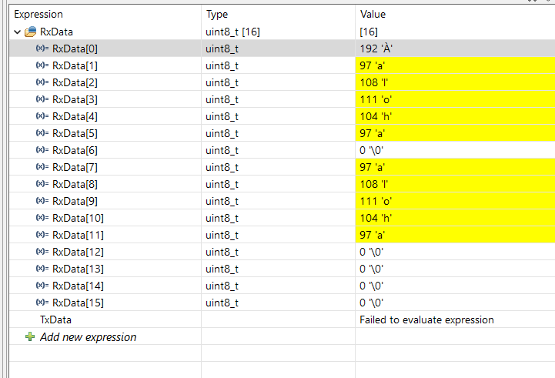
indx03 | o | h | a | NULL | NULL | NULL | a | l | o | h | a | NULL | NULL | NULL | a | l
indx04
indx05
indx06
indx07
indx08
indx09
indx10
indx11
indx12
indx13
indx14
indx15
indx16
indx17
indx18
indx19
indx20
indx21
indx22
indx23
indx24
indx25
indx26
indx27
indx28
indx29

