COntract Spec
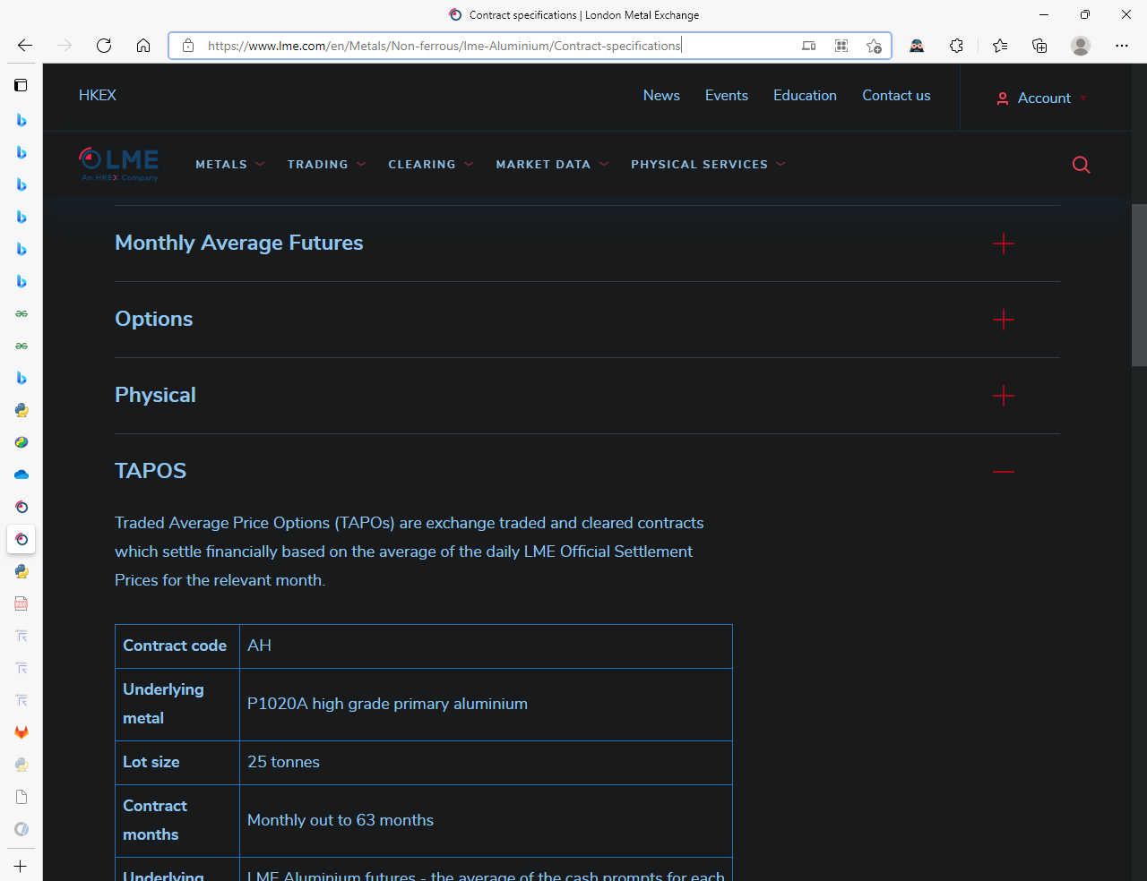

21-Jun-17
42,907.00

