key
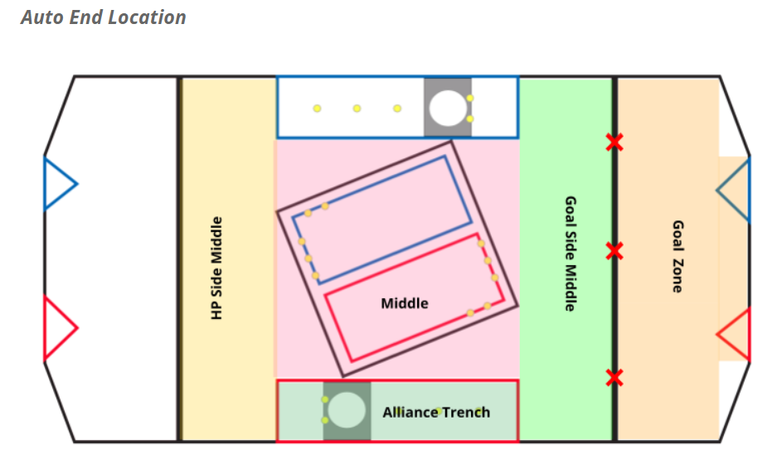
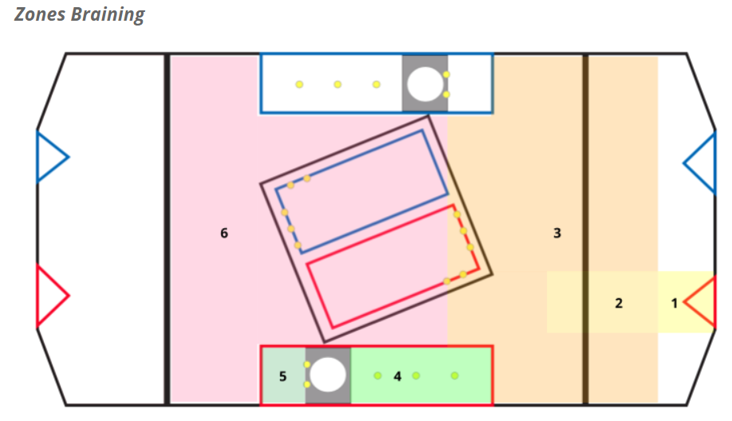
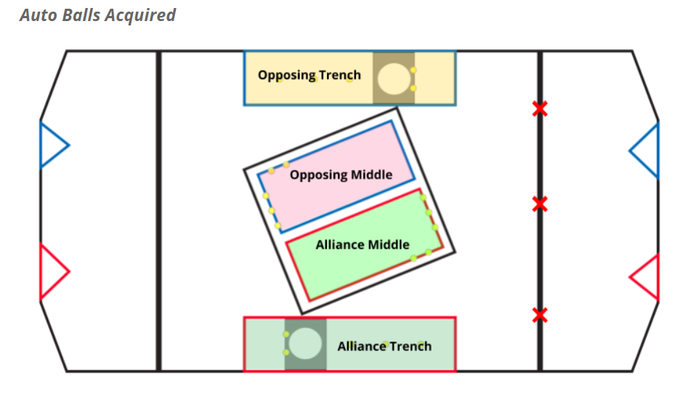
Header Name | Data Type | Description | List Values (If Applicable)
Match Number | number | Match number
Team Number | number | Team that played in the match
Starting Location | text | Basic starting location for team at beginning of auto | Inline with Alliance Trench, Inline with Goal, Inline with Opposing Trench, Left of Goal, Right of Goal
Auto Balls [Low] | number | Number of balls scored in auto by the team into the low goal
Auto Balls [1] | number | Number of balls scored in auto by the team into the high set of goals, from Zone 1 (Zone map below)
Auto Balls [2/3] | number | Number of balls scored in auto by the team into the high set of goals, from Zone 2/3 (Zone map below)
Auto Balls [4] | number | Number of balls scored in auto by the team into the high set of goals, from Zone 4 (Zone map below)
Auto Balls [5] | number | Number of balls scored in auto by the team into the high set of goals, from Zone 5 (Zone map below)
Auto Balls [6] | number | Number of balls scored in auto by the team into the high set of goals, from Zone 6 (Zone map below)
Auto Balls [Acquired] | text | Location where a team picked up balls in autonomous (Ball aquisition map below) | Alliance Middle, Alliance Trench,Opposing Trench, None
Auto End Location | text | Location where team ended autonomous (Position map below) | Alliance Trench, Auto Line, Goal Side Middle, Goal Zone, HP Side Middle, Middle
Tele Balls [Low] | number | Number of balls scored in teleop by the team into the low goal
Tele Balls [1] | number | Number of balls scored in teleop by the team into the high set of goals, from Zone 1 (Zone map below)
Tele Balls [2/3] | number | Number of balls scored in teleop by the team into the high set of goals, from Zone 2/3 (Zone map below)
Tele Balls [4] | number | Number of balls scored in teleop by the team into the high set of goals, from Zone 4 (Zone map below)
Tele Balls [5] | number | Number of balls scored in teleop by the team into the high set of goals, from Zone 5 (Zone map below)
Tele Balls [6] | number | Number of balls scored in teleop by the team into the high set of goals, from Zone 6 (Zone map below)
Wheel Spin | boolean | 0 if wheel was not spun, 1 if wheel was spun for first stage | 0,1
Wheel Color Match | boolean | 0 if wheel was not spun, 1 if wheel was spun for color match | 0,1
Defender | text | If the robot was playing defense, this subjectively rates the defense that they played | Heavy, Light, None
Target | text | If the robot had defense played against it, this subjectively rates the defense that they encountered | Heavy, Light, None

