Sheet1
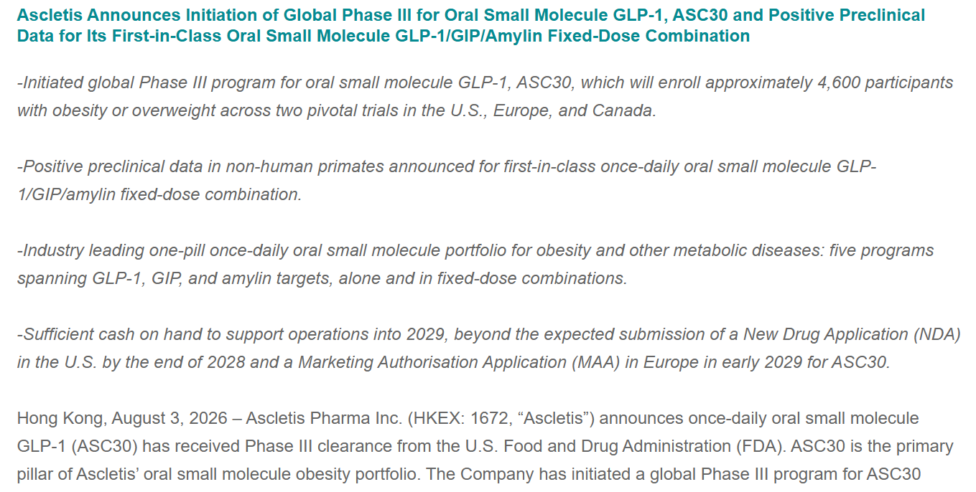
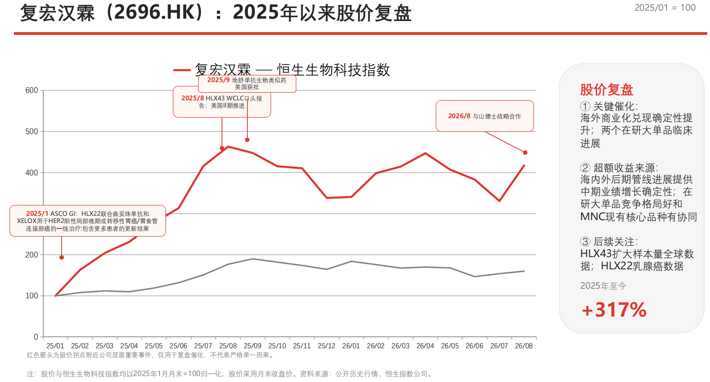
Henlius
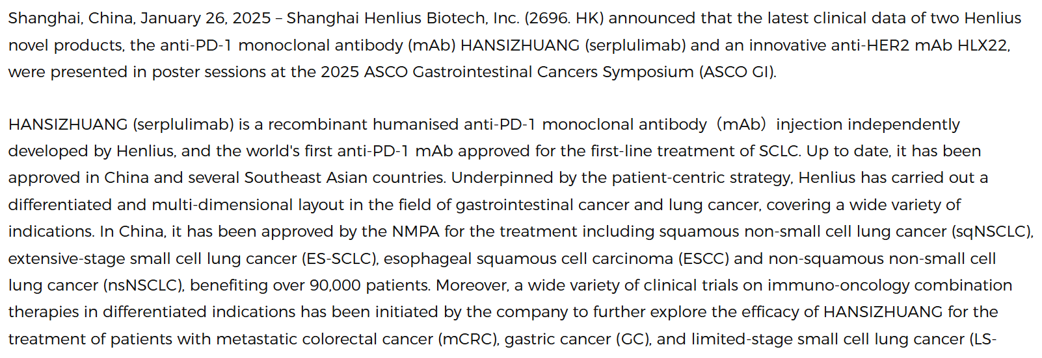

Henlius
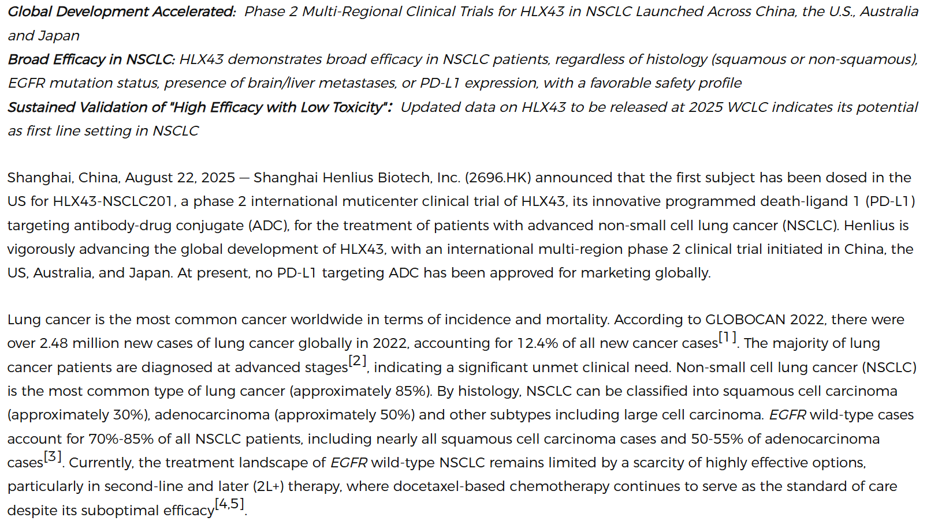

US Food and Drug Administration (FDA) Approves Henlius and Organon's BILDYOS庐 (denosumab-nxxp) and BILPREVDA庐 (denosumab-nxxp), Biosimilars to PROLIA (denosumab) and XGEVA (denosumab), Respectively

Henlius

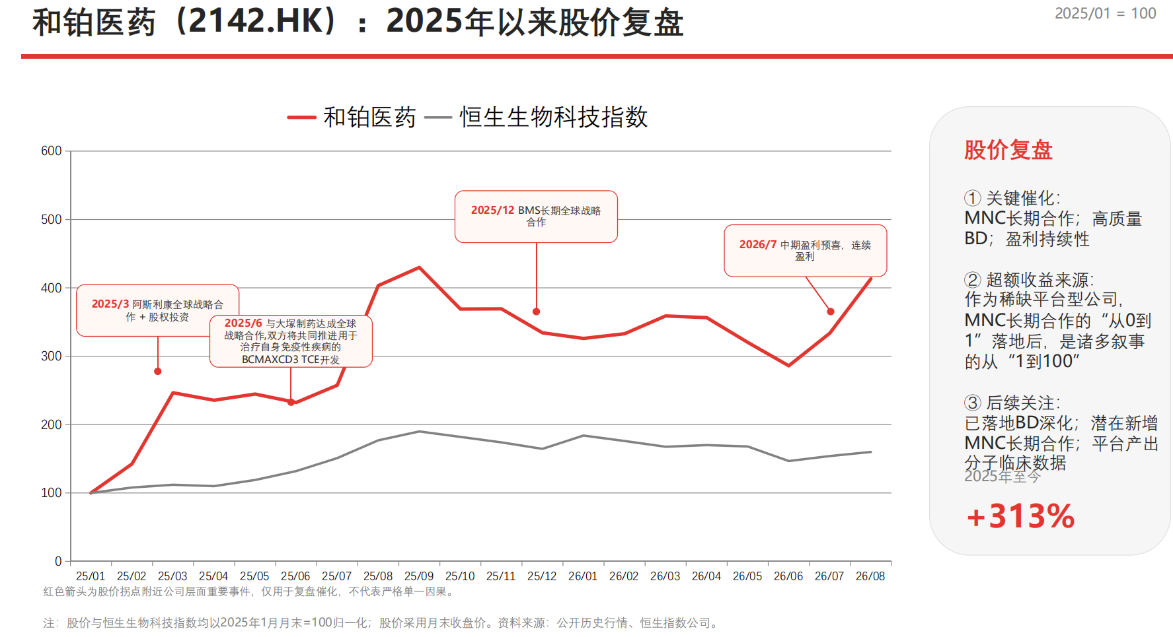
Harbour BioMed Enters into Global Strategic Collaboration with AstraZeneca to Discover and Develop Next-Generation Therapeutic Antibodies-HBM Holdings

Harbour BioMed Enters Global Strategic Collaboration with Otsuka to Advance BCMAxCD3 Bispecific T-Cell Engagers-HBM Holdings
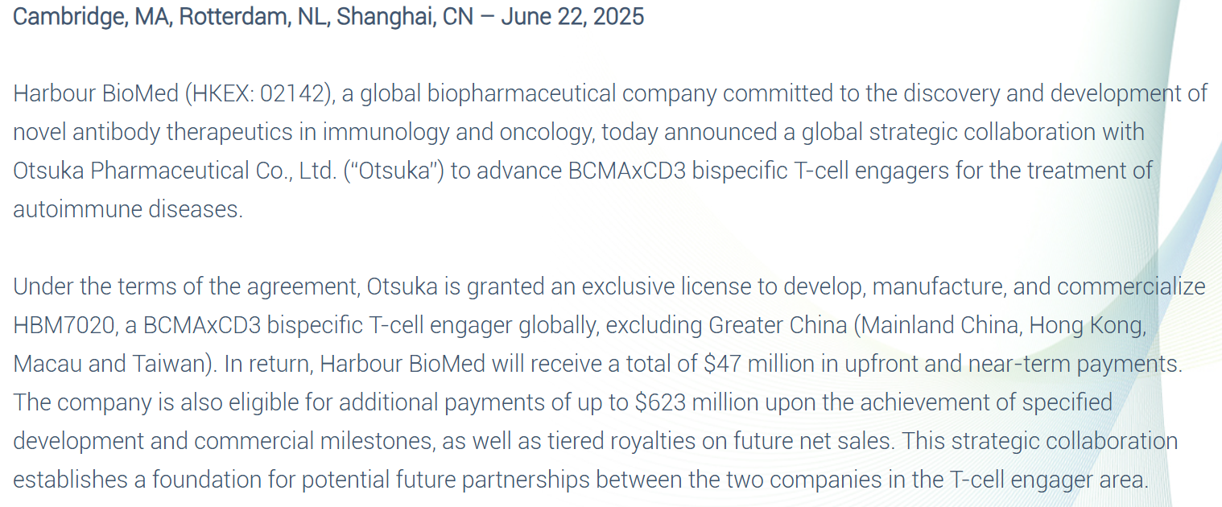

Harbour BioMed Enters into Global Strategic Collaboration and License Agreement with Bristol Myers Squibb to Discover and Develop Next-Generation Multi-Specific Antibodies-HBM Holdings

Harbour BioMed Announces Positive Profit Alert for 2026 Interim Results, Marking Seventh Consecutive Profitable Half-Year as Platform-Based Advantages Drive Sustainable Growth-HBM Holdings
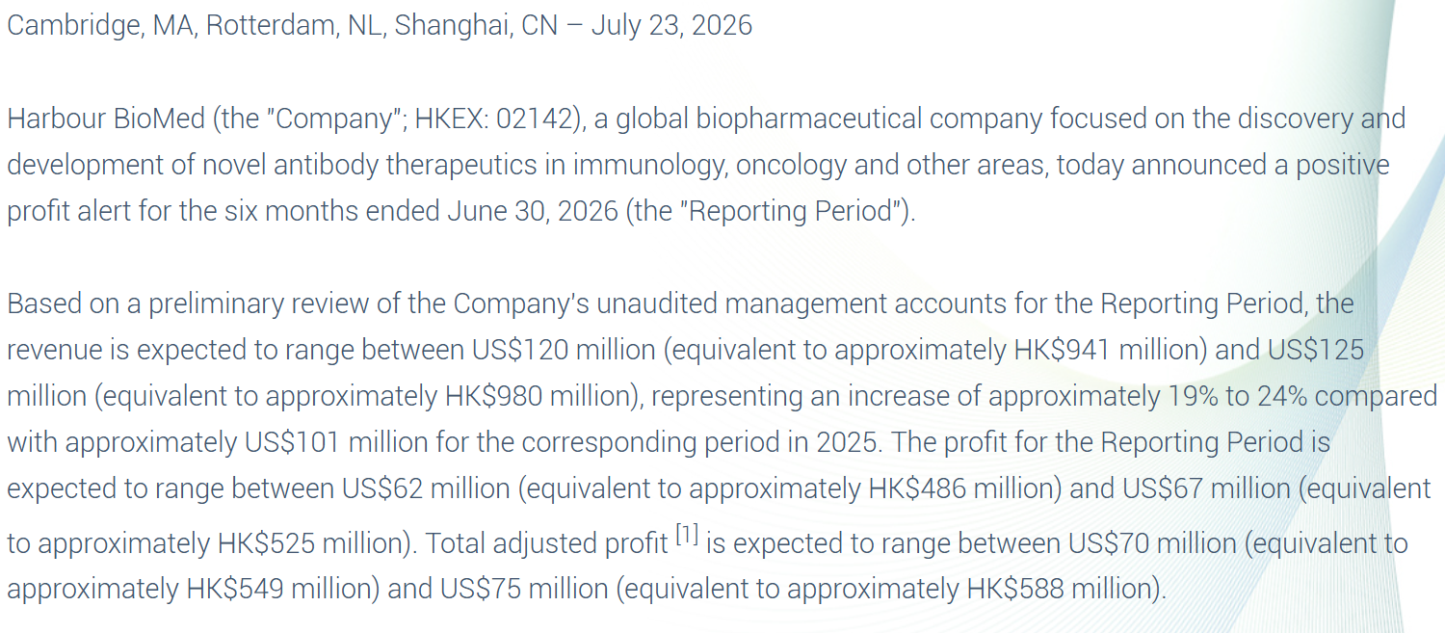

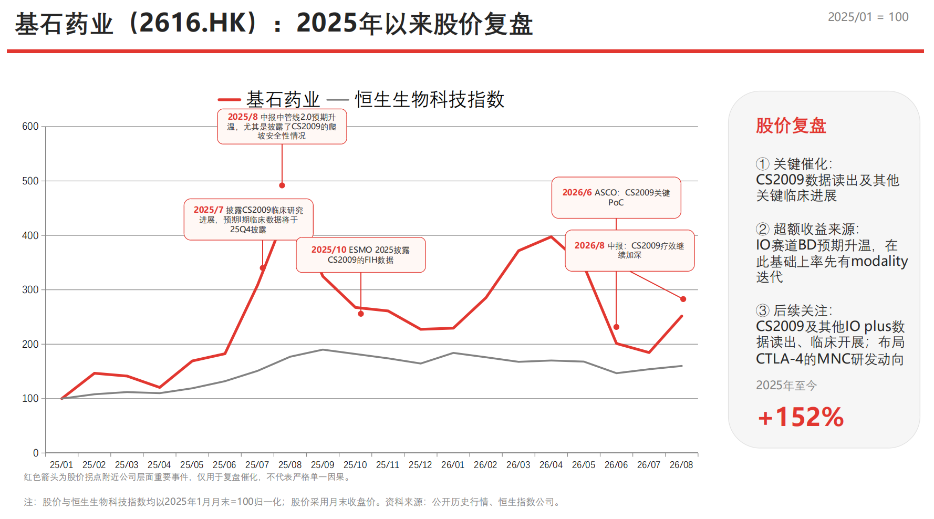
CStone Announces Clinical Progress Update on CS2009 (PD-1/VEGF/CTLA-4 Trispecific Antibody)-CStone Pharmaceuticals

CStone Announces 2025 Interim Results: Pipeline Acceleration and Value Potential Unlocked-CStone Pharmaceuticals

ESMO 2025: CStone Discloses Phase I Data for CS2009 (PD-1/VEGF/CTLA-4 Trispecific Antibody)-CStone Pharmaceuticals

ASCO 2026 | 基石药业CS2009（PD-1/VEGF/CTLA-4三特异性抗体）最新临床进展，三靶协同机制优势愈显，概念验证实质性落地-基石药业
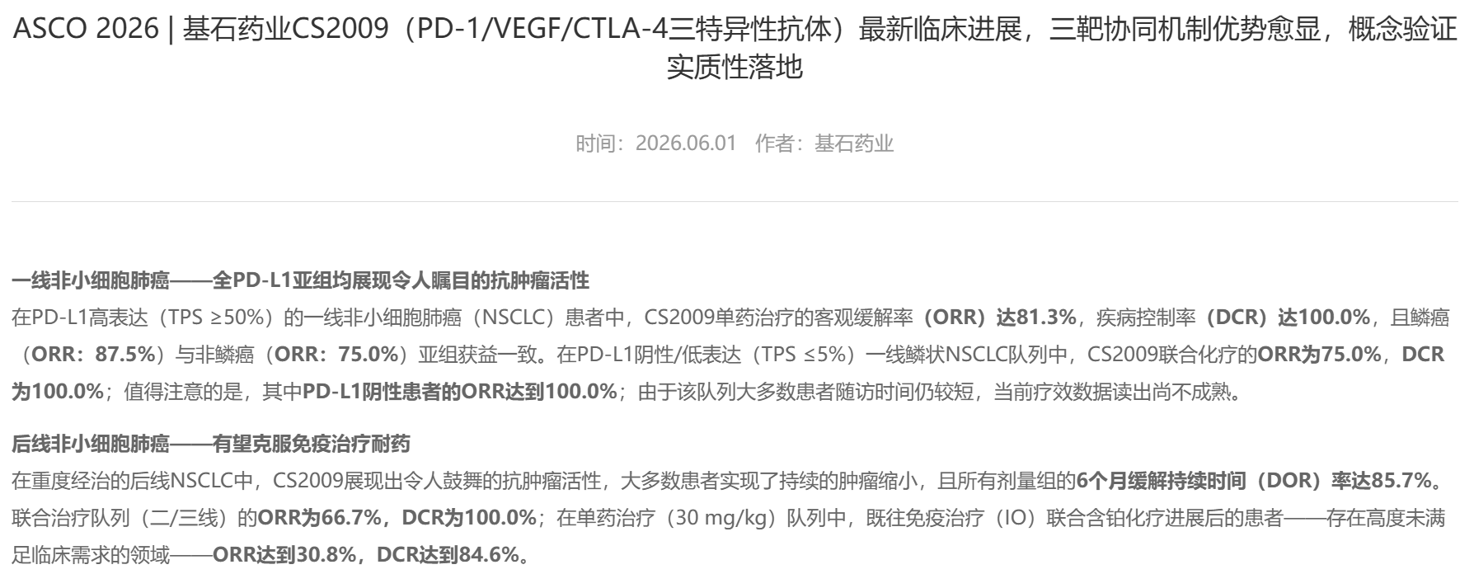

CStone 2026 Interim Results: Accelerating Pipeline 2.0 Execution and Sustained Global Commercial Momentum-CStone Pharmaceuticals
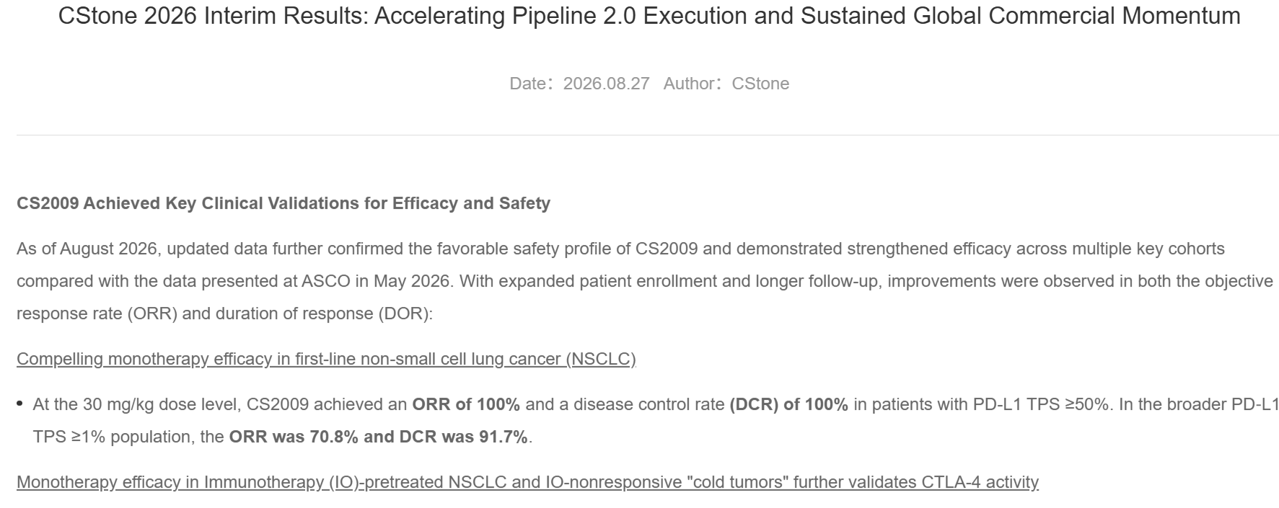

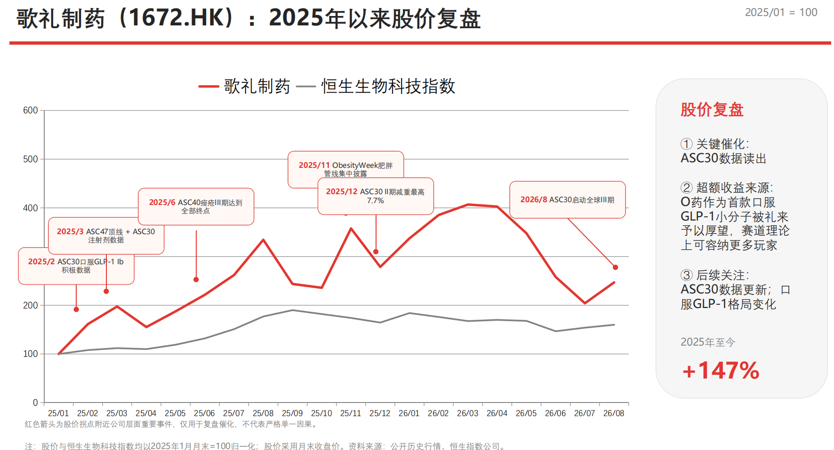
Ascletis Pharma Inc.
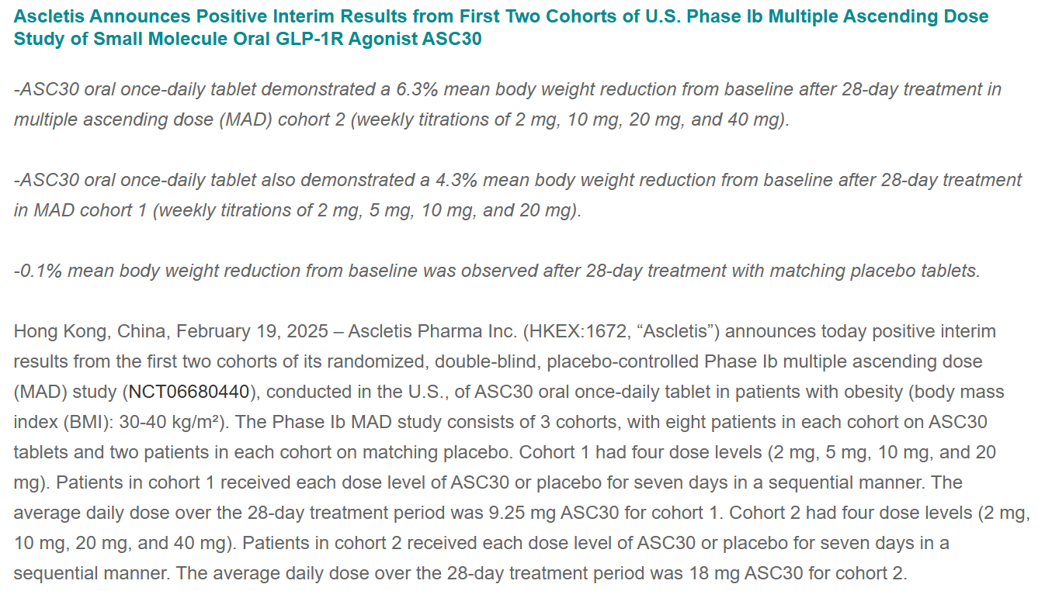

Ascletis Pharma Inc.
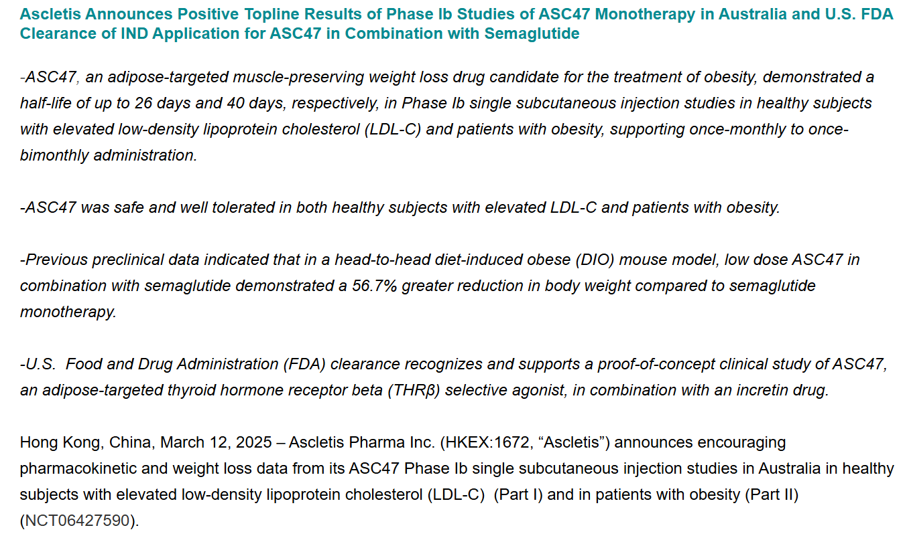

Ascletis Pharma Inc.
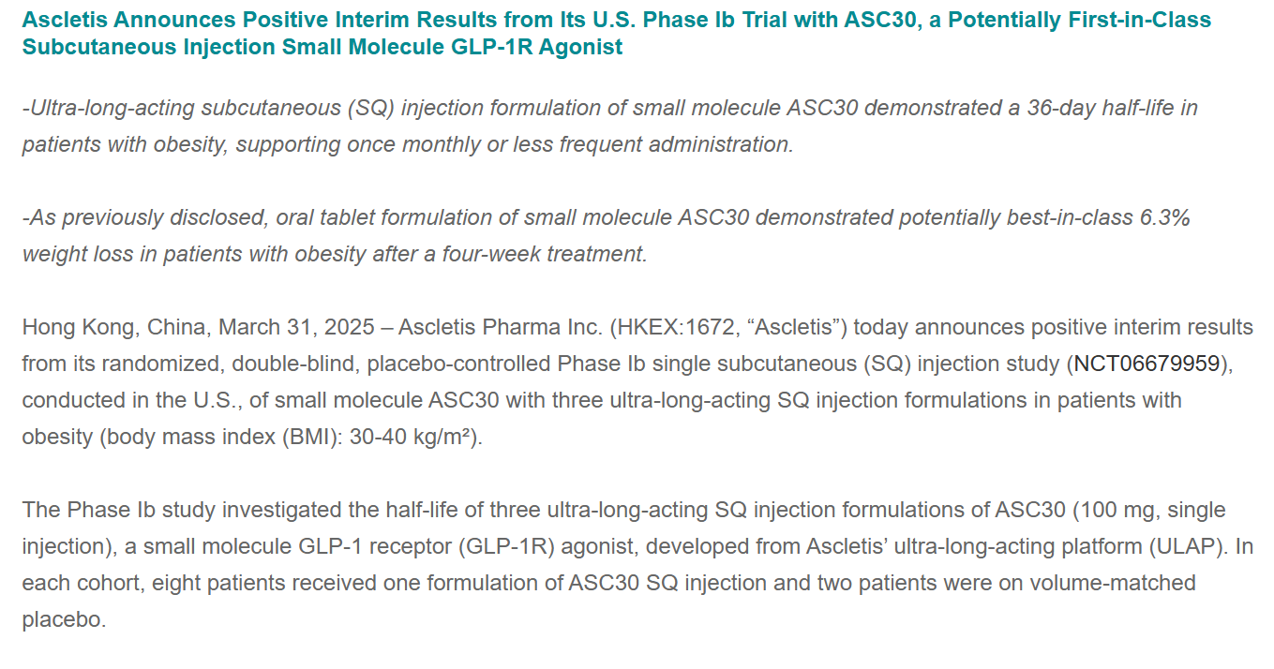

Ascletis Pharma Inc.
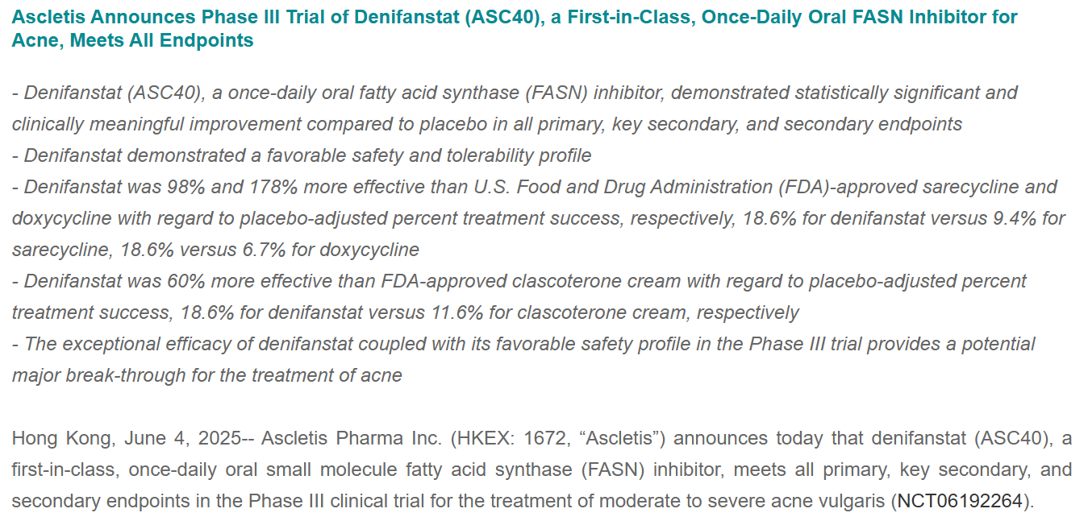

Ascletis Pharma Inc.
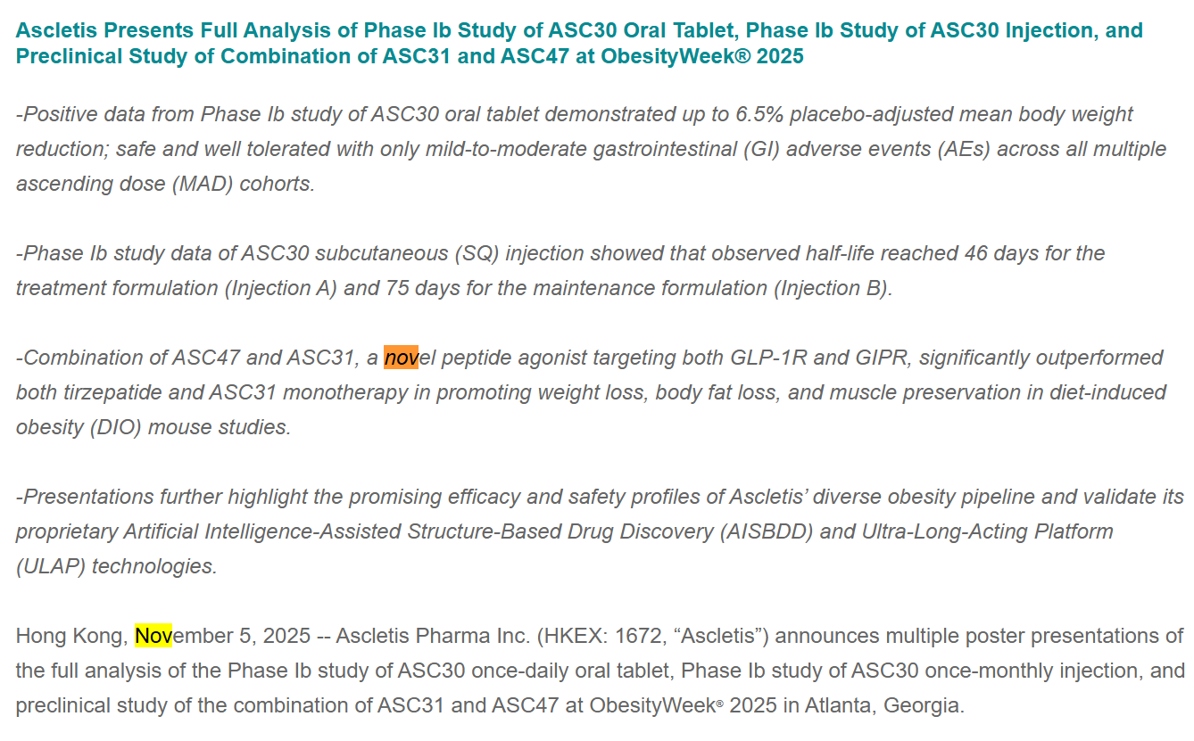

ascletis.com/data/upload/admin/20251209/6937c422c3795.pdf
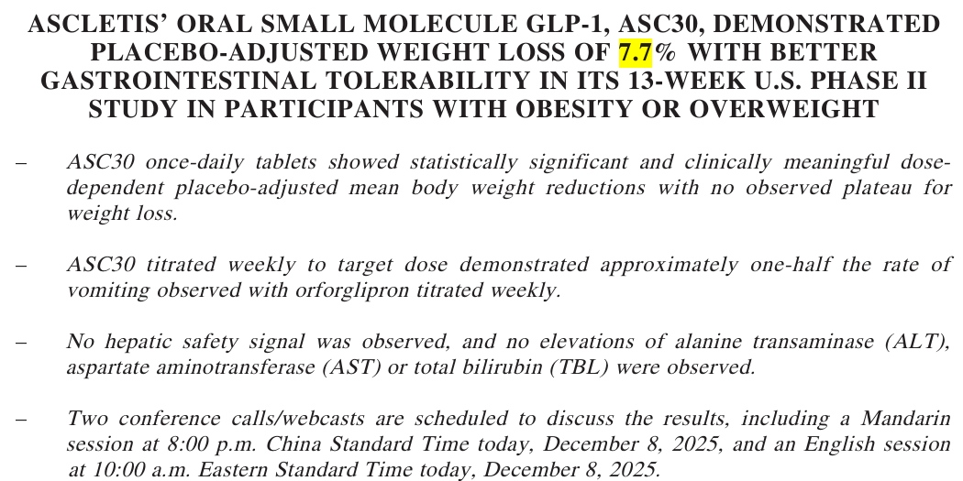

Ascletis Pharma Inc.

