test case 2_result
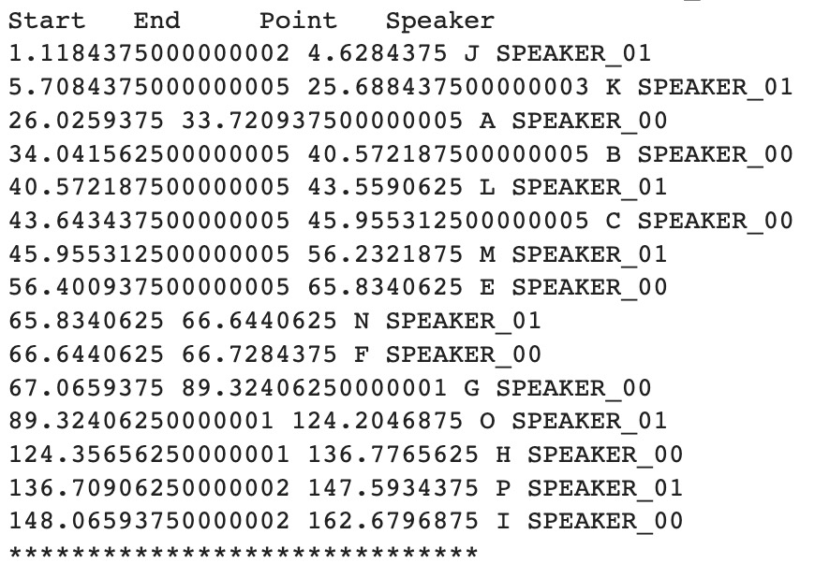
spectral_clustering(speaker_vector, grouped_vad, min_clusters=3, max_clusters=3)

TPO_C1.wav |  |  | frame_duration_ms:50 | threshold_to_stop:0.8

0.0,5.700000000000001,5.700000000000001,not a speaker
5.699999999999988,23.749999999999996,18.050000000000008,speaker 0
23.750000000000203,28.350000000000204,4.600000000000001,speaker 1
28.350000000000268,36.700000000000266,8.349999999999998,speaker 2
36.70000000000005,162.97795918367072,126.27795918367066,speaker 0

TPO_C1.wav |  |  | frame_duration_ms:30 | threshold_to_stop:0.8
0 | 1.17 | 1.17 | not a speaker
1.17 | 5.34 | 4.17 | speaker 0
5.34 | 45.21 | 39.87 | speaker 2
45.21 | 162.97795918 | 117.76795918 | speaker 1

TPO_C1.wav |  |  | frame_duration_ms:50 | threshold_to_stop:0.5
0 | 5.7 | 5.7 | not a speaker
5.7 | 23.75 | 18.05 | speaker 0
23.75 | 36.7 | 12.95 | speaker 2
36.7 | 39 | 2.3 | speaker 1
39 | 45.2 | 6.2 | speaker 0
45.2 | 48.75 | 3.55 | speaker 2
48.75 | 58.4 | 9.65 | speaker 1
58.4 | 66.4 | 8 | speaker 2
66.4 | 75.45 | 9.05 | speaker 1
75.45 | 81.55 | 6.1 | speaker 2
81.55 | 86.55 | 5 | speaker 1
86.55 | 87.9 | 1.35 | speaker 2
87.9 | 89.15 | 1.25 | speaker 1
89.15 | 96.45 | 7.3 | speaker 2
96.45 | 142.15 | 45.7 | speaker 0
142.15 | 148.05 | 5.9 | not a speaker
148.05 | 155.3 | 7.25 | speaker 1
155.3 | 155.85 | 0.55 | not a speaker
155.85 | 158.3 | 2.45 | speaker 1
158.3 | 160.75 | 2.45 | speaker 2
160.75 | 162.97795918 | 2.2279591837 | speaker 1

TPO_C1.wav |  |  | frame_duration_ms:30 | threshold_to_stop:0.5

0 | 1.17 | 1.17 | not a speaker
1.17 | 17.76 | 16.59 | speaker 2
17.76 | 22.5 | 4.74 | speaker 1
22.5 | 36.27 | 13.77 | speaker 0
36.27 | 37.59 | 1.32 | speaker 1
37.59 | 45.21 | 7.62 | speaker 0
45.21 | 48.75 | 3.54 | speaker 2
48.75 | 56.52 | 7.77 | speaker 1
56.52 | 57.54 | 1.02 | speaker 0
57.54 | 58.41 | 0.87 | speaker 1
58.41 | 96.42 | 38.01 | speaker 0
96.42 | 108.3 | 11.88 | speaker 2
108.3 | 109.38 | 1.08 | speaker 1
109.38 | 139.56 | 30.18 | speaker 0
139.56 | 140.61 | 1.05 | speaker 1
140.61 | 148.02 | 7.41 | speaker 2
148.02 | 162.97795918 | 14.957959184 | speaker 0

TPO_C1.wav |  |  | frame_duration_ms:30 | threshold_to_stop:0.3

0 | 1.17 | 1.17 | not a speaker
1.17 | 5.34 | 4.17 | speaker 2
5.34 | 5.7 | 0.36 | not a speaker
5.7 | 7.14 | 1.44 | speaker 2
7.14 | 11.73 | 4.59 | speaker 1
11.73 | 12.42 | 0.69 | speaker 2
12.42 | 14.91 | 2.49 | speaker 1
14.91 | 16.44 | 1.53 | not a speaker
16.44 | 25.53 | 9.09 | speaker 1
25.53 | 26.01 | 0.48 | not a speaker
26.01 | 26.37 | 0.36 | speaker 2
26.37 | 26.85 | 0.48 | not a speaker
26.85 | 27.48 | 0.63 | speaker 0
27.48 | 27.93 | 0.45 | speaker 2
27.93 | 30.69 | 2.76 | speaker 0
30.69 | 32.1 | 1.41 | speaker 2
32.1 | 32.46 | 0.36 | speaker 0
32.46 | 34.98 | 2.52 | speaker 2
34.98 | 35.31 | 0.33 | not a speaker
35.31 | 36.63 | 1.32 | speaker 2
36.63 | 37.59 | 0.96 | speaker 0
37.59 | 38.04 | 0.45 | speaker 1
38.04 | 40.59 | 2.55 | speaker 0
40.59 | 41.31 | 0.72 | speaker 1
41.31 | 42.12 | 0.81 | not a speaker
42.12 | 43.44 | 1.32 | speaker 1
43.44 | 45.21 | 1.77 | speaker 0
45.21 | 45.9 | 0.69 | speaker 1
45.9 | 46.8 | 0.9 | not a speaker
46.8 | 47.19 | 0.39 | speaker 1
47.19 | 48.75 | 1.56 | not a speaker
48.75 | 52.44 | 3.69 | speaker 0
52.44 | 54.48 | 2.04 | speaker 1
54.48 | 56.52 | 2.04 | speaker 2
56.52 | 57.54 | 1.02 | speaker 0
57.54 | 58.41 | 0.87 | speaker 1
58.41 | 62.22 | 3.81 | speaker 2
62.22 | 64.17 | 1.95 | speaker 0
64.17 | 65.52 | 1.35 | speaker 2
65.52 | 66.39 | 0.87 | speaker 1
66.39 | 67.41 | 1.02 | speaker 2
67.41 | 68.34 | 0.93 | speaker 0
68.34 | 69.45 | 1.11 | not a speaker
69.45 | 69.96 | 0.51 | speaker 0
69.96 | 70.62 | 0.66 | not a speaker
70.62 | 73.2 | 2.58 | speaker 0
73.2 | 73.89 | 0.69 | not a speaker
73.89 | 75.48 | 1.59 | speaker 0
75.48 | 75.87 | 0.39 | not a speaker
75.87 | 76.17 | 0.3 | speaker 2
76.17 | 77.37 | 1.2 | speaker 0
77.37 | 79.95 | 2.58 | speaker 2
79.95 | 80.28 | 0.33 | speaker 0
80.28 | 81.54 | 1.26 | not a speaker
81.54 | 81.99 | 0.45 | speaker 0
81.99 | 82.8 | 0.81 | speaker 2
82.8 | 83.52 | 0.72 | speaker 0
83.52 | 84.15 | 0.63 | not a speaker
84.15 | 84.6 | 0.45 | speaker 2
84.6 | 85.11 | 0.51 | speaker 0
85.11 | 86.58 | 1.47 | speaker 2
。。。 | 。。。 | … | …

pyannote | TPO_C1.wav

