Tool center point
Inferring the Dobot Magician 'End Effector Parameters'
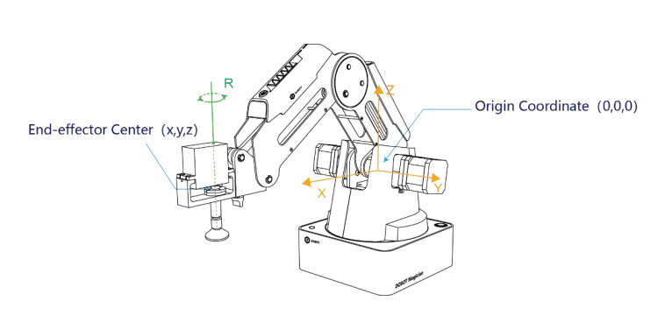
Position of end effector point in dobot studio with each end effector option |  |  |  | Calculated Tool Center Point Values
 | x | y | z | x | y | z
No Tool | 140 | 0 | 80
Suction Cup | 199.7 | 0 | 80 | 59.7 | 0 | 0
Laser | 210 | 0 | 80 | 70 | 0 | 0
Gripper | 199.7 | 0 | 80 | 59.7 | 0 | 0
Tactip Attachment |  |  |  | 59.7 | 0 | 0

Conclusion
This means the end effector co-ordinate frame must be measured from the …
pivot point labelled in the diagram (right)

Point where tool center point is measured from !

