Stats
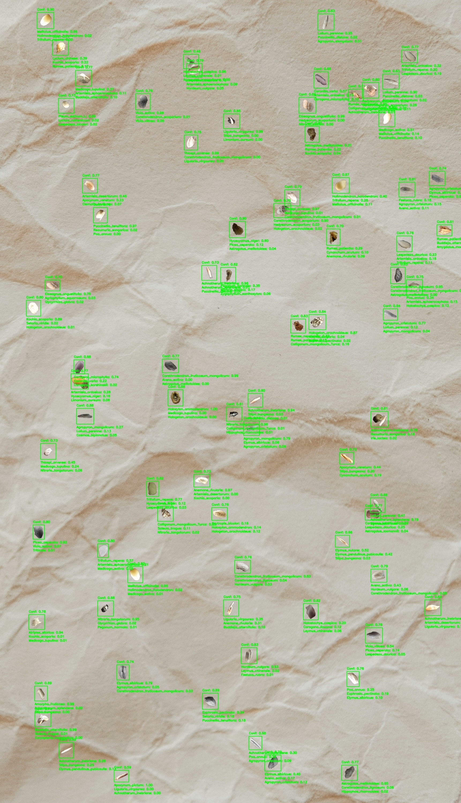
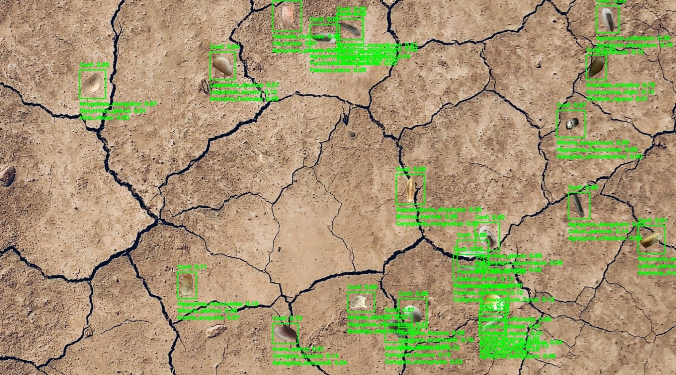
Best ViT - trained on synthetic data
 | Accuracy | Training Accuracy | F1 | Learning Rate (Cos An) | Loss | Precision | Recall
Step | Value | Value | Value | Value | Value | Value | Value
0 | 0.42613637447 | 0.2068181783 | 0.5914735198 | 9.99E-05 | 3.4095833302 | 0.61182880402 | 0.57242906094
1 | 0.5528408885 | 0.50816386938 | 0.6580324769 | 9.97E-05 | 3.0223405361 | 0.66322392225 | 0.65292167664
2 | 0.59488636255 | 0.58406102657 | 0.68213897943 | 9.94E-05 | 2.057669878 | 0.68475598097 | 0.67954194546
3 | 0.62670457363 | 0.61722487211 | 0.70111870766 | 9.89E-05 | 2.0307900906 | 0.70266401768 | 0.69958013296
4 | 0.64715909958 | 0.64608252048 | 0.71819359064 | 9.83E-05 | 1.7003238201 | 0.71980553865 | 0.71658879519
5 | 0.66363638639 | 0.66507178545 | 0.72506415844 | 9.76E-05 | 1.615857482 | 0.72696310282 | 0.72317510843
6 | 0.67443180084 | 0.68304425478 | 0.73016601801 | 9.67E-05 | 1.3529669046 | 0.73673516512 | 0.72371298075
7 | 0.68465906382 | 0.70017939806 | 0.74116170406 | 9.57E-05 | 1.451685071 | 0.73710000515 | 0.74526846409
8 | 0.69943183661 | 0.70607060194 | 0.75113731623 | 9.46E-05 | 1.5206931829 | 0.74526238441 | 0.75710558891
Learning Rate (Cos Annealing)
9 | 0.70511364937 | 0.72529906034 | 0.75557523966 | 9.33E-05 | 1.4798589945 | 0.75646305084 | 0.75468945503
10 | 0.70852273703 | 0.73400121927 | 0.75521534681 | 9.19E-05 | 1.2496891022 | 0.75482714176 | 0.7556039691
11 | 0.71704542637 | 0.74524521828 | 0.75949788094 | 9.05E-05 | 1.2657625675 | 0.75652211905 | 0.76249712706
12 | 0.72443181276 | 0.7519736886 | 0.76920217276 | 8.89E-05 | 1.1934839487 | 0.7734708786 | 0.76498031616
13 | 0.72954547405 | 0.75514352322 | 0.77067261934 | 8.72E-05 | 1.222517848 | 0.77026480436 | 0.77108085155
14 | 0.73409092426 | 0.76417464018 | 0.77653670311 | 8.54E-05 | 1.3426724672 | 0.77509623766 | 0.77798259258
15 | 0.7403408885 | 0.77532893419 | 0.77943444252 | 8.35E-05 | 1.2437676191 | 0.78141134977 | 0.77746748924
16 | 0.74090909958 | 0.78077155352 | 0.77969223261 | 8.15E-05 | 0.92470830679 | 0.77979034185 | 0.77959418297
17 | 0.74545454979 | 0.7855861187 | 0.78402584791 | 7.94E-05 | 0.97049164772 | 0.78464633226 | 0.78340637684
18 | 0.75227272511 | 0.79031097889 | 0.79036253691 | 7.72E-05 | 1.0899143219 | 0.79093670845 | 0.78978919983
19 | 0.75568181276 | 0.79473686218 | 0.78778874874 | 7.50E-05 | 0.88833266497 | 0.78995019197 | 0.78563910723
20 | 0.75681817532 | 0.79796648026 | 0.79525917768 | 7.27E-05 | 0.89605766535 | 0.79637855291 | 0.7941429615
21 | 0.75909090042 | 0.80630981922 | 0.79340958595 | 7.03E-05 | 0.93715935946 | 0.79618126154 | 0.79065716267
22 | 0.76079547405 | 0.80834329128 | 0.79456216097 | 6.79E-05 | 0.64028286934 | 0.79161840677 | 0.79752790928
23 | 0.76306819916 | 0.81055623293 | 0.79759782553 | 6.55E-05 | 0.77842795849 | 0.79505997896 | 0.80015188456
24 | 0.76647728682 | 0.81321769953 | 0.79730755091 | 6.29E-05 | 1.1934239864 | 0.79779243469 | 0.79682326317
25 | 0.76761364937 | 0.81629782915 | 0.79802405834 | 6.04E-05 | 0.66918826103 | 0.80048048496 | 0.79558265209
26 | 0.76761364937 | 0.82293659449 | 0.79922837019 | 5.78E-05 | 0.53563082218 | 0.79640185833 | 0.80207502842
Accuracy
27 | 0.76875001192 | 0.82365429401 | 0.79791069031 | 5.52E-05 | 0.82088696957 | 0.79627788067 | 0.79955023527
28 | 0.77272725105 | 0.82664471865 | 0.80270338058 | 5.26E-05 | 0.86235690117 | 0.80166882277 | 0.80374062061
29 | 0.77102273703 | 0.82993423939 | 0.80491322279 | 5.00E-05 | 0.99371516705 | 0.80264770985 | 0.80719161034
30 | 0.77215909958 | 0.83190786839 | 0.80093842745 | 4.74E-05 | 0.74625188112 | 0.80021446943 | 0.80166375637
31 | 0.77613633871 | 0.83175837994 | 0.8010211587 | 4.48E-05 | 0.54585266113 | 0.80317640305 | 0.79887753725
32 | 0.77897727489 | 0.83301436901 | 0.80934852362 | 4.22E-05 | 0.72418093681 | 0.80623441935 | 0.81248682737
33 | 0.78068178892 | 0.8364533782 | 0.81333947182 | 3.96E-05 | 0.90408688784 | 0.81359648705 | 0.8130825758
34 | 0.77840906382 | 0.83959329128 | 0.81083863974 | 3.71E-05 | 0.56853628159 | 0.81169879436 | 0.80998021364
35 | 0.78125 | 0.8360645771 | 0.80837827921 | 3.45E-05 | 0.81897753477 | 0.80770611763 | 0.80905157328
36 | 0.77954542637 | 0.83932417631 | 0.81128007174 | 3.21E-05 | 0.63968163729 | 0.81470531225 | 0.80788356066
37 | 0.78011363745 | 0.84440791607 | 0.80984336138 | 2.97E-05 | 0.58752423525 | 0.81436187029 | 0.80537468195
38 | 0.77954542637 | 0.84240430593 | 0.81123381853 | 2.73E-05 | 0.67058938742 | 0.80887711048 | 0.81360429525
39 | 0.78238636255 | 0.84153705835 | 0.81056672335 | 2.50E-05 | 0.62654280663 | 0.81061553955 | 0.81051796675
40 | 0.78238636255 | 0.84383970499 | 0.81154835224 | 2.28E-05 | 0.61110550165 | 0.81432944536 | 0.8087862134
41 | 0.78295457363 | 0.85125595331 | 0.81441122293 | 2.06E-05 | 0.63990706205 | 0.81754010916 | 0.81130617857
42 | 0.78181821108 | 0.8457236886 | 0.81191378832 | 1.85E-05 | 0.636462152 | 0.81186133623 | 0.81196624041
43 | 0.78181821108 | 0.8476973772 | 0.80690509081 | 1.65E-05 | 0.82060956955 | 0.80305474997 | 0.81079250574
44 | 0.78068178892 | 0.84856456518 | 0.81029629707 | 1.46E-05 | 0.80649763346 | 0.80868327618 | 0.81191569567
45 | 0.78125 | 0.84524524212 | 0.80990111828 | 1.28E-05 | 0.77295082808 | 0.81298738718 | 0.8068382144
46 | 0.78238636255 | 0.84665071964 | 0.80983912945 | 1.11E-05 | 0.94677239656 | 0.8109832406 | 0.80869823694
47 | 0.78125 | 0.84802633524 | 0.80872267485 | 9.55E-06 | 0.94090396166 | 0.81279951334 | 0.80468648672
48 | 0.78125 | 0.84530502558 | 0.8102889061 | 8.07E-06 | 0.62844228745 | 0.81036216021 | 0.81021571159
49 | 0.78011363745 | 0.84985047579 | 0.80790948868 | 6.70E-06 | 0.69594568014 | 0.80341160297 | 0.81245803833
50 | 0.78068178892 | 0.84949165583 | 0.81045335531 | 5.45E-06 | 0.55019670725 | 0.80552208424 | 0.81544536352
51 | 0.78068178892 | 0.85176438093 | 0.80879712105 | 4.32E-06 | 1.0013471842 | 0.80758213997 | 0.81001585722
52 | 0.78068178892 | 0.84787678719 | 0.8101734519 | 3.32E-06 | 0.90941411257 | 0.80690258741 | 0.81347090006
53 | 0.78125 | 0.8517344594 | 0.81266796589 | 2.45E-06 | 0.57210922241 | 0.81551277637 | 0.80984300375
54 | 0.78125 | 0.84979069233 | 0.80913609266 | 1.70E-06 | 0.78661853075 | 0.8111410737 | 0.80714094639
55 | 0.78125 | 0.84802633524 | 0.80735504627 | 1.09E-06 | 0.75985962152 | 0.80691438913 | 0.80779623985
56 | 0.78068178892 | 0.85116624832 | 0.81143629551 | 6.16E-07 | 0.69965964556 | 0.81276428699 | 0.81011271477
57 | 0.78068178892 | 0.85155504942 | 0.81152015924 | 2.74E-07 | 0.7579203248 | 0.81676375866 | 0.80634337664
58 | 0.78068178892 | 0.85026913881 | 0.8113374114 | 6.85E-08 | 0.8095074296 | 0.81350147724 | 0.80918478966
59 | 0.78068178892 | 0.85251194239 | 0.81313371658 | 0 | 0.43429371715 | 0.81701612473 | 0.8092880249

YOLO - trained on synthetic data with 1600x1600 resolution
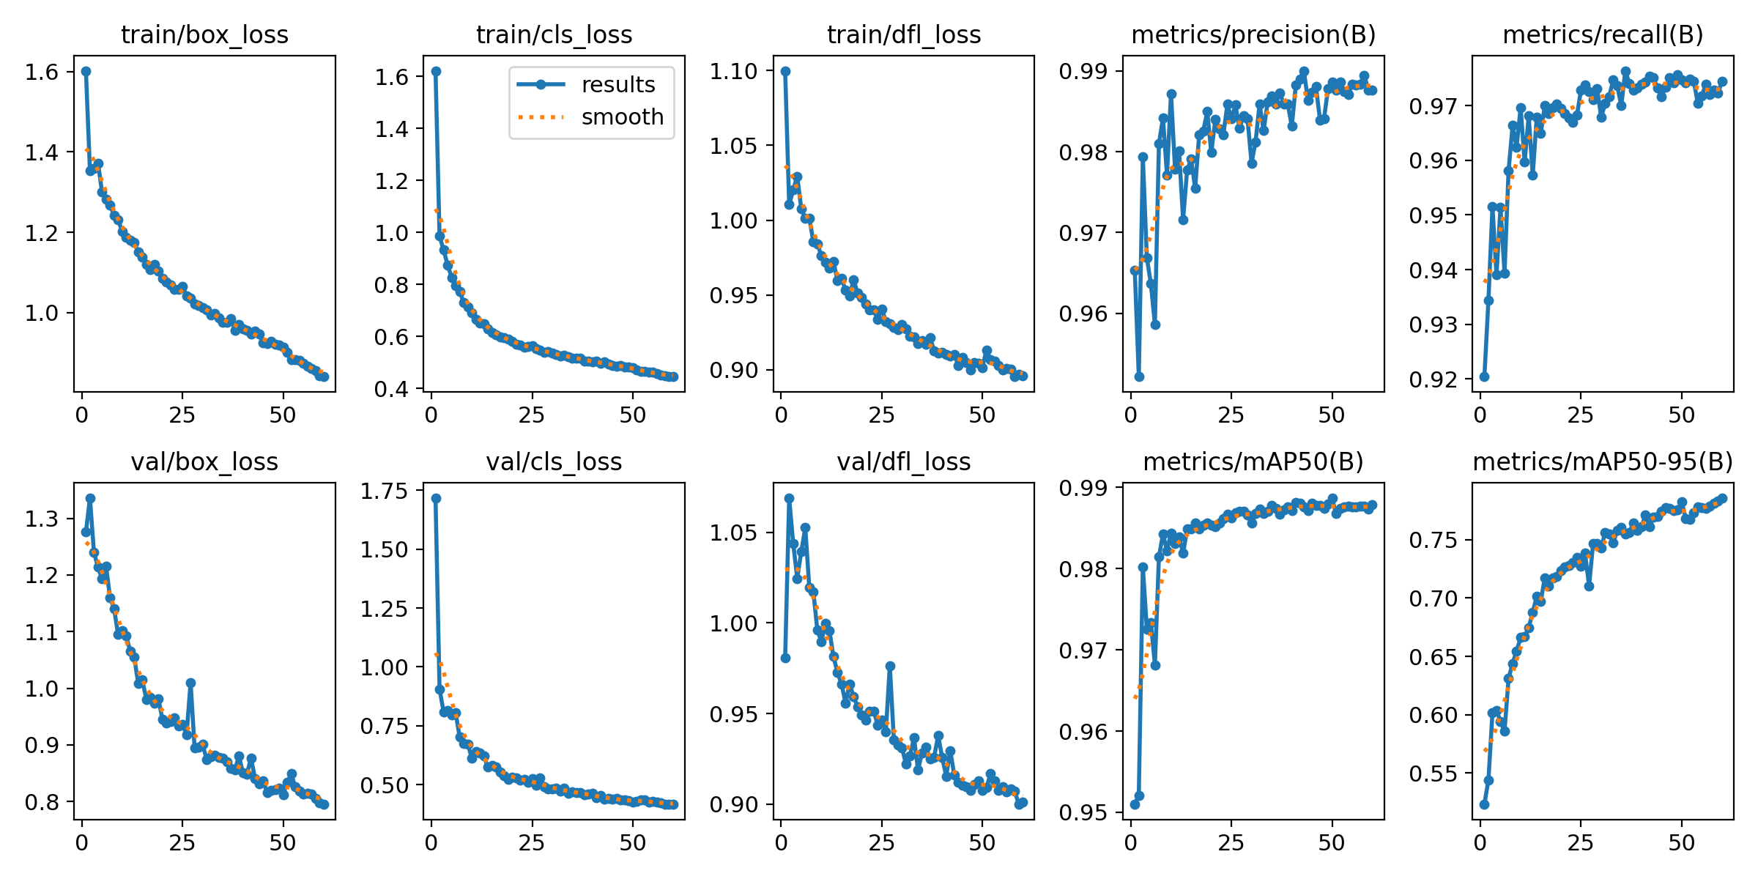

YOLO 1600x F1
 | Quantized to F16
Original Values | 0.97906
Quantized to F16 | 0.97912
Quantized to INT8 | 0.91146
YOLO 1600x mAP50
 | Quantized to F16
Original Values | 0.98681017327
Quantized to F16 | 0.98683358143
Quantized to INT8 | 0.95880503766
YOLO 1600x mAP50-95
 | Quantized to F16
Original Values | 0.98681017327
Quantized to F16 | 0.98683358143
Quantized to INT8 | 0.95880503766
YOLO 1600x Recall
 | Quantized to F16
Original Values | 0.97201677074
Quantized to F16 | 0.97231688885
Quantized to INT8 | 0.89530547918
YOLO 1600x Latency (ms)
 | Quantized to F16
Original Values | 10.254415
Quantized to F16 | 6.2656410002
Quantized to INT8 | 6.184115
YOLO 1600x Model Size
 | Quantized to F16
Original Values | 19.75
Quantized to F16 | 10.64
Quantized to INT8 | 10.43
YOLO 1280x F1
 | Quantized to F16
Original Values | 0.97805
Quantized to F16 | 0.97785
Quantized to INT8 | 0.89398
YOLO 1280x mAP50
 | Quantized to F16
Original Values | 0.98600681384
Quantized to F16 | 0.98596709431
Quantized to INT8 | 0.95077545099
YOLO 1280x mAP50-95
 | Quantized to F16
Original Values | 0.74795769583
Quantized to F16 | 0.74302785897
Quantized to INT8 | 0.63956745554
YOLO 1280x Recall
 | Quantized to F16
Original Values | 0.9712797621
Quantized to F16 | 0.97088146499
Quantized to INT8 | 0.86809181361
YOLO 1280x Latency (ms)
 | Quantized to F16
Original Values | 7.2925204999
Quantized to F16 | 4.8029425
Quantized to INT8 | 4.709761
YOLO 1280x Model Size
 | Quantized to F16
Original Values | 16.33
Quantized to F16 | 9.33
Quantized to INT8 | 8.86

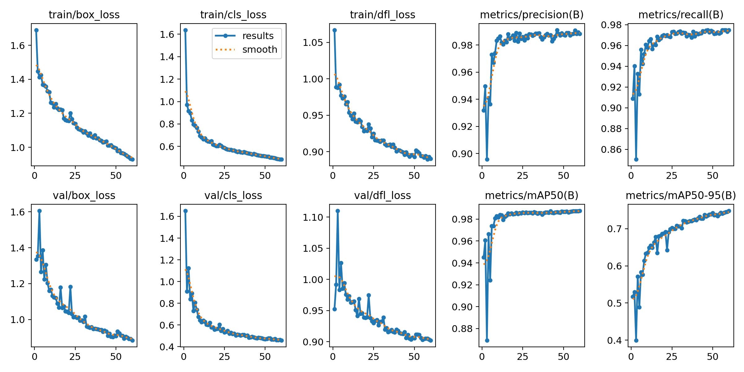
YOLO - trained on synthetic data with 1280x1280 resolution

YOLO 960x F1
 | Quantized to F16
Original Values | 0.97713
Quantized to F16 | 0.97733
Quantized to INT8 | 0.94319
YOLO 960x mAP50
 | Quantized to F16
Original Values | 0.98455114508
Quantized to F16 | 0.98450188216
Quantized to INT8 | 0.9700707193
YOLO 960x mAP50-95
 | Quantized to F16
Original Values | 0.69810291394
Quantized to F16 | 0.69687214113
Quantized to INT8 | 0.59855049418
YOLO 960x Recall
 | Quantized to F16
Original Values | 0.96554830531
Quantized to F16 | 0.96554535687
Quantized to INT8 | 0.92573115011
YOLO 960x Latency (ms)
 | Quantized to F16
Original Values | 6.0035209999
Quantized to F16 | 4.916017
Quantized to INT8 | 5.1109150003
YOLO 960x Model Size
 | Quantized to F16
Original Values | 19.02
Quantized to F16 | 9.43
Quantized to INT8 | 9.37

ViT Accuracy
 | ViT F1
Original Values | 0.85284090909
Quantized to INT8 | 0.83238636364
ViT Precision
 | ViT F1
Original Values | 0.92642045455
Quantized to INT8 | 0.91619318182
ViT Recall
 | ViT F1
Original Values | 0.92642045455
Quantized to INT8 | 0.91619318182
ViT F1
 | ViT F1
Original Values | 0.92642045455
Quantized to INT8 | 0.91619318182
ViT Latency (sec)
 | ViT F1
Original Values | 70.8148514
Quantized to INT8 | 65.9934975
ViT Model Size
 | ViT F1
Original Values | 111.085401
Quantized to INT8 | 58.921623

YOLO - trained on synthetic data with 960x960 resolution
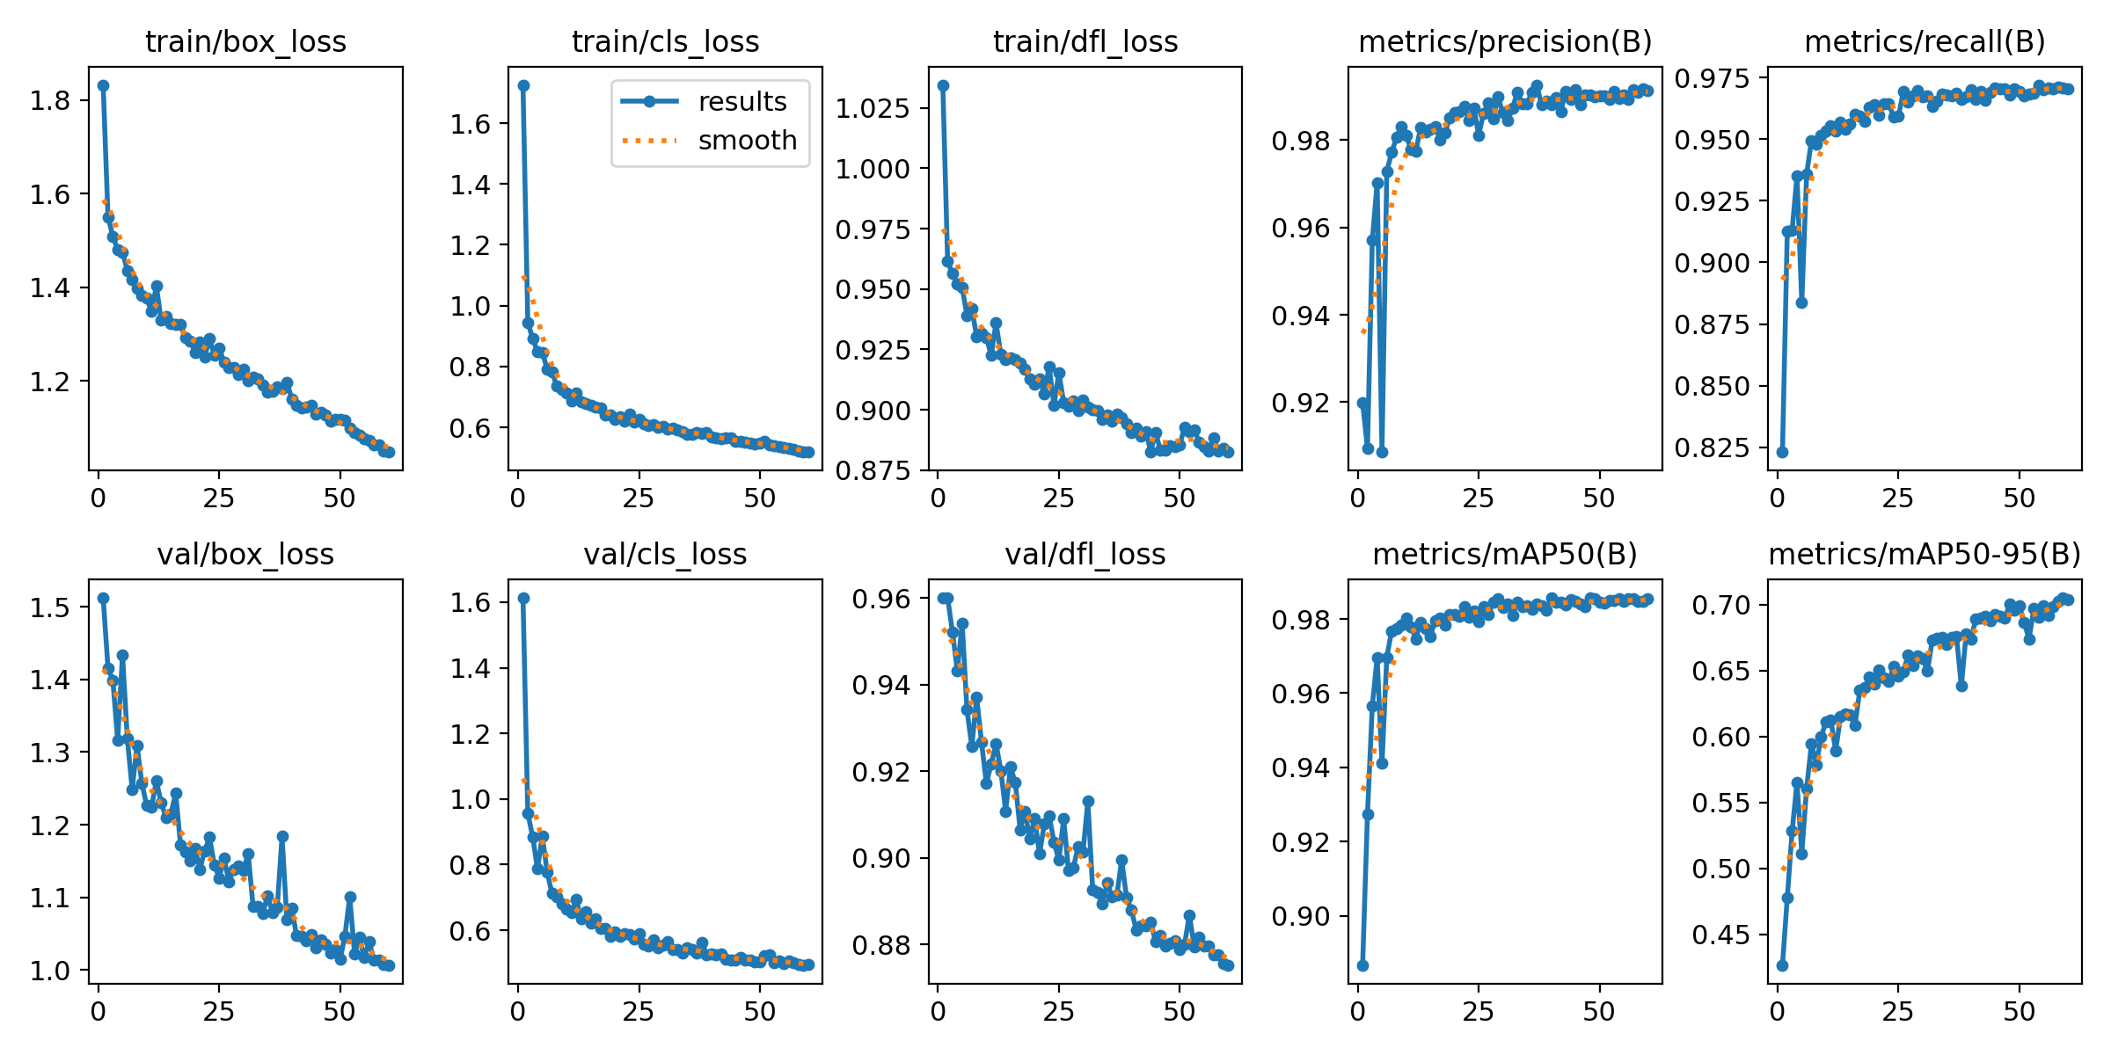

Quantization YOLO |  |  |  |  |  |  |  |  |  |  |  |  |  |  |  |  |  |  | Quantization YOLO
 |  |  | Original Values |  |  |  |  |  | Quantized to F16 |  |  |  |  |  | Quantized to INT8 |  |  |  |  |  |  | Original Values |  |  |  |  |  | Quantized to F16 |  |  |  |  |  | Quantized to INT8
 | F1 | mAP50 | mAP50-95 | Recall | Latency (ms) | Model Size (MB) | F1 | mAP50 | mAP50-95 | Recall | Latency | Model Size | F1 | mAP50 | mAP50-95 | Recall | Latency | Model Size |  | F1 | mAP50 | mAP50-95 | Recall | Latency (ms) | Model Size (MB) | F1 | mAP50 | mAP50-95 | Recall | Latency | Model Size | F1 | mAP50 | mAP50-95 | Recall | Latency | Model Size
1600-res | 0.97906 | 0.98681017327 | 0.78780454822 | 0.97201677074 | 10.254415 | 19.75 | 0.97912 | 0.98683358143 | 0.78214509927 | 0.97231688885 | 6.2656410002 | 10.64 | 0.91146 | 0.95880503766 | 0.64861061839 | 0.89530547918 | 6.184115 | 10.43 | 1600-res | 0.97906 | 0.98681017327 | 0.78780454822 | 0.97201677074 | 10.254415 | 19.75 | 0.97912 | 0.98683358143 | 0.78214509927 | 0.97231688885 | 6.2656410002 | 10.64 | 0.91146 | 0.95880503766 | 0.64861061839 | 0.89530547918 | 6.184115 | 10.43
1280-res | 0.97805 | 0.98600681384 | 0.74795769583 | 0.9712797621 | 7.2925204999 | 16.33 | 0.97785 | 0.98596709431 | 0.74302785897 | 0.97088146499 | 4.8029425 | 9.33 | 0.89398 | 0.95077545099 | 0.63956745554 | 0.86809181361 | 4.709761 | 8.86 | 1280-res | 0.97805 | 0.98600681384 | 0.74795769583 | 0.9712797621 | 7.2925204999 | 16.33 | 0.97785 | 0.98596709431 | 0.74302785897 | 0.97088146499 | 4.8029425 | 9.33 | 0.89398 | 0.95077545099 | 0.63956745554 | 0.86809181361 | 4.709761 | 8.86
960-res | 0.97713 | 0.98455114508 | 0.69810291394 | 0.96554830531 | 6.0035209999 | 19.02 | 0.97733 | 0.98450188216 | 0.69687214113 | 0.96554535687 | 4.916017 | 9.43 | 0.94319 | 0.9700707193 | 0.59855049418 | 0.92573115011 | 5.1109150003 | 9.37 | 960-res | 0.97713 | 0.98455114508 | 0.69810291394 | 0.96554830531 | 6.0035209999 | 19.02 | 0.97733 | 0.98450188216 | 0.69687214113 | 0.96554535687 | 4.916017 | 9.43 | 0.94319 | 0.9700707193 | 0.59855049418 | 0.92573115011 | 5.1109150003 | 9.37
 |  |  |  |  |  |  |  |  |  |  |  |  |  |  |  |  |  |  | 1600-res | baseline | baseline | baseline | baseline | baseline | baseline | 6.128327171E-05 | 2.3721036937E-05 | -0.0071838236602 | 0.00030875815789 | -0.38898113639 | -0.46126582278 | -0.069045819459 | -0.02837945571 | -0.17668586726 | -0.078919720185 | -0.39693146804 | -0.47189873418
 |  |  |  |  |  |  |  |  |  |  |  |  |  |  |  |  |  |  | 1280-res | baseline | baseline | baseline | baseline | baseline | baseline | -0.00020448852308 | -4.028322861E-05 | -0.006591063753 | -0.00041007454986 | -0.34138786446 | -0.42865890998 | -0.085956750677 | -0.035731358407 | -0.14491493422 | -0.10623916251 | -0.35416554536 | -0.45744029394
Quantization ViT - Dynamic |  |  |  |  |  |  |  | Quantized to F16 |  |  |  |  |  |  | Quantized to INT8 |  |  |  | 960-res | baseline | baseline | baseline | baseline | baseline | baseline | 0.00020468105574 | -5.0035916314E-05 | -0.0017630248891 | -3.0536433949E-06 | -0.18114436511 | -0.50420609884 | -0.03473437516 | -0.014707642013 | -0.14260421748 | -0.041237869697 | -0.14868041599 | -0.50736067298
Accuracy | Precision | Recall | F1 | Inference Time (sec) | Model Size (MB) | Accuracy | Precision | Recall | F1 | Inference Time (sec) | Model Size (MB) | Accuracy | Precision | Recall | F1 | Inference Time (sec) | Model Size (MB)
0.85284090909 | 0.92642045455 | 0.92642045455 | 0.92642045455 | CPU: 70.8148514000022 | 111.085401 | 0.83181818182 | 0.91590909091 | 0.91590909091 | 0.91590909091 | CPU:65.1619606999993 | 58.921623 | 0.83238636364 | 0.91619318182 | 0.91619318182 | 0.91619318182 | CPU: 65.99349749999965 | 58.921623 |  | Quantization ViT - Dynamic |  |  |  |  |  |  |  | Quantized to F16 |  |  |  |  |  |  | Quantized to INT8
 |  |  |  |  |  |  |  |  |  |  |  |  |  |  |  |  |  |  | Accuracy | Precision | Recall | F1 | Latency (sec) | Model Size (MB) | Accuracy | Precision | Recall | F1 | Inference Time (sec) | Model Size (MB) | Accuracy | Precision | Recall | F1 | Latency (sec) | Model Size (MB)
 |  |  |  | CUDA:53.15366980000181 |  |  |  |  |  |  |  |  |  |  |  |  |  |  | 0.85284090909 | 0.92642045455 | 0.92642045455 | 0.92642045455 | 70.8148514 | 111.085401 | 0.83181818182 | 0.91590909091 | 0.91590909091 | 0.91590909091 | 65.1619607 | 111.082137 | 0.83238636364 | 0.91619318182 | 0.91619318182 | 0.91619318182 | 65.9934975 | 58.921623
Quantization ViT - Static |  |  |  |  |  |  |  |  |  |  |  |  |  |  |  |  |  |  |  |  |  |  |  |  | 0.85170454545 | 0.92585227273 | 0.92585227273 | 0.92585227273 | 76.0093616
Quantizing activation values in the ViT causes a near 0 drop in accuracy and an increase in inference time |  |  |  |  |  |  |  |  |  |  |  |  |  |  |  |  |  |  | baseline | baseline | baseline | baseline | baseline | baseline | -0.024650233178 | -0.011346212818 | -0.011346212818 | -0.011346212818 | -0.079826344167 | -2.9382798915E-05 | -0.02398401066 | -0.011039558418 | -0.011039558418 | -0.011039558418 | -0.068083937263 | -0.4695826592

 |  | Quantized to INT8
Accuracy | Precision | Recall | F1 | Inference Time (sec) | Model Size (MB)
0.026136363636 | 0.51306818182 | 0.51306818182 | 0.51306818182 | 80.0664611 | 54.825879

Sample outputs

