LoginForm_validation
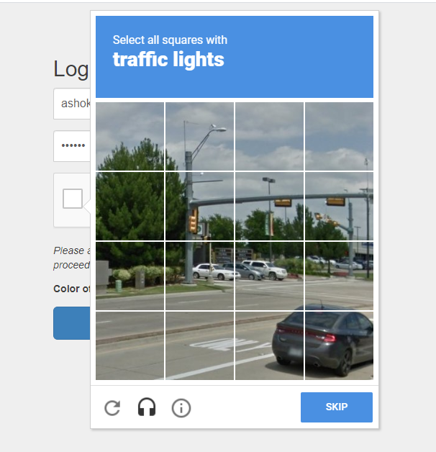
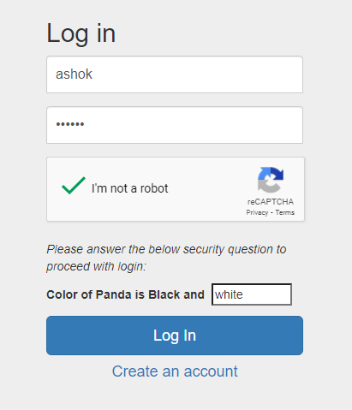
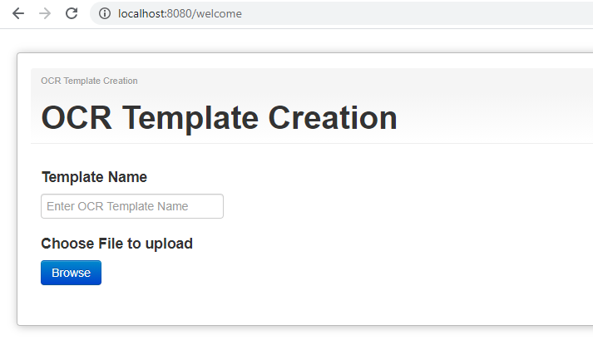
S.No | Description |  | Results

Test Case 1 | Mandatory Form Fields |  | Pass
 | All input fields are Username, Password and Captcha are mandatory in the Login form
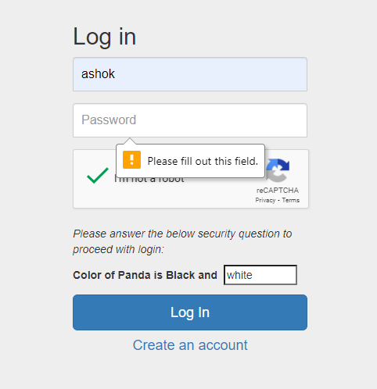

Test Case 2 | Username incorrect: |  | Pass
 | Error message shown and form not submitted
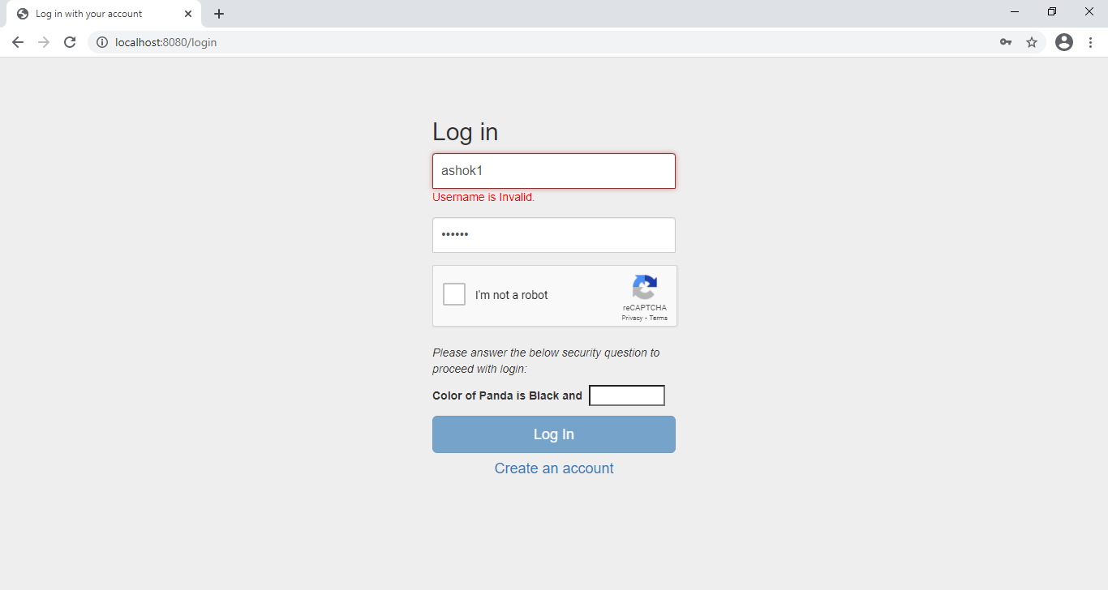

Test Case 3 | Password Incorrect: |  | Pass
 | Error message shown and form not submitted
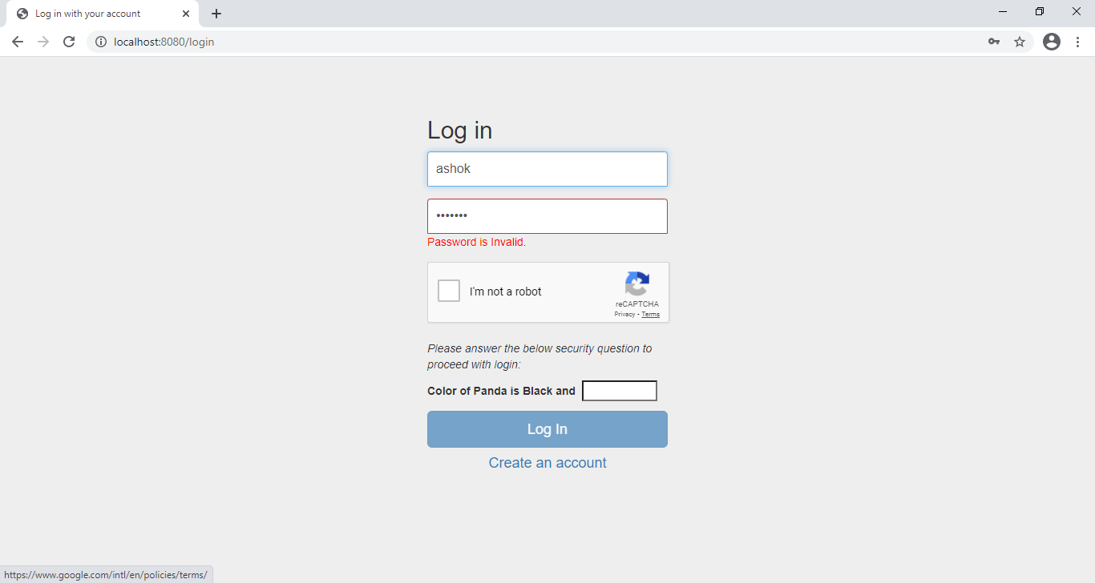

Test Case 4 | Disable submit |  | Pass
 | Submit button will be disabled by default and will get enabled only after captcha is selected.
 | This is implemented via data-callback="recaptchaCallback" in recaptcha

 | Before captcha input: | After captcha input:
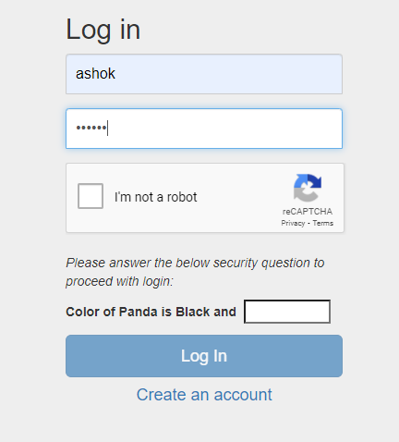
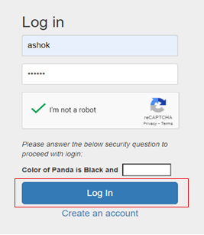

Test Case 5 | ReCaptcha Expiry |  | Pass
 | Token expiry time is 2 minutes (default expiry time)
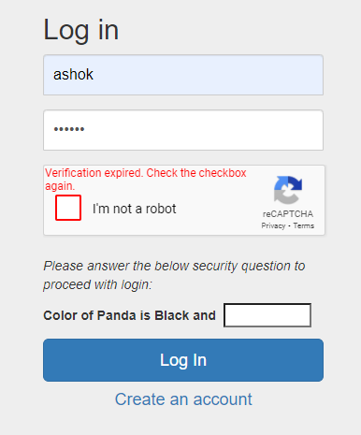

Test Case 6 | Captcha UI client side validation |  | Pass
 | Client side UI prompt will be shown in captcha to select all matching images if all images are not selected
 | (inbuilt validation in recaptcha API)
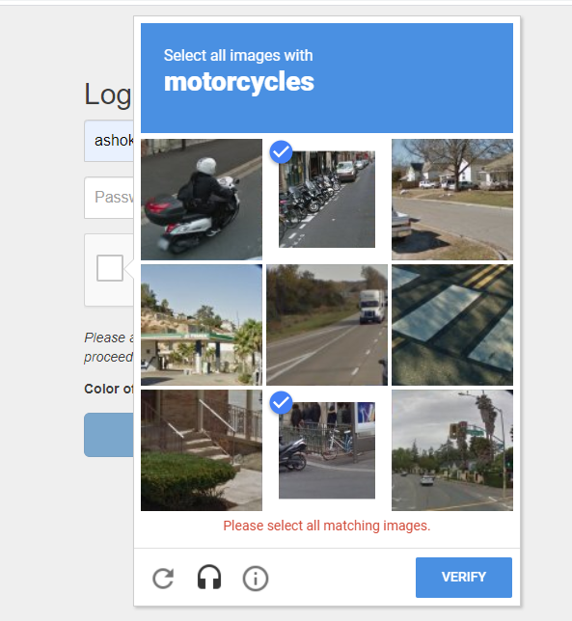

Test Case 7 | Answer to Challenge question is mandatory |  | Pass
 | Form cannot be submitted without entering correct answer for challenge question even if the username,
 | password and captcha are filed
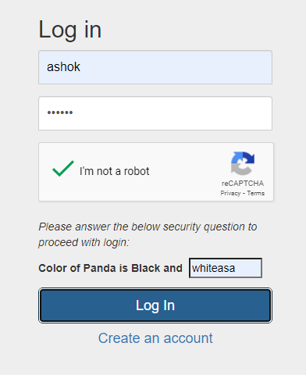

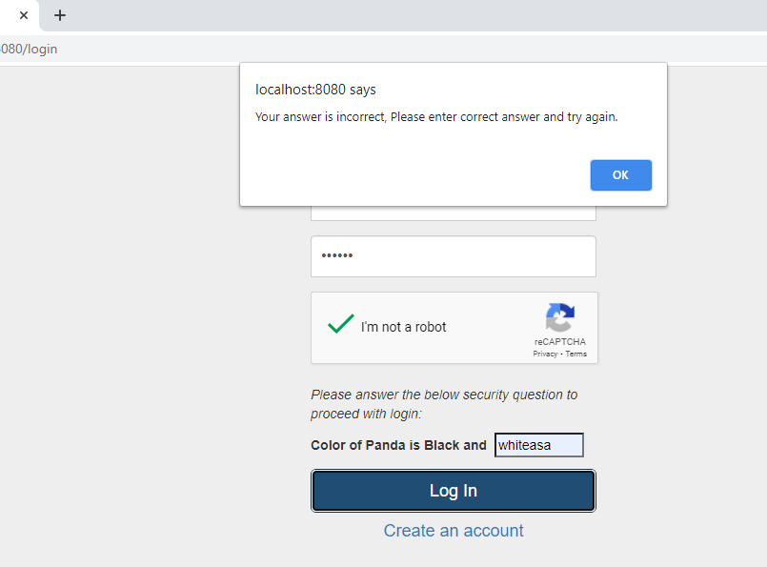

Test Case 8 | Successful Login |  | Pass
 | Login successful and redirected to Welcome page only after username, password, captcha
 | and challenge answer is correct

