Sheet1
Slno. | Issues | Raised Date | status | Resolved Date | Remarks | Screen
1 | Add Back & Edit option in left before the save and next . | 2024-05-09 | Resolved | 2024-05-12 | Back & update function added
2 | Option to view the facility's total score as a percentage. | 2024-05-09 | Resolved | 2024-05-12 | Dash board updated | 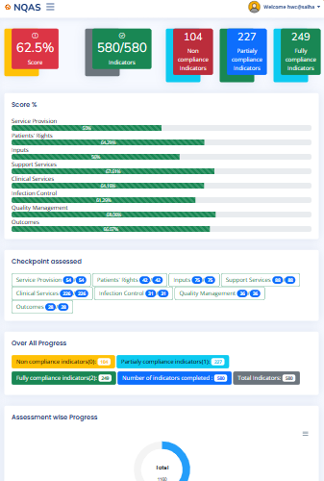
3 | Area of concern: In clinical services, there are numerous standards, and it's unclear which standards have been met once a standard is completed. A solution needs to be provided to address this issue. | 2024-05-09 | Resolved | 2024-05-12 | Only uncompleted Standard will load. | Only uncompleted Standard will load.

