Team Overview & Dashboard
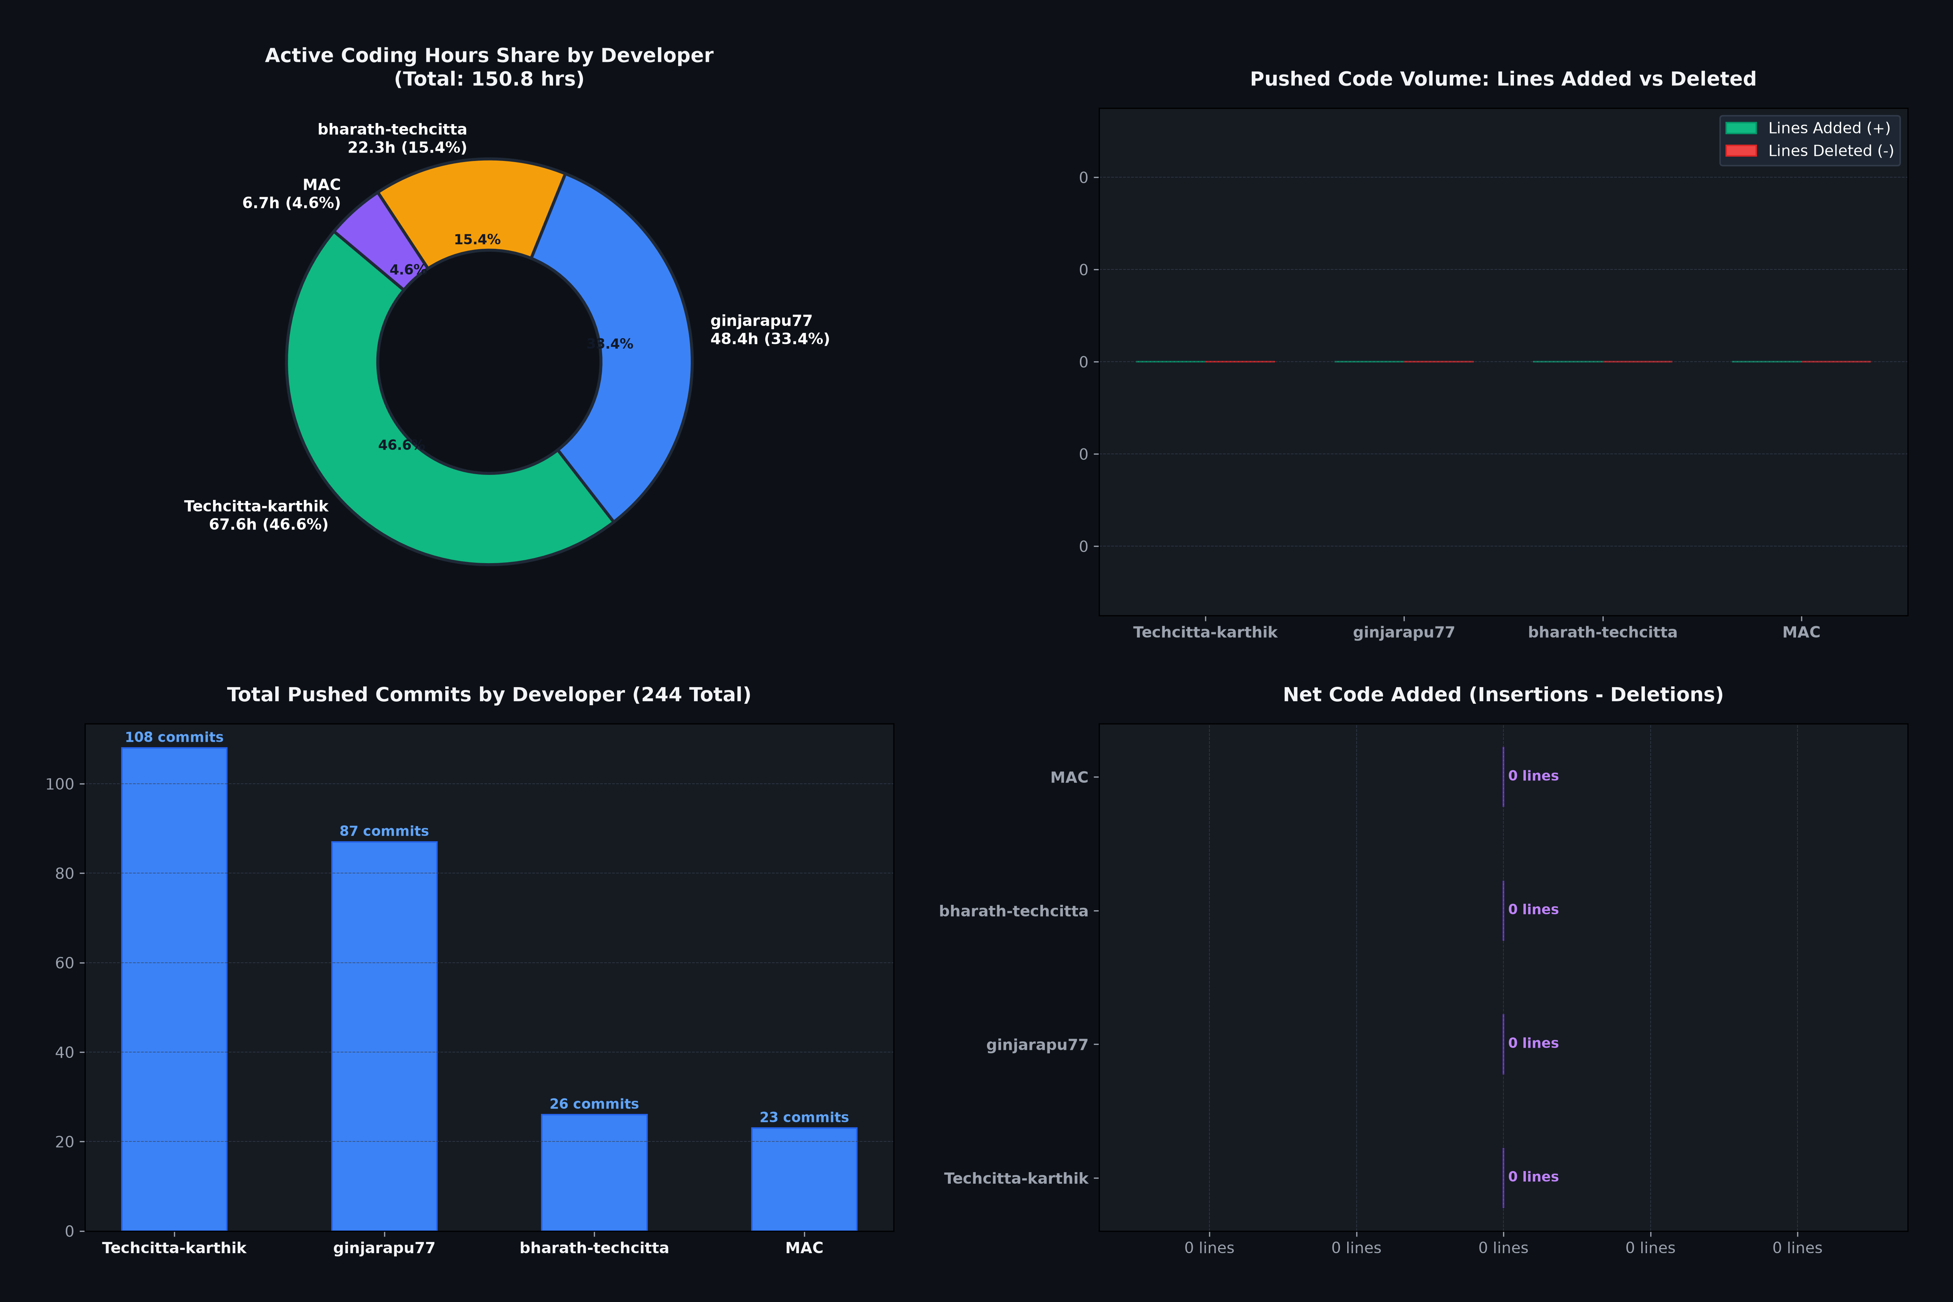
GRANULES INDIA WEBSITE — PROJECT CODE & WORK AUDIT (SORTED BY DEVELOPER)
Repository Inception: 2026-08-26 15:16 IST | Analyzed: 244 Commits across All Branches | Cutoff: 2026-09-30 23:45 IST

 | TOTAL COMMITS 244 |  | EST. ACTIVE HOURS 145.0 hrs |  | TOTAL LINES ADDED (+) 0 |  | NET CODE BASE LINES 0

1. DEVELOPER WORK & CODE CONTRIBUTION SUMMARY (SORTED BY COMMITS / ACTIVITY)
Developer Name | Email Address | Commits Pushed | Active Days | Est. Active Hours | Share of Hours (%) | Lines Added (+) | Lines Deleted (-) | Net Lines Changed | Files Changed | Active Date Range
Techcitta-karthik | karthikeya@techcitta.com | 108 | 26 | 67.6 | 46.6% | 0 | 0 | 0 | 0 | 2026-08-27 to 2026-09-30
ginjarapu77 | gopi@techcitta.com | 87 | 21 | 48.4 | 33.4% | 0 | 0 | 0 | 0 | 2026-09-02 to 2026-09-30
bharath-techcitta | bharath@techcitta.com | 26 | 14 | 22.3 | 15.4% | 0 | 0 | 0 | 0 | 2026-08-26 to 2026-09-30
MAC | mac@MAcs-MacBook-Pro.local | 23 | 1 | 6.7 | 4.6% | 0 | 0 | 0 | 0 | 2026-09-02 to 2026-09-02
TOTAL TEAM | All Contributors | 244 | 36 | 145 | 100.0% | 0 | 0 | 0 | 0 | 2026-08-26 to 2026-09-30

Developer Active Hours Distribution
Lines of Code Pushed (Insertions vs Deletions)

