Visual Dashboard & Charts
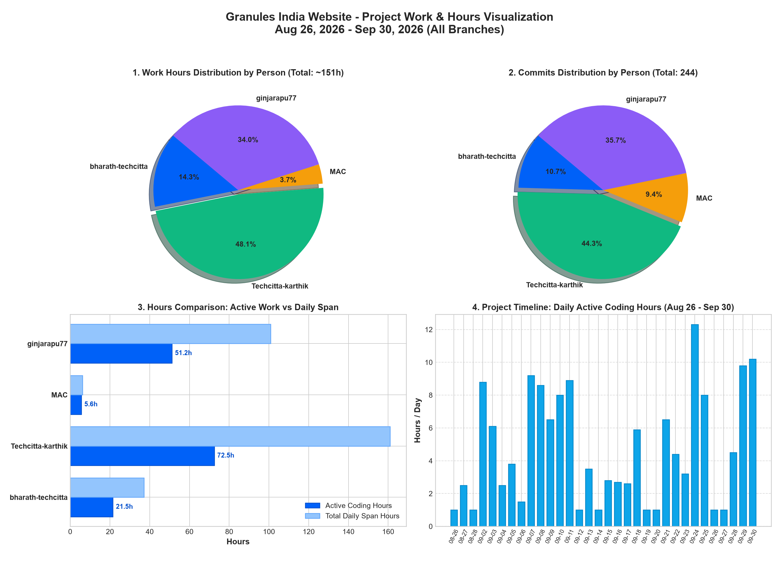
GRANULES INDIA WEBSITE — PROJECT HOURS & TIMINGS DASHBOARD
Project Inception: 2026-08-26 15:16:15 IST (Commit d88b442 by bharath-techcitta) | Total Commits: 244 | Active Duration: 36 Days

Work Hours Share by Team Member
Person | Email | Total Commits | Active Days | Active Coding Hours | % Contribution | Total Span (Hrs)
bharath-techcitta | bharath@techcitta.com | 26 | 14 | 21.5 | 14.3% | 37.1
Techcitta-karthik | karthikeya@techcitta.com | 108 | 26 | 72.5 | 48.1% | 161
MAC | mac@MAcs-MacBook-Pro.local | 23 | 1 | 5.6 | 3.7% | 6.2
ginjarapu77 | gopi@techcitta.com | 87 | 21 | 51.2 | 34.0% | 100.9
PROJECT TOTAL |  | 244 | 36 | 150.8 | 100% | 305.2

Active Coding Hours vs Total Commits

