Credit Purchase
 | Credit Purchase |  |  |  |  |  |  |  |  |  |  | These are mandatory fields | value | table | field | remarks
 | voucher type- | Purchase-Import |  |  |  |  |  |  |  |  |  | these are non editable | voucher type- | transactions | transaction type
TABS---> | Basic Details | Cost Center | Attach |  |  |  |  |  |  |  | voucher type- | All voucher names unde Credit Purchase voucher Class (for loggedin company)are shown in drop down | Voucher No. : | transactions | voucher No
 | Voucher No. : | CrPUR 1 |  |  |  |  |  |  | Currency | QAR | Currency | Defaut = Company Master (base_currency)of the selected company; in dropdown all currency names are shown | Supplier A/c | transaction_details | ledger id | srno=1
 |  |  |  |  |  |  |  |  | Date : | 2021-04-02 | Voucher No. : | as per voucher type selected- (check auto numbering T/F) If False enter manually or if True then ( prefix -(count+1)); if auto number- can not change by user,check its unique per year Id | Shipped by | transactions | supplier name
 | Supplier A/c | jsd |  | Shipped by | xyz |  |  | LC No |  |  | Date : | between (start date & end date) of Loggedin Company & Year- if not error message) | Shipped from Add. | transactions | supplier address
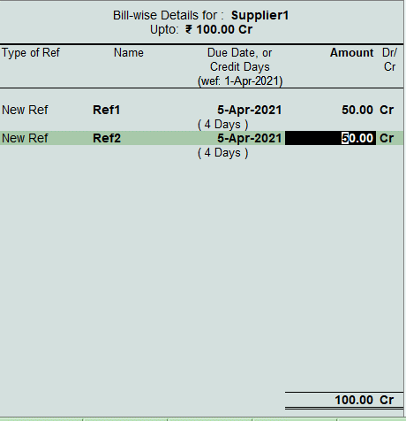
 | Current Balance 100 Cr |  |  | Shipped from Add. |  |  |  | LC |  |  | Payment Terms | any value , can be null laso | Inv. No | transactions | supplier invoice_no
 | Inv. No | Inv. Date |  | Payment Terms |  | Narration |  |  |  |  | Supplier A/c | all Ledgers under-Payables-group/chield of; | Inv. Date | transactions | Purchase invoice_date
 | 222 | 2021-04-01 |  |  |  | any text | 5656 |  |  |  |  | current balace of selected supplier shown with dr/cr (from ledger_bal table - bal for latest year) | Narration | transactions | narration
 |  |  |  |  |  |  |  |  |  |  | Shipped by | it is supplier name--> (from Ledger Master), default = Ledger name, but can change | Ref No | transaction_details_billwise | ref_no | transaction_details_Id= srno1 as above
 | Bill Details |  |  |  |  |  |  |  |  |  | Shipped from Add. | it is supplier Address (from Ledger Master table)--> default-Address, but can change | Ref. Date | transaction_details_billwise | ref_Date
 | Ref No | Ref. Date | Due Date | Amount | FC Amount | FC Rate |  |  |  |  | Inv. No | alpha numeric | Due Date | transaction_details_billwise | due date
 | pur1 | 2021-04-01 | 2021-04-01 | 1050 | 20 | 52.5 |  |  |  |  | Inv. Date | can not be > Date(transaction date) | Amount | transaction_details_billwise | amount | if + save as - & if - save as +
 |  |  |  |  |  |  |  |  |  |  | Narration | any , can be blank also | FC Amount | transaction_details_billwise | fc_amount
 |  |  |  |  |  |  |  |  |  |  | Bill Details | can add multiple rows | FC Rate | transaction_details_billwise | fc_rate
 | Payable /CR |  |  | 1050 |  |  |  |  |  |  | Ref No | default= Inv.No. ;user can change | ledger id | transaction_details_billwise | ledger_id | ledger id of supplier
 |  |  |  |  |  |  |  |  |  |  | Ref Date | default= Inv.Date. ;user can change; can not be > Date(transaction date) | Currency | transaction_details_billwise | currency
 |  |  |  |  |  |  |  |  |  |  | Due Date | default= Inv.Date. +credit days (from ledger_master) ;user can change it ; but can not be < Inv. Date | not in front end | transaction_details_billwise | ref_type | New Ref
 | Ledger code | Account | Amount | FC Amount | FC Rate | Remarks | current Balance |  |  |  | Amount | if + then store as Negative & in Cr & if - store as Possitive & in Dr | not in front end | transaction_details_billwise | dr | if amount + then Cr
 | purchase | purchase a/c | 1060 |  |  |  | 200Dr |  |  |  |  | Default only 1 row; use+ to add 1 more Row in table | not in front end | transaction_details_billwise | cr | if amount - then Dr
 | rail | dicount a/c | 0 |  |  |  | 50Cr |  |  |  | Payable /CR | is total of all above bills amount; This must be Positive - else errer message | Payable /CR | transaction_details | amount | for srno1 (if + save as - & if - save as +)
 | Cash Discount | dicount a/c | -10 |  |  |  | 50Cr |  |  |  | Narration | long text, alpha numaric | not in front end | transaction_details | dr | always 0
 |  |  |  |  |  |  |  |  |  |  | FC Amount | only if Curreny NOT= base currency; else can hide/disabled | Payable /CR | transaction_details | cr
 |  | Total | 1050 | 0 |  |  |  |  |  |  |  |  | null / blank | transaction_details | remarks
 |  |  |  |  |  |  |  |  |  |  | FC Rate | auto calculted=(Amount/FC amount) (4 decimle)(always Positive) | Payable /CR | transaction_details | fc_amount | Total for all bills
 |  |  |  |  |  |  |  |  |  |  | LC No | import LC -Drop down all LC related to This Supplier, can be nill | not in front end | transaction_details | fc_rate | rate= amount/fc amount(total payable)
 |  |  |  |  |  |  |  |  |  |  | Ledger code | in drop down select all ledger codes(for that company)=where acc_group name= (Purchases/ cost of sales/Duties & Taxes) | Currency | transaction_details | currency
 |  |  |  |  |  |  |  |  |  |  | Account | ledger name of selected ledger code is shown | Date : | transactions | transaction_date
 |  |  |  |  |  |  |  |  |  |  | Amount | if + then store as Dr & if - store as Cr (for that ledger) | not in front end | transactions | year_ID | login-company year
 |  |  | Save/Next |  |  | Cancel |  |  | delete |  | Remarks | long text, alpha numaric | Ledger code | transaction_details | ledger id | from serial no 2 onwards
 |  |  |  |  |  |  |  |  |  |  | current Balance | current balace of selected ledger shown with dr/cr-(from ledger_bal table - bal for latest year- for the selected company) | Amount | transaction_details | amount | amount for that ledger
 |  |  |  |  |  |  |  |  |  |  |  | by default only 1 row is available ; use+ to add 1 more Row in table | FC Amount | transaction_details | fc_amount
 |  |  |  |  |  |  |  |  |  |  | Total | Total must be==Payable /CR (else error message & cant save entry) | FC Rate | transaction_details | fc_rate | rate= amount/fc amount--- for that ledger
 | Cost Center |  |  |  |  |  |  |  |  |  | Cost Center |  | Remarks | transaction_details | remarks
 | Ledger | Cost Category | Cost Center | Amount | FC Amount | FC Rate |  |  |  |  | Ledger | for all the ledgers used in above entry auto listed | Currency | transaction_details | currency
 | jsd | Branch | A | 100 |  |  |  |  |  |  |  | after entering amount- one window/ TAB to enter cost centre details will popup | dr | transaction_details | dr | if + Dr
 | 1050 |  | B | 90 |  |  |  |  |  |  |  | 1st select cost category & the cost centre under that category & the put amount | cr | transaction_details | cr | if -Cr
 |  | Project | x | 50 |  |  |  |  |  |  |  | here can't enter (-) amounts so if amount of ledger is Dr cost centre amount = Dr & if it is Cr then cost centre amount= Cr | Attach | transactions_docs | file name & attachments
 |  |  | y | 100 |  |  |  |  |  |  |  | validate-------[total for each cost category =< amount for that ledger] else error message | not in front end | trans_details__ledg_costcente | cost_centern_no | linked to cost center
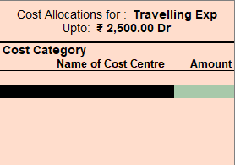
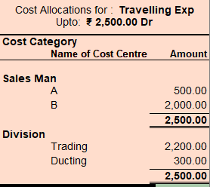
 |  |  |  |  |  |  |  |  |  |  |  |  | not in front end | trans_details__ledg_costcente | dr | if ledger is dr then this is also Dr
 | purchase | Branch | A | 120 |  |  |  |  |  |  |  |  | not in front end | trans_details__ledg_costcente | cr | if ledger is Cr then this is also Cr
 | 1060 |  | B | 120 |  |  |  |  |  |  |  |  | Amount | trans_details__ledg_costcente | amount | amount of cost center- same as Ledger Dr/Cr
 |  | Type | Local | 200 |  |  |  |  |  |  |  |  | FC Amount | trans_details__ledg_costcente | fc_amount
 | Cash Discount |  |  |  |  |  |  |  |  |  |  |  | Currency | trans_details__ledg_costcente | Currency
 | 10 |  |  |  |  |  |  |  |  |  |  |  | FC Rate | trans_details__ledg_costcente | fc_rate | rate= amount/fc amount--- for that costcenter

 |  |  |  |  |  |  |  |  |  |  |  |  | not in front end | transactions | authoristion_status | Pending
 |  |  |  |  |  |  |  |  |  |  |  |  | not in front end | transactions | dummy_entry | FALSE
Authorisation |  | if authorisation required- show in List of pending authoristion for his login on dashboard |  |  |  |  |  |  |  |  |  |  | LC No | transactions | LC_no
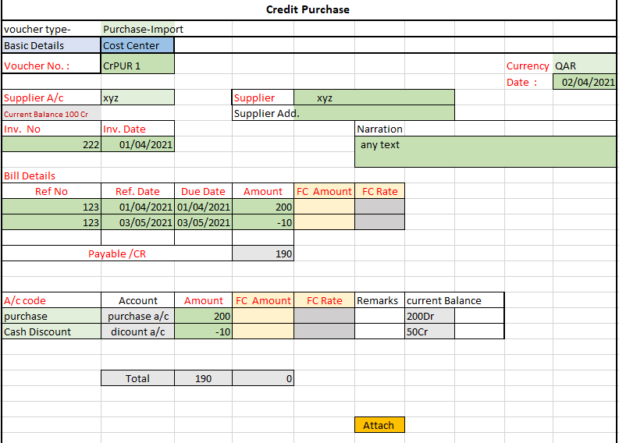
 | can View above vocher all tabs |  |  |  |  |  |  |  |  |  |  |  | not in front end | transactions | authorised_by | based on voucher type -ID of Authoriser
 |  |  |  |  | Voucher Type | Pending to Authorise |  |  |  |  |  |  | not in front end | transactions | authorised_on | Null
 |  |  |  |  | Sale | 5 |  | (status=Pending) |  |  |  |  | Payment Terms | transactions | payment terms
 |  |  |  |  | Purchase | 8 |  |  |  |  |  |  | Shipped by | transactions | shipped_by | its overwritten in front end
 |  |  |  |  | JV | 10 |  |  |  |  | Cost Category | select from drop down - Cost categories for that company ; this can not be repeted for same ledger | Shipped from Add. | transactions | Shipped from Address | its overwritten in front end
 |  |  |  |  |  |  |  |  |  |  | Cost Center | select from drop down - Cost Centers under that Cost categories for that company ; this can not be repeted for same cost category | not in front end | transactions | PL_closing_entry | FALSE
 |  |  |  |  | List of above selected voucher types |  |  |  |  |  | Amount | here can't enter (-) amounts so if amount of ledger is Dr cost centre amount = Dr & if it is Cr then cost centre amount= Cr

 |  |  |  |  |  |  |  |  |  |  |  | by default only 1 row is available ; use+ to add 1 more Row in table

 |  |  |  |  | selected |  |  |  |  |  | Total | Validate ------[total must be = Payable/CR amount] else error message

 | Remaks |  |  | update---> | authoristion_status | remarks | authorised on |  |  |  | Attach | popup to -attach 1 or multiple documents with names of documents to Attach
 |  | Approve | on Save |  | Approved | xxx | date
 |  | Reject |  |  | Rejectede | yyyy | date
 |  |  |  |  |  |  |  |  |  |  | Triggers | Create/ Modify
 |  |  |  |  |  |  |  |  |  |  | Before Save | check for each P&L Ledger sum(amount of that ledger in that month- where authoristion_status==Pending/Approved;dummy_entry==False) <= (P&L Budget for related month of year)
 |  |  |  |  |  |  |  |  |  |  |  | ---else show meggase budget Limit Exceeded ...& don’t save in Database
Modify/ Delete
 | Based on status of Transaction |  |  |  |  |  |  |  |  |  |  | Create/ Modify/ Delete
 |  | modify | delete | where |  |  |  |  |  |  | After Save- | Update Transaction Table
authorisation required |  |  |  |  |  |  |  |  |  |  | as Approved | update total debit, total credit in Ledger_bal table
 | before authoristion | user can modify /delete |  | status= pending |  |  |  |  |  |  |  | update -balance in Ledger_bal table for that year & all next years as per trigger
 | after authorisation | only person authorising can modify/ delete |  | status= approved |  |  |  |  |  |  | Modify / Delete | update status, authorised on & remarks in Transaction
 | rejected | cant modify | can't delet | status= rejected |  |  |  |  |  |  | On Delete | Cascading effect:-
authorisation not required |  | can modify | delete |  |  |  |  |  |  |  |  | Transaction, Transaction_details, Billwise, Costcentere, Documents-(all tables data deleted)

