company_master
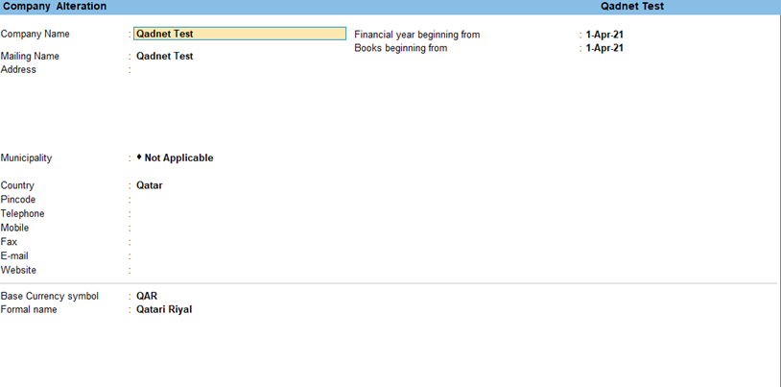
cloumn | type | default
Id | auto increase-integer |  | pk | not null
company_ name | varchar |  | unique | not null
address | varchar |  |  | not null
country | varchar |  |  | not null
state | varchar |  |  | not null
email | varchar
website | varchar
contact no | int
base_currency |  | from defalut selct or creat new one |  | not null
cr_no | varchar
registration no | varchar
tax id no | varchar
vat id no | varchar
year_start_date | date |  |  | not null
year_end_date | date |  |  | not null |  | > start date
logo | blob | image |  |  |  | to be shown in that compay
created by | varchar |  |  |  |  | user who created
created on | date time |  |  |  |  | timestamp

id | company_ name | base_currency |  | year_start_date | year_end_date
1 | abc | INR |  | 2021-04-01 | 2022-03-31
2 | xyz | USD |  | 2021-01-01 | 2021-12-31
3 | lmn | QAR |  | 2021-07-01 | 2022-06-30
4 | ssss | QAR |  | 2021-07-01 | 2022-06-30

Trigger | on create
 | add a row in year table-status= true; year no=1
 | add default default a/c head, Group,ledger,voucher type

 | new compnay- year_no =0,Locked=yes, staetdate & end date 1 year back, status=false
 | year_no=1, locked=no, status=true

ledger_master
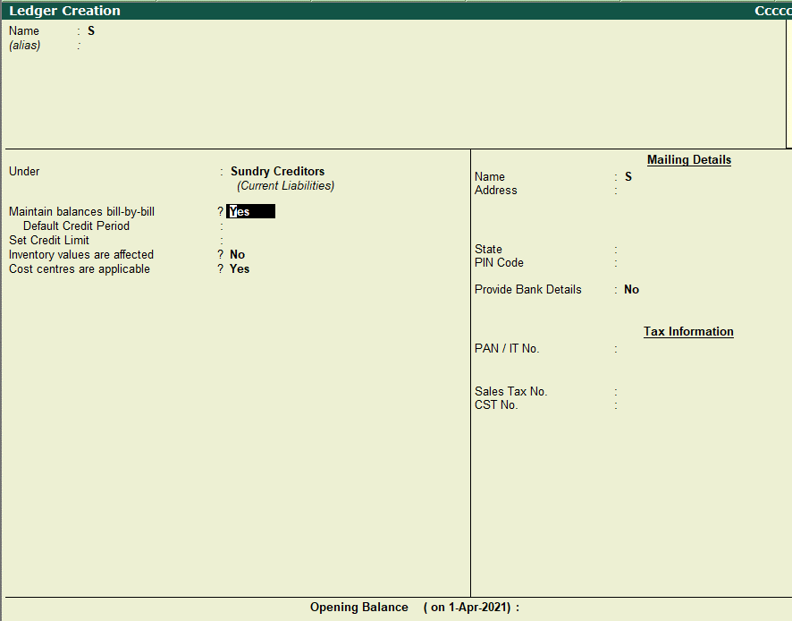
cloumn | type | default
Id | auto increase-integer |  | unique | not null
group-id |  |  | foreign key-group id | not null
ledger id | varchar | (gropu id+autoincrement) | Unique(ledger id+CompanyID) | not null |  | DR1,DR2,DR3
old_ledger_id | varchar |  |  |  |  | it is id in old system before migration
ledger name | varchar |  |  | not null
compnay id | int |  | fk- compnay id | not null
maintain billwise | boolian | for ledger under Receivable/payables group= true |  | not null
address | varchar |  |  |  |  | only for receivables & payables
tel | varchar |  |  |  |  | only for receivables & payables
email | varchar |  |  |  |  | only for receivables & payables
contact person | varchar |  |  |  |  | only for receivables & payables
bank name | varchar |  |  |  |  | only for payables
branch name | varchar |  |  |  |  | only for payables
bank code | varchar |  |  |  |  | only for payables
bank a/c no | long int |  |  |  |  | only for payables
credit limit | floating |  |  |  |  | only for receivables
credit days | int |  |  |  |  | only for receivables & payables
credit rating | varchar |  |  |  |  | only for receivables
block a/c | boolian | no |  |  |  | only for receivables
tax reg no | varchar |  |  |  |  | only for receivables & payables
CR no | varchar |  |  |  |  | only for receivables & payables
Cr exp date | date |  |  |  |  | only for receivables & payables
ID no | varchar |  |  |  |  | only for receivables & payables
ID exp date | date |  |  |  |  | only for receivables & payables
CC no | varchar |  |  |  |  | only for receivables & payables
CC exp date | date |  |  |  |  | only for receivables & payables
Vat no | varchar |  |  |  |  | only for receivables & payables
delivery terms | varchar |  |  |  |  | only for receivables & payables
payment terms | varchar |  |  |  |  | only for receivables & payables
is_fixed | boolion | no
current_balance | floating | 0 | auto calculated trigger |  | DR + & for Cr - | updated on change in opening balance / transaction
created by | varchar |  |  |  |  | user who created
created on | date time |  |  |  |  | timestamp

Trigger auto insert default rows for each compnay at the time of creation
id | ledder code | ledger name | group name/id | credit limit | maintain billwise | company-id | is_fixed | current_balance
1 | CAS-1 | cash | Cash in Hand |  | no | 1 | yes | 0
2 | P&L | Profit & Loss A/c | Retained Earnings |  | no | 1 | yes | 0

above default rows can not be deleted /modified
IS Fixed-bydefault- when company created =True but when user created=False
 |  | icici | bank
 |  | hdfc | bank
 |  | xyz | non\ca
 |  | abc | caur
Trigger-on CUD transaction
current Balance- | if BS | if PL
 | opening balance+sum(all amount) all years | sum(all amount) for the latest year(status=True)

costCenter
cloumn | type | default
Id | auto increase-integer |  | pk | not null
cost center name | varchar |  | Unique(name+Company Id) | not null | for company Id it should not be duplicate
cost category |  |  | forignkey(costcatagory-ID) | not null |  | just like cost catogoryin Tally
chield_of |  | primary |  | not null |  | parent -chield ; parent must be from same group only es salesman- a/b/c/d
created by | varchar |  |  |  |  | user who created
created on | date time |  |  |  |  | timestamp

 |  |  |  |  |  |  |  |  |  | 10000

id | cost center name | cost category | chield_of |  |  |  | Cost Category | region |  |  | product
1 | india | 1 | primary |  |  |  |  |  |  |  | b1 | b1-1
2 | us | 1 | primary |  |  |  | Cost Center | india | maha |  |  | b1-2 | b1-2-2
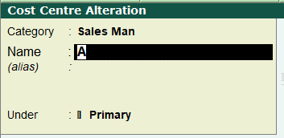
3 | maha | 1 | india |  |  |  |  |  | guj |  | b2
4 | guj | 1 | india |  |  |  |  |  | up |  | b3
5 | UP | 1 | india |  |  |  |  |  |  | kanpoor
6 | kanpoor | 1 | up |  |  |  | Cost Center | us
7 | b1 | 2 | primary
8 | b2 | 2 | primary
9 | b3 | 2 | primary
10 | b1-1 | 2 | b1
11 | india | 4 | primary
12 | us | 4 | primary
13 | maha | 4 | india
14 | guj | 4 | india
15 | UP | 4 | india
16 | kanpoor | 4 | up
17 | b1 | 5 | primary
18 | b2 | 5 | primary
19 | b3 | 5 | primary
20 | b1-1 | 5 | b1

budget
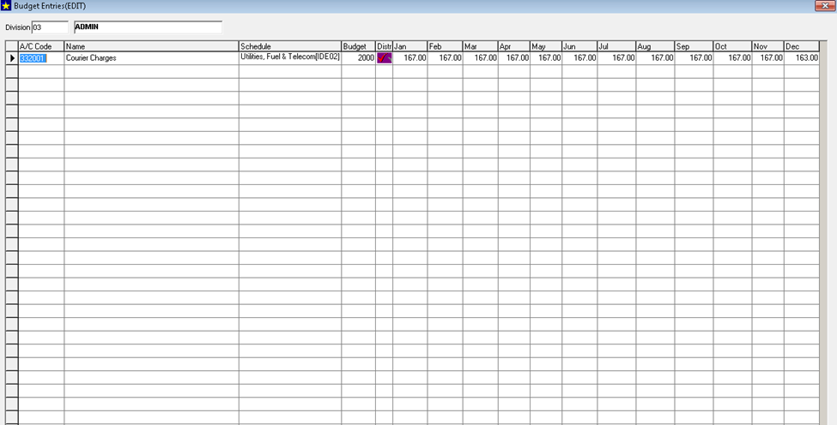
cloumn | type | default
Id | auto increase-integer |  | pk | not null
budget name | varchar |  | Unique(name+CompanyID) | not null
compnay id |  |  | fk- compnay id | not null
year_id |  |  | fk- year id | not null | select from drop down-Start date- End date(except YearNo=0
enforce ristrictions | boolion | yes |  | not null | monthly total & cummulative total will be checked
authoriser | varchar |  | id of person who will authorise -enhacements/ rerwsied budget this budget | not null | drop down users for this company
type | varchar | select from dropdown(P&l, Cashflow) | unique(type+company id+year id) | not null
created by | varchar
created on | date time

Original | hidden | hidden(st date-End Date) |  |  |  | Create
budget name | compnay id | year_id | enforce ristrictions | authoriser | type
P&L2021 | 1 | 1 | yes | sssdva | p&L | Details
cashflow2021 | 1 | 1 | yes | bb | cash flow | Details
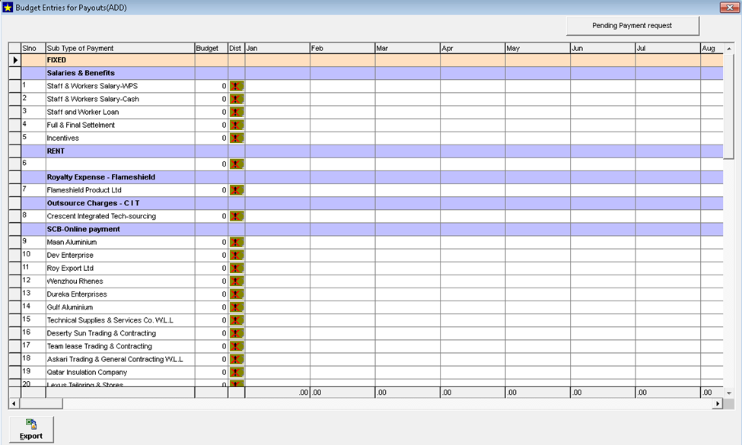
cashflow2022 | 2 | 2 | no | xyz | cash flow | Details
P&L2022 | 2 | 2 | no | abc | p&L | Details

Revison
budget name | 0 | Original | budget name | P&L2021 | cashflow2021
cashflow2022 | 2 | 2 | no | xyz | cash flow | Rewise
 |  | 3 | dfds

lc
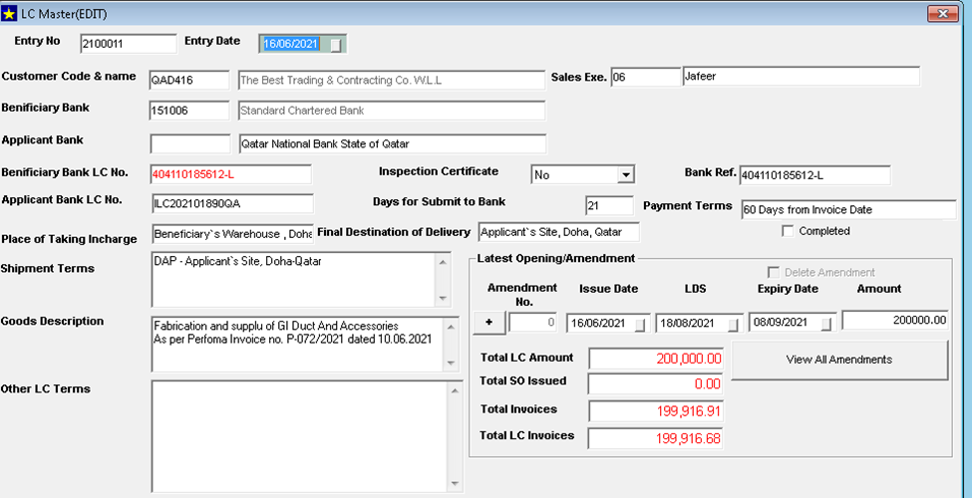
cloumn | type | default
Id | auto increase-integer |  | pk | not null
lc_no | varchar | unique(companyid+lcno) |  | not null
trans_type | varchar | import/export |  | not null
LC_date | date |  |  | not null
year id |  |  | FK -year id | not null | year in which LC date is falling for that company
party code |  |  | fk-ledger | not null | party code- for import- Creditors, for export - Customers
cost cente |  |  | fk-cost center
applicant bank
benificiary bank
benificiary bank LC no | varchar |  |  | not null
applicant bank LC no | varchar |  |  | not null
inspection certificate | boolien | no
bank ref | varchar |  |  | not null
days for submit to bank | int |  |  | not null
payment terms | varchar |  |  | not null
place of taking incharge | varchar |  |  | not null
final destinatio of delivery | varchar |  |  | not null
completed | boolien | no |  | not null
shipment terms | long text |  |  | not null
goods description | long text |  |  | not null
other LC terms | long text |  |  | not null
bank a/c |  |  | fk-ledger(only Bank / Bank OD group) |  | bank from where LC issued/will be collected
expiry date | date |  |  | not null | must be > LC date
lc amount | floating |  |  | not null
company id |  |  | fy - company id
created by | varchar
created on | date time

transactions
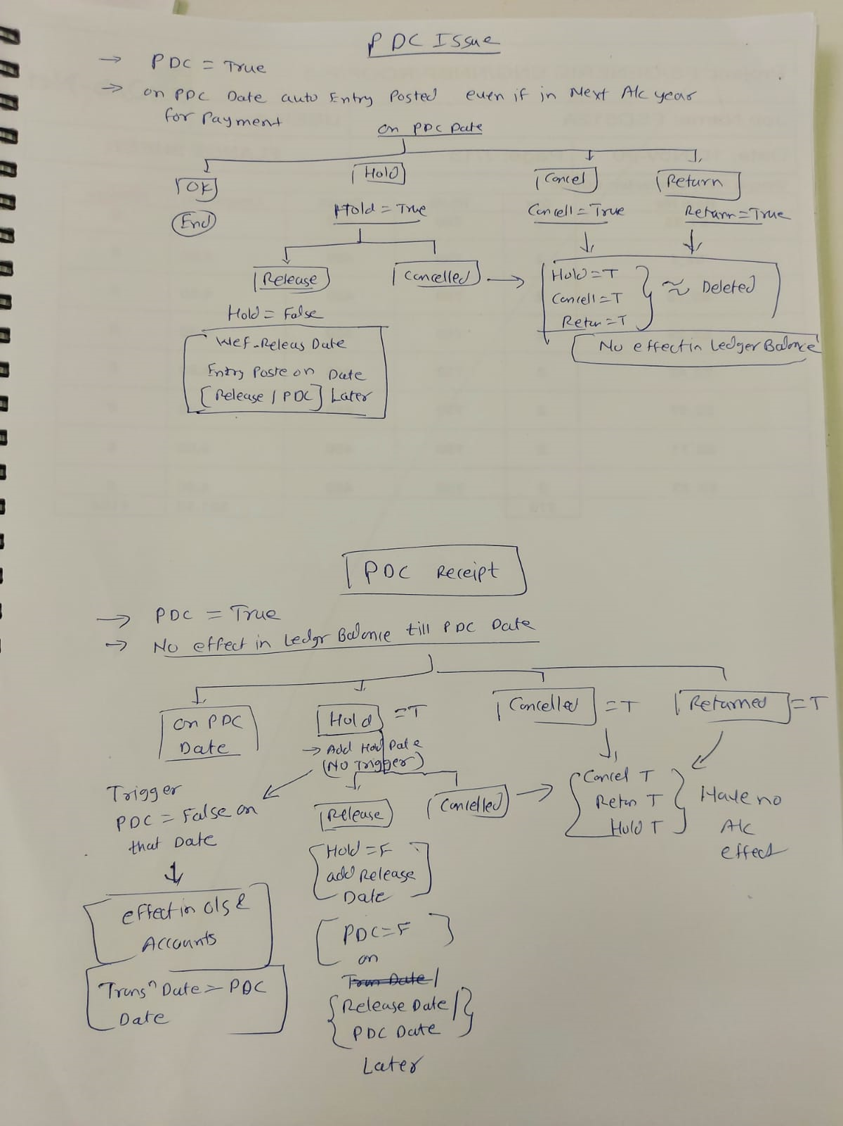
cloumn | type | default
Id | auto increase-integer |  | pk | not null
transaction type | varchar | fk- voucher type id |  | not null
voucher No |  | unique(year-ID & voucherNo) |  | not null | based on vouchertype -Auto/ manual
transaction_date | date | (>= start date of year number 1 of company) & (<= end date of last year of company ) BUT can't be between Start & end date of the years where Locked =True |  | not null | effective date for a/c
narration | varchar | long text
pay_type | varchar | on-account | advance/on-account/against-Ref | not null
party name | varchar |  |  | only for cash/bank receipt/payments | name of payee / receiver
cash_flow_bud_code |  | FK- cash flow budget ID |  | only for cash/bank receipt/payments/cash purchase/ cash sales/PDC-receipt,payment
authoristion_status | varchar | if authorisation required -pending; else approved | trigger on approval/rejectioon update status | not null | no user ineterface-(pending/approved/rejected)
dummy_entry | booliean | in case of memorandum/ planning type of voucher =TRUE, else=False |  | not null | for Memo/Planning- all voucher types availbvel in menu
pdc | booliean | no |  | not null only for bank receipt /payment
pdc_date | date |  |  | only for bank receipt /payment
hold | booliean | no |  | only for bank receipt /payment
hold_date | date |  |  | only for bank receipt /payment
release_date | date |  | > hold date | only for bank receipt /payment
cancelled | booliean | no |  | only for bank receipt /payment
cancel_date | date |  |  | only for bank receipt /payment
returned | booliean | NO |  | only for bank receipt /payment
return_date | date |  |  | only for bank receipt /payment
year_ID |  |  | fk- year _no | not null | referes to year in which transaction date falls
LC_no | varchar | FK-lc_id |  | only for purchase/ sales
remarks_authoristion_request | long text |  |  |  | remarks by maker for authoristion request
authorised_by | varchar | id | fk- emp id |  | fill up when authorised / rejected
authorised_on | date time |  |  |  | fill up when authorised / rejected
authorised_remarks | varchar |  |  |  | fill up when authorised / rejected
invoice_no | varchar |  |  | only for sales
invoice_date | date |  |  | only for sales
customer name | varchar |  |  | only for sales
customer address | varchar |  |  | only for sales
supplier invoice_no | varchar |  |  | only for purchase
Purchase invoice_date | date |  |  | only for purchase
payment terms | varchar |  |  | only for purchase/ sales
supplier name | varchar |  |  | only for purchase
supplier address | varchar |  |  | only for purchase
chq_no | integer |  |  | only bank receipt /payment | bank transactions
chq_date | date |  |  | only bank receipt /payment
chq_bank | varchar | receipt /payment bank |  | only bank receipt /payment | either cheque / online type
online_ref_no | integer | blank/null |  | only bank receipt /payment | will be. updated in BRS
online_ref_date | date |  |  | only bank receipt /payment | oline details are updated later
online_ref_bank | varchar | receipt /payment bank |  | only bank receipt /payment
receipt_payment_acc | varchar | code of cash / bank ledger | fk-ledger-id | only bank receipt /payment | bank/cash acc from where payament / receipt done
reco_date | date | blank/null |  | no front end | updated in bank reco
shipped_by | varchar | supplier name |  | only for purchase
Shipped from Address | varchar | supplier address |  | only for purchase
shipped to | varchar | customer name |  | only for sales
shipped to address | varchar | customer address |  | only for sales
created by | varchar |  |  | not null |  | eg bill no 123
created on | date time |  |  | not null |  | rejected | r123 | modify to
 |  |  |  |  |  | now again same voucher no can be used without violating PK issue

voucher No | transaction type | transaction_date | narration | invoice_no
sb1 | sales | 2021-01-01 | sal to xyz | sale 1
br1 | bank receipt | 2021-01-02 | from xyz
br2 | bank receipt | 2021-01-03 | from xyz

