Yield-Yield Spread
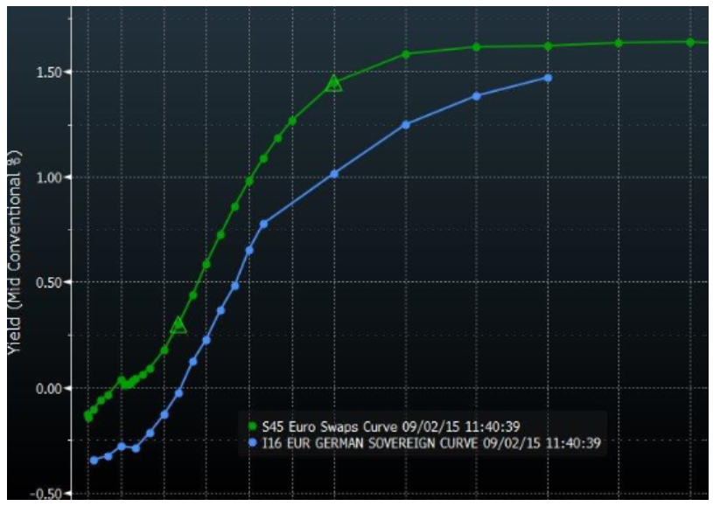
Yield-Yield Asset Swap Spread

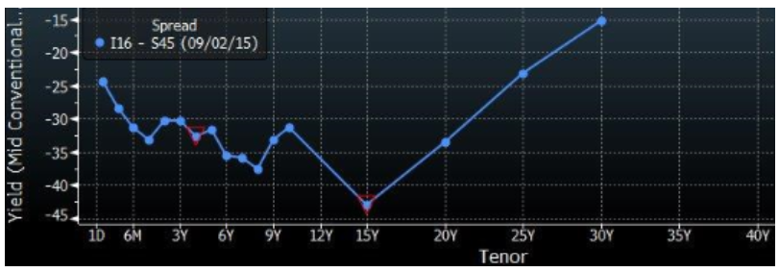
Example 1: German Government Bond
Bond | DBR 0.5% 2026
Coupon | 0.50%
Maturity | 2026
Term | 10 years
Clean Price | 99.020
Yield | 0.640%

10Y Swap Rate | 0.920%
Yield-Yield Spread | -0.280%
Basis Points | -28.00

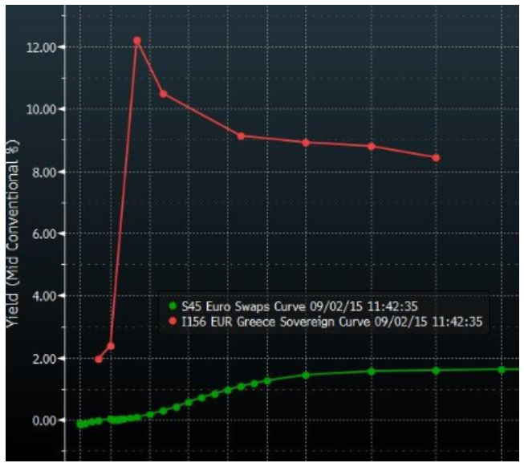

Example 2: Greek Government Bond
Bond | GGB 3.0% 2026
Coupon | 3.00%
Maturity | 2026
Term | 10 years
Clean Price | 65.398
Yield | 9.188%

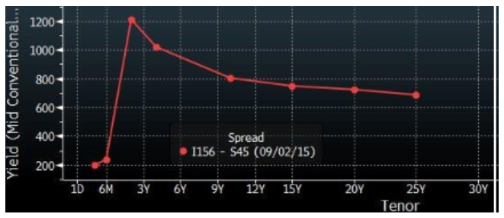
10Y Swap Rate | 0.920%
Yield-Yield Spread | 8.268%
Basis Points | 826.80

Par-Par Spread
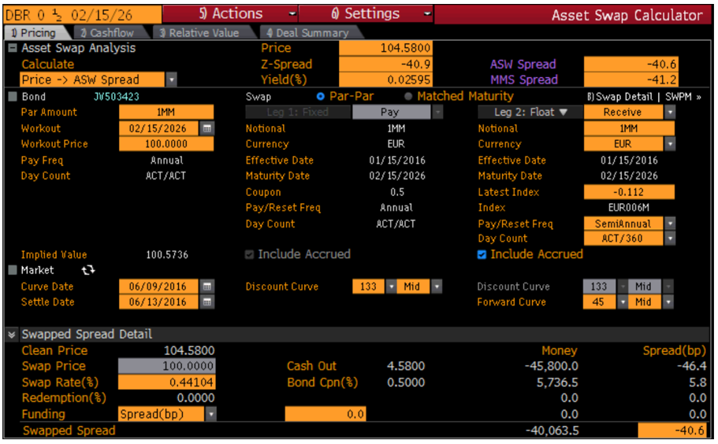
Par-Par Asset Swap Spread

Example 1: German Government Bond
Bond | DBR 0.5% 2026
Coupon | 0.50%
Maturity | 2026
Term | 10 years
Clean Price | 104.580
Yield | 0.640%

10Y Swap Rate | 0.440%
10Y Annuity(Fixed) | 10.00
10Y Annuity(Float) | 10.00

Par-Par Spread | -0.398%
Basis Points | -39.80

Swap Component | 0.600%
Par-Par Adjustment | -4.580%
Par-Par Spread Check | -0.398%

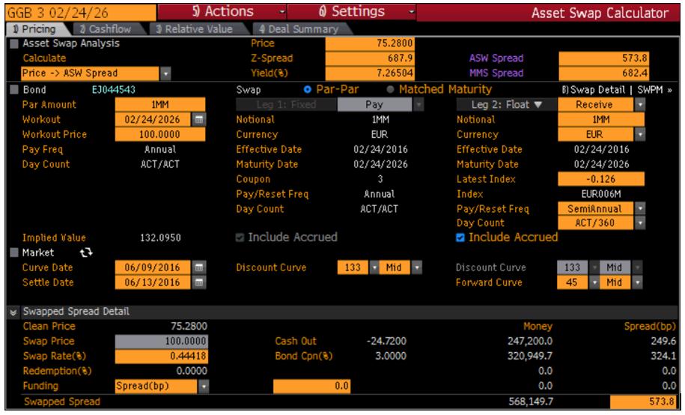
Example 2: Greek Government Bond
Bond | GGB 3.0% 2026
Coupon | 3.00%
Maturity | 2026
Term | 10 years
Clean Price | 75.280
Yield | 4.580%

10Y Swap Rate | 0.440%
10Y Annuity(Fixed) | 10.00
10Y Annuity(Float) | 10.00

Par-Par Spread | 5.032%
Basis Points | 503.20

Swap Component | 25.600%
Par-Par Adjustment | 24.720%
Par-Par Spread Check | 5.032%

