Sheet 1
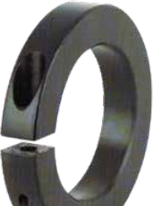 |  |  |  |  |  |  | 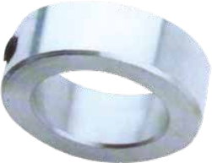 |  |  |  |  |  |  |  | 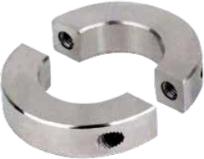

 |  |  |  |  |  |  |  |  |  |  |  |  |  |  | ntl-bpt.com Shaft Collars

 |  |  |  |  |  |  |  |  |  |  |  |  |  |  |  |  | 1-877-469-2529

 | SHAFT COLLARS
 |  |  | SOLID SHAFT COLLARS
 |  |  | • National shaft collars are offered in multiple styles in a variety of materials and finishes. • Collars are stamped with the bore size for easy identification. • One-piece clamp style shaft collars wrap around the shaft for even distribution of clamping forces. This results in a tight fit and greater holding power, without the shaft damage caused by set screws. • Two-piece clamp style shaft collars offer the same benefits of the one-piece clamp style shaft collars with additional versatility and convenience. They are easily disassembled, reducing labor and downtime when adjustment, removal, or replacement is necessary. • National now offers its shaft collars in 316 stainless steel as an option. The socket head cap screws are also made of 316 stainless steel to ensure full anti-corrosion.
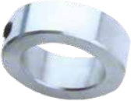
 |  |  | Zinc Plated finish. Stainless steel option: add suffix SS.
 |  |  | ITEM |  |  | BORE |  |  |  | OD |  |  | WIDTH |  |  | CAP SCREW SIZE
 |  |  | SC 1/8 |  |  | 1/8 |  |  |  | 0.355 |  |  | 0.250 |  |  | 6-32X1/8
 |  |  | SC 3/16 |  |  | 3/16 |  |  |  | 0.418 |  |  | 0.250 |  |  | 8-32X1/8
 |  |  | SC 1/4 |  |  | 1/4 |  |  |  | 0.480 |  |  | 0.281 |  |  | 10-32X1/8
 |  |  | SC 5/16 |  |  | 5/16 |  |  |  | 0.605 |  |  | 0.313 |  |  | 10-32X1/8
 |  |  | SC 3/8 |  |  | 3/8 |  |  |  | 0.730 |  |  | 0.375 |  |  | 1/4-20X3/16
 |  |  | SC 7/16 |  |  | 7/16 |  |  |  | 0.855 |  |  | 0.437 |  |  | 1/4-20X1/4
 |  |  | SC 1/2 |  |  | 1/2 |  |  |  | 0.980 |  |  | 0.437 |  |  | 1/4-20X1/4
 |  |  | SC 9/16 |  |  | 9/16 |  |  |  | 0.980 |  |  | 0.437 |  |  | 1/4-20X1/4
 |  |  | SC 5/8 |  |  | 5/8 |  |  |  | 1.105 |  |  | 0.500 |  |  | 5/16-18X1/4
 |  |  | SC 11/16 |  |  | 11/16 |  |  |  | 1.230 |  |  | 0.562 |  |  | 5/16-18X1/4
 |  |  | SC 3/4 |  |  | 3/4 |  |  |  | 1.230 |  |  | 0.562 |  |  | 5/16-18X1/4
 |  |  | SC 13/16 |  |  | 13/16 |  |  |  | 1.480 |  |  | 0.562 |  |  | 5/16-18X1/4
 |  |  | SC 7/8 |  |  | 7/8 |  |  |  | 1.480 |  |  | 0.562 |  |  | 5/16-18X1/4
 |  |  | SC 15/16 |  |  | 15/16 |  |  |  | 1.605 |  |  | 0.562 |  |  | 5/16-18X1/4
 |  |  | SC1 |  |  | 1 |  |  |  | 1.605 |  |  | 0.625 |  |  | 5/16-18X5/16
 |  |  | SC1 1/16 |  |  | 1-1/16 |  |  |  | 1.730 |  |  | 0.625 |  |  | 5/16-18X5/16

 |  |  | All pictures may differ from the final products. Product availability and specifications are subject to change without notice.
 |  |  | 2 | ntl-bpt.com

 | SHAFT COLLARS
 |  |  | SOLID SHAFT COLLARS (CONT’D)
 |  |  | Zinc Plated finish. Stainless steel option: add suffix SS.

 |  |  | ITEM |  |  | BORE |  |  |  | OD |  |  | WIDTH |  |  | CAP SCREW SIZE
 |  |  | SC1 1/8 |  |  | 1-1/8 |  |  |  | 1.730 |  |  | 0.625 |  |  | 5/16-18X5/16
 |  |  | SC1 3/16 |  |  | 1-3/16 |  |  |  | 1.975 |  |  | 0.687 |  |  | 3/8-16X3/8
 |  |  | SC1 1/4 |  |  | 1-1/4 |  |  |  | 1.975 |  |  | 0.687 |  |  | 3/8-16X3/8
 |  |  | SC1 5/16 |  |  | 1-5/16 |  |  |  | 2.100 |  |  | 0.687 |  |  | 3/8-16X3/8
 |  |  | SC1 3/8 |  |  | 1-3/8 |  |  |  | 2.100 |  |  | 0.750 |  |  | 3/8-16X3/8
 |  |  | SC1 7/16 |  |  | 1-7/16 |  |  |  | 2.225 |  |  | 0.813 |  |  | 3/8-16X3/8
 |  |  | SC1 1/2 |  |  | 1-1/2 |  |  |  | 2.225 |  |  | 0.813 |  |  | 3/8-16X3/8
 |  |  | SC1 9/16 |  |  | 1-9/16 |  |  |  | 2.480 |  |  | 0.813 |  |  | 3/8-16X3/8
 |  |  | SC1 5/8 |  |  | 1-5/8 |  |  |  | 2.480 |  |  | 0.813 |  |  | 3/8-16X3/8
 |  |  | SC1 11/16 |  |  | 1-11/16 |  |  |  | 2.480 |  |  | 0.813 |  |  | 3/8-16X3/8
 |  |  | SC1 3/4 |  |  | 1-3/4 |  |  |  | 2.720 |  |  | 0.875 |  |  | 1/2-13X1/2
 |  |  | SC1 7/8 |  |  | 1-7/8 |  |  |  | 2.720 |  |  | 0.875 |  |  | 1/2-13X1/2
 |  |  | SC1 15/16 |  |  | 1-15/16 |  |  |  | 2.975 |  |  | 0.875 |  |  | 1/2-13X1/2
 |  |  | SC2 |  |  | 2 |  |  |  | 2.975 |  |  | 0.875 |  |  | 1/2-13X1/2
 |  |  | SC2 1/8 |  |  | 2-1/8 |  |  |  | 2.975 |  |  | 0.875 |  |  | 1/2-13X1/2
 |  |  | SC2 3/16 |  |  | 2-3/16 |  |  |  | 3.225 |  |  | 0.937 |  |  | 1/2-13X1/2
 |  |  | SC2 1/4 |  |  | 2-1/4 |  |  |  | 3.225 |  |  | 0.937 |  |  | 1/2-13X1/2
 |  |  | SC2 3/8 |  |  | 2-3/8 |  |  |  | 3.225 |  |  | 0.937 |  |  | 1/2-13X1/2
 |  |  | SC2 7/16 |  |  | 2-7/16 |  |  |  | 3.470 |  |  | 1.000 |  |  | 1/2-13X1/2
 |  |  | SC2 1/2 |  |  | 2-1/2 |  |  |  | 3.470 |  |  | 1.000 |  |  | 1/2-13X1/2
 |  |  | SC2 15/16 |  |  | 2-15/16 |  |  |  | 4.220 |  |  | 1.125 |  |  | 1/2-13X5/8
 |  |  | SC3 |  |  | 3 |  |  |  | 4.220 |  |  | 1.125 |  |  | 1/2-13X5/8
 |  |  | SC3 7/16 |  |  | 3-7/16 |  |  |  | 4.470 |  |  | 1.125 |  |  | 1/2-13X5/8
 |  |  | SC20MM |  |  | 20mm |  |  |  | 32mm |  |  | 14mm |  |  | M6X8

 |  |  | All pictures may differ from the final products. Product availability and specifications are subject to change without notice.
 |  |  |  |  |  |  |  |  |  |  |  |  |  |  |  |  |  | ASK FOR NATIONAL QUALITY | 3

 | SHAFT COLLARS
 |  |  | SPLIT SHAFT COLLARS
 |  |  | Black Oxide finish Stainless steel option: add suffix SS.
 |  |  |  |  |  |  |  | Single Split Double Split
 |  |  | ITEM |  |  |  |  | BORE |  |  |  | OD |  | WIDTH |  |  |  |  | CAP SCREW SIZE
 |  |  | SINGLE |  | DOUBLE
 |  |  | 1SC 1/8 |  | 2SC 1/8 |  |  | 1/8 |  |  |  | 0.500 |  | 0.250 |  |  |  |  | 4-40X3/8
 |  |  | 1SC 3/16 |  | 2SC 3/16 |  |  | 3/16 |  |  |  | 0.625 |  | 0.313 |  |  |  |  | 4-40X3/8
 |  |  | 1SC 1/4 |  | 2SC 1/4 |  |  | 1/4 |  |  |  | 0.688 |  | 0.313 |  |  |  |  | 4-40X3/8
 |  |  | 1SC 5/16 |  | 2SC 5/16 |  |  | 5/16 |  |  |  | 0.688 |  | 0.313 |  |  |  |  | 4-40X3/8
 |  |  | 1SC 3/8 |  | 2SC 3/8 |  |  | 3/8 |  |  |  | 0.875 |  | 0.343 |  |  |  |  | 6-32X3/8
 |  |  | 1SC 7/16 |  | 2SC 7/16 |  |  | 7/16 |  |  |  | 0.938 |  | 0.375 |  |  |  |  | 6-32X3/8
 |  |  | 1SC 1/2 |  | 2SC 1/2 |  |  | 1/2 |  |  |  | 1.125 |  | 0.406 |  |  |  |  | 8-32X1/2
 |  |  | 1SC 9/16 |  | 2SC 9/16 |  |  | 9/16 |  |  |  | 1.250 |  | 0.438 |  |  |  |  | 10-32X1/2
 |  |  | 1SC 5/8 |  | 2SC 5/8 |  |  | 5/8 |  |  |  | 1.313 |  | 0.437 |  |  |  |  | 10-32X1/2
 |  |  | 1SC 11/16 |  | 2SC 11/16 |  |  | 11/16 |  |  |  | 1.375 |  | 0.438 |  |  |  |  | 10-32X1/2
 |  |  | 1SC 3/4 |  | 2SC 3/4 |  |  | 3/4 |  |  |  | 1.500 |  | 0.500 |  |  |  |  | 1/4-28X5/8
 |  |  | 1SC 13/16 |  | 2SC 13/16 |  |  | 13/16 |  |  |  | 1.625 |  | 0.500 |  |  |  |  | 1/4-28X5/8
 |  |  | 1SC 7/8 |  | 2SC 7/8 |  |  | 7/8 |  |  |  | 1.625 |  | 0.500 |  |  |  |  | 1/4-28X5/8
 |  |  | 1SC 15/16 |  | 2SC 15/16 |  |  | 15/16 |  |  |  | 1.750 |  | 0.500 |  |  |  |  | 1/4-28X5/8
 |  |  | 1SC1 |  | 2SC1 |  |  | 1 |  |  |  | 1.750 |  | 0.500 |  |  |  |  | 1/4-28X5/8
 |  |  | 1SC1 1/16 |  | 2SC1 1/16 |  |  | 1-1/16 |  |  |  | 1.875 |  | 0.500 |  |  |  |  | 1/4-28X5/8
 |  |  | 1SC1 1/8 |  | 2SC1 1/8 |  |  | 1-1/8 |  |  |  | 1.875 |  | 0.500 |  |  |  |  | 1/4-28X5/8
 |  |  | 1SC1 3/16 |  | 2SC1 3/16 |  |  | 1-3/16 |  |  |  | 2.063 |  | 0.500 |  |  |  |  | 1/4-28X5/8
 |  |  | 1SC1 1/4 |  | 2SC1 1/4 |  |  | 1-1/4 |  |  |  | 2.063 |  | 0.500 |  |  |  |  | 1/4-28X5/8
 |  |  | 1SC1 5/16 |  | 2SC1 5/16 |  |  | 1-5/16 |  |  |  | 2.125 |  | 0.563 |  |  |  |  | 1/4-28X5/8
 |  |  | 1SC1 3/8 |  | 2SC1 3/8 |  |  | 1-3/8 |  |  |  | 2.250 |  | 0.563 |  |  |  |  | 1/4-28X5/8
 |  |  | 1SC1 7/16 |  | 2SC1 7/16 |  |  | 1-7/16 |  |  |  | 2.250 |  | 0.563 |  |  |  |  | 1/4-28X5/8
 |  |  | 1SC1 1/2 |  | 2SC1 1/2 |  |  | 1-1/2 |  |  |  | 2.375 |  | 0.563 |  |  |  |  | 1/4-28X5/8
 |  |  | 1SC1 9/16 |  | 2SC1 9/16 |  |  | 1-9/16 |  |  |  | 2.375 |  | 0.563 |  |  |  |  | 1/4-28X5/8
 |  |  | All pictures may differ from the final products. Product availability and specifications are subject to change without notice.
 |  |  | 4 | ntl-bpt.com

 | SHAFT COLLARS
 |  |  | SPLIT SHAFT COLLARS (CONT’D)
 |  |  | Black Oxide finish Stainless steel option: add suffix SS.
 |  |  |  |  |  |  |  |  | Single Split Double Split
 |  |  | ITEM |  |  |  |  | BORE |  |  |  | OD |  | WIDTH |  |  |  |  | CAP SCREW SIZE
 |  |  | SINGLE |  | DOUBLE
 |  |  | 1SC1 5/8 |  | 2SC1 5/8 |  |  | 1-5/8 |  |  |  | 2.625 |  | 0.688 |  |  |  |  | 5/16-24X7/8
 |  |  | 1SC1 3/4 |  | 2SC1 3/4 |  |  | 1-3/4 |  |  |  | 2.750 |  | 0.688 |  |  |  |  | 5/16-24X7/8
 |  |  | 1SC1 7/8 |  | 2SC1 7/8 |  |  | 1-7/8 |  |  |  | 2.875 |  | 0.688 |  |  |  |  | 5/16-24X7/8
 |  |  | 1SC1 15/16 |  | 2SC1 15/16 |  |  | 1-15/16 |  |  |  | 3.000 |  | 0.688 |  |  |  |  | 5/16-24X7/8
 |  |  | 1SC2 |  | 2SC2 |  |  | 2 |  |  |  | 3.000 |  | 0.688 |  |  |  |  | 5/16-24X7/8
 |  |  | 1SC2 1/8 |  | 2SC2 1/8 |  |  | 2-1/8 |  |  |  | 3.250 |  | 0.750 |  |  |  |  | 5/16-24X7/8
 |  |  | 1SC2 3/16 |  | 2SC2 3/16 |  |  | 2-3/16 |  |  |  | 3.250 |  | 0.750 |  |  |  |  | 5/16-24X7/8
 |  |  | 1SC2 1/4 |  | 2SC2 1/4 |  |  | 2-1/4 |  |  |  | 3.250 |  | 0.750 |  |  |  |  | 5/16-24X7/8
 |  |  | 1SC2 5/16 |  | 2SC2 5/16 |  |  | 2-5/16 |  |  |  | 3.375 |  | 0.750 |  |  |  |  | 5/16-24X7/8
 |  |  | 1SC2 3/8 |  | 2SC2 3/8 |  |  | 2-3/8 |  |  |  | 3.500 |  | 0.750 |  |  |  |  | 5/16-24X7/8
 |  |  | 1SC2 7/16 |  | 2SC2 7/16 |  |  | 2-7/16 |  |  |  | 3.500 |  | 0.750 |  |  |  |  | 5/16-24X7/8
 |  |  | 1SC2 1/2 |  | 2SC2 1/2 |  |  | 2-1/2 |  |  |  | 3.750 |  | 0.875 |  |  |  |  | 3/8-24X7/8
 |  |  | 1SC2 5/8 |  | 2SC2 5/8 |  |  | 2-5/8 |  |  |  | 3.875 |  | 0.875 |  |  |  |  | 3/8-24X7/8
 |  |  | 1SC2 11/16 |  | 2SC2 11/16 |  |  | 2-11/16 |  |  |  | 4.000 |  | 0.875 |  |  |  |  | 3/8-24X7/8
 |  |  | 1SC2 3/4 |  | 2SC2 3/4 |  |  | 2-3/4 |  |  |  | 4.000 |  | 0.875 |  |  |  |  | 3/8-24X7/8
 |  |  | 1SC2 7/8 |  | 2SC2 7/8 |  |  | 2-7/8 |  |  |  | 4.250 |  | 0.875 |  |  |  |  | 3/8-24X7/8
 |  |  | 1SC2 15/16 |  | 2SC2 15/16 |  |  | 2-15/16 |  |  |  | 4.250 |  | 0.875 |  |  |  |  | 3/8-24X7/8
 |  |  | 1SC3 |  | 2SC3 |  |  | 3 |  |  |  | 4.250 |  | 0.875 |  |  |  |  | 3/8-24X7/8
 |  |  | 1SC3 7/16 |  | 2SC3 7/16 |  |  | 3-7/16 |  |  |  | 4.750 |  | 0.875 |  |  |  |  | 3/8-24X7/8
 |  |  | 1SC3 1/2 |  | 2SC3 1/2 |  |  | 3-1/2 |  |  |  | 4.750 |  | 0.875 |  |  |  |  | 3/8-24X7/8
 |  |  | 1SC3 15/16 |  | 2SC3 15/16 |  |  | 3 15/16 |  |  |  | 5.250 |  | 0.875 |  |  |  |  | 3/8-24X7/8
 |  |  | 1SC4 7/16 |  | 2SC4 7/16 |  |  | 4-7/16 |  |  |  | 6.125 |  | 1.000 |  |  |  |  | 1/2-20X7/8
 |  |  | 1SC10MM |  | 2SC10MM |  |  | 10mm |  |  |  | 25mm |  | 9mm |  |  |  |  | M3

 |  |  | All pictures may differ from the final products. Product availability and specifications are subject to change without notice.
 |  |  |  |  |  |  |  |  |  |  |  |  |  |  |  |  |  |  | ASK FOR NATIONAL QUALITY | 5

 |  | NOTES

 |  | 6 | ntl-bpt.com

 |  | NATIONAL PRODUCTS LIMITED WARRANTY WARRANTY OFFERED BY: This warranty (the “Warranty”) applies to all goods, materials, parts and products sold under the NATIONAL brand name or trademark (“NATIONAL Products”) by Wajax Industrial Components Limited Partnership or any of its affiliates or related entities (each a “Wajax Entity”); the specific Wajax Entity bound by this Warranty (“Wajax”) will be the Wajax Entity which is a party to the relevant contract or order with the customer (“Customer”) pursuant to which such NATIONAL Products are sold. DEFECTS WARRANTED - NATIONAL PRODUCTS: Subject to the provisions set out in this Warranty document, Wajax warrants that NATIONAL Products are of good workmanship, free of defects in manufacture and material, and conform to Wajax’s specifications as expressly set out in the relevant contract or purchase order, sub-ject to Wajax’s standard tolerances for specifications. If Wajax determines in its sole discretion that any NATIONAL Product (or part thereof) fails to conform with such warranty during the applicable warranty period, and that the terms and conditions of this Warranty have been fully satisfied, then Wajax (in its sole discretion) shall promptly repair or replace such NATIONAL Product (or part thereof) at Wajax’s expense and deliver the same FCA Wajax facilities, or refund the purchase price there-of. The obligations of Wajax under this Warranty shall be strictly limited to repair or replacement of any NATIONAL Product which in Wajax’s sole opinion is defective at the time of delivery of such NATIONAL Product to the Customer, or refund of the purchase price thereof. This Warranty shall apply only to NATIONAL Products sold by Wajax which have been paid for by the Customer. If Wajax elects to repair the NATIONAL Product subject to the warranty claim, the Customer shall be responsible for the removal and transportation thereof to Wajax’s designated facility, provided

 |  |  |  |  |  |  |  |  |  |  |  |  |  |  |  |  |  | ASK FOR NATIONAL QUALITY | 7

 |  |  |  | The National Bearings and Power Transmission product line by Wajax, provides you access to a wide range of high quality components for your MRO and OEM requirements which are produced in ISO9001 and QS9001 certified facilities to our Wajax Engineering standards. Our wide range of products include;
 |  |  |  | » Ball bearings, tapered roller, spherical plain, ball bearing inserts and agricultural bearings » Mounted units, corrosion resistant, thermoplastic, stainless steel and waterproof |  |  |  |  |  |  | » Roller chains, leaf chains and conveyor chains » Sprockets, sheaves, shaft collars, couplings and bushings » Custom manufacturing to meet your MRO / OEM needs
 |  |  |  | Available from our network of over 100 locations across Canada, our National brand serves a wide range of industries and applications – making your operations more productive. From Material Handling, Food and Beverage, Forestry, Agricultural, Mining, Aggregate to general processing and production – National has the products to meet your needs.

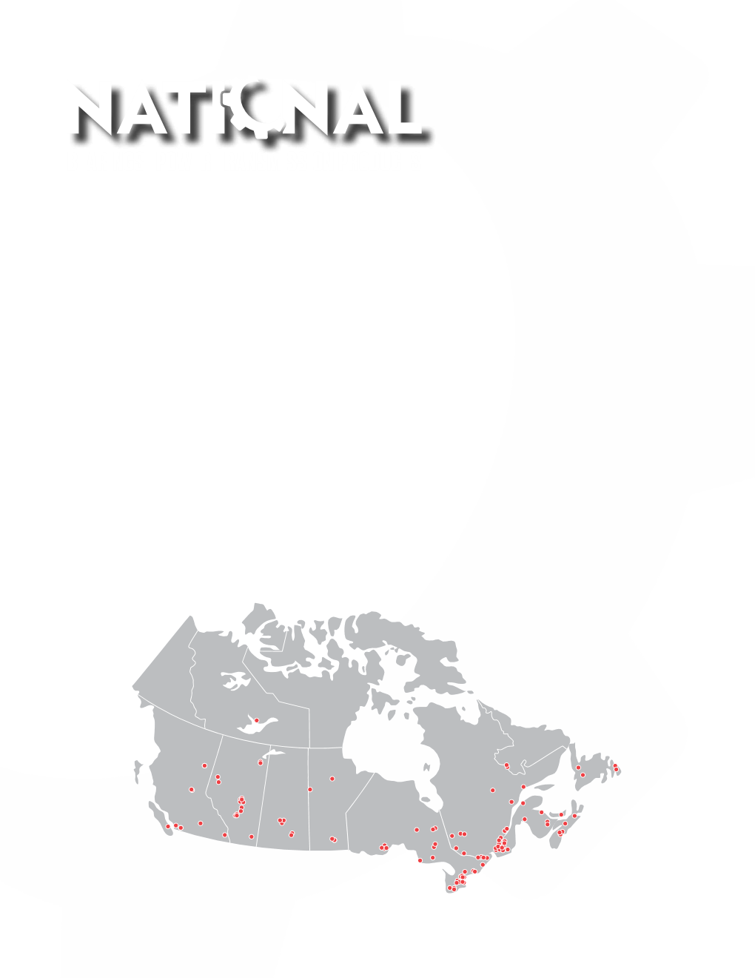
 |  |  |  | 1-877-469-2529

