Project Profile


Unit Test Plan(Enter Feedback Module)

Project Code | G2
Project Name | Feedback Management System

Prepared/Modified by | Role | Date of Preparation
Vardhani Kalaga | Software Engineer | 28/02/2018
Reviewed by | Role | Date of Review

Approved by | Role | Date of Approval

Circulation List | jyoti.mane@capgemini.com chamundeswari.gaddam@capgemini.com babitha.nadar@capgemini.com laxmi.channa@capgemini.com vardhani.kalaga@capgemini.com bhagyashree.a.joshi@capgemini.com | Version Number of the template: 1.0
Version Number | 1.2

References
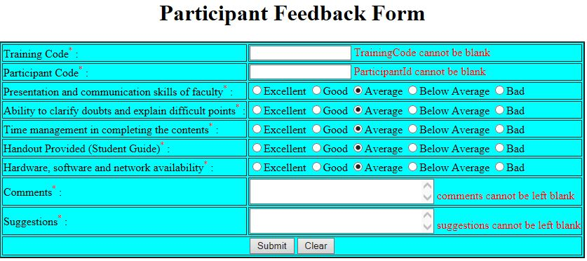
Reference Documents
# | Document name | Path and filename
1 | Repository reference | svn:\\ndafile\ELTP_2017/JEE_Lot\3DecJEEbatch\G2
2 | LLD_ParticipantFeedbackFormModule.doc | /Project Documents/Design Documents/LLD/LLD/LLD_ParticipantFeedbackFormModule.doc
3 | TraceabilityMatrix.xls | /Project Documents/Traceability matrix/TraceabilityMatrix.xls
4 | Feedback Management System.doc | /Project Documents/Requirements/Case Study/Feedback Management System.doc
5 | HLD | /Project Documents/Design Documents/HLD

Screen Shots / Report Layouts

 | Participant Feedback Form

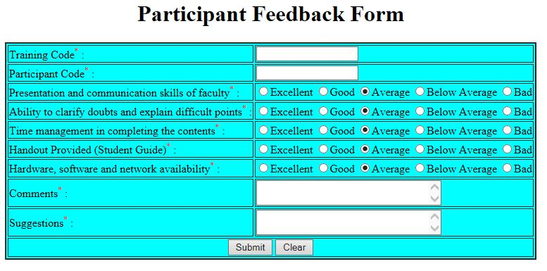

 | 2.Participant Feedback Form with Validations

